GCRunSummaryInfo
GCRun
GCRun
20131104_AA

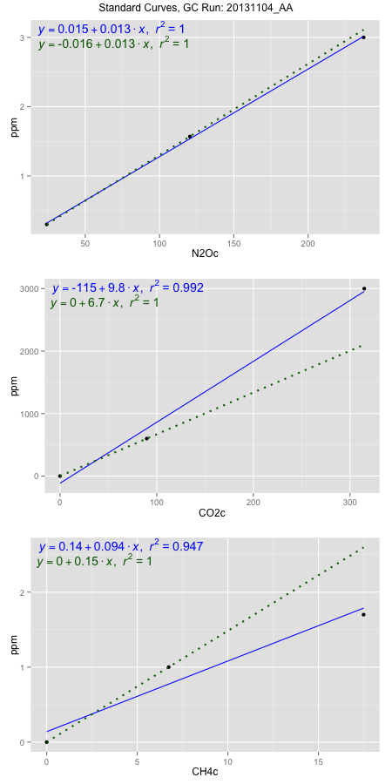
NoPressureCount
NoPressureCount
2

ambinfoDF
Labels | ambNinfo | ambCinfo | ambCHinfo | GCrun
Amb1 | 26.3842 | 68.8652 | 12.5624 | 20131104_AA
Amb2 | 27.044 | 64.6178 | 12.1964 | 20131104_AA
Amb3 | 26.7798 | 61.7046 | 12.0166 | 20131104_AA
Amb4 | 26.8464 | 63.51 | 12.144 | 20131104_AA
Mean | 26.7636 | 64.6744 | 12.22985 | 20131104_AA
Std | 0.27669887363 | 3.0409180412 | 0.23420375033 | 20131104_AA
Count | 4 | 4 | 4 | 20131104_AA
CV | 0.010338626852 | 0.047018882915 | 0.019150173577 | 20131104_AA

timezeroDF
timezeroLabs | timezeroNinfo | timezeroCinfo | timezeroCHinfo | GCrun
F1-A-24-T0 | 0.15938028957 | 274.74472483 | 1.1839333441 | 20131104_AA
F1-B-24-T0 | 0.15249382142 | 459.13257147 | 1.1646800337 | 20131104_AA
F1-C-24-T0 | 0.20360764023 | 288.40438395 | 1.1200413654 | 20131104_AA
F1-D-24-T0 | 0.19317192143 | 267.87160186 | 1.1530093627 | 20131104_AA
F1-E-24-T0 | 0.16952100572 | 277.22766099 | 1.318706517 | 20131104_AA
M2-A-23-T0 | 0.1626437564 | 207.58375912 | 1.1538005946 | 20131104_AA
M2-B-23-T0 | 0.14487445606 | 238.72693943 | 1.1633613139 | 20131104_AA
M2-C-23-T0 | 0.20037643931 | 231.62447833 | 1.1926368954 | 20131104_AA
M2-D-23-T0 | 0.1317007439 | 200.46023636 | 1.2244839808 | 20131104_AA
M2-E-23-T0 | 0.17879515158 | 175.21432193 | 1.1828124322 | 20131104_AA
S3-A-23-T0 | 0.1901066595 | 218.772183 | 1.1648119057 | 20131104_AA
S3-B-23-T0 | 0.21273428476 | 275.77206599 | 1.186175168 | 20131104_AA
S3-C-23-T0 | 0.20992715015 | 241.29646242 | 1.1696911693 | 20131104_AA
S3-D-23-T0 | 0.22130318991 | 224.1569484 | 1.2140660936 | 20131104_AA
S3-E-23-T0 | 0.19741719396 | 198.63021179 | 1.1793178245 | 20131104_AA
F3-A-23-T0 | 0.18126579878 | 228.40672413 | 1.2001535988 | 20131104_AA
F3-B-23-T0 | 0.18023789892 | 225.46043137 | 1.1785925286 | 20131104_AA
F3-C-23-T0 | 0.14764471533 | 197.13951402 | 1.1402177798 | 20131104_AA
F3-D-23-T0 | 0.16840552694 | 238.60524981 | 1.2285720124 | 20131104_AA
F3-E-23-T0 | 0.1921255839 | 229.37790085 | 1.3348278676 | 20131104_AA
M3-A-24-T0 | 0.180371572 | 223.83400289 | 1.2368799478 | 20131104_AA
M3-B-24-T0 | 0.21500211764 | 242.85034518 | 1.4191270366 | 20131104_AA
M3-C-24-T0 | 0.20662680799 | 248.63762237 | 1.4042584699 | 20131104_AA
M3-D-24-T0 | 0.18976095327 | 272.0418113 | 1.210043998 | 20131104_AA
M3-E-24-T0 | 0.17790092479 | 213.61207535 | 1.1940215513 | 20131104_AA
S2-A-24-T0 | 0.16950717747 | 263.97285386 | 1.173119841 | 20131104_AA
S2-B-24-T0 | 0.19317653084 | 409.47618862 | 1.4249953401 | 20131104_AA
S2-C-24-T0 | 0.2011047271 | 395.80482858 | 1.1455585953 | 20131104_AA
S2-D-24-T0 | 0.20370443797 | 835.96392646 | 1.486975175 | 20131104_AA
S2-E-24-T0 | 0.16074006742 | 72.234486524 | 0.84001119669 | 20131104_AA
time zero mean | 0.18318761814 | 269.23455037 | 1.2129627647 | 20131104_AA
time zero sd | 0.022823624081 | 128.64341862 | 0.11847811962 | 20131104_AA
time zero CV | 0.12459152159 | 0.47781170153 | 0.097676633669 | 20131104_AA
time zero sd allow | 2 | 2 | 2 | 20131104_AA
time zero upper limit | 0.2288348663 | 526.52138762 | 1.4499190039 | 20131104_AA
time zero lower limit | 0.13754036998 | 11.947713125 | 0.97600652543 | 20131104_AA

standardvialsN2O
N2Oc | ppm
24.0455 | 0.301
120.4026 | 1.57
237.35405 | 3

standardvialsCO2
CO2c | ppm
89.7365 | 600
0 | 0
314.6605 | 3000

standardvialsCH4
CH4c | ppm
0 | 0
6.7386125 | 1
17.4962125 | 1.7

StandardCurveInfo_lmN2Ohigh
lmN2Ohigh_intercept | lmN2Ohigh_slope | lmN2Ohigh_cor | lmN2Ohigh_pearsonsR2
0.015254485984 | 0.012638054925 | 0.99977406543 | 0.9995481819

StandardCurveInfo_lmN2Olow
lmN2Olow_intercept | lmN2Olow_slope | lmN2Olow_cor | lmN2Olow_pearsonsR2
-0.015673493702 | 0.013169761232 | 1 | 1

StandardCurveInfo_lmCO2high
lmCO2high_intercept | lmCO2high_slope | lmCO2high_cor | lmCO2high_pearsonsR2
-114.72453033 | 9.753221688 | 0.9959226914 | 0.99186200725

StandardCurveInfo_lmCO2low
lmCO2low_intercept | lmCO2low_slope | lmCO2low_cor | lmCO2low_pearsonsR2
0 | 6.6862424989 | 1 | 1

StandardCurveInfo_lmCH4high
lmCH4high_intercept | lmCH4high_slope | lmCH4high_cor | lmCH4high_pearsonsR2
0.13907271973 | 0.094194277896 | 0.972888777 | 0.94651257241

StandardCurveInfo_lmCH4low
lmCH4low_intercept | lmCH4low_slope | lmCH4low_cor | lmCH4low_pearsonsR2
0 | 0.14839850192 | 1 | 1

