GCRunSummaryInfo
GCRun
GCRun
20131105_U

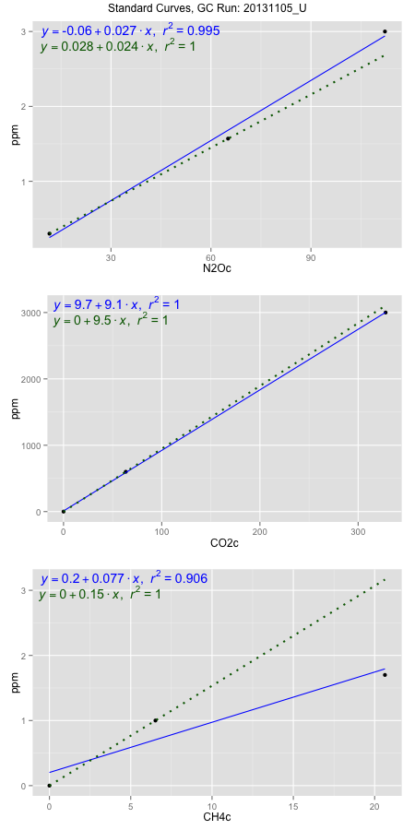
NoPressureCount
NoPressureCount
0

ambinfoDF
Labels | ambNinfo | ambCinfo | ambCHinfo | GCrun
Amb1 | 13.0648 | 55.7472 | 13.338 | 20131105_U
Amb2 | 11.9532 | 55.4462 | 13.5664 | 20131105_U
Amb3 | 12.1828 | 53.5024 | 13.5444 | 20131105_U
Amb4 | 12.0868 | 53.5412 | 13.7804 | 20131105_U
Mean | 12.3219 | 54.55925 | 13.5573 | 20131105_U
Std | 0.50413652913 | 1.2043342878 | 0.18084553261 | 20131105_U
Count | 4 | 4 | 4 | 20131105_U
CV | 0.040913863051 | 0.02207387909 | 0.01333934726 | 20131105_U

timezeroDF
timezeroLabs | timezeroNinfo | timezeroCinfo | timezeroCHinfo | GCrun
S1-C2-19-T0 | 0.17197190659 | 298.90202185 | 0.9207722044 | 20131105_U
M1-A1-19-T0 | 0.19887140506 | 316.48482092 | 1.1323953431 | 20131105_U
M1-A2-19-T0 | 0.23059391897 | 342.93523596 | 1.15879425 | 20131105_U
S1-D-27-T0 | 0.16328716402 | 329.69014589 | 1.1005978868 | 20131105_U
S1-E-27-T0 | 0.17677834809 | 318.53935078 | 1.1301279523 | 20131105_U
S1-A-27-T0 | 0.20203702688 | 369.32600335 | 1.1546913524 | 20131105_U
S1-B-27-T0 | 0.19897913565 | 379.9399697 | 1.2180973157 | 20131105_U
S1-C-27-T0 | 0.1654997845 | 309.68498984 | 1.0035859531 | 20131105_U
F2-D-25-T0 | 0.23549151712 | 380.4270921 | 1.1823049328 | 20131105_U
F2-E-25-T0 | 0.21725190032 | 399.312198 | 1.2070302894 | 20131105_U
F2-A-25-T0 | 0.19058443696 | 341.30818086 | 1.1126096594 | 20131105_U
F2-B-25-T0 | 0.17279231643 | 345.46363318 | 1.1062663637 | 20131105_U
F2-C-25-T0 | 0.17904069038 | 379.52243621 | 1.1133384635 | 20131105_U
M1-D-25-T0 | 0.20435737795 | 369.05758897 | 1.1468094702 | 20131105_U
M1-E-25-T0 | 0.1104163075 | 270.4401558 | 1.0286622153 | 20131105_U
M1-A-25-T0 | 0.14445917248 | 237.53785426 | 0.98585171811 | 20131105_U
M1-B-25-T0 | 0.16248332811 | 310.99723794 | 1.0509312318 | 20131105_U
M1-C-25-T0 | 0.13101771021 | 244.53319705 | 1.0421046034 | 20131105_U
S1-D-25-T0 | 0.17694408745 | 400.78350648 | 1.0206993548 | 20131105_U
S1-E-25-T0 | 0.21201453648 | 382.15355993 | 1.1345007774 | 20131105_U
S1-A-25-T0 | 0.15558857064 | 393.46010167 | 1.1954504008 | 20131105_U
S1-B-25-T0 | 0.1829604263 | 371.84114555 | 1.063617823 | 20131105_U
S1-C-25-T0 | 0.18683872737 | 360.92562724 | 1.1356884583 | 20131105_U
time zero mean | 0.18131564328 | 341.44635015 | 1.1019533922 | 20131105_U
time zero sd | 0.030157435616 | 47.101055048 | 0.076141415528 | 20131105_U
time zero CV | 0.16632561355 | 0.13794569784 | 0.069096765861 | 20131105_U
time zero sd allow | 2 | 2 | 2 | 20131105_U
time zero upper limit | 0.24163051451 | 435.64846025 | 1.2542362232 | 20131105_U
time zero lower limit | 0.12100077205 | 247.24424006 | 0.94967056111 | 20131105_U

standardvialsN2O
N2Oc | ppm
11.536675 | 0.301
65.132875 | 1.57
112.204375 | 3

standardvialsCO2
CO2c | ppm
63.3721625 | 600
0 | 0
327.9917625 | 3000

standardvialsCH4
CH4c | ppm
0 | 0
6.518625 | 1
20.633425 | 1.7

StandardCurveInfo_lmN2Ohigh
lmN2Ohigh_intercept | lmN2Ohigh_slope | lmN2Ohigh_cor | lmN2Ohigh_pearsonsR2
-0.059765850252 | 0.026738987665 | 0.99742137793 | 0.99484940516

StandardCurveInfo_lmN2Olow
lmN2Olow_intercept | lmN2Olow_slope | lmN2Olow_cor | lmN2Olow_pearsonsR2
0.027845549218 | 0.023677051731 | 1 | 1

StandardCurveInfo_lmCO2high
lmCO2high_intercept | lmCO2high_slope | lmCO2high_cor | lmCO2high_pearsonsR2
9.7307478638 | 9.1240084441 | 0.99997563578 | 0.99995127216

StandardCurveInfo_lmCO2low
lmCO2low_intercept | lmCO2low_slope | lmCO2low_cor | lmCO2low_pearsonsR2
0 | 9.4678795283 | 1 | 1

StandardCurveInfo_lmCH4high
lmCH4high_intercept | lmCH4high_slope | lmCH4high_cor | lmCH4high_pearsonsR2
0.20199197725 | 0.077122135097 | 0.95203749066 | 0.90637538362

StandardCurveInfo_lmCH4low
lmCH4low_intercept | lmCH4low_slope | lmCH4low_cor | lmCH4low_pearsonsR2
0 | 0.15340658498 | 1 | 1

