GCRunSummaryInfo
GCRun
GCRun
20131108_Z

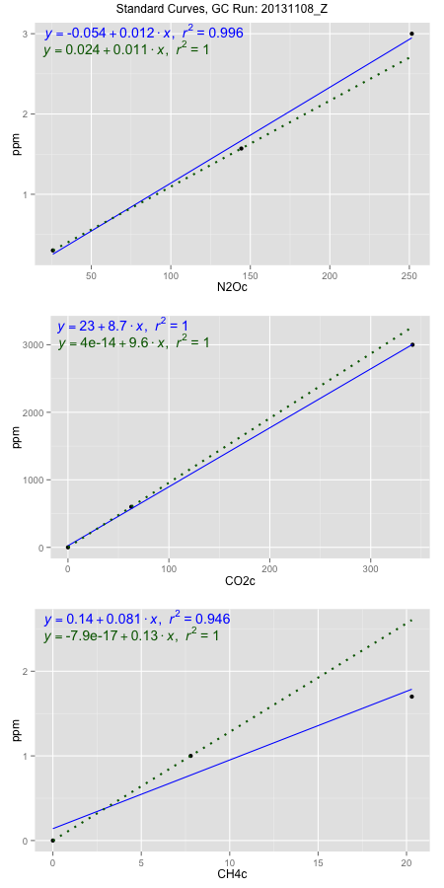
NoPressureCount
NoPressureCount
0

ambinfoDF
Labels | ambNinfo | ambCinfo | ambCHinfo | GCrun
Amb1 | 27.5396 | 78.1234 | 14.1632 | 20131108_Z
Amb2 | 27.4938 | 80.1592 | 14.5946 | 20131108_Z
Amb3 | 26.9764 | 78.943 | 12.9478 | 20131108_Z
Amb4 | 27.6272 | 81.0882 | 14.4004 | 20131108_Z
Mean | 27.40925 | 79.57845 | 14.0265 | 20131108_Z
Std | 0.29382599726 | 1.308635782 | 0.74045468013 | 20131108_Z
Count | 4 | 4 | 4 | 20131108_Z
CV | 0.010719957579 | 0.01644460004 | 0.052789696655 | 20131108_Z

timezeroDF
timezeroLabs | timezeroNinfo | timezeroCinfo | timezeroCHinfo | GCrun
M1-A-04-T0 | 0.14508812818 | 171.89789724 | 0.91245945544 | 20131108_Z
M1-B-04-T0 | 0.16783511482 | 284.72683314 | 1.1920983996 | 20131108_Z
M1-C-04-T0 | 0.17194299047 | 265.0435932 | 1.2206103829 | 20131108_Z
M1-D-04-T0 | 0.17165438972 | 246.66208402 | 1.1135484535 | 20131108_Z
M1-E-04-T0 | 0.17893687366 | 307.01688095 | 1.1965853452 | 20131108_Z
S1-A-04-T0 | 0.16481792513 | 290.18473255 | 1.2121192644 | 20131108_Z
S1-B-04-T0 | 0.15884726279 | 279.38605603 | 1.1807674421 | 20131108_Z
S1-C-04-T0 | 0.1689145566 | 280.38661515 | 1.0005228621 | 20131108_Z
S1-D-04-T0 | 0.15077768589 | 186.38759954 | 0.93489418337 | 20131108_Z
S1-E-04-T0 | 0.14870500775 | 190.84493983 | 0.92265447737 | 20131108_Z
F2-A-04-T0 | 0.16434566935 | 220.80147909 | 1.0979861359 | 20131108_Z
F2-B-04-T0 | 0.14525679096 | 245.59794422 | 1.1651767261 | 20131108_Z
F2-C-04-T0 | 0.16080000295 | 266.77365696 | 1.0987528924 | 20131108_Z
F2-D-04-T0 | 0.18741873736 | 309.27566826 | 1.1635864163 | 20131108_Z
F2-E-04-T0 | 0.19696505058 | 349.71632699 | 1.1884634057 | 20131108_Z
S1-A-17-T0 | 0.24365465554 | 353.94611537 | 1.0813446795 | 20131108_Z
S1-B-17-T0 | 0.17798111792 | 239.94261007 | 0.98572730107 | 20131108_Z
S1-C-17-T0 | 0.19594932585 | 237.96826264 | 1.2031169748 | 20131108_Z
S1-D-17-T0 | 0.1903422255 | 275.04583804 | 1.217117381 | 20131108_Z
S1-E-17-T0 | 0.20089301927 | 259.96048517 | 1.0218216545 | 20131108_Z
F2-D-17-T0 | 0.18210398582 | 324.05650315 | 1.1391354027 | 20131108_Z
F2-E-17-T0 | 0.19037970612 | 346.65106895 | 1.2226266686 | 20131108_Z
time zero mean | 0.17561864647 | 269.64878139 | 1.1123234502 | 20131108_Z
time zero sd | 0.022724014393 | 50.925450115 | 0.10434193682 | 20131108_Z
time zero CV | 0.12939408685 | 0.1888584471 | 0.093805391587 | 20131108_Z
time zero sd allow | 2 | 2 | 2 | 20131108_Z
time zero upper limit | 0.22106667525 | 371.49968162 | 1.3210073238 | 20131108_Z
time zero lower limit | 0.13017061768 | 167.79788116 | 0.90363957657 | 20131108_Z

standardvialsN2O
N2Oc | ppm
25.8411625 | 0.301
144.3424125 | 1.57
251.5726125 | 3

standardvialsCO2
CO2c | ppm
62.7549125 | 600
0 | 0
341.4630625 | 3000

standardvialsCH4
CH4c | ppm
0 | 0
7.794225 | 1
20.301125 | 1.7

StandardCurveInfo_lmN2Ohigh
lmN2Ohigh_intercept | lmN2Ohigh_slope | lmN2Ohigh_cor | lmN2Ohigh_pearsonsR2
-0.054205461907 | 0.011934896357 | 0.99800062813 | 0.99600525376

StandardCurveInfo_lmN2Olow
lmN2Olow_intercept | lmN2Olow_slope | lmN2Olow_cor | lmN2Olow_pearsonsR2
0.02427350798 | 0.010708747798 | 1 | 1

StandardCurveInfo_lmCO2high
lmCO2high_intercept | lmCO2high_slope | lmCO2high_cor | lmCO2high_pearsonsR2
23.359699949 | 8.7327163028 | 0.99986185418 | 0.99972372745

StandardCurveInfo_lmCO2low
lmCO2low_intercept | lmCO2low_slope | lmCO2low_cor | lmCO2low_pearsonsR2
4.0194366942E-14 | 9.5610044871 | 1 | 1

StandardCurveInfo_lmCH4high
lmCH4high_intercept | lmCH4high_slope | lmCH4high_cor | lmCH4high_pearsonsR2
0.1401307616 | 0.081138256516 | 0.97256872595 | 0.94588992671

StandardCurveInfo_lmCH4low
lmCH4low_intercept | lmCH4low_slope | lmCH4low_cor | lmCH4low_pearsonsR2
-7.8504622934E-17 | 0.12830011964 | 1 | 1

