GCRunSummaryInfo
GCRun
GCRun
20140113_W

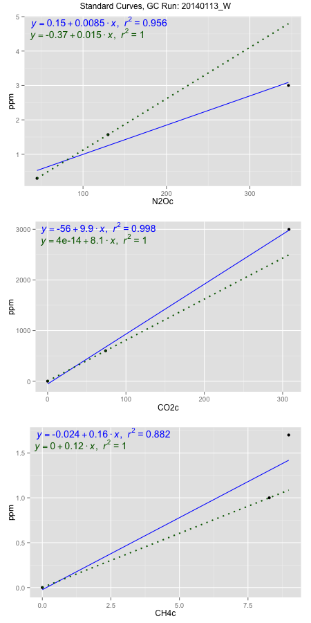
NoPressureCount
NoPressureCount
6

ambinfoDF
Labels | ambNinfo | ambCinfo | ambCHinfo | GCrun
Amb1 | 39.5944 | 49.5458 | 16.888 | 20140113_W
Amb2 | 40.3764 | 49.1632 | 11.379 | 20140113_W
Amb3 | 40.0486 | 49.5064 | 10.6372 | 20140113_W
Amb4 | 40.1154 | 49.5428 | 9.872 | 20140113_W
Mean | 40.0337 | 49.43955 | 12.19405 | 20140113_W
Std | 0.32523052337 | 0.18510165675 | 3.1892094752 | 20140113_W
Count | 4 | 4 | 4 | 20140113_W
CV | 0.0081239186828 | 0.0037439996269 | 0.26153816617 | 20140113_W

timezeroDF
timezeroLabs | timezeroNinfo | timezeroCinfo | timezeroCHinfo | GCrun
M3-A-18-T0 | 0.21098319176 | 355.97977699 | 1.3301865422 | 20140113_W
M3-B-18-T0 | 0.19231582303 | 343.72927027 | 1.2933132379 | 20140113_W
M3-C-18-T0 | 0.26012597956 | 392.82773548 | 1.5272563665 | 20140113_W
M3-D-18-T0 | 0.2499466258 | 374.10451371 | 1.8950900602 | 20140113_W
M3-E-18-T0 | 0.23174385323 | 398.55163512 | 2.0112184849 | 20140113_W
F2-A-18-T0 | 0.24513361854 | 387.60871896 | 1.7954871712 | 20140113_W
F2-B-18-T0 | 0.22771909336 | 356.42793167 | 1.8449513599 | 20140113_W
F2-C-18-T0 | 0.23336732964 | 376.69416702 | 1.9235319687 | 20140113_W
F2-D-18-T0 | 0.26647372015 | 430.18341352 | 1.8330349872 | 20140113_W
F2-E-18-T0 | 0.24572871922 | 368.53378086 | 1.748496192 | 20140113_W
M1-A-19-T0 | 0.22896149653 | 368.41748755 | 1.5669963453 | 20140113_W
M1-B-19-T0 | 0.19378269401 | 347.43080101 | 1.4191658724 | 20140113_W
M1-C-19-T0 | 0.20484425842 | 384.84037106 | 1.3127616576 | 20140113_W
M1-D-19-T0 | 0.18550870647 | 520.32490539 | 1.8235356146 | 20140113_W
M1-E-19-T0 | 0.24775414961 | 382.5655606 | 1.907399898 | 20140113_W
S2-A-19-T0 | 0.22663851581 | 334.53359007 | 1.355930404 | 20140113_W
S2-B-19-T0 | 0.27761880746 | 354.39138065 | 1.9688366687 | 20140113_W
S2-C-19-T0 | 0.20630590921 | 332.96788512 | 1.2612739339 | 20140113_W
S2-D-19-T0 | 0.2202646743 | 317.12930454 | 1.6638449783 | 20140113_W
S2-E-19-T0 | 0.24012224439 | 375.50570619 | 1.5190498079 | 20140113_W
time zero mean | 0.22976697053 | 375.13739679 | 1.6500680776 | 20140113_W
time zero sd | 0.025329607442 | 42.957358624 | 0.25538102424 | 20140113_W
time zero CV | 0.11024042047 | 0.11451100048 | 0.15476999265 | 20140113_W
time zero sd allow | 2 | 2 | 2 | 20140113_W
time zero upper limit | 0.28042618541 | 461.05211404 | 2.1608301261 | 20140113_W
time zero lower limit | 0.17910775564 | 289.22267954 | 1.1393060291 | 20140113_W

standardvialsN2O
N2Oc | ppm
44.873325 | 0.301
129.956575 | 1.57
346.282125 | 3

standardvialsCO2
CO2c | ppm
74.0369375 | 600
0 | 0
308.1078375 | 3000

standardvialsCH4
CH4c | ppm
0 | 0
8.2760625 | 1
8.9865625 | 1.7

StandardCurveInfo_lmN2Ohigh
lmN2Ohigh_intercept | lmN2Ohigh_slope | lmN2Ohigh_cor | lmN2Ohigh_pearsonsR2
0.14800792812 | 0.0084952486284 | 0.97764039623 | 0.95578074435

StandardCurveInfo_lmN2Olow
lmN2Olow_intercept | lmN2Olow_slope | lmN2Olow_cor | lmN2Olow_pearsonsR2
-0.36827684856 | 0.01491480403 | 1 | 1

StandardCurveInfo_lmCO2high
lmCO2high_intercept | lmCO2high_slope | lmCO2high_cor | lmCO2high_pearsonsR2
-56.173769603 | 9.8615015966 | 0.99911284558 | 0.99822647821

StandardCurveInfo_lmCO2low
lmCO2low_intercept | lmCO2low_slope | lmCO2low_cor | lmCO2low_pearsonsR2
4.0194366942E-14 | 8.1040629213 | 1 | 1

StandardCurveInfo_lmCH4high
lmCH4high_intercept | lmCH4high_slope | lmCH4high_cor | lmCH4high_pearsonsR2
-0.024114436586 | 0.16059801506 | 0.93906511394 | 0.88184328821

StandardCurveInfo_lmCH4low
lmCH4low_intercept | lmCH4low_slope | lmCH4low_cor | lmCH4low_pearsonsR2
0 | 0.12083040697 | 1 | 1

