GCRunSummaryInfo
GCRun
GCRun
20140113_X

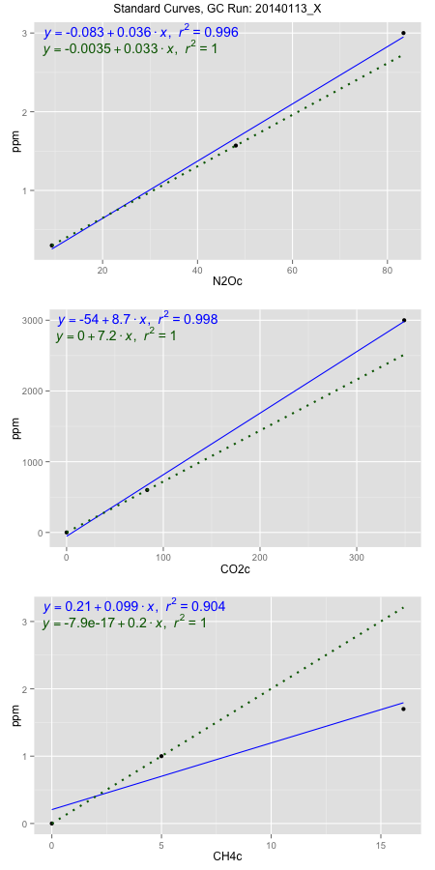
NoPressureCount
NoPressureCount
0

ambinfoDF
Labels | ambNinfo | ambCinfo | ambCHinfo | GCrun
Amb1 | 10.035 | 57.9014 | 11.0368 | 20140113_X
Amb2 | 10.636 | 58.0384 | 10.4396 | 20140113_X
Amb3 | 10.235 | 58.13 | 11.8338 | 20140113_X
Amb4 | 10.95 | 57.5954 | 10.0324 | 20140113_X
Mean | 10.464 | 57.9163 | 10.83565 | 20140113_X
Std | 0.40917070602 | 0.23364853948 | 0.78290716989 | 20140113_X
Count | 4 | 4 | 4 | 20140113_X
CV | 0.039102705086 | 0.0040342449272 | 0.072252903138 | 20140113_X

timezeroDF
timezeroLabs | timezeroNinfo | timezeroCinfo | timezeroCHinfo | GCrun
time zero mean |  |  |  | 20140113_X
time zero sd |  |  |  | 20140113_X
time zero CV |  |  |  | 20140113_X
time zero sd allow | 2 | 2 | 2 | 20140113_X
time zero upper limit |  |  |  | 20140113_X
time zero lower limit |  |  |  | 20140113_X

standardvialsN2O
N2Oc | ppm
9.2999 | 0.301
48.0631 | 1.57
83.38195 | 3

standardvialsCO2
CO2c | ppm
83.324375 | 600
0 | 0
349.080425 | 3000

standardvialsCH4
CH4c | ppm
0 | 0
4.9975625 | 1
16.0316625 | 1.7

StandardCurveInfo_lmN2Ohigh
lmN2Ohigh_intercept | lmN2Ohigh_slope | lmN2Ohigh_cor | lmN2Ohigh_pearsonsR2
-0.082757361982 | 0.036372687517 | 0.99812400633 | 0.99625153201

StandardCurveInfo_lmN2Olow
lmN2Olow_intercept | lmN2Olow_slope | lmN2Olow_cor | lmN2Olow_pearsonsR2
-0.003453014715 | 0.032737235316 | 1 | 1

StandardCurveInfo_lmCO2high
lmCO2high_intercept | lmCO2high_slope | lmCO2high_cor | lmCO2high_pearsonsR2
-54.003536404 | 8.7002054769 | 0.99918270725 | 0.99836608246

StandardCurveInfo_lmCO2low
lmCO2low_intercept | lmCO2low_slope | lmCO2low_cor | lmCO2low_pearsonsR2
0 | 7.2007740832 | 1 | 1

StandardCurveInfo_lmCH4high
lmCH4high_intercept | lmCH4high_slope | lmCH4high_cor | lmCH4high_pearsonsR2
0.20595084305 | 0.099012087743 | 0.95061069375 | 0.90366069107

StandardCurveInfo_lmCH4low
lmCH4low_intercept | lmCH4low_slope | lmCH4low_cor | lmCH4low_pearsonsR2
-7.8504622934E-17 | 0.20009754755 | 1 | 1

