GCRunSummaryInfo
GCRun
GCRun
20140416_V

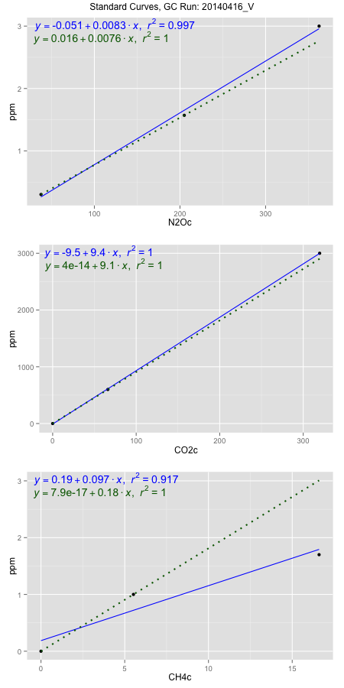
NoPressureCount
NoPressureCount
0

ambinfoDF
Labels | ambNinfo | ambCinfo | ambCHinfo | GCrun
Amb1 | 37.966 | 70.4474 | 10.2682 | 20140416_V
Amb2 | 38.1792 | 80.5452 | 10.3314 | 20140416_V
Amb3 | 38.386 | 93.46 | 10.6456 | 20140416_V
Amb4 | 39.0356 | 64.8856 | 8.8548 | 20140416_V
Mean | 38.3917 | 77.33455 | 10.025 | 20140416_V
Std | 0.46224684603 | 12.553188205 | 0.79739985787 | 20140416_V
Count | 4 | 4 | 4 | 20140416_V
CV | 0.012040280739 | 0.16232315576 | 0.079541132955 | 20140416_V

timezeroDF
timezeroLabs | timezeroNinfo | timezeroCinfo | timezeroCHinfo | GCrun
M1-A-06-T0 | 0.26147501019 | 647.20462703 | 1.4230969686 | 20140416_V
M1-B-06-T0 | 0.28612771429 | 483.39634656 | 1.3801271488 | 20140416_V
M1-C-06-T0 | 0.25980337059 | 532.62744643 | 1.356322749 | 20140416_V
M1-D-06-T0 | 0.24955595446 | 451.37229477 | 1.3689868251 | 20140416_V
M1-E-06-T0 | 0.27421661875 | 433.18634555 | 1.2679451055 | 20140416_V
M2-A-06-T0 | 0.23970389437 | 484.00021415 | 1.3914706394 | 20140416_V
M2-B-06-T0 | 0.23286874575 | 414.7652058 | 1.2921219781 | 20140416_V
M2-C-06-T0 | 0.27048859709 | 443.60465061 | 1.2913093101 | 20140416_V
M2-D-06-T0 | 0.26413371319 | 638.77896736 | 1.416257013 | 20140416_V
M2-E-06-T0 | 0.25659806798 | 394.50068077 | 1.358151252 | 20140416_V
SM-A-06-T0 | 0.24021069304 | 377.70680526 | 1.3917415288 | 20140416_V
SM-B-06-T0 | 0.25966274059 | 456.8960941 | 1.4682677642 | 20140416_V
SM-C-06-T0 | 0.26158114604 | 413.32863659 | 1.2913431713 | 20140416_V
SM-D-06-T0 | 0.25242162236 | 405.98687799 | 1.3968545648 | 20140416_V
SM-E-06-T0 | 0.27280501197 | 478.55904934 | 1.4401968575 | 20140416_V
F2-A-06-T0 | 0.25771249438 | 541.23414871 | 1.3303173735 | 20140416_V
F2-B-06-T0 | 0.2766259025 | 544.83192825 | 1.3873395772 | 20140416_V
F2-C-06-T0 | 0.27959239945 | 676.78498122 | 1.4293274231 | 20140416_V
F2-D-06-T0 | 0.25268696198 | 469.5773135 | 1.348771709 | 20140416_V
F2-E-06-T0 | 0.24740139674 | 680.51874365 | 1.3895744141 | 20140416_V
M1-A-27-T0 | 0.29267629612 | 498.42947131 | 1.3423042263 | 20140416_V
M1-B-27-T0 | 0.29145308047 | 520.89334567 | 1.3378345523 | 20140416_V
M1-C-27-T0 | 0.28771179183 | 441.39894478 | 1.2960837345 | 20140416_V
time zero mean | 0.26380492279 | 496.9383965 | 1.3650324298 | 20140416_V
time zero sd | 0.016879412751 | 89.616880081 | 0.053688914707 | 20140416_V
time zero CV | 0.063984449467 | 0.18033800711 | 0.039331603802 | 20140416_V
time zero sd allow | 2 | 2 | 2 | 20140416_V
time zero upper limit | 0.29756374829 | 676.17215666 | 1.4724102593 | 20140416_V
time zero lower limit | 0.23004609729 | 317.70463633 | 1.2576546004 | 20140416_V

standardvialsN2O
N2Oc | ppm
37.622925 | 0.301
205.012175 | 1.57
362.482425 | 3

standardvialsCO2
CO2c | ppm
66.0740875 | 600
0 | 0
319.6511875 | 3000

standardvialsCH4
CH4c | ppm
0 | 0
5.52085 | 1
16.6043 | 1.7

StandardCurveInfo_lmN2Ohigh
lmN2Ohigh_intercept | lmN2Ohigh_slope | lmN2Ohigh_cor | lmN2Ohigh_pearsonsR2
-0.050609521449 | 0.0083005835343 | 0.99864555591 | 0.99729294635

StandardCurveInfo_lmN2Olow
lmN2Olow_intercept | lmN2Olow_slope | lmN2Olow_cor | lmN2Olow_pearsonsR2
0.015775639266 | 0.0075811320022 | 1 | 1

StandardCurveInfo_lmCO2high
lmCO2high_intercept | lmCO2high_slope | lmCO2high_cor | lmCO2high_pearsonsR2
-9.5460986606 | 9.4073127461 | 0.99997597982 | 0.99995196022

StandardCurveInfo_lmCO2low
lmCO2low_intercept | lmCO2low_slope | lmCO2low_cor | lmCO2low_pearsonsR2
4.0194366942E-14 | 9.0807156436 | 1 | 1

StandardCurveInfo_lmCH4high
lmCH4high_intercept | lmCH4high_slope | lmCH4high_cor | lmCH4high_pearsonsR2
0.1864920198 | 0.096746188866 | 0.95749899485 | 0.91680432514

StandardCurveInfo_lmCH4low
lmCH4low_intercept | lmCH4low_slope | lmCH4low_cor | lmCH4low_pearsonsR2
7.8504622934E-17 | 0.18113152866 | 1 | 1

