GCRunSummaryInfo
GCRun
GCRun
20140417_K

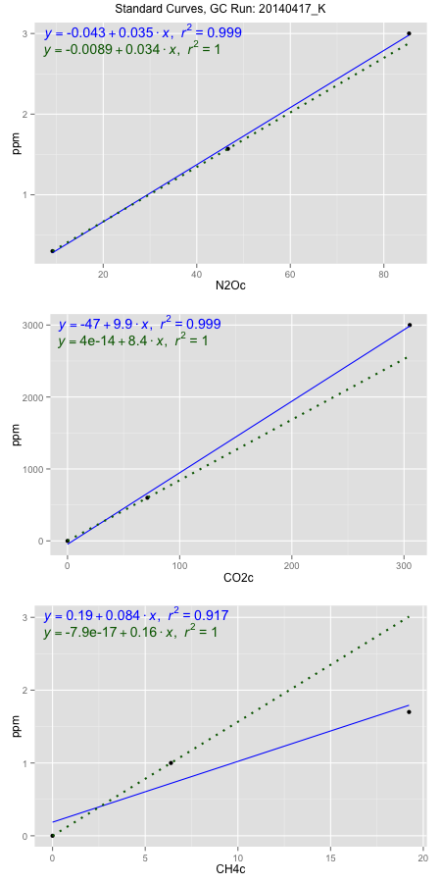
NoPressureCount
NoPressureCount
0

ambinfoDF
Labels | ambNinfo | ambCinfo | ambCHinfo | GCrun
Amb1 | 10.047 | 74.0136 | 12.5402 | 20140417_K
Amb2 | 9.6962 | 66.4496 | 12.048 | 20140417_K
Amb3 | 9.944 | 83.5576 | 11.861 | 20140417_K
Amb4 | 10.1698 | 74.122 | 12.342 | 20140417_K
Mean | 9.96425 | 74.5357 | 12.1978 | 20140417_K
Std | 0.20112950223 | 7.0053177163 | 0.30216203159 | 20140417_K
Count | 4 | 4 | 4 | 20140417_K
CV | 0.020185111998 | 0.093986072665 | 0.024771846693 | 20140417_K

timezeroDF
timezeroLabs | timezeroNinfo | timezeroCinfo | timezeroCHinfo | GCrun
M1-A-13-T0 | 0.30346306595 | 285.24631596 | 1.2273382318 | 20140417_K
M1-B-13-T0 | 0.36584494793 | 362.34545908 | 1.2233631569 | 20140417_K
M1-C-13-T0 | 0.35161126871 | 237.87463042 | 1.060794285 | 20140417_K
M1-D-13-T0 | 0.34956266097 | 234.27148093 | 1.078857493 | 20140417_K
M1-E-13-T0 | 0.37195524616 | 219.12174109 | 1.0887367232 | 20140417_K
SM-A-13-T0 | 0.36084776604 | 337.27968672 | 1.2575604925 | 20140417_K
SM-B-13-T0 | 0.37419332052 | 512.51010499 | 1.2470966924 | 20140417_K
SM-C-13-T0 | 0.37546037849 | 484.24808545 | 1.2145946094 | 20140417_K
SM-D-13-T0 | 0.36030304953 | 405.51838449 | 1.2306410514 | 20140417_K
SM-E-13-T0 | 0.38886514128 | 349.26561363 | 1.2752729586 | 20140417_K
M2-A-18-T0 | 0.38376138442 | 315.20965895 | 1.1924394125 | 20140417_K
M2-B-18-T0 | 0.40061207122 | 424.33909088 | 1.2883673229 | 20140417_K
M2-C-18-T0 | 0.36406869844 | 411.65730204 | 1.2391173141 | 20140417_K
M2-D-18-T0 | 0.39055849912 | 409.19819674 | 1.3420892911 | 20140417_K
M2-E-18-T0 | 0.38837963309 | 408.76180875 | 1.3002925476 | 20140417_K
SM-A-18-T0 | 0.37653796984 | 491.01504787 | 1.3005848325 | 20140417_K
SM-B-18-T0 | 0.38607050875 | 367.76492616 | 1.2325993604 | 20140417_K
SM-C-18-T0 | 0.40916175208 | 444.61638961 | 1.3244937389 | 20140417_K
SM-D-18-T0 | 0.4289373297 | 386.21116447 | 1.299123408 | 20140417_K
SM-E-18-T0 | 0.38017336046 | 383.73436777 | 1.2522993639 | 20140417_K
M1-A-10-T0 | 0.41055906834 | 426.23501979 | 1.3446321698 | 20140417_K
M1-B-10-T0 | 0.36094249935 | 247.51054903 | 1.1525717495 | 20140417_K
M1-C-10-T0 | 0.41818509947 | 493.5626102 | 1.349630242 | 20140417_K
time zero mean | 0.37826324869 | 375.54337543 | 1.2401085412 | 20140417_K
time zero sd | 0.026626586566 | 86.899606169 | 0.08188580302 | 20140417_K
time zero CV | 0.070391682665 | 0.23139698861 | 0.066031158 | 20140417_K
time zero sd allow | 2 | 2 | 2 | 20140417_K
time zero upper limit | 0.43151642182 | 549.34258777 | 1.4038801472 | 20140417_K
time zero lower limit | 0.32501007556 | 201.7441631 | 1.0763369352 | 20140417_K

standardvialsN2O
N2Oc | ppm
9.1602125 | 0.301
46.6676125 | 1.57
85.3902125 | 3

standardvialsCO2
CO2c | ppm
71.221025 | 600
0 | 0
305.138975 | 3000

standardvialsCH4
CH4c | ppm
0 | 0
6.38815 | 1
19.23245 | 1.7

StandardCurveInfo_lmN2Ohigh
lmN2Ohigh_intercept | lmN2Ohigh_slope | lmN2Ohigh_cor | lmN2Ohigh_pearsonsR2
-0.043376069994 | 0.035414231061 | 0.99968191908 | 0.99936393933

StandardCurveInfo_lmN2Olow
lmN2Olow_intercept | lmN2Olow_slope | lmN2Olow_cor | lmN2Olow_pearsonsR2
-0.0089204333678 | 0.033833323557 | 1 | 1

StandardCurveInfo_lmCO2high
lmCO2high_intercept | lmCO2high_slope | lmCO2high_cor | lmCO2high_pearsonsR2
-46.78316598 | 9.9382227068 | 0.99939308144 | 0.99878653124

StandardCurveInfo_lmCO2low
lmCO2low_intercept | lmCO2low_slope | lmCO2low_cor | lmCO2low_pearsonsR2
4.0194366942E-14 | 8.4244785862 | 1 | 1

StandardCurveInfo_lmCH4high
lmCH4high_intercept | lmCH4high_slope | lmCH4high_cor | lmCH4high_pearsonsR2
0.18680809553 | 0.08350997687 | 0.95738964084 | 0.91659492438

StandardCurveInfo_lmCH4low
lmCH4low_intercept | lmCH4low_slope | lmCH4low_cor | lmCH4low_pearsonsR2
-7.8504622934E-17 | 0.1565398433 | 1 | 1

