GCRunSummaryInfo
GCRun
GCRun
20140418_M

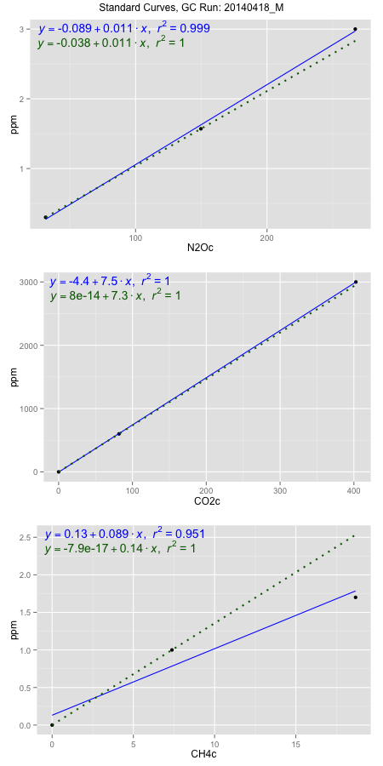
NoPressureCount
NoPressureCount
3

ambinfoDF
Labels | ambNinfo | ambCinfo | ambCHinfo | GCrun
Amb1 | 24.233 | 81.4846 | 11.6428 | 20140418_M
Amb2 | 26.0952 | 72.1364 | 11.1114 | 20140418_M
Amb3 | 26.2412 | 62.1116 | 11.0412 | 20140418_M
Amb4 | 26.9564 | 65.2202 | 11.78 | 20140418_M
Mean | 25.88145 | 70.2382 | 11.39385 | 20140418_M
Std | 1.1616100938 | 8.5888809469 | 0.37203402622 | 20140418_M
Count | 4 | 4 | 4 | 20140418_M
CV | 0.044881955756 | 0.12228219042 | 0.032652178695 | 20140418_M

timezeroDF
timezeroLabs | timezeroNinfo | timezeroCinfo | timezeroCHinfo | GCrun
SD-A-25-T0 | 0.25505228766 | 392.71834896 | 1.1597405375 | 20140418_M
SD-B-25-T0 | 0.29156827119 | 457.04819973 | 1.1868116945 | 20140418_M
SD-C-25-T0 | 0.25085915464 | 318.76713744 | 1.1983471703 | 20140418_M
SD-D-25-T0 | 0.24975352136 | 435.9644012 | 1.2212010565 | 20140418_M
SD-E-25-T0 | 0.25491314333 | 410.34595546 | 1.1048539994 | 20140418_M
SM-A-26-T0 | 0.25438289064 | 334.08890408 | 1.0673016843 | 20140418_M
SM-B-26-T0 | 0.24289408222 | 415.54565002 | 1.2029365531 | 20140418_M
SM-C-26-T0 | 0.25938456501 | 308.40112908 | 1.097504785 | 20140418_M
SM-D-26-T0 | 0.2811023616 | 432.12047885 | 1.2697306792 | 20140418_M
SM-E-26-T0 | 0.23485379666 | 386.35289572 | 1.2157744214 | 20140418_M
S1-A-26-T0 | 0.24440586651 | 327.47437905 | 1.178377153 | 20140418_M
S1-B-26-T0 | 0.25128034827 | 385.55175759 | 1.1523293044 | 20140418_M
S1-C-26-T0 | 0.24612072629 | 386.67129677 | 1.1267155866 | 20140418_M
S1-D-26-T0 | 0.26435991477 | 353.44717434 | 1.2556524372 | 20140418_M
S1-E-26-T0 | 0.23782471602 | 437.35098641 | 1.1998976375 | 20140418_M
M1-A-07-T0 | 0.24859899953 | 491.40213233 | 1.2154023093 | 20140418_M
M1-B-07-T0 | 0.28840555831 | 679.05420269 | 1.1868116945 | 20140418_M
M1-D-07-T0 | 0.26502931179 | 389.26986017 | 1.2265966823 | 20140418_M
F1-A-25-T0 | 0.26671784697 | 384.75832272 | 1.1801136763 | 20140418_M
F1-B-25-T0 | 0.25942217158 | 509.33530113 | 1.2006108524 | 20140418_M
F1-C-25-T0 | 0.29231288136 | 494.100838 | 1.3008950695 | 20140418_M
F1-D-25-T0 | 0.26090010995 | 392.6182067 | 1.218534253 | 20140418_M
time zero mean | 0.25909738753 | 414.65397993 | 1.1893699653 | 20140418_M
time zero sd | 0.016467662139 | 80.894439687 | 0.055760240171 | 20140418_M
time zero CV | 0.063557808496 | 0.19508902266 | 0.046882166018 | 20140418_M
time zero sd allow | 2 | 2 | 2 | 20140418_M
time zero upper limit | 0.29203271181 | 576.4428593 | 1.3008904457 | 20140418_M
time zero lower limit | 0.22616206325 | 252.86510056 | 1.077849485 | 20140418_M

standardvialsN2O
N2Oc | ppm
31.5821625 | 0.301
149.6865125 | 1.57
267.1080125 | 3

standardvialsCO2
CO2c | ppm
81.78365 | 600
0 | 0
402.68185 | 3000

standardvialsCH4
CH4c | ppm
0 | 0
7.3761125 | 1
18.6758625 | 1.7

StandardCurveInfo_lmN2Ohigh
lmN2Ohigh_intercept | lmN2Ohigh_slope | lmN2Ohigh_cor | lmN2Ohigh_pearsonsR2
-0.08894863581 | 0.011458771276 | 0.99934845794 | 0.99869734039

StandardCurveInfo_lmN2Olow
lmN2Olow_intercept | lmN2Olow_slope | lmN2Olow_cor | lmN2Olow_pearsonsR2
-0.038341982006 | 0.010744735482 | 1 | 1

StandardCurveInfo_lmCO2high
lmCO2high_intercept | lmCO2high_slope | lmCO2high_cor | lmCO2high_pearsonsR2
-4.4174948425 | 7.4582245475 | 0.99999488984 | 0.9999897797

StandardCurveInfo_lmCO2low
lmCO2low_intercept | lmCO2low_slope | lmCO2low_cor | lmCO2low_pearsonsR2
8.0388733885E-14 | 7.3364297143 | 1 | 1

StandardCurveInfo_lmCH4high
lmCH4high_intercept | lmCH4high_slope | lmCH4high_cor | lmCH4high_pearsonsR2
0.13061462502 | 0.088598124516 | 0.9754058117 | 0.9514164975

StandardCurveInfo_lmCH4low
lmCH4low_intercept | lmCH4low_slope | lmCH4low_cor | lmCH4low_pearsonsR2
-7.8504622934E-17 | 0.13557276953 | 1 | 1

