GCRunSummaryInfo
GCRun
GCRun
20140418_P

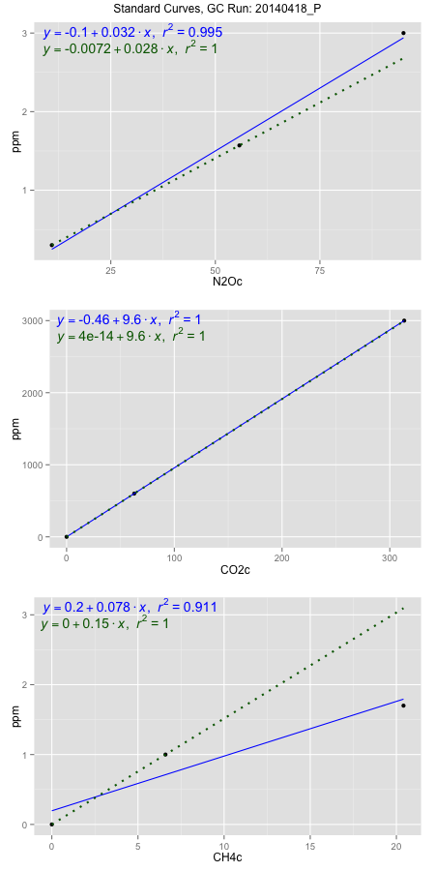
NoPressureCount
NoPressureCount
0

ambinfoDF
Labels | ambNinfo | ambCinfo | ambCHinfo | GCrun
Amb1 | 10.5608 | 54.2106 | 12.14 | 20140418_P
Amb2 | 10.6998 | 63.4356 | 12.0144 | 20140418_P
Amb3 | 10.7476 | 64.2744 | 12.5016 | 20140418_P
Amb4 | 10.8536 | 64.1912 | 12.4904 | 20140418_P
Mean | 10.71545 | 61.52795 | 12.2866 | 20140418_P
Std | 0.12149154977 | 4.8928051841 | 0.24721369973 | 20140418_P
Count | 4 | 4 | 4 | 20140418_P
CV | 0.011337979252 | 0.079521667537 | 0.020120594772 | 20140418_P

timezeroDF
timezeroLabs | timezeroNinfo | timezeroCinfo | timezeroCHinfo | GCrun
M2-A-01-T0 | 0.32330033554 | 342.25172985 | 1.1270091513 | 20140418_P
M2-B-01-T0 | 0.34682857589 | 501.76207427 | 1.2504981945 | 20140418_P
M2-C-01-T0 | 0.36467280531 | 408.2744671 | 1.2806649211 | 20140418_P
M2-D-01-T0 | 0.37164413578 | 428.53357212 | 1.2546355021 | 20140418_P
M2-E-01-T0 | 0.38302206009 | 399.58004603 | 1.2606359682 | 20140418_P
M3-A-02-T0 | 0.36239523995 | 586.8663728 | 1.2927480513 | 20140418_P
M3-B-02-T0 | 0.33292552478 | 616.42570516 | 1.2491008257 | 20140418_P
M3-C-02-T0 | 0.38941904799 | 482.79425302 | 1.2256469493 | 20140418_P
M3-D-02-T0 | 0.33981763558 | 612.76302511 | 1.2156735719 | 20140418_P
M3-E-02-T0 | 0.34848228638 | 543.98303936 | 1.3077355167 | 20140418_P
F3-A-02-T0 | 0.32295374951 | 593.26257637 | 1.1831230986 | 20140418_P
F3-B-02-T0 | 0.38538874756 | 535.77034074 | 1.24756646 | 20140418_P
F3-C-02-T0 | 0.33800548576 | 468.14855259 | 1.1938910582 | 20140418_P
F3-D-02-T0 | 0.37936805306 | 536.96795626 | 1.2943920146 | 20140418_P
F2-A-03-T0 | 0.32234969957 | 608.46699966 | 1.2493200208 | 20140418_P
F2-B-03-T0 | 0.35723605931 | 502.45789558 | 1.1926580857 | 20140418_P
F2-C-03-T0 | 0.33355928209 | 446.30043256 | 1.1774788246 | 20140418_P
F2-D-03-T0 | 0.33965919625 | 407.99346234 | 1.171724953 | 20140418_P
M1-C-07-T0 | 0.35765196254 | 633.31156495 | 1.2576494349 | 20140418_P
M1-E-07-T0 | 0.37213925868 | 426.68362413 | 1.2473472648 | 20140418_P
time zero mean | 0.35354095708 | 504.1298845 | 1.2339749934 | 20140418_P
time zero sd | 0.021866155305 | 86.701017554 | 0.047204268892 | 20140418_P
time zero CV | 0.06184900184 | 0.17198150758 | 0.03825382941 | 20140418_P
time zero sd allow | 2 | 2 | 2 | 20140418_P
time zero upper limit | 0.39727326769 | 677.53191961 | 1.3283835312 | 20140418_P
time zero lower limit | 0.30980864647 | 330.72784939 | 1.1395664556 | 20140418_P

standardvialsN2O
N2Oc | ppm
10.8942125 | 0.301
55.7467125 | 1.57
94.9894125 | 3

standardvialsCO2
CO2c | ppm
62.7747375 | 600
0 | 0
313.3719375 | 3000

standardvialsCH4
CH4c | ppm
0 | 0
6.59595 | 1
20.41255 | 1.7

StandardCurveInfo_lmN2Ohigh
lmN2Ohigh_intercept | lmN2Ohigh_slope | lmN2Ohigh_cor | lmN2Ohigh_pearsonsR2
-0.10063461876 | 0.032004535388 | 0.99734243946 | 0.99469194154

StandardCurveInfo_lmN2Olow
lmN2Olow_intercept | lmN2Olow_slope | lmN2Olow_cor | lmN2Olow_pearsonsR2
-0.007227092414 | 0.028292737306 | 1 | 1

StandardCurveInfo_lmCO2high
lmCO2high_intercept | lmCO2high_slope | lmCO2high_cor | lmCO2high_pearsonsR2
-0.45738788217 | 9.5743825561 | 0.99999994549 | 0.99999989098

StandardCurveInfo_lmCO2low
lmCO2low_intercept | lmCO2low_slope | lmCO2low_cor | lmCO2low_pearsonsR2
4.0194366942E-14 | 9.5579850095 | 1 | 1

StandardCurveInfo_lmCH4high
lmCH4high_intercept | lmCH4high_slope | lmCH4high_cor | lmCH4high_pearsonsR2
0.19522249539 | 0.07828396667 | 0.95444741959 | 0.91096987677

StandardCurveInfo_lmCH4low
lmCH4low_intercept | lmCH4low_slope | lmCH4low_cor | lmCH4low_pearsonsR2
0 | 0.15160818381 | 1 | 1

