GCRunSummaryInfo
GCRun
GCRun
20140606_Leak0

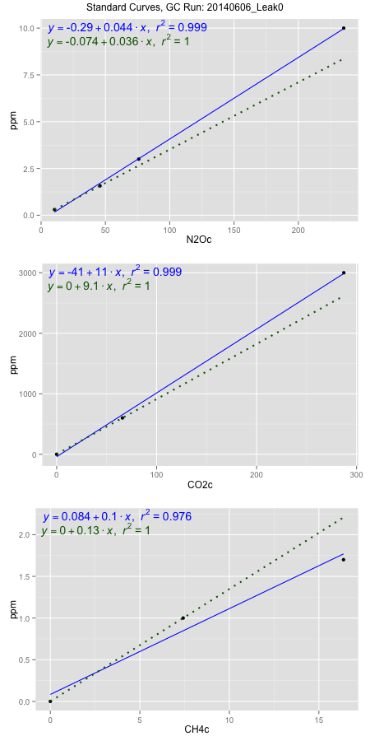
NoPressureCount
NoPressureCount
0

ambinfoDF
Labels | ambNinfo | ambCinfo | ambCHinfo | GCrun
Amb1 | 9.1268 | 45.8596 | 12.2974 | 20140606_Leak0
Amb2 | 8.9736 | 46.0942 | 12.6368 | 20140606_Leak0
Amb3 | 8.8656 | 45.6192 | 12.7104 | 20140606_Leak0
Amb4 | 9.1916 | 45.6112 | 12.3136 | 20140606_Leak0
Mean | 9.0394 | 45.79605 | 12.48955 | 20140606_Leak0
Std | 0.14758012513 | 0.22976616374 | 0.21473806525 | 20140606_Leak0
Count | 4 | 4 | 4 | 20140606_Leak0
CV | 0.016326318686 | 0.0050171611687 | 0.017193418918 | 20140606_Leak0

timezeroDF
timezeroLabs | timezeroNinfo | timezeroCinfo | timezeroCHinfo | GCrun
time zero mean |  |  |  | 20140606_Leak0
time zero sd |  |  |  | 20140606_Leak0
time zero CV |  |  |  | 20140606_Leak0
time zero sd allow | 2 | 2 | 2 | 20140606_Leak0
time zero upper limit |  |  |  | 20140606_Leak0
time zero lower limit |  |  |  | 20140606_Leak0

standardvialsN2O
N2Oc | ppm
10.45235 | 0.301
45.82265 | 1.57
75.94435 | 3
235.2689 | 10

standardvialsCO2
CO2c | ppm
65.8166625 | 600
0 | 0
287.2417125 | 3000

standardvialsCH4
CH4c | ppm
0 | 0
7.4188375 | 1
16.3753375 | 1.7

StandardCurveInfo_lmN2Ohigh
lmN2Ohigh_intercept | lmN2Ohigh_slope | lmN2Ohigh_cor | lmN2Ohigh_pearsonsR2
-0.28880406544 | 0.043610146071 | 0.99965537714 | 0.99931087305

StandardCurveInfo_lmN2Olow
lmN2Olow_intercept | lmN2Olow_slope | lmN2Olow_cor | lmN2Olow_pearsonsR2
-0.074004796397 | 0.03587755829 | 1 | 1

StandardCurveInfo_lmCO2high
lmCO2high_intercept | lmCO2high_slope | lmCO2high_cor | lmCO2high_pearsonsR2
-40.913525674 | 10.544263614 | 0.99953970197 | 0.99907961581

StandardCurveInfo_lmCO2low
lmCO2low_intercept | lmCO2low_slope | lmCO2low_cor | lmCO2low_pearsonsR2
0 | 9.1162325346 | 1 | 1

StandardCurveInfo_lmCH4high
lmCH4high_intercept | lmCH4high_slope | lmCH4high_cor | lmCH4high_pearsonsR2
0.08355306752 | 0.10293867291 | 0.98790387517 | 0.97595406658

StandardCurveInfo_lmCH4low
lmCH4low_intercept | lmCH4low_slope | lmCH4low_cor | lmCH4low_pearsonsR2
0 | 0.13479200751 | 1 | 1

