GCRunSummaryInfo
GCRun
GCRun
20140701_Leak4

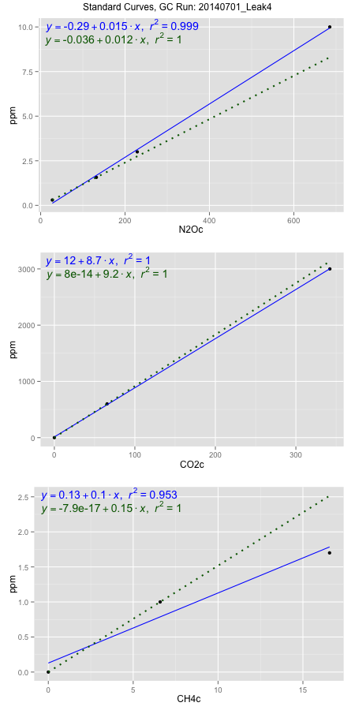
NoPressureCount
NoPressureCount
0

ambinfoDF
Labels | ambNinfo | ambCinfo | ambCHinfo | GCrun
Amb1 | 26.9184 | 55.7188 | 9.791 | 20140701_Leak4
Amb2 | 27.325 | 60.4468 | 10.6004 | 20140701_Leak4
Amb3 | 27.1326 | 66.5372 | 10.414 | 20140701_Leak4
Amb4 | 27.3354 | 63.2906 | 10.4646 | 20140701_Leak4
Mean | 27.17785 | 61.49835 | 10.3175 | 20140701_Leak4
Std | 0.19650020356 | 4.5866154911 | 0.35971531336 | 20140701_Leak4
Count | 4 | 4 | 4 | 20140701_Leak4
CV | 0.0072301599855 | 0.074581114633 | 0.034864580893 | 20140701_Leak4

timezeroDF
timezeroLabs | timezeroNinfo | timezeroCinfo | timezeroCHinfo | GCrun
time zero mean |  |  |  | 20140701_Leak4
time zero sd |  |  |  | 20140701_Leak4
time zero CV |  |  |  | 20140701_Leak4
time zero sd allow | 2 | 2 | 2 | 20140701_Leak4
time zero upper limit |  |  |  | 20140701_Leak4
time zero lower limit |  |  |  | 20140701_Leak4

standardvialsN2O
N2Oc | ppm
27.7234125 | 0.301
131.9978625 | 1.57
228.9895125 | 3
685.1088125 | 10

standardvialsCO2
CO2c | ppm
65.5062875 | 600
0 | 0
342.1959875 | 3000

standardvialsCH4
CH4c | ppm
0 | 0
6.588775 | 1
16.570075 | 1.7

StandardCurveInfo_lmN2Ohigh
lmN2Ohigh_intercept | lmN2Ohigh_slope | lmN2Ohigh_cor | lmN2Ohigh_pearsonsR2
-0.29360230457 | 0.01494236948 | 0.99943170654 | 0.99886373604

StandardCurveInfo_lmN2Olow
lmN2Olow_intercept | lmN2Olow_slope | lmN2Olow_cor | lmN2Olow_pearsonsR2
-0.03638859771 | 0.012169807657 | 1 | 1

StandardCurveInfo_lmCO2high
lmCO2high_intercept | lmCO2high_slope | lmCO2high_cor | lmCO2high_pearsonsR2
12.298877297 | 8.739473843 | 0.99996119923 | 0.99992239996

StandardCurveInfo_lmCO2low
lmCO2low_intercept | lmCO2low_slope | lmCO2low_cor | lmCO2low_pearsonsR2
8.0388733885E-14 | 9.1594261085 | 1 | 1

StandardCurveInfo_lmCH4high
lmCH4high_intercept | lmCH4high_slope | lmCH4high_cor | lmCH4high_pearsonsR2
0.12832960107 | 0.099962269145 | 0.97607290021 | 0.95271830652

StandardCurveInfo_lmCH4low
lmCH4low_intercept | lmCH4low_slope | lmCH4low_cor | lmCH4low_pearsonsR2
-7.8504622934E-17 | 0.15177328107 | 1 | 1

