GCRunSummaryInfo
GCRun
GCRun
20140806_Leak8

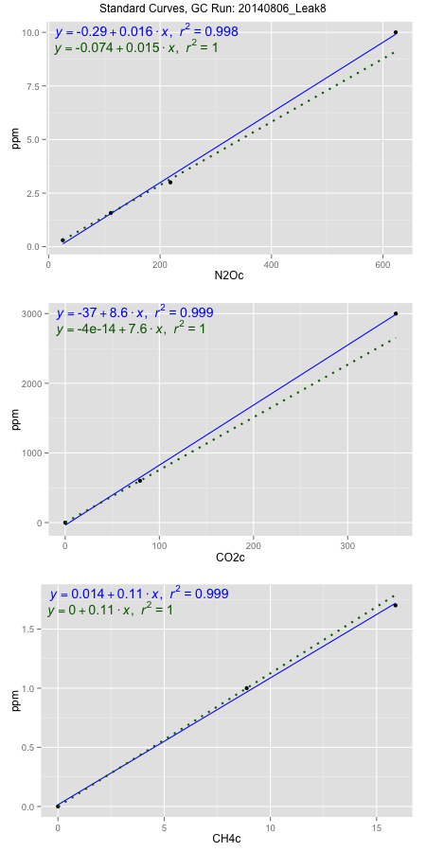
NoPressureCount
NoPressureCount
0

ambinfoDF
Labels | ambNinfo | ambCinfo | ambCHinfo | GCrun
Amb1 | 24.4564 | 66.9358 | 11.8928 | 20140806_Leak8
Amb2 | 24.655 | 76.1628 | 14.2232 | 20140806_Leak8
Amb3 | 24.6732 | 69.6688 | 12.6054 | 20140806_Leak8
Amb4 | 25.024 | 56.1576 | 10.95 | 20140806_Leak8
Mean | 24.70215 | 67.23125 | 12.41785 | 20140806_Leak8
Std | 0.23596730706 | 8.3352114636 | 1.3813911768 | 20140806_Leak8
Count | 4 | 4 | 4 | 20140806_Leak8
CV | 0.0095525007766 | 0.12397823131 | 0.11124237906 | 20140806_Leak8

timezeroDF
timezeroLabs | timezeroNinfo | timezeroCinfo | timezeroCHinfo | GCrun
time zero mean |  |  |  | 20140806_Leak8
time zero sd |  |  |  | 20140806_Leak8
time zero CV |  |  |  | 20140806_Leak8
time zero sd allow | 2 | 2 | 2 | 20140806_Leak8
time zero upper limit |  |  |  | 20140806_Leak8
time zero lower limit |  |  |  | 20140806_Leak8

standardvialsN2O
N2Oc | ppm
25.4683875 | 0.301
111.5823875 | 1.57
218.5157875 | 3
622.9138375 | 10

standardvialsCO2
CO2c | ppm
79.3992625 | 600
0 | 0
351.1126625 | 3000

standardvialsCH4
CH4c | ppm
0 | 0
8.8834625 | 1
15.8880125 | 1.7

StandardCurveInfo_lmN2Ohigh
lmN2Ohigh_intercept | lmN2Ohigh_slope | lmN2Ohigh_cor | lmN2Ohigh_pearsonsR2
-0.28673341484 | 0.016370214119 | 0.99891146223 | 0.99782410937

StandardCurveInfo_lmN2Olow
lmN2Olow_intercept | lmN2Olow_slope | lmN2Olow_cor | lmN2Olow_pearsonsR2
-0.07430928464 | 0.014736279815 | 1 | 1

StandardCurveInfo_lmCO2high
lmCO2high_intercept | lmCO2high_slope | lmCO2high_cor | lmCO2high_pearsonsR2
-36.774145761 | 8.6183964295 | 0.99963029059 | 0.99926071787

StandardCurveInfo_lmCO2low
lmCO2low_intercept | lmCO2low_slope | lmCO2low_cor | lmCO2low_pearsonsR2
-4.0194366942E-14 | 7.5567452531 | 1 | 1

StandardCurveInfo_lmCH4high
lmCH4high_intercept | lmCH4high_slope | lmCH4high_cor | lmCH4high_pearsonsR2
0.014475122511 | 0.10724329627 | 0.99944349084 | 0.99888729138

StandardCurveInfo_lmCH4low
lmCH4low_intercept | lmCH4low_slope | lmCH4low_cor | lmCH4low_pearsonsR2
0 | 0.11256871969 | 1 | 1

