GCRunSummaryInfo
GCRun
GCRun
20140905_Leak12

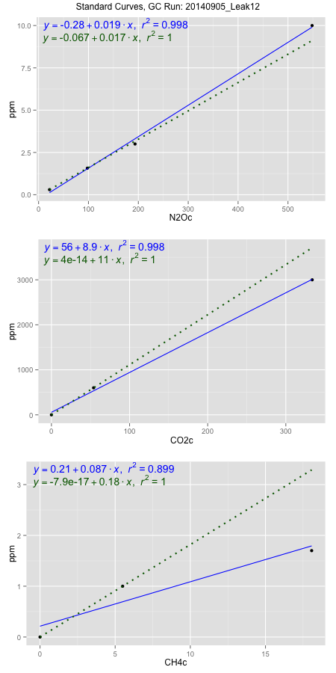
NoPressureCount
NoPressureCount
0

ambinfoDF
Labels | ambNinfo | ambCinfo | ambCHinfo | GCrun
Amb1 | 23.316 | 75.2464 | 11.7148 | 20140905_Leak12
Amb2 | 22.9436 | 78.3718 | 11.9248 | 20140905_Leak12
Amb3 | 23.2808 | 80.692 | 11.1624 | 20140905_Leak12
Amb4 | 23.1956 | 66.994 | 11.049 | 20140905_Leak12
Mean | 23.184 | 75.32605 | 11.46275 | 20140905_Leak12
Std | 0.16804856441 | 5.9860786772 | 0.4236423767 | 20140905_Leak12
Count | 4 | 4 | 4 | 20140905_Leak12
CV | 0.0072484715497 | 0.079468904545 | 0.036958179904 | 20140905_Leak12

timezeroDF
timezeroLabs | timezeroNinfo | timezeroCinfo | timezeroCHinfo | GCrun
time zero mean |  |  |  | 20140905_Leak12
time zero sd |  |  |  | 20140905_Leak12
time zero CV |  |  |  | 20140905_Leak12
time zero sd allow | 2 | 2 | 2 | 20140905_Leak12
time zero upper limit |  |  |  | 20140905_Leak12
time zero lower limit |  |  |  | 20140905_Leak12

standardvialsN2O
N2Oc | ppm
21.9646 | 0.301
97.7683 | 1.57
193.3974 | 3
548.4227 | 10

standardvialsCO2
CO2c | ppm
53.9427125 | 600
0 | 0
333.7764625 | 3000

standardvialsCH4
CH4c | ppm
0 | 0
5.4960375 | 1
18.0736375 | 1.7

StandardCurveInfo_lmN2Ohigh
lmN2Ohigh_intercept | lmN2Ohigh_slope | lmN2Ohigh_cor | lmN2Ohigh_pearsonsR2
-0.2836163252 | 0.01857745873 | 0.99877948517 | 0.99756046001

StandardCurveInfo_lmN2Olow
lmN2Olow_intercept | lmN2Olow_slope | lmN2Olow_cor | lmN2Olow_pearsonsR2
-0.066700750755 | 0.016740607648 | 1 | 1

StandardCurveInfo_lmCO2high
lmCO2high_intercept | lmCO2high_slope | lmCO2high_cor | lmCO2high_pearsonsR2
55.840427346 | 8.8530022225 | 0.99923877809 | 0.99847813563

StandardCurveInfo_lmCO2low
lmCO2low_intercept | lmCO2low_slope | lmCO2low_cor | lmCO2low_pearsonsR2
4.0194366942E-14 | 11.122911181 | 1 | 1

StandardCurveInfo_lmCH4high
lmCH4high_intercept | lmCH4high_slope | lmCH4high_cor | lmCH4high_pearsonsR2
0.21319341421 | 0.08741825067 | 0.94796755088 | 0.89864247752

StandardCurveInfo_lmCH4low
lmCH4low_intercept | lmCH4low_slope | lmCH4low_cor | lmCH4low_pearsonsR2
-7.8504622934E-17 | 0.181949268 | 1 | 1

