GCRunSummaryInfo
GCRun
GCRun
20140311_X

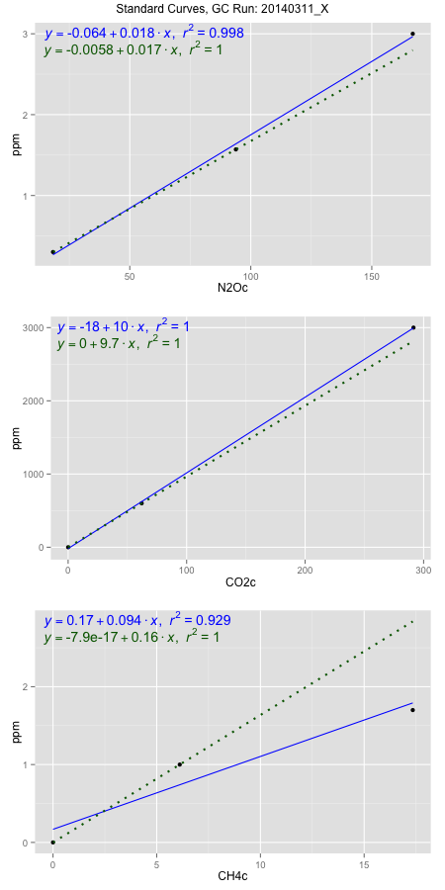
NoPressureCount
NoPressureCount
0

ambinfoDF
Labels | ambNinfo | ambCinfo | ambCHinfo | GCrun
Amb1 | 19.6684 | 59.5226 | 11.1484 | 20140311_X
Amb2 | 20.0146 | 53.66 | 11.0216 | 20140311_X
Amb3 | 19.8932 | 48.181 | 10.8768 | 20140311_X
Amb4 | 19.57 | 55.8672 | 11.176 | 20140311_X
Mean | 19.78655 | 54.3077 | 11.0557 | 20140311_X
Std | 0.20349803439 | 4.7463386043 | 0.13691043301 | 20140311_X
Count | 4 | 4 | 4 | 20140311_X
CV | 0.010284664805 | 0.087397157388 | 0.012383696465 | 20140311_X

timezeroDF
timezeroLabs | timezeroNinfo | timezeroCinfo | timezeroCHinfo | GCrun
F2-A-25-T0 | 0.2969094471 | 514.95395359 | 1.2489254882 | 20140311_X
F2-C-25-T0 | 0.35806203744 | 551.82427236 | 1.2875782591 | 20140311_X
F2-B-25-T0 | 0.32924597301 | 391.42349682 | 1.2152189618 | 20140311_X
M3-D-25-T0 | 0.33709795385 | 422.58189396 | 1.2602265102 | 20140311_X
M3-E-25-T0 | 0.33406530257 | 518.48668237 | 1.2900677596 | 20140311_X
M3-A-25-T0 | 0.32381541141 | 485.54838549 | 1.2317282808 | 20140311_X
M3-B-25-T0 | 0.35016891598 | 466.21989239 | 1.3137507709 | 20140311_X
M3-C-25-T0 | 0.3211941663 | 426.10785506 | 1.1885551012 | 20140311_X
SM-D-24-T0 | 0.34621941663 | 382.83531134 | 1.2202962325 | 20140311_X
SM-E-24-T0 | 0.361788202 | 498.7352093 | 1.2555095619 | 20140311_X
SM-A-24-T0 | 0.28102916848 | 436.19169775 | 1.1308379976 | 20140311_X
SM-B-24-T0 | 0.34242272529 | 469.98948995 | 1.2485651658 | 20140311_X
SM-C-24-T0 | 0.33527601219 | 493.79818699 | 1.2771616649 | 20140311_X
M3-D-21-T0 | 0.33263713539 | 463.587265 | 1.348112429 | 20140311_X
M3-E-21-T0 | 0.33803243361 | 506.84288953 | 1.3506674427 | 20140311_X
M3-A-21-T0 | 0.31629843274 | 526.96658498 | 1.2922952074 | 20140311_X
M3-B-21-T0 | 0.31689203309 | 428.54421974 | 1.2798804615 | 20140311_X
M3-C-21-T0 | 0.32540814105 | 524.6655739 | 1.2711672098 | 20140311_X
F2-D-20-T0 | 0.31408271659 | 494.99606629 | 1.2838767649 | 20140311_X
F2-E-20-T0 | 0.31412973444 | 666.19221563 | 1.345590172 | 20140311_X
F2-A-20-T0 | 0.28003591641 | 588.84348009 | 1.1743387431 | 20140311_X
F2-B-20-T0 | 0.28117022203 | 484.80394072 | 1.1791867177 | 20140311_X
F2-C-20-T0 | 0.28663604702 | 1054.8370304 | 1.2107640661 | 20140311_X
time zero mean | 0.32272250194 | 512.99893885 | 1.2567087378 | 20140311_X
time zero sd | 0.02414612548 | 133.84595507 | 0.057515564357 | 20140311_X
time zero CV | 0.074820086405 | 0.26090883417 | 0.045766821403 | 20140311_X
time zero sd allow | 2 | 2 | 2 | 20140311_X
time zero upper limit | 0.3710147529 | 780.69084899 | 1.3717398665 | 20140311_X
time zero lower limit | 0.27443025098 | 245.30702872 | 1.1416776091 | 20140311_X

standardvialsN2O
N2Oc | ppm
18.2714875 | 0.301
93.8427875 | 1.57
166.9423875 | 3

standardvialsCO2
CO2c | ppm
62.059675 | 600
0 | 0
291.445825 | 3000

standardvialsCH4
CH4c | ppm
0 | 0
6.110725 | 1
17.344325 | 1.7

StandardCurveInfo_lmN2Ohigh
lmN2Ohigh_intercept | lmN2Ohigh_slope | lmN2Ohigh_cor | lmN2Ohigh_pearsonsR2
-0.064302279969 | 0.018146518325 | 0.99903107096 | 0.99806308075

StandardCurveInfo_lmN2Olow
lmN2Olow_intercept | lmN2Olow_slope | lmN2Olow_cor | lmN2Olow_pearsonsR2
-0.0058164453635 | 0.01679208906 | 1 | 1

StandardCurveInfo_lmCO2high
lmCO2high_intercept | lmCO2high_slope | lmCO2high_cor | lmCO2high_pearsonsR2
-18.348821769 | 10.339433093 | 0.99991023205 | 0.99982047216

StandardCurveInfo_lmCO2low
lmCO2low_intercept | lmCO2low_slope | lmCO2low_cor | lmCO2low_pearsonsR2
0 | 9.6681137953 | 1 | 1

StandardCurveInfo_lmCH4high
lmCH4high_intercept | lmCH4high_slope | lmCH4high_cor | lmCH4high_pearsonsR2
0.16827871417 | 0.093590244211 | 0.96365390339 | 0.92862884551

StandardCurveInfo_lmCH4low
lmCH4low_intercept | lmCH4low_slope | lmCH4low_cor | lmCH4low_pearsonsR2
-7.8504622934E-17 | 0.16364670313 | 1 | 1

