File Overview
NOTE: Use of this file is restricted to organizations that have acquired licensed rights to the Value Reporting Foundation's IP and copyrighted material
SASB Codified Standards Data Files Guidance
Overview
This guidance is for licensing organizations to help them understand how SASB data files are organized
Data Hierarchy
When reviewing the standards, keep the following data hierarchy in mind:
• Sector
• Industry
• Sustainability Dimension
• General Issue Category (aka Materiality Map category)
• Disclosure Topic
• Accounting Metric
• Sub Metric
• Note (Accounting Metric Note)
• Accounting Metric Note Guidance
• Technical Protocol
• Accounting Metric Definitions
• Additional References/
• Technical Protocol
• Bullet
• Footnote
• Activity Metric
• Sub Activity Metric
• Note
For a glossary/explanation of what each element in the data hierarchy means and what information is captured with each element, see SASB Data Glossary below.
The relationship between General Issue Categories (i.e. Materiality Map categories), Disclosure Topics, Accounting Metrics, and Activity Metrics is nuanced so we’re providing additional detail here.
General Issue Categories are industry-agnostic (like Product Quality & Safety). The Disclosure Topics are specific to an industry (like Drug Safety in Biotechnology & Pharmaceuticals). The General Issue Categories help you compare one industry to another, while the topics help investors and companies understand what a company should be managing, based on its industry. The relationship between Disclosure Topics and General Issue Categories is 1:1 (most common) or many:1.
Accounting Metrics are KPIs that encompass data about how well a company is managing its performance on a topic that is likely to be material to companies in the industry
Activity Metrics are high-level business data that may assist in the accurate evaluation and comparability of disclosure by being used for normalization. An example of an Activity Metric is:
Number of (1) Tier 1 suppliers and (2) suppliers beyond Tier 1.
There are usually 2-4 Activity Metrics in each industry.
In Figures 1 and 2 below, you can see the relationship between a General Issue Category (which is consistent from the Biotechnology & Pharmaceuticals industry to the Education industry) and a Disclosure Topic (which is an industry-specific version of the General Issue Category).
Figure 1
Figure 2
Accounting Metrics can be composed of one or more Sub-Metrics. Sub-Metrics can be thought of as deconstructed or broken-down Accounting Metrics. This occurs when Accounting Metrics have more than one component. For example, in Figure 1, the Biotechnology & Pharmaceuticals Industry has the following Accounting Metric: (1) Debt-to-annual earnings rate and (2) debt-to-discretionary income rate. This Accounting Metric contains 2 Sub-Metrics. Figure 3 demonstrates the breakdown of an Accounting Metric into its Sub-Metrics. Note: If an Accounting Metric has one component, then it has one Sub-Metric.
Figure 3
SASB Data Glossary
The data elements below represent the column headings in the SASB Standards sample files. Depending on the sample file you’ve requested (Level I, Level II, or Level III), the file may not include all the data elements below.
Sector*: Name of each SICSTM Sector (11 total)
Sector Code: Unique identification code specific for each SICSTM Sector (11 total)
Industry*: Name of each SICSTM Industry (77 total)
Industry Code*: Unique identification code specific for each SICSTM Industry (77 total)
Industry Description*: A few sentences describing the scope of the industry and the types of companies within it. The description answers questions such as: What do the companies do? What are the key activities in the industry? Who are the typical customers? What is the business model? Where do the companies operate? What are key industry or market trends in the industry?
Disclosure Topic*: Name of each industry-specific Disclosure Topic (444 total, 195 unique). Every Disclosure Topic includes one or more accounting metrics intended to provide insight on how a company is managing performance on that topic
Disclosure Topic Code: Unique identification code, determined by Sector, Industry, and General Issue Category (444 total)
Disclosure Topic Description*: A few sentences describing the scope of the Disclosure Topic and how it relates to the activities of companies in the industry. The description explains why the issue is a sustainability issue, why it is likely to be material to companies in the industry, and how the topic impacts company value.
Sustainability Dimension: Name of one of the five dimensions identified on the SASB Materiality Map: Environment; Social Capital; Human Capital; Business Model & Innovation; Leadership & Governance. All the General Issue Categories (aka Materiality Map Categories) are assigned to one Sustainability Dimension. As discussed in “Data Hierarchy” above, Disclosure Topics have a 1:1 or Many:1 relationship with General Issue Categories. It follows that Disclosure Topics have a Many:1 relationship with Sustainability Dimensions. The Sustainability Dimensions assigned to a Disclosure Topic are identified in unique rows in the “Topics – MM” sheet in the SASB Data Files.
General Issue Category (G.I.C.): The name of one of 26 sustainability issues that enable comparisons from one industry to another because the Disclosure Topics are industry-specific and may have different names in different industries for the same General Issue Category (see Figures 1 and 2 above)
Accounting Metric*: Key performance indicator specific to Disclosure Topic
Accounting Metric Code*: Unique identification code specific, determined by Sector, Industry, General Issue Category, and Disclosure Topic
Accounting Metric Category*: Type of metric; either quantitative, or discussion & analysis
Accounting Metric Unit of Measure*: Unit of measure of each key performance indicator
Accounting Metric Note*: Provides qualitative context for Accounting Metrics. Notes are a required component of disclosure on the metric; typically associated with quantitative metrics
Accounting Metric Note Disclosure*: Clarification of Accounting Metric Note
Accounting Metric Definitions*: Provided definitions for any ambiguous/confusing words
Additional References*: Supporting evidence references
Disclosure Note*: Each provides information about definitions, scope, accounting guidance, compilation, and presentation
Sub-Metric: Data point within Accounting Metric
Sub-Metric Code: Unique identification code, determined by Sector, Industry, General Issue Category, Disclosure Topic, and Metric
Sub-Metric Category: Type of Sub-Metric; includes quantitative or discussion & analysis
Sub-Metric Unit of Measure: Unit of measure of each key performance indicator
Metric Note Guidance*: Provides qualitative context for Accounting Metric that is a required component of disclosure on the metric; typically associated with quantitative metrics
Technical Protocol*: Provides information on definitions, scope, accounting guidance, compilation, and presentation designed to meet specific attributes (for more information, see Technical Protocol definition in SASB's Conceptual Framework)
Technical Protocol Code: Unique identification code; categorized by Disclosure Topic, Industry and Sector
TP Footnote: Provides definition or reference within Technical Protocol
Technical Protocol Bullet Point: subsection of Technical Protocol that continues guidance on accounting metric
Activity Metric*: Basic business data that may assist in the accurate evaluation and comparability of disclosure (i.e. data that enables normalization). This data may include high-level business data such as total number of employees, quantity of products produced or services provided, number of facilities, or number of customers. It may also include industry-specific data such as plant capacity utilization (e.g., for specialty chemical companies), number of transactions (e.g., for Internet media and services companies), or hospital bed days (e.g., for health care delivery companies).
Activity Metric Code*: Unique identification code, determined by Sector and Industry
Activity Metric Category*: Type of Activity Metric; always quantitative.
Activity Metric Unit of Measure*: Unit of measure of each data point.
Activity Metric Note*: Provides information on definitions, scope, accounting guidance, compilation, or presentation of activity metric for normalization
Sub-Activity Metric: Data point within Activity Metric
Sub-Activity Metric Code: Unique identification code, determined by Sector, Industry, and Activity Metric.
Sub-Activity Metric Category: Type of Sub-Activity Metric; always quantitative.
Sub-Activity Metric Unit of Measure: Unit of measure of each data point.
*Indicates that this data element appears in the PDF version of the SASB Codified standards if you are referencing the PDFs.
Appendix A. SASB Universe of Sustainability Issues (aka General Issue Categories)
This list of sustainability factors is filtered down through the standards-setting process to identify those issues reasonably likely to have material impacts on companies in an industry.
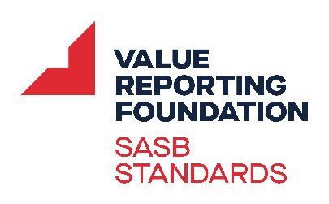

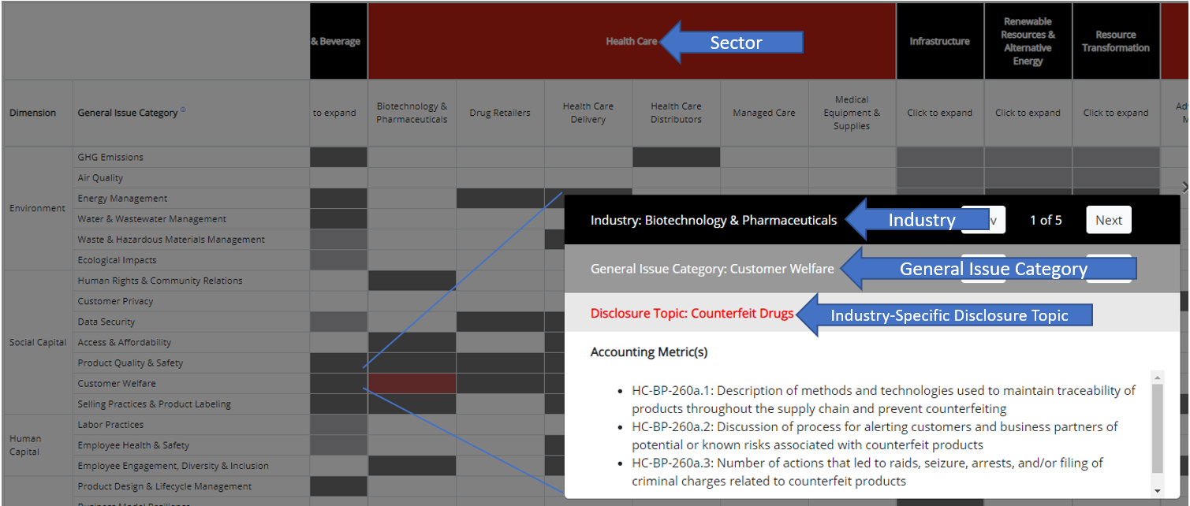

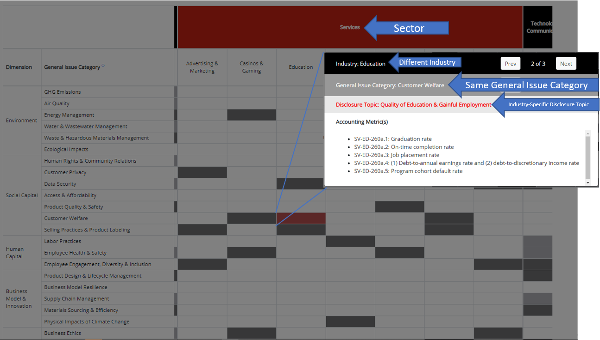

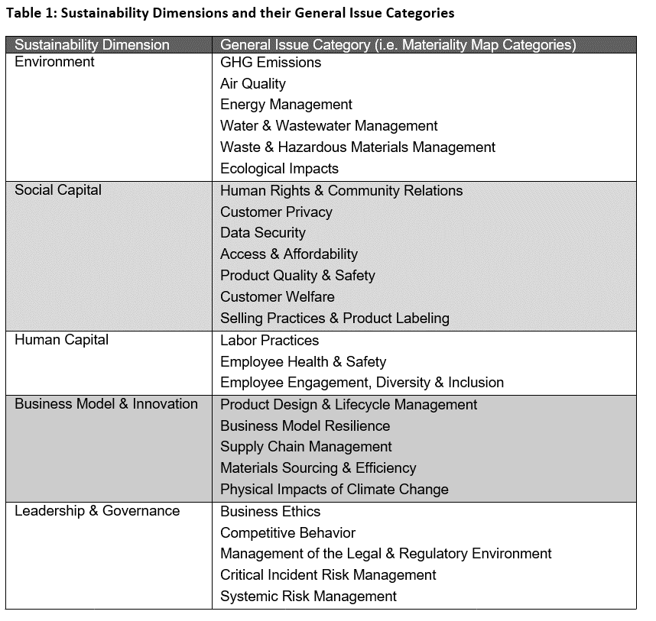

NOTE: Use of this file is restricted to organizations that have acquired licensed rights to SASB's IP and copyrighted material

