Categorical
Features | Classes | n=300 |  | Chi Square/Mannwhitneyu Test |  | Odds Ratio Test | Confidence Interval
 |  | Headache (f=210) | No Headache (f=90) | Chi Square/MannW Stat | p value |  | Lower Bound | Upper Bound
Gender | Female | 182 (86.67%) | 63 (70.0%) | 10.601643255 | 0.0011298719708 | 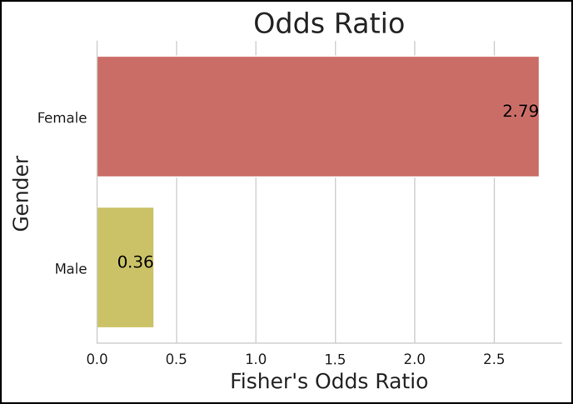 | 0.24831398032 | 0.96501935302
 | Male | 28 (13.33%) | 27 (30.0%) |  |  |  | -0.12006815032 | 0.30673481699
Area | ICU | 43 (20.48%) | 16 (17.78%) | 0.14467563522 | 0.70367634341 | 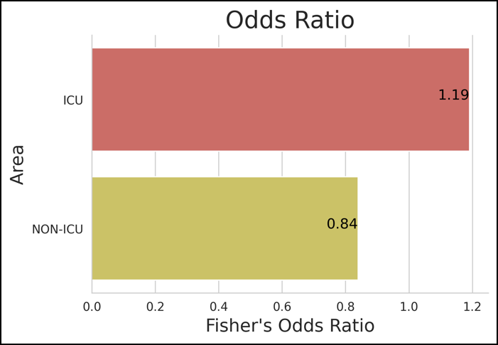 | -0.11372681645 | 0.40039348312
 | NON-ICU | 167 (79.52%) | 74 (82.22%) |  |  |  | 0.19223339251 | 0.92109994083
Domiciliary | Hostel | 24 (11.43%) | 13 (14.44%) | 1.3320803797 | 0.72152973406 | 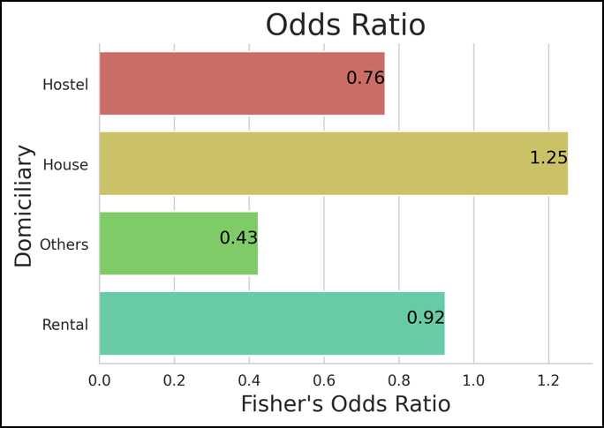 | 0.030152961099 | 0.1298470389
 | House | 98 (46.67%) | 37 (41.11%) |  |  |  | 0.24049431891 | 0.41283901442
 | Others | 1 (0.48%) | 1 (1.11%) |  |  |  | -0.0072571260022 | 0.013923792669
 | Rental | 87 (41.43%) | 39 (43.33%) |  |  |  | 0.20662638532 | 0.37337361468
Religion | Christianity | 27 (12.86%) | 6 (6.67%) | 4.4671781333 | 0.21523667379 | 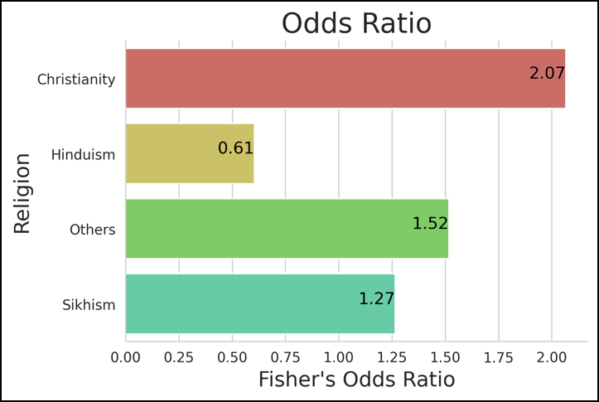 | 0.037417357382 | 0.14258264262
 | Hinduism | 115 (54.76%) | 60 (66.67%) |  |  |  | 0.29399990787 | 0.4726667588
 | Others | 7 (3.33%) | 2 (2.22%) |  |  |  | -0.0044038293035 | 0.05107049597
 | Sikhism | 61 (29.05%) | 22 (24.44%) |  |  |  | 0.12938250026 | 0.27728416641
MaritalStatus | Married | 138 (65.71%) | 58 (64.44%) | 0.33493339616 | 0.84580478374 | 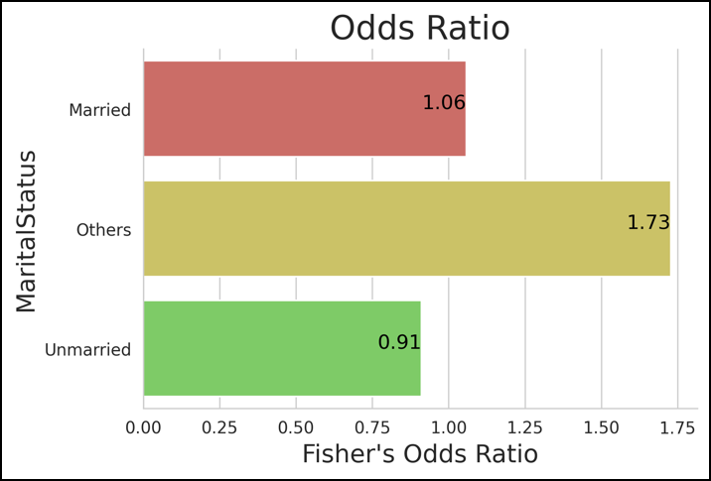 | 0.33619121442 | 0.58380878558
 | Others | 4 (1.9%) | 1 (1.11%) |  |  |  | -0.015159147474 | 0.041825814141
 | Unmarried | 68 (32.38%) | 31 (34.44%) |  |  |  | 0.12266199148 | 0.33067134185
GradeC | No | 36 (17.14%) | 10 (11.11%) | 1.3314911723 | 0.24854010987 | 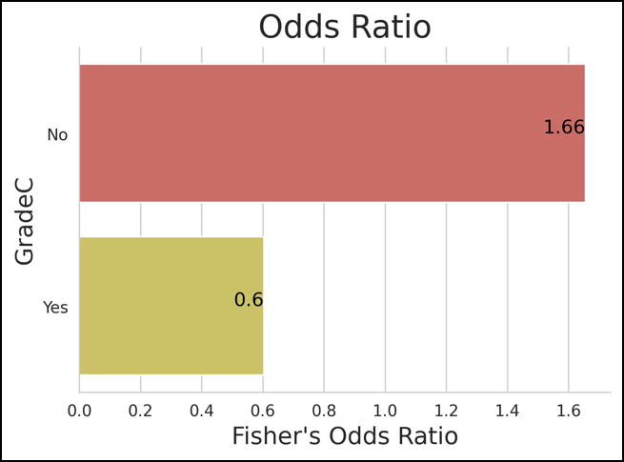 | -0.11838953177 | 0.35838953177
 | Yes | 174 (82.86%) | 80 (88.89%) |  |  |  | 0.21792889827 | 0.94207110173
Hectic | Evening | 7 (3.33%) | 5 (5.56%) | 6.3705528188 | 0.09490978306 | 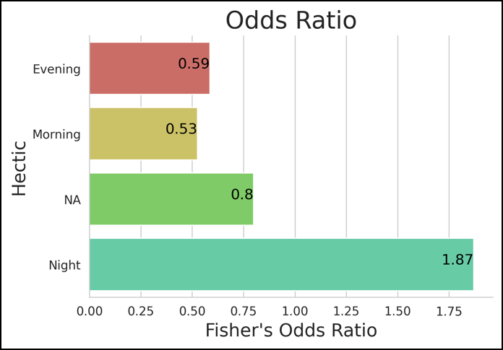 | -0.0044038293035 | 0.05107049597
 | Morning | 29 (13.81%) | 21 (23.33%) |  |  |  | 0.04237129039 | 0.15096204294
 | NA | 23 (10.95%) | 12 (13.33%) |  |  |  | 0.027780835295 | 0.12555249804
 | Night | 151 (71.9%) | 52 (57.78%) |  |  |  | 0.41146606334 | 0.59520060332
HistoryOfHeadache | No | 156 (74.29%) | 87 (96.67%) | 19.076497829 | 1.2558189889E-05 | 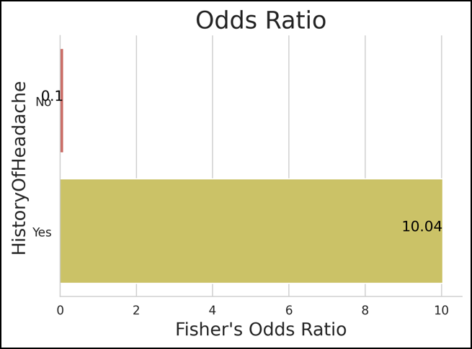 | 0.15349701845 | 0.88650298155
 | Yes | 54 (25.71%) | 3 (3.33%) |  |  |  | -0.10183725497 | 0.46183725497
PresentHealthCondition | Endocrine | 28 (13.33%) | 9 (10.0%) | 8.1178321178 | 0.14986011652 | 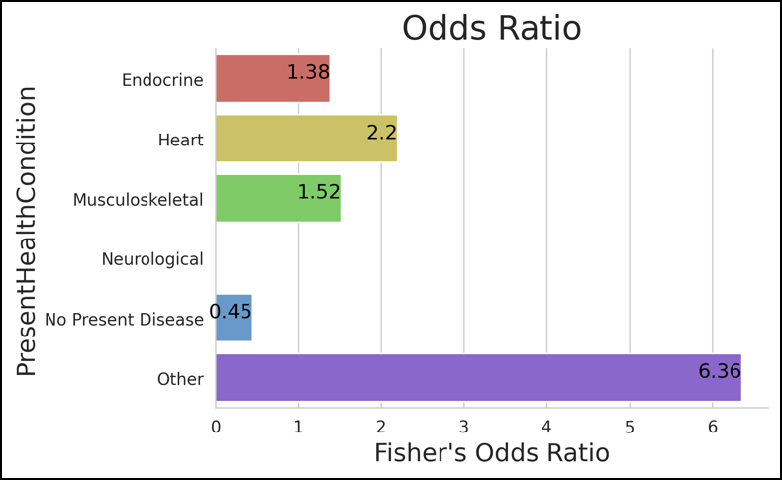 | 0.050160254576 | 0.13650641209
 | Heart | 10 (4.76%) | 2 (2.22%) |  |  |  | 0.0066924542477 | 0.059974212419
 | Musculoskeletal | 7 (3.33%) | 2 (2.22%) |  |  |  | 0.00092898157568 | 0.045737685091
 | Neurological | 2 (0.95%) | 0 (0.0%) |  |  |  | -0.0054107119785 | 0.018744045312
 | No Present Disease | 149 (70.95%) | 76 (84.44%) |  |  |  | 0.42246200995 | 0.57087132339
 | Other | 14 (6.67%) | 1 (1.11%) |  |  |  | 0.015362900783 | 0.07797043255
MedicalHistory | Covid | 3 (1.43%) | 1 (1.11%) | 6.7162306293 | 0.34788899666 | 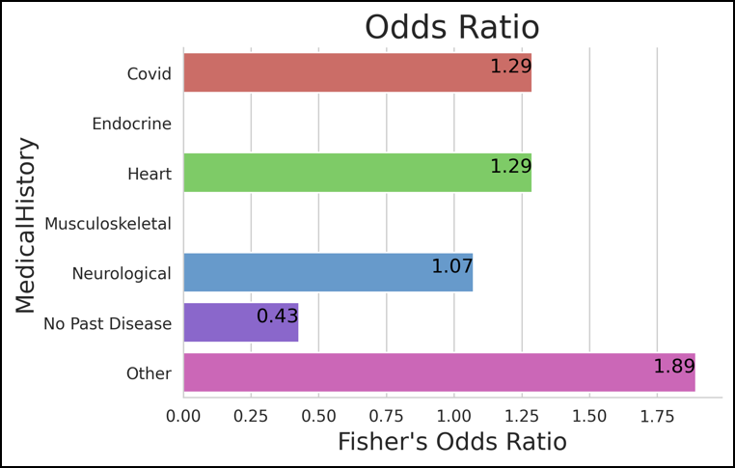 | -0.0040564384059 | 0.024056438406
 | Endocrine | 9 (4.29%) | 0 (0.0%) |  |  |  | 0.0059007131477 | 0.054099286852
 | Heart | 3 (1.43%) | 1 (1.11%) |  |  |  | -0.0040564384059 | 0.024056438406
 | Musculoskeletal | 2 (0.95%) | 0 (0.0%) |  |  |  | -0.004829672601 | 0.018163005934
 | Neurological | 5 (2.38%) | 2 (2.22%) |  |  |  | -0.0014189137915 | 0.034752247125
 | No Past Disease | 171 (81.43%) | 82 (91.11%) |  |  |  | 0.50005940023 | 0.63994059977
 | Other | 17 (8.1%) | 4 (4.44%) |  |  |  | 0.024003813367 | 0.089329519966
Age | 0-25 | 25 (11.9%) | 15 (16.67%) | 8286.5 | 0.045381346528 | 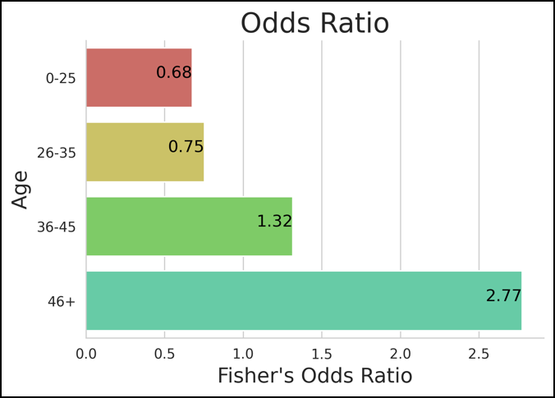 | 0.032550660639 | 0.13411600603
 | 26-35 | 109 (51.9%) | 53 (58.89%) |  |  |  | 0.27496246235 | 0.45170420432
 | 36-45 | 52 (24.76%) | 18 (20.0%) |  |  |  | 0.10378179901 | 0.24288486765
 | 46+ | 24 (11.43%) | 4 (4.44%) |  |  |  | 0.030152961099 | 0.1298470389
TotalExp | 0-10 Yrs | 121 (57.62%) | 59 (65.56%) | 7958 | 0.015038354256 | 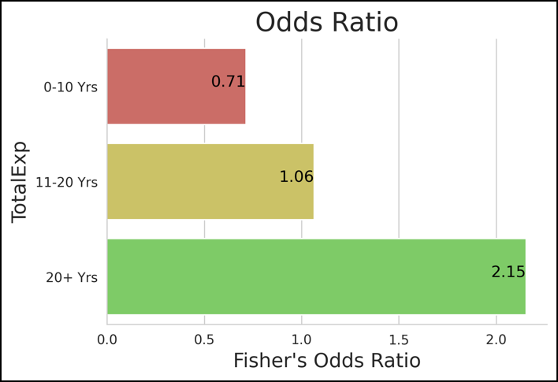 | 0.28146984269 | 0.52519682398
 | 11-20 Yrs | 61 (29.05%) | 25 (27.78%) |  |  |  | 0.10335214802 | 0.30331451865
 | 20+ Yrs | 28 (13.33%) | 6 (6.67%) |  |  |  | 0.021070018262 | 0.1655966484
PGIExp | 0-10 Yrs | 128 (60.95%) | 66 (73.33%) | 7677.5 | 0.0049674649144 | 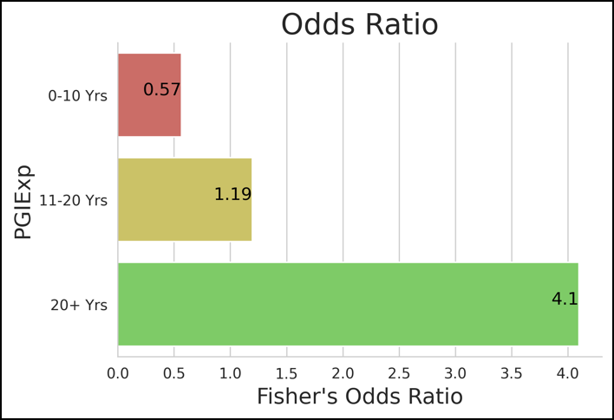 | 0.30380295771 | 0.54953037563
 | 11-20 Yrs | 56 (26.67%) | 21 (23.33%) |  |  |  | 0.089873802776 | 0.28345953056
 | 20+ Yrs | 26 (12.38%) | 3 (3.33%) |  |  |  | 0.016776452933 | 0.1565568804
NShiftPerMon | 0-3 Days | 47 (22.38%) | 23 (25.56%) | 9138.5 | 0.30945414835 | 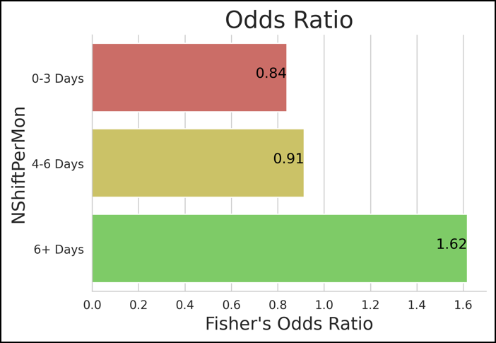 | 0.066371687368 | 0.24696164596
 | 4-6 Days | 131 (62.38%) | 58 (64.44%) |  |  |  | 0.31346022543 | 0.5598731079
 | 6+ Days | 32 (15.24%) | 9 (10.0%) |  |  |  | 0.02998407201 | 0.18334926132
NShiftGap | 0-10 Days | 85 (40.48%) | 44 (48.89%) | 8657.5 | 0.12060994339 | 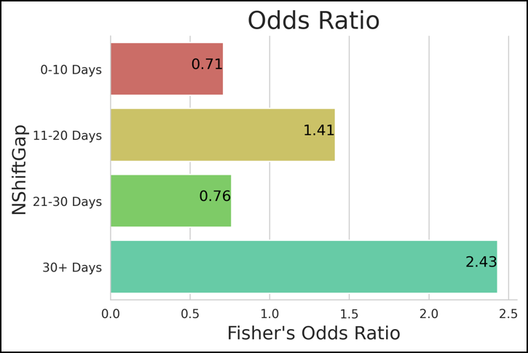 | 0.20053761172 | 0.36612905495
 | 11-20 Days | 92 (43.81%) | 32 (35.56%) |  |  |  | 0.22194299198 | 0.39139034135
 | 21-30 Days | 22 (10.48%) | 12 (13.33%) |  |  |  | 0.025435822845 | 0.12123084382
 | 30+ Days | 11 (5.24%) | 2 (2.22%) |  |  |  | 0.0021344492345 | 0.071198884099
NShiftAfterOff | 0 Day off/No Night Shifts | 7 (3.33%) | 6 (6.67%) | 8004.5 | 0.008154439816 | 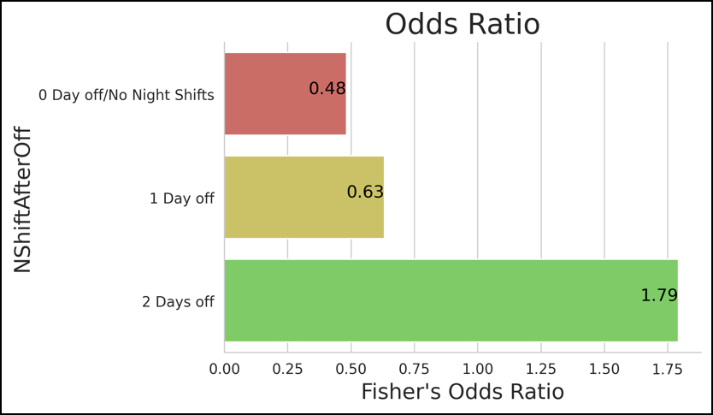 | -0.014167182651 | 0.060833849317
 | 1 Day off | 77 (36.67%) | 43 (47.78%) |  |  |  | 0.14816105305 | 0.36517228029
 | 2 Days off | 126 (60.0%) | 41 (45.56%) |  |  |  | 0.29739326993 | 0.54260673007
PerceivedStressScale | High Stress | 6 (2.86%) | 5 (5.56%) | 6990 | 0.00017213082598 | 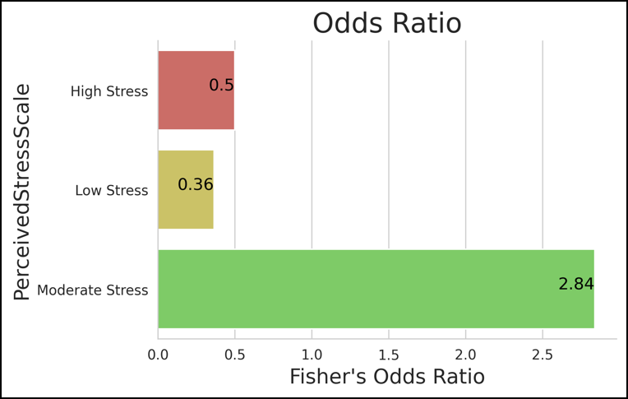 | -0.014777927966 | 0.054777927966
 | Low Stress | 31 (14.76%) | 29 (32.22%) |  |  |  | 0.02771773376 | 0.17894893291
 | Moderate Stress | 173 (82.38%) | 56 (62.22%) |  |  |  | 0.45392858668 | 0.69940474665
JenkinsSleepEvalScale | Altered Sleep Patterns | 31 (14.76%) | 10 (11.11%) | 5568 | 6.4036132578E-09 | 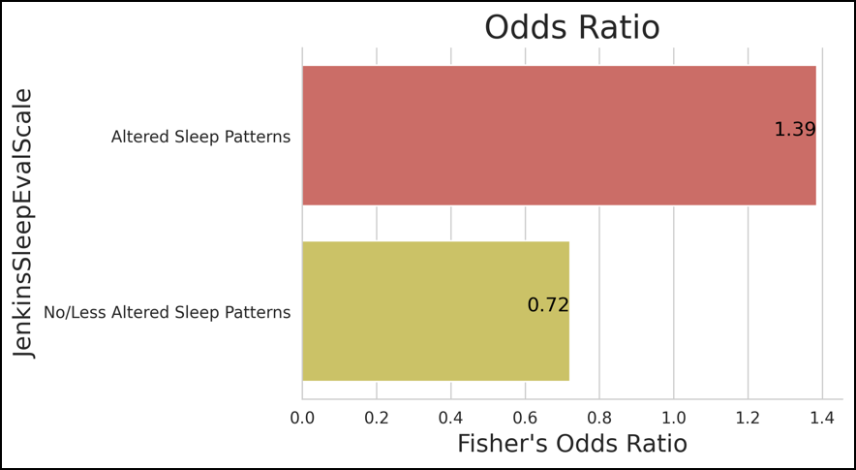 | -0.1199678136 | 0.32663448027
 | No/Less Altered Sleep Patterns | 179 (85.24%) | 80 (88.89%) |  |  |  | 0.23679043234 | 0.95654290099

