Sheet1
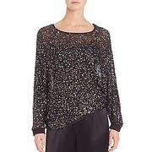
SAKS_0400089837103


CBK_030033010008058


BONTON_1081008

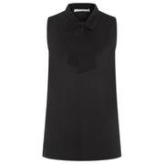
HBOSS_hbna50318507001


SAKS_0400089817386


CBK_030030500008196


BONTON_1048644

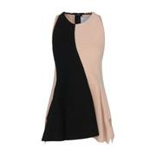
HBOSS_hbna50326301001

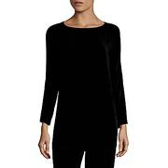
SAKS_0400091219411

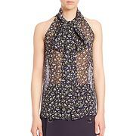
SAKS_0400090692479


SAKS_0400089895221


SAKS_0400088339007

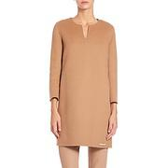
SAKS_0400090638687

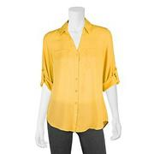
BONTON_1085204


SAKS_0400090957019

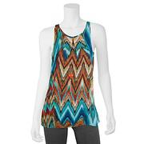
BONTON_1081921

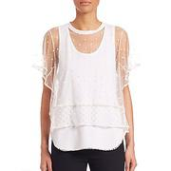
SAKS_0400089722300

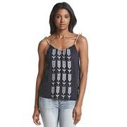
BONTON_1068558

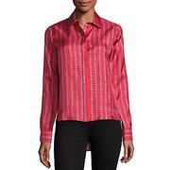
SAKS_0400090723206

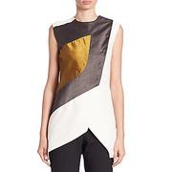
SAKS_0400090829046


SAKS_0400092049905

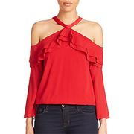
SAKS_0400090627853

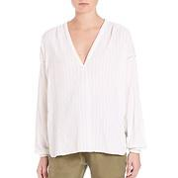
SAKS_0400089033303

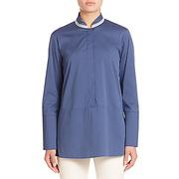
SAKS_0400090830394

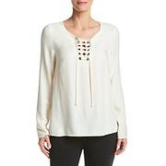
BONTON_1105349

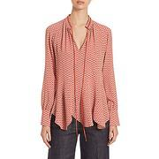
SAKS_0400089602718


SAKS_0400090380197

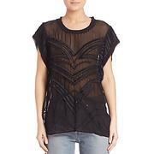
SAKS_0400089992412

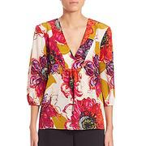
SAKS_0400090367643

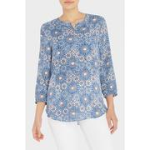
NYDJ_5174


SAKS_0400089794162


BONTON_1041888

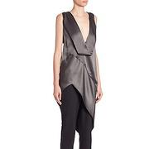
SAKS_0400090829158

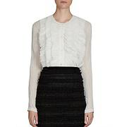
SAKS_0400090471758


TOMMY_WW14686


SAKS_0400090809551

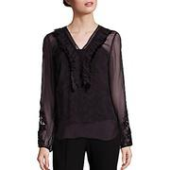
SAKS_0400090561314

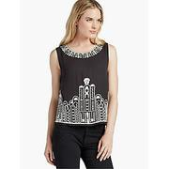
LUCKY_7W43159


BONTON_1029901

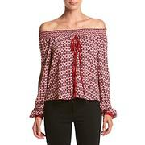
BONTON_1105399

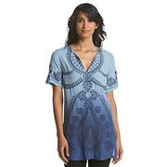
BONTON_1022774

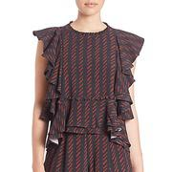
SAKS_0400090799504

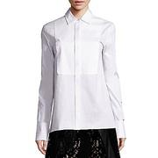
SAKS_0400090890447

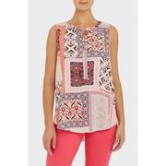
NYDJ_5237


SAKS_0400090703690


SAKS_0400091674532

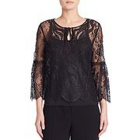
SAKS_0400090637153


LUCKY_7WD40354


SAKS_0400092021410


SAKS_0400089157788


SAKS_0400089717356


BONTON_1082410

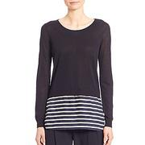
SAKS_0400089176043


SAKS_0400090152567

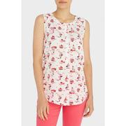
NYDJ_5142


BONTON_1105338


SAKS_0400090296624

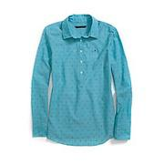
TOMMY_7673701

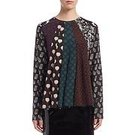
SAKS_0400090039588

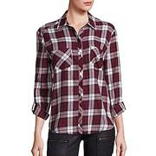
SAKS_0400091992087

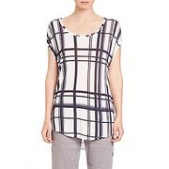
SAKS_0400089249907

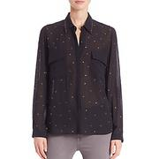
SAKS_0400090815306


BONTON_1063325


SAKS_0400091797081

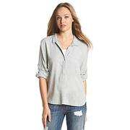
BONTON_963092

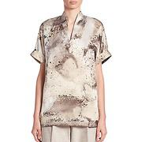
SAKS_0400091229458

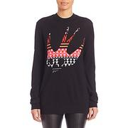
SAKS_0400090964666


SAKS_0400089718827

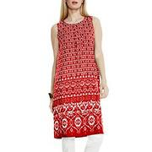
BONTON_1069948

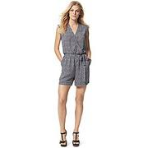
TOMMY_7670367

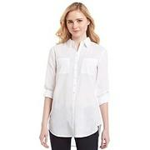
BONTON_1019955

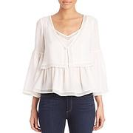
SAKS_0400090147826

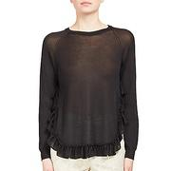
SAKS_0400090776864


KROV_KV-NSKI15288A-ING


BONTON_1057586

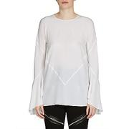
SAKS_0400090357894


SAKS_0400089876128


SAKS_0400089144142

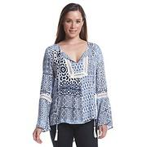
BONTON_1066778

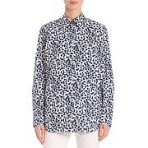
SAKS_0400090654287

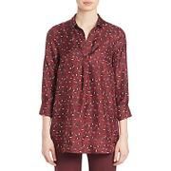
SAKS_0400089881806

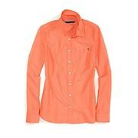
TOMMY_7663089


SAKS_0400089345575


SAKS_0400090300487


SAKS_0400090021794


SAKS_0400090919331


SAKS_0400090151080


SAKS_0400089794374


SAKS_0400088458468


SAKS_0400090756829


SAKS_0400089354030


BONTON_1081926


SAKS_0400090659829


SAKS_0400087312104


SAKS_0400090742084


BONTON_1046624


SAKS_0400092148996


SAKS_0400091787374


SAKS_0400090676602


SAKS_0400088615241


SAKS_0400090836524


SAKS_0400089895267


SAKS_0400091319854


SAKS_0400091216045


SAKS_0400089803524


BONTON_1091128


BONTON_1096859


SAKS_0400090382996


SAKS_0400090838422


SAKS_0400089963908


SAKS_0400090001767


SAKS_0400090851375


SAKS_0400090060828


LUCKY_7W42768


SAKS_0400089381174


SAKS_0400089455541


SAKS_0400090712948


BONTON_1083816


BONTON_935853


SAKS_0400092051415


SAKS_0400090737024


SAKS_0400090845633


SAKS_0437626857112


SAKS_0400088299305


SAKS_0400090379559


SAKS_0400089351826


SAKS_0400088896691


SAKS_0400090300041


SAKS_0400092036219


BONTON_1026902


SAKS_0400089935193


SAKS_0400091881190


SAKS_0400089939481


SAKS_0400090871203


SAKS_0400091993115


SAKS_0400090498126


BONTON_1117828


SAKS_0400089673253


SAKS_0400090917828


SAKS_0400090643306


BONTON_1051411


BONTON_1072952


BONTON_1099605


SAKS_0400092043401


SAKS_0400090814428


SAKS_0400089631579


SAKS_0400090345670


NYDJ_5098


SAKS_0400090836482


BONTON_1070852

