Sheet1
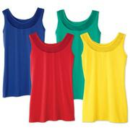
AVON_56100

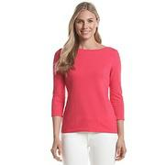
BONTON_1018997

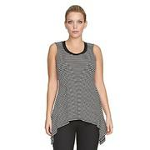
BONTON_1051905

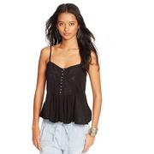
RALPH_95798456

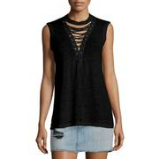
BDGM_prod120100091

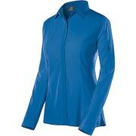
MOOSEJAW_10303456

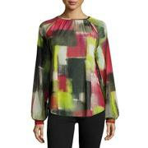
NEIMAN_prod188450134

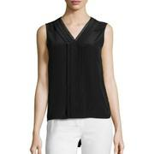
NEIMAN_prod190940729


RALPH_104288886

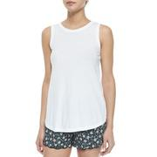
NEIMAN_prod177720151

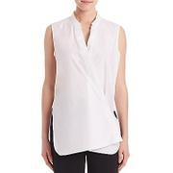
SAKS_0400089859265

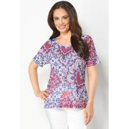
CBK_010013100002441

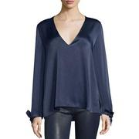
NEIMAN_prod191850253

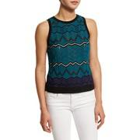
BDGM_prod113500060


BDGM_prod118190019

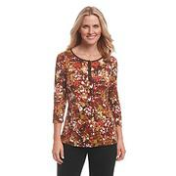
BONTON_975674

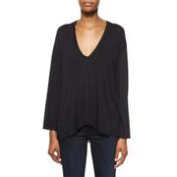
BDGM_prod111140061

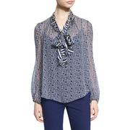
NEIMAN_prod190170126

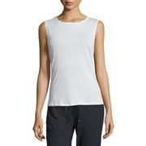
NEIMAN_prod188120332

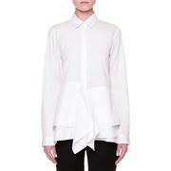
NEIMAN_prod189570637

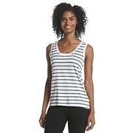
BONTON_1049245

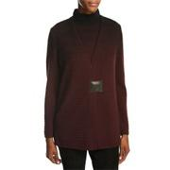
NEIMAN_prod192460024

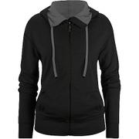
MOOSEJAW_10264970

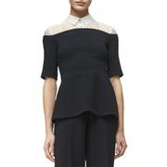
NEIMAN_prod189530400

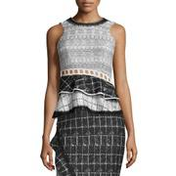
NEIMAN_prod189570488

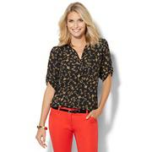
NYANDCO_01275527

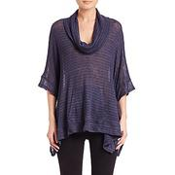
SAKS_0400089096121

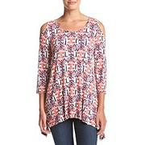
BONTON_1078091

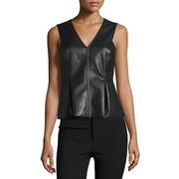
BDGM_prod121340053

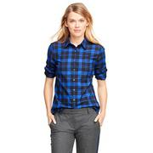
BROOKS_SV00036

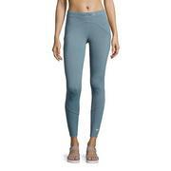

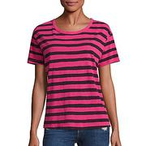
SAKS_0400092036286

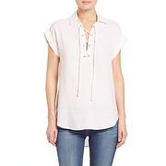
SAKS_0400090005992


RALPH_106628916

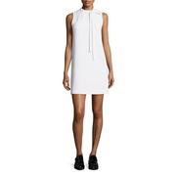
NEIMAN_prod180950516

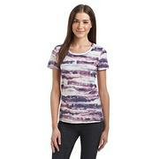
BONTON_1024850

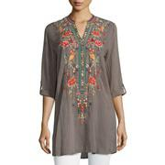
NEIMAN_prod190110041

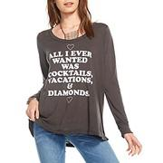
BONTON_1107629

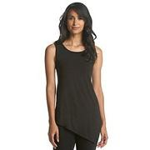
BONTON_1022776

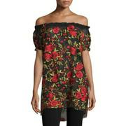
NEIMAN_prod189780436

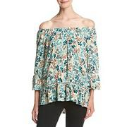
BONTON_1086922

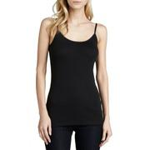
BDGM_prod90440035

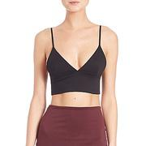
SAKS_0400089861281

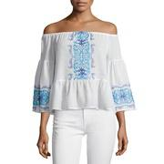
NEIMAN_prod188280029

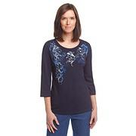
BONTON_1015767

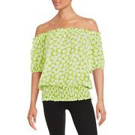
LAT_0500043395268

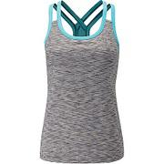
MOOSEJAW_10305891

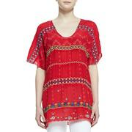
NEIMAN_prod190240075

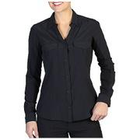
MOOSEJAW_10291860

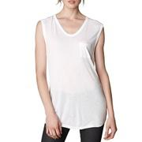
BDGM_prod72330123

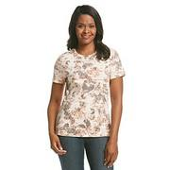
BONTON_993642

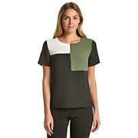
BONTON_1075280

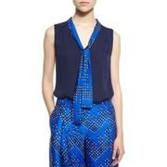
BDGM_prod118190094


BONTON_1015875


SAKS_0400090822548


NEIMAN_prod186920175


LUCKY_7W62744


BDGM_prod118490064


SAKS_0400090597799


BONTON_1065830


BDGM_prod120370044


NEIMAN_prod192400116


NEIMAN_prod190450181


NEIMAN_prod186520178


NEIMAN_prod192060065


LAT_0500044104271


BDGM_prod113540044


BONTON_1028302


BDGM_prod120680113


NEIMAN_prod189590082


SAKS_0400088996450


MOOSEJAW_10286815


BDGM_prod118640088


BONTON_1083753


SAKS_0415303796305


BDGM_prod119120163


NEIMAN_prod186700157


NEIMAN_prod171780186


NEIMAN_prod188610035


NEIMAN_prod157440324


BONTON_1092034


BONTON_1030963


BONTON_1050183


NEIMAN_prod189170310


MOOSEJAW_10283174


RALPH_108780806


SAKS_0400091937043


NEIMAN_prod191530126


NEIMAN_prod191510052


NEIMAN_prod191420056


BONTON_834221


BONTON_1066973


BONTON_1095858


RALPH_101696506


BDGM_prod120710122


RALPH_106628446


BONTON_1036922


BONTON_1114981


NEIMAN_prod186030048


BONTON_1114976


LUCKY_7WD60518


BONTON_902944


NEIMAN_prod187570218


MOOSEJAW_10288827


NEIMAN_prod186760303


BONTON_1070607


SAKS_0400089102792


BONTON_1081153


NYANDCO_02585126


BDGM_prod115200084


BDGM_prod120710263


LAT_0500084106129


MOOSEJAW_10291991


BONTON_1063118


BONTON_1090292


BONTON_1075583


SAKS_0400089457398


SAKS_0400090561510


NEIMAN_prod187240189


NEIMAN_prod191850367


NEIMAN_prod188170863


RALPH_98039026

NEIMAN_prod190240066


SAKS_0400091680076


SAKS_0434141637106


BDGM_prod120710188


MOOSEJAW_10300217


NEIMAN_prod186430053


SAKS_0400090513785


NEIMAN_prod191760019


AEGL_4373_4787


CBK_010013000002018


BEBE_274145


BONTON_1063215


BDGM_prod118530055


BDGM_prod121510050


NEIMAN_prod186520242


NEIMAN_prod188120393


BDGM_prod115630177


NEIMAN_prod192810042


NEIMAN_prod189140349


BDGM_prod122010072


NEIMAN_prod186540289


NEIMAN_prod191940203


BDGM_prod115630073


BONTON_1052603


NEIMAN_prod190820137


BDGM_prod119440083


BONTON_1078522


CBK_015015120006831


MOOSEJAW_10282981


BDGM_prod118090195


BONTON_1075623


SAKS_0400089128401


NEIMAN_prod189140423


BDGM_prod119880077


RALPH_101642016


BONTON_1066900


CBK_015015120006885


NEIMAN_prod188360070


BDGM_prod118630099


BONTON_1078004


MOOSEJAW_10256181


RALPH_106628546


NEIMAN_prod187250067


BDGM_prod118200091


NEIMAN_prod191940141


BONTON_1022834


TOMMY_7661456


RALPH_98008656


NEIMAN_prod185670227


NEIMAN_prod192070170


NEIMAN_prod176970062


BDGM_prod117240012




NEIMAN_prod183790093


BDGM_prod104650123


BONTON_1051229


MOOSEJAW_10296859


RALPH_95124366


NEIMAN_prod191120977


CBK_015016120006945


NEIMAN_prod189880003


SAKS_0400090648843


NEIMAN_prod184630321


BONTON_1094373


NEIMAN_prod192780188


BDGM_prod121220076


NEIMAN_prod186320221


BDGM_prod115790129


BEBE_243116


NEIMAN_prod190260319


BONTON_996315


NEIMAN_prod189270530


BONTON_902956


LAT_0500045722147


NEIMAN_prod192270051


BONTON_1117823


BROOKS_SN00025


NEIMAN_prod190610054

