PyAccy install
1. ubuntu20.04 install

2. install below list in terminal
 | Install List
 | > sudo apt install net-tools > sudo apt-get install ssh > sudo apt install smartmontools > sudo apt install python3-pip > sudo apt-get install python3-distutils > sludo pip3 install PyQt5 > sudo apt install pyqt5-dev-tools > sudo pip3 install pyinstaller > sudo apt-get install build-essential > sudo apt-get install qtcreator > sudo apt-get install qt5-default > sudo apt install snapd snapd-xdg-open > sudo snap install pycharm-community --classic

3. In PyCharm, Make your own project. (eg. : ~/src/MyPyScace)
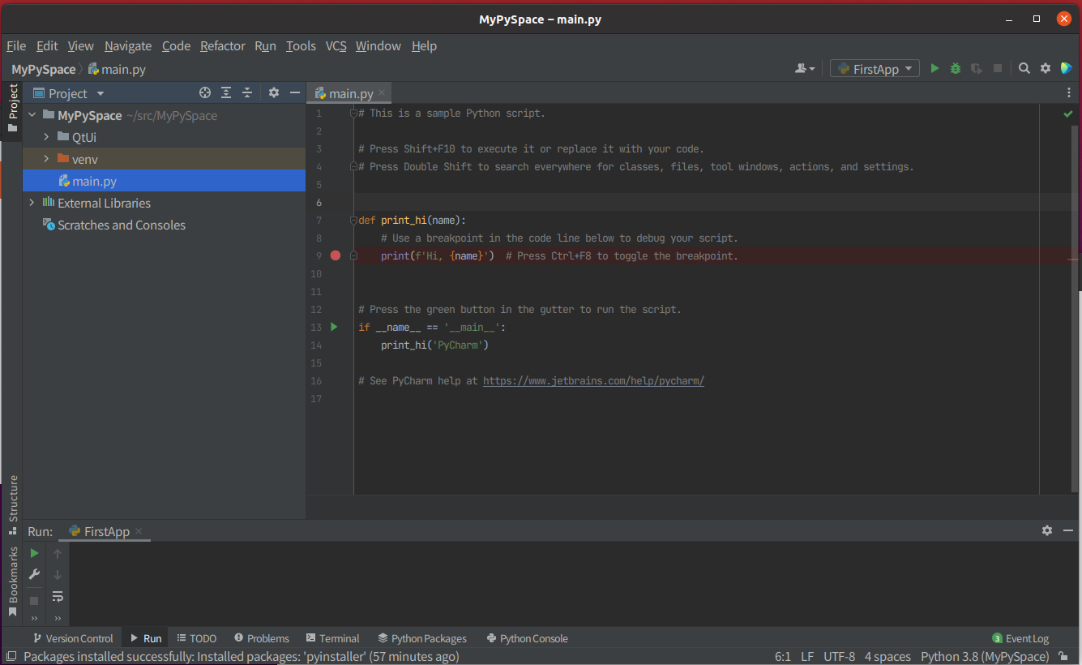

3. In Setting Menu, Install package below list.
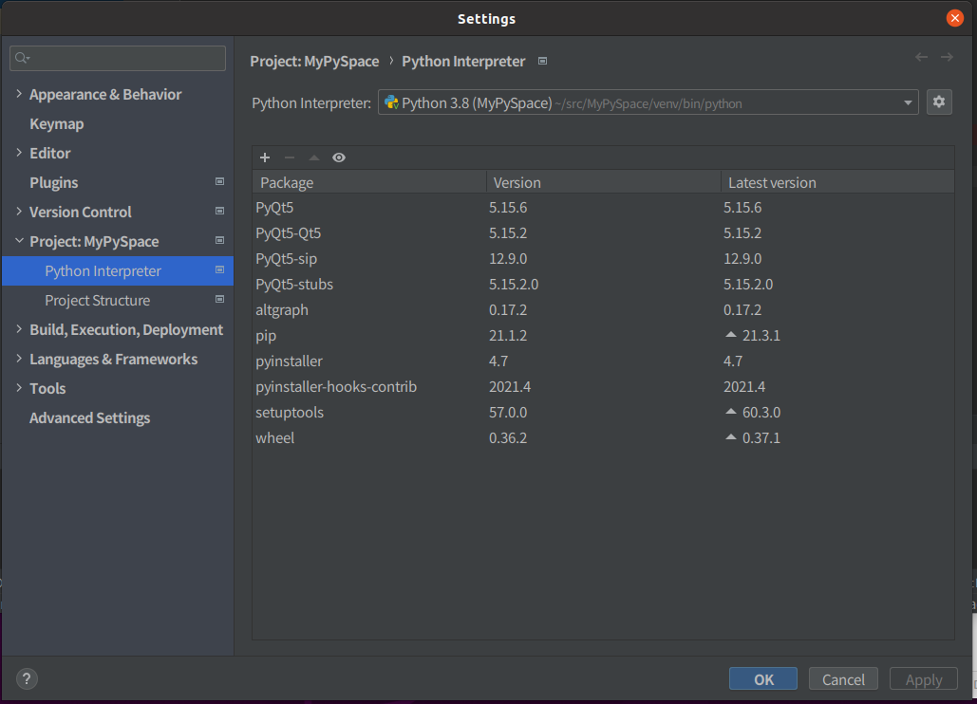

4. Download PyAccy_linux.zip and then extract in your appropriate folder (eg. : ~/PyAccy/)
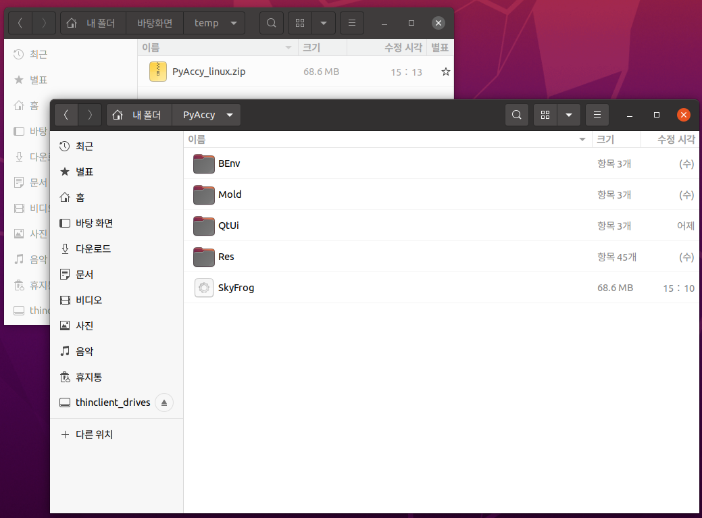

5. Run "SkyFrog", and then select "Setting" menu. In this Evn. Setting Dialog, you can setting each item.
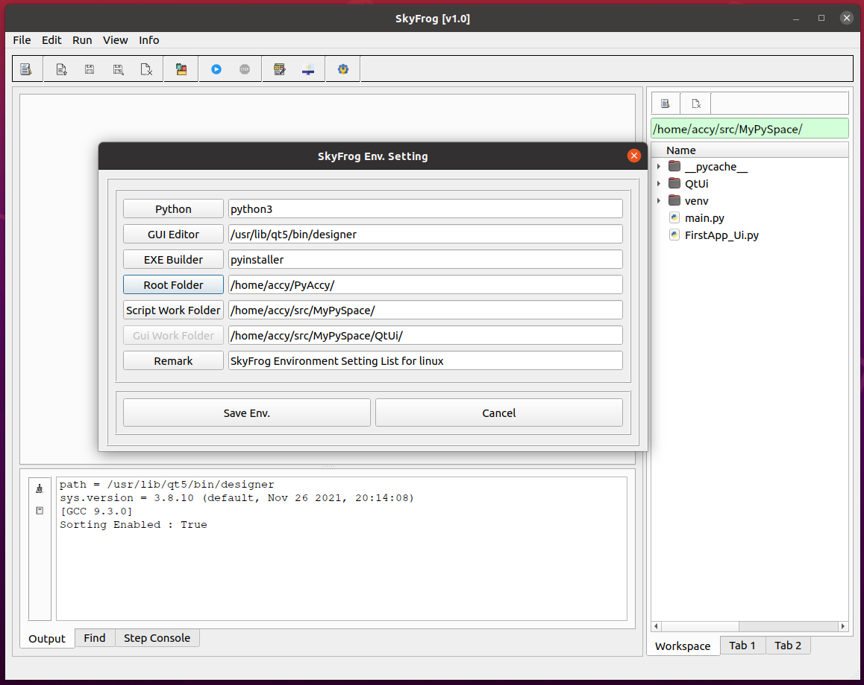

6. Select "GUI New", The Qt Designer is executed. In this window, you can make your own GUI.
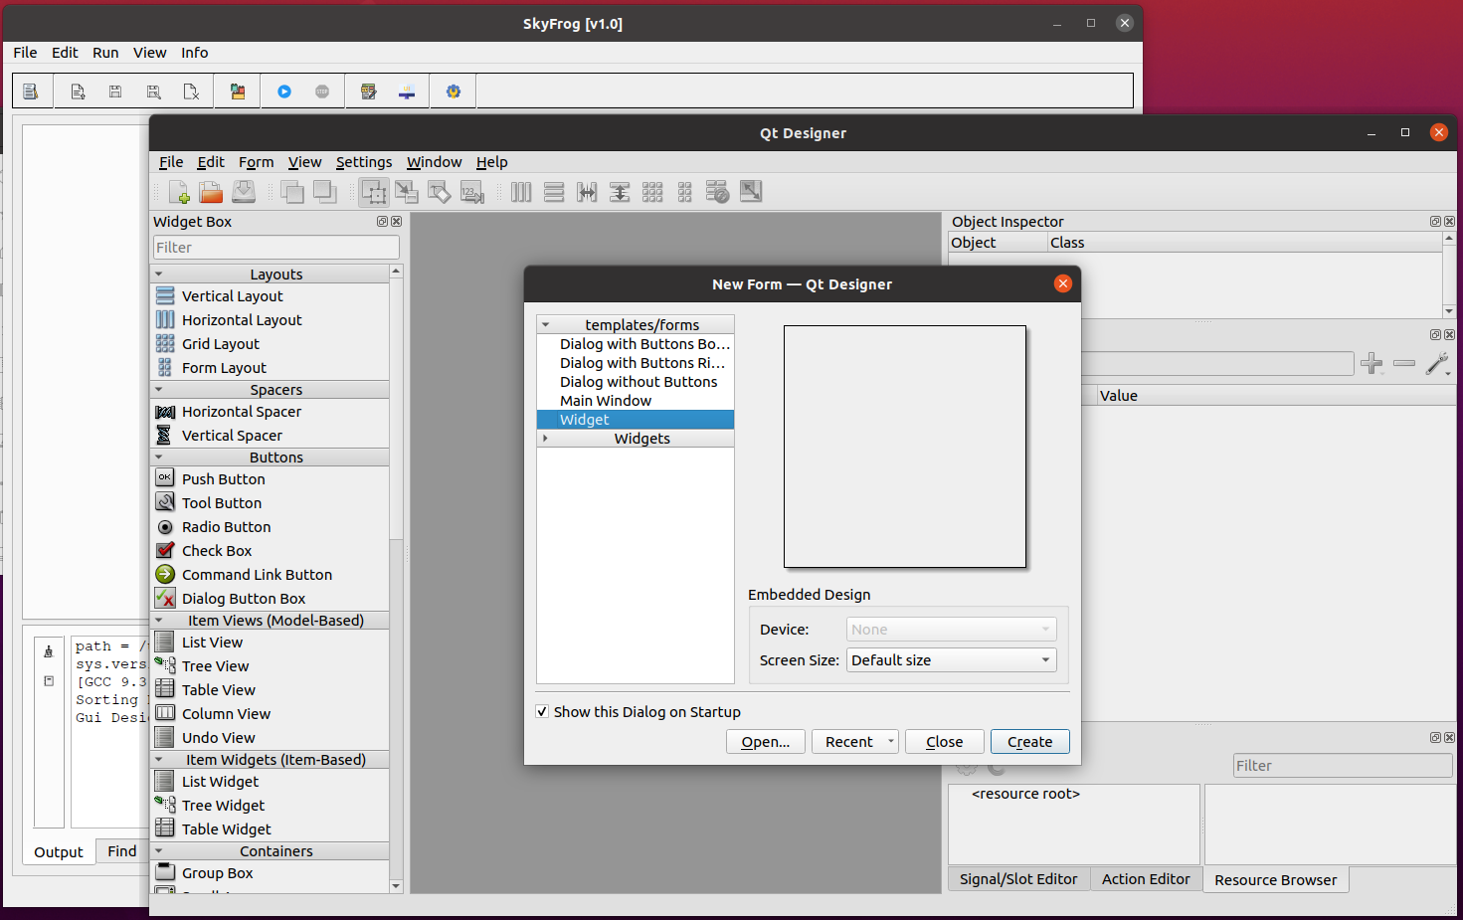

7. Design your Qt GUI, And save it as a filename.
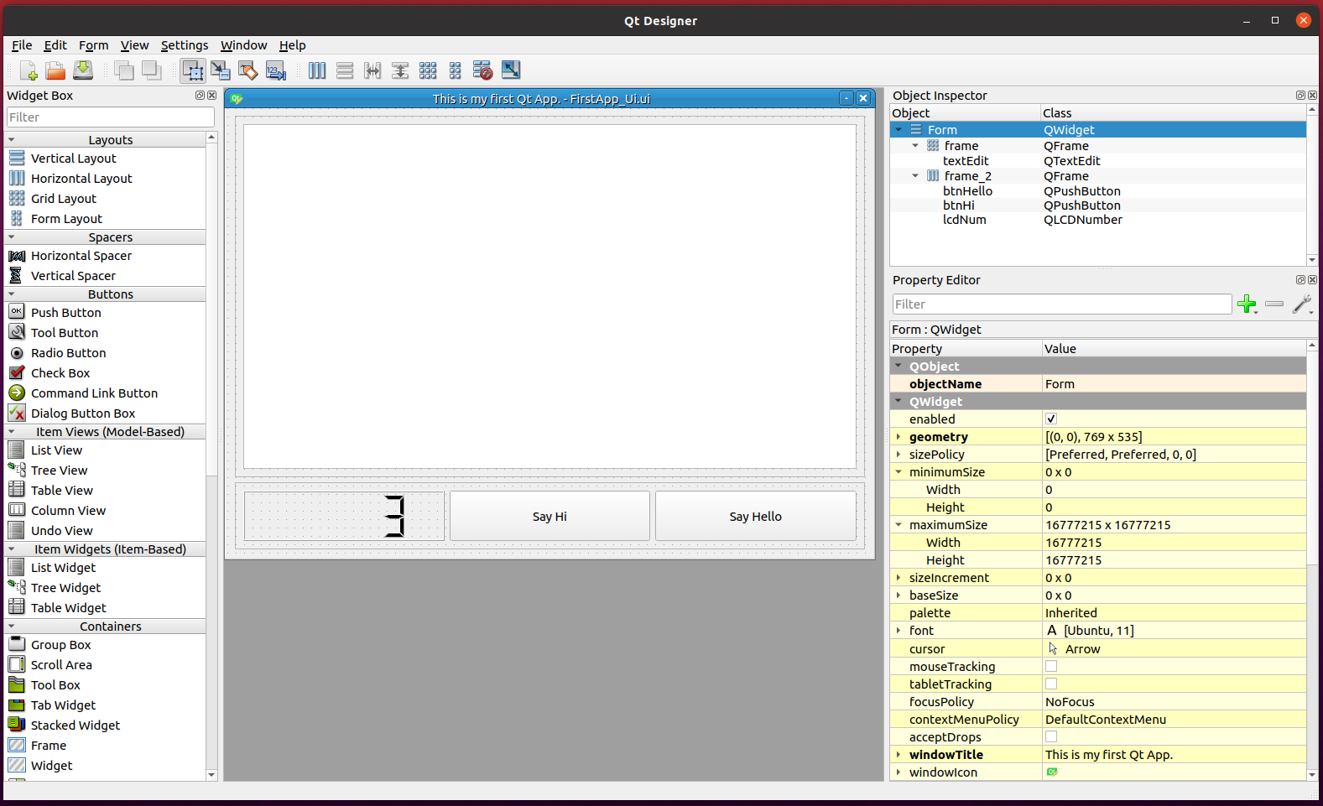

8. In "SkyFrog" Program, Select "GUI Build".
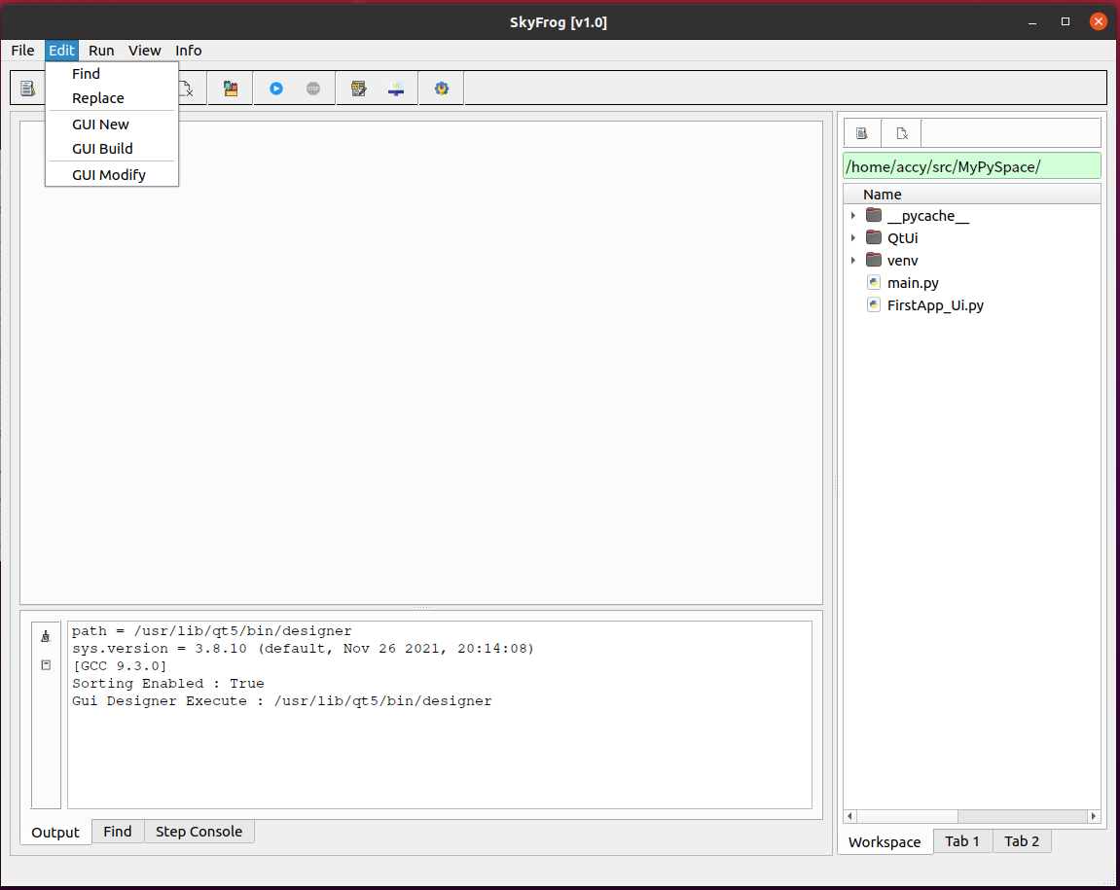

9. And then, Select Designed ui file. It ask Main GUI or Not , It means, you want run this gui independently or not. Select what you want.
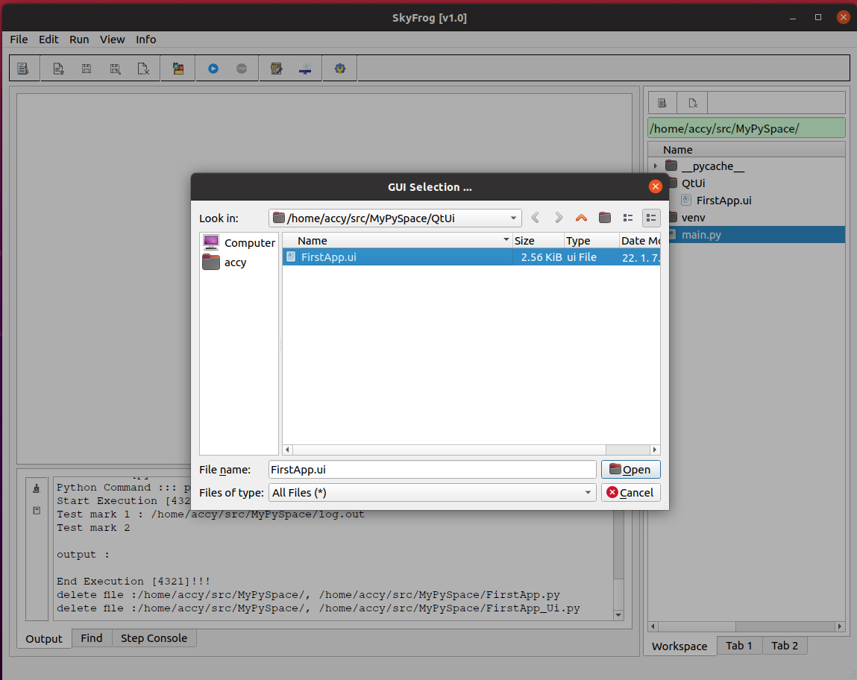

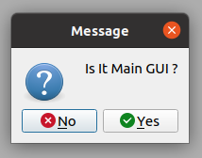

10. This utility make 2 file automatically. One for ui and the other is logic. You can make your own login code in Logic Python file.
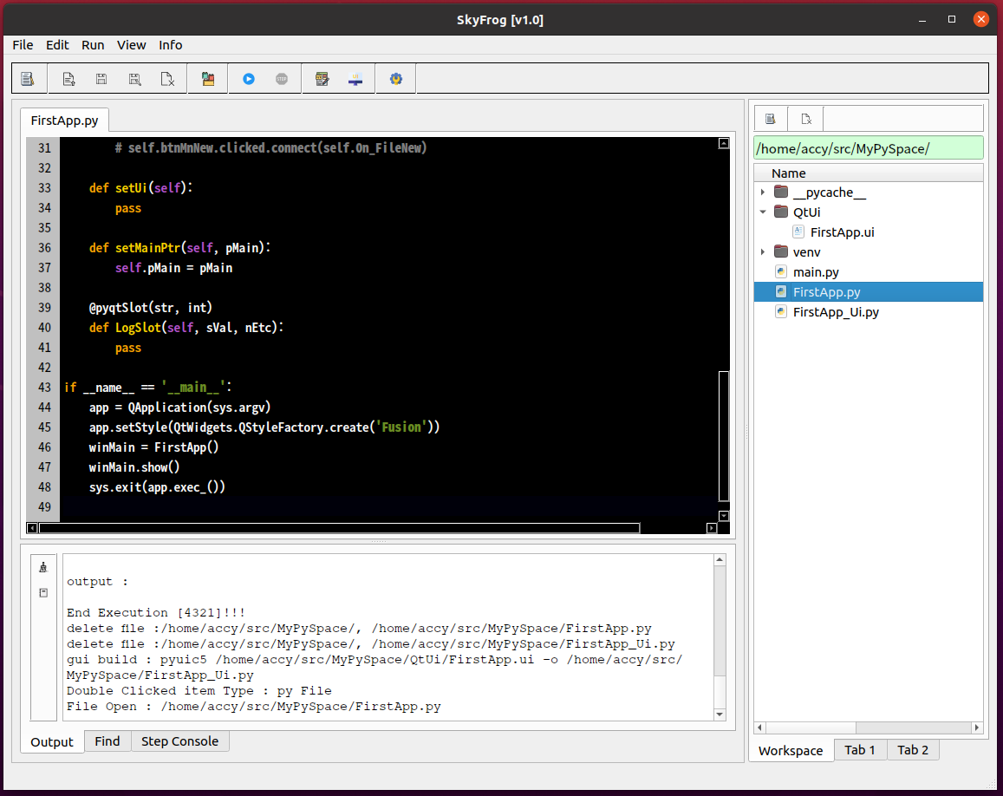

11. In this step, you can coding in pycharm IDE togather.

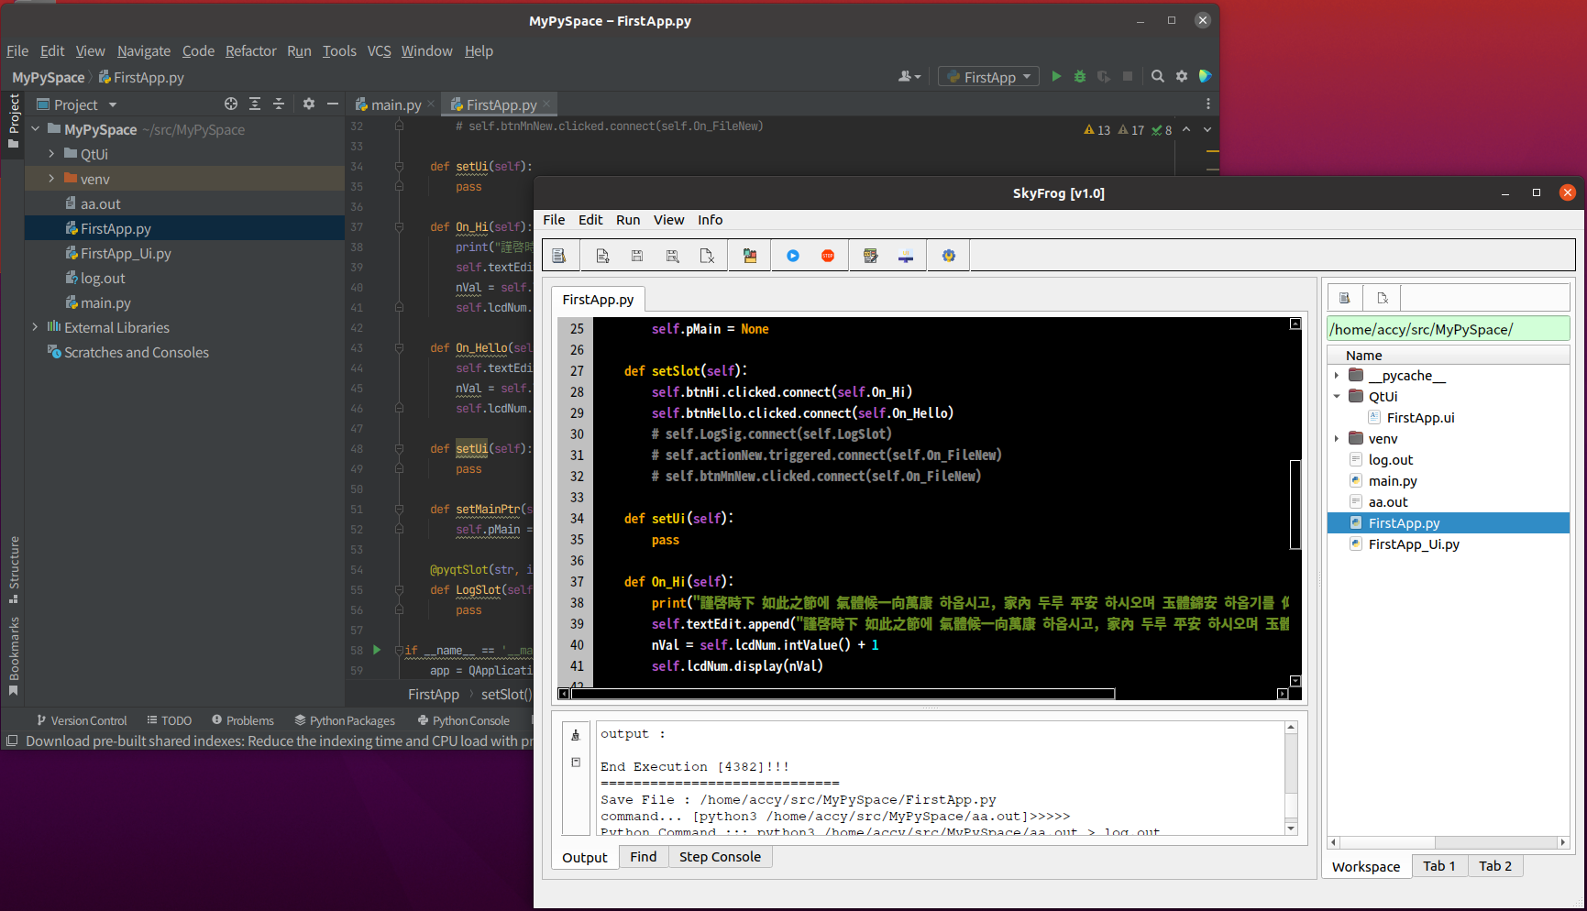

12. Coding is done, select "Execute" menu, you can run it directly.
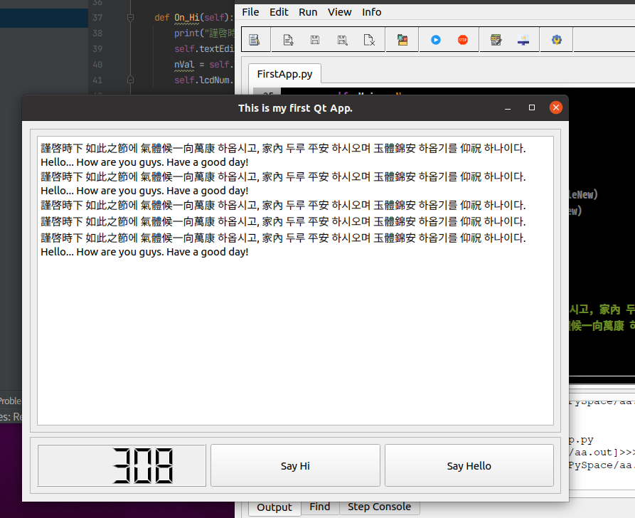

12. All coding job done, you can make execution file. Select "Build" menu, you can get a runnable execution file.
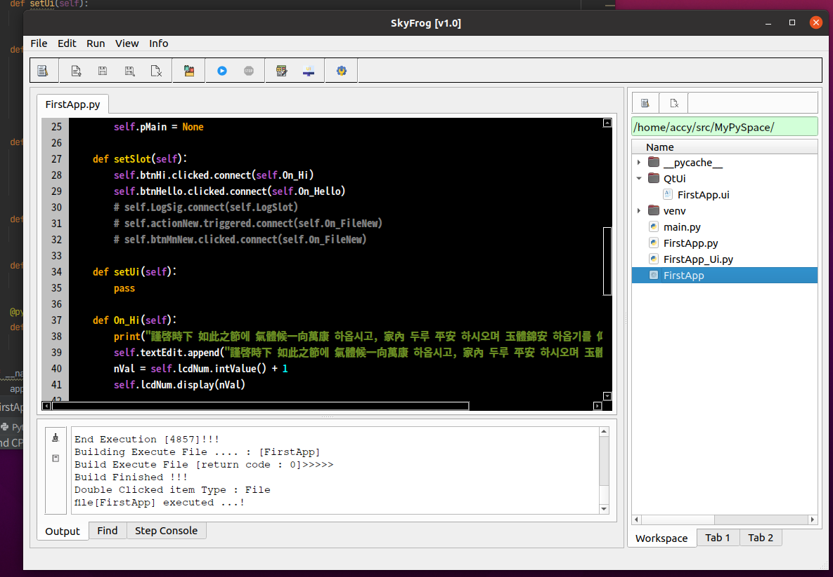

13. Like these steps, you can make several PyQt GUI program. PyAccy is a kind of a little bit helpful coding utility. Hey guys, please enjoy it. :)

* if you have any requirment, feel free and send that to me. (email : mkkim2mark@gmail.com)

