Sheet1 (2)
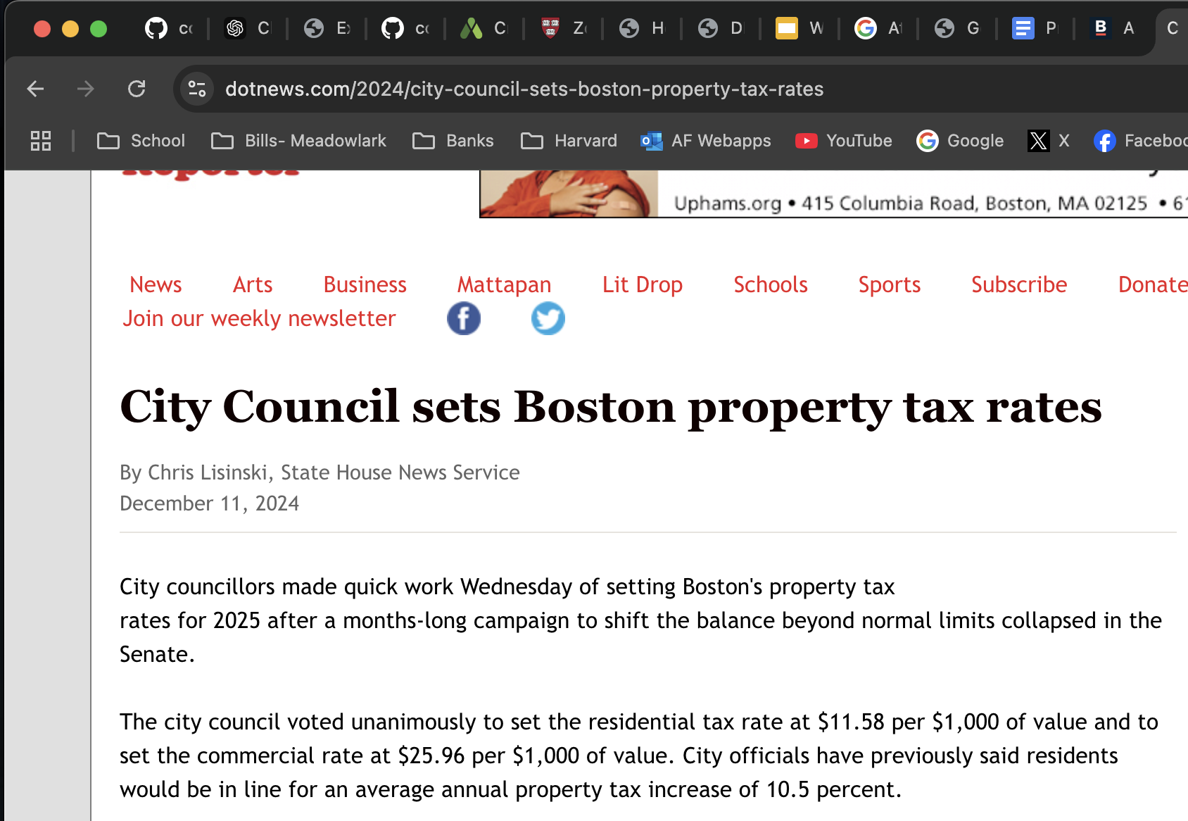
City of Boston Revenue Requirement from Property Taxes | Variable Names |  | Variable Names
FY25 Budget Property Tax Levy Estimate |  | Residential Value (Real Property) - CoB ACFR p. 141
$3,328,400,000 | TotTax | $156,079,088,380 | ResValue
Natural Tax Rate |  | Estimated Residentail Exemption
$14.83 | NatRateDollar | $21,800,000,000 | ResExemption
1.483% | NatRatePercent | 2025 Residental Tax Rate $ per $1,000
Legal Limit (Commercial relative to Residential) |  | $11.58 | ResRateDollar
175% | TaxRatio | 1.158% | ResRatePercent
% Share Commercial Property Value, Fair Share |  | 2025 Residental Tax Revenue
30.4% | ComTaxShare | $1,555,307,996.01 | ResTax
% Share Residential Property Value |  | Commercial & Industrial Property Value - CoB ACFR p. 141
69.6% | ResTaxShare | $68,304,382,820 | ComValue
 |  | 2025 Commercial Tax Rate $ per $1,000
 |  | $25.96 | ComRateDollar
 |  | 2.596% | ComRatePercent
 |  | 2025 Commercial Tax Revenue
 |  | $1,773,092,003.99 | ComTax

Sheet1
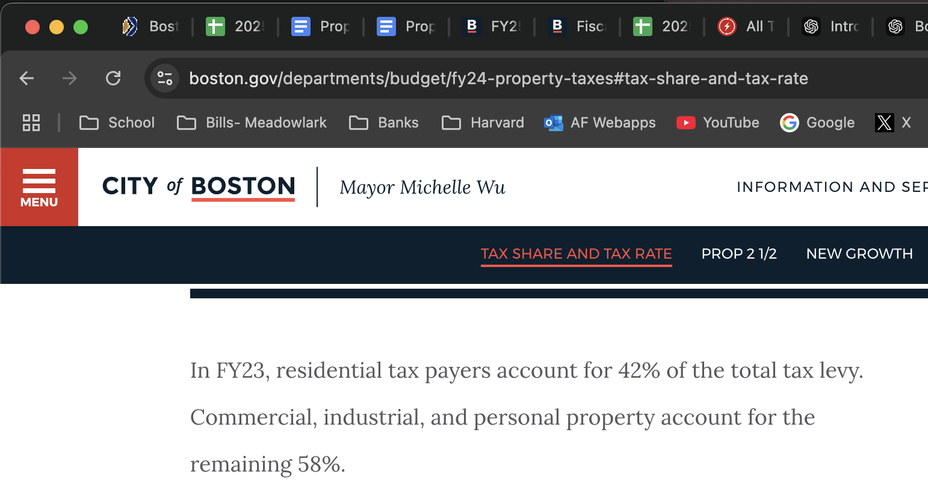
City of Boston Revenue Requirement from Property Taxes | 2023 Residential Value (Real Property) - CoB ACFR p. 141
FY23 | $141,541,580,000
$2,757,266,000 | 2023 Residental Tax Rate $ per $1,000
% Share Commercial Property Value, Fair Share | $9.24
30.0% | 2023 Residental Tax Revenue, Gross
% Share Commercial Property Value, Legal Limit | $1,307,724,602
52.6% | Commercial Property Value (Real Property) - CoB ACFR p. 141
% Share Residential Property Value | $60,779,084,000
70.0% | 2023 Commercial Tax Rate $ per $1,000
% Share Residential Property Value | $23.85
47.4% | 2023 Commercial Tax Revenue, Gross
Legal Limit (Commercial relative to Residential) | $1,449,541,398
175%

GRAPHIC SNIPS THAT MAY INFORM CALCULATIONS ABOVE

