Sheet1
 | Image samples retrived from bug description | Text (converted image using pytesseract)

1 |  | ¬© PReferenceError: require is not defined

2 |  | ¬© pTypeError: Cannot call method 'insertBefore' of null at http://pandadev. int.buzzlike. pro/lib/angular/1. angular. js:3850:22 at forEach (http://pandadev. int. buzzlike.pro/lib/angular/1.angular. js:303:18) at Object.enter (http://pandadev. int. buzzlike. pro/lib/anqular/1. angular. js:3849:9) at http://pandadev. int.buzzlike.pro/lib/angular/1. angular. j{$:18725: 26 at publicLinkFn (http: //pandadev. int. buzzlike.pro/lib/angular/1. angular. js:5420:29) at ngRepeatAction (http: //pandadev. int. buzzlike. pro/lib/angular/1. angular. js:18723:15) at Object. $watchCollectionAction (http: //pandadev. int. buzzlike. pro/lib/angular/1,. angular. js:11299:11) at Object.applyFunction [as fn] (<anonymous>:778:50) at Scope.$digest (http: //pandadev. int. buzzlike. pro/lib/angular/1. angular. js:11395:27) at Scope.$delegate.__proto__.$digest (<anonymous>:844:31) 1.angular. js:9037

3 |  | ¬© V_ ¬´top frame> vy G Preserve log > Promise.resolve(@).then(function(v){ alter(v) ¬ª Promise {[[PromiseStatus]]: ‚Äúpending‚Äù, [[PromiseValue]]: undefined} ¬© Puncaught (in promise) ReferenceError: alter is not defined(..) >t

4 | 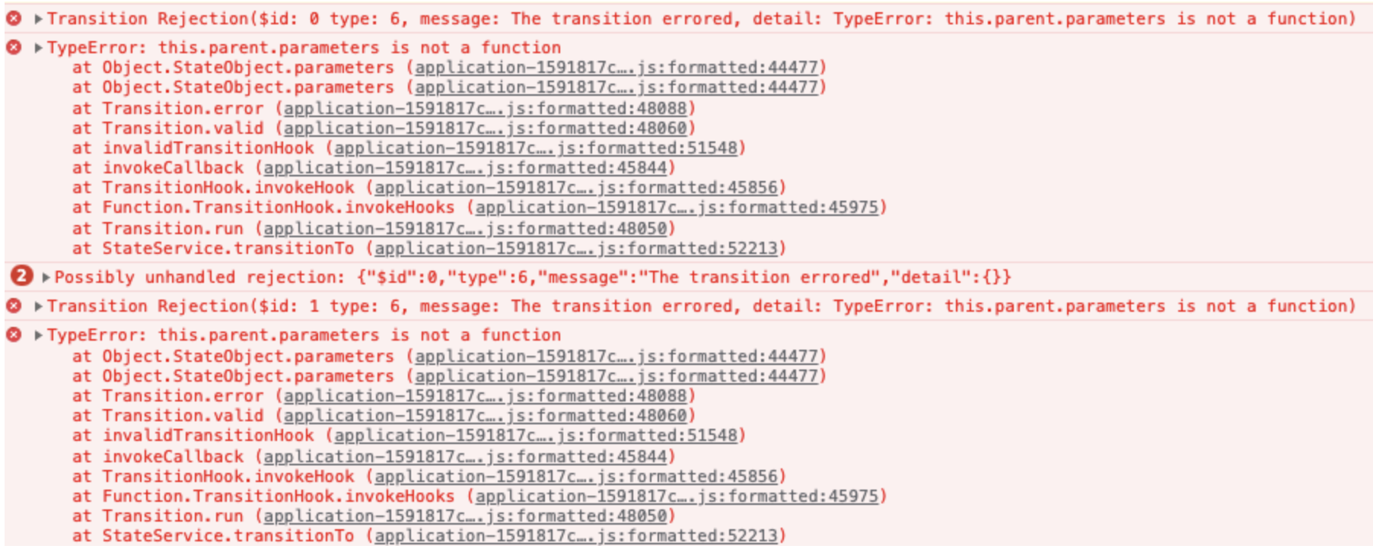 | ¬© > Transition Rejection($id: @ type: 6, message: The transition errored, detail: TypeError: this.parent.parameters is not a function) ¬© TypeError: this.parent.parameters is not a function at Object.StateObject.parameters (application-1591817c... js: formatted: 44477) at Object.StateObject-parameters (application=1591817c. at Transition.error (application-1591817c... js: formatted: 48088) at Transition. valid (application=1591817c...js: formatted: 48060) at invalidTransitionHook (application-1591817c... js: formatted:51548) at invokeCallback (application-1591817. formatted: 45844) at TransitionHook. invokeHook (application=1591817c... js: formatted: 45856) at Function. TransitionHook.invokeHooks (applicatioi formate at Transition. run (application-1591817. at StateService.transitionTo (ay @ >Possibly unhandled rejection: {"sid":0,"type":6,"message": ¬© Transition Rejection($id: 1 type: 6, message: The transition errored, detail: TypeError: this.parent.parameters is not a function) 52213) he transition errored", "detail": (}} ¬© TypeError: this.parent.parameters is not a function at Object.StateObject.parameters (application-1591817c...js: formatted: 44477) at Object.StateObject.parameters (application-1591817c...js: at Transition.error (application-1591817c... js: formatted: 48088) at Transition. valid (application=1591817c...js: formatted: 48060) at invalidTransitionHook (application-159181/7c... is: formatted:51548) at invokeCallback (application-1591817c... js: formatted: 45844) at TransitionHook. invokeHook (appLicat ion=1591817c. at Function. TransitionHook. invokeHooks (appLicatios at Transition. run (application-1591817. at StateService.transitionTo (ar 45856) formatted: 45975)

5 |  | ¬© > TypeError: Cannot read property '$pending' of undefined at at at at at at at unsetAndCleanup (angular. {5:23290) clazz.$setValidity (angular. {s:23238) scope. $watch. max (eval at <anonymous> (app. {s:4465), <anonymous>:24:9) Scope. Sdigest (angular. is:17855) angular. {5:18056 completeOutstandingRequest (angular. js:6131) angular. {5:6411

6 | 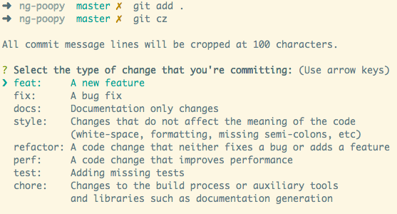 | ng-poopy master x git add . > ng-poopy master x git cz ALL commit message lines will be cropped at 100 characters. ? Select the type of change that you're committing: (Use arrow keys) A new feature A bug Fix Documentation only changes Changes that do not affect the meaning of the code (white-space, formatting, missing semi-colons, etc) refactor: A code change that neither fixes a bug or adds a feature perf: A code change that improves performance test: Adding missing tests chore: Changes to the build process or auxiliary tools and libraries such as documentation generation

