Sheet1
Least count of vertical scale = |  |  | 1 | cm
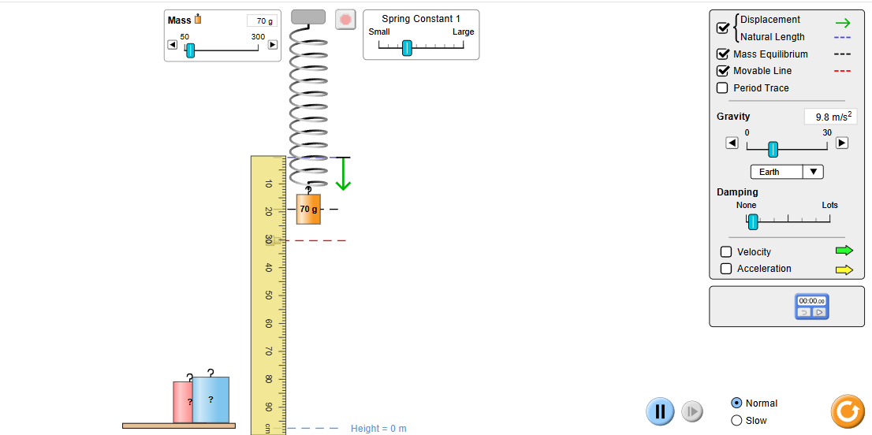
S. No. | Load (W) = (F) (g-wt) | Reading of the scale while loading (a) (cm) | Reading of the scale while unloading (b) (cm) | Mean Reading of the scale (a+b)/2 | Extension (x) (cm) | Spring constant K=W/x (cm)
1 | 0 | 0 | 0 | 0 | 0 | 0
2 | 50 | 15 | 15 | 15 | 15 | 3.3333333333
3 | 70 | 19 | 19 | 19 | 19 | 3.6842105263
4 | 90 | 23 | 23 | 23 | 23 | 3.9130434783
5 | 110 | 27 | 27 | 27 | 27 | 4.0740740741
6 | 130 | 31 | 31 | 31 | 31 | 4.1935483871

Spring Constant = |  | 3.1997016332

Applied Force (F) | 0 | 50 | 70 | 90 | 110 | 130
Extension (x) | 0 | 15 | 19 | 23 | 27 | 31

