Metadata
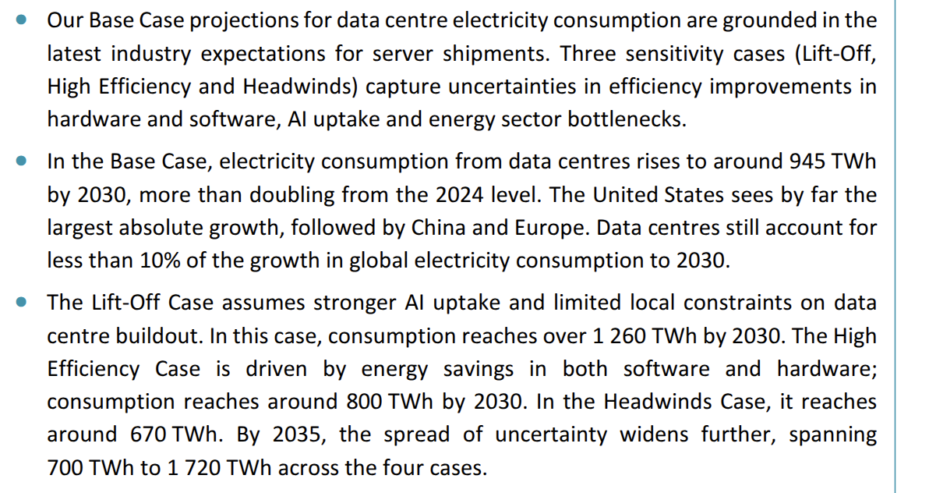
Source: | https://www.iea.org/reports/energy-and-ai
Data
Table 1: | Annual data center electricity demand estimates and projections from IEA
Table 2: | Data center projections starting from IEA values but following LBNL growth rate (best: 13%, worst: 27%)
 | This is the IEA w/ LBNL CAGR scenario, and simulates the scenario where the world data center electricity demand grows at the same rate as the US.

Remarks:
All units are in Twh/year
IEA considers four growth scenarios (Base, Lift-off, High-efficiency, Headwinds). Headwinds is the best case, Lift-off is the worst case.
Below is an excerpt from the IEA report about the four scenarios. For more details on each scenario, please refer to the source report.

