LIMIT 1000
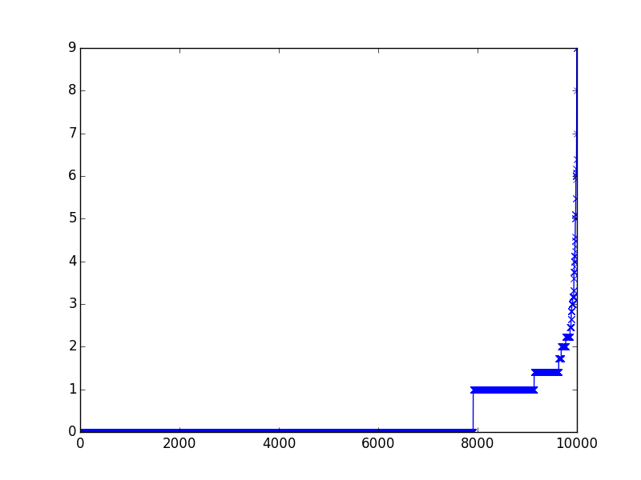
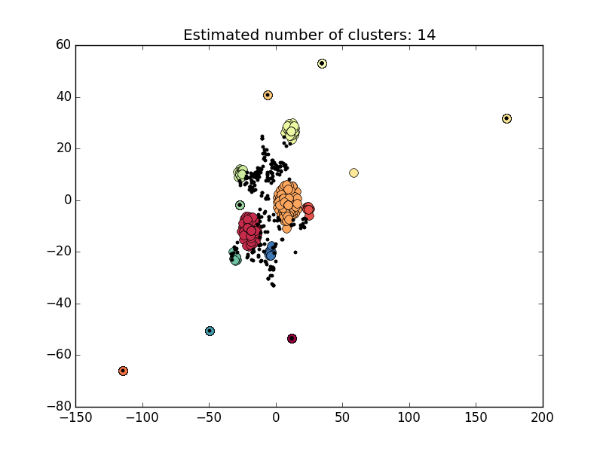
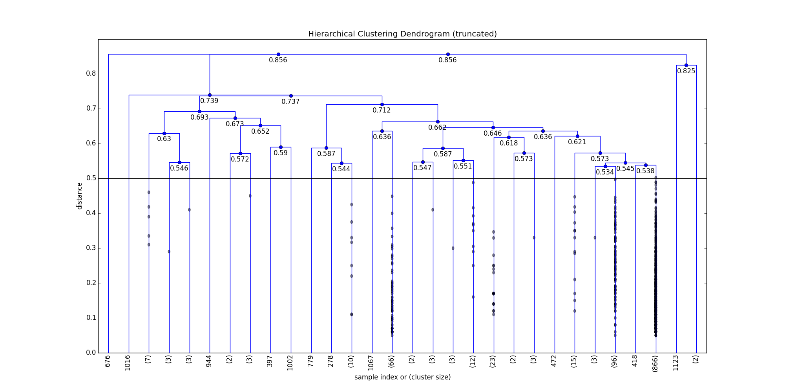
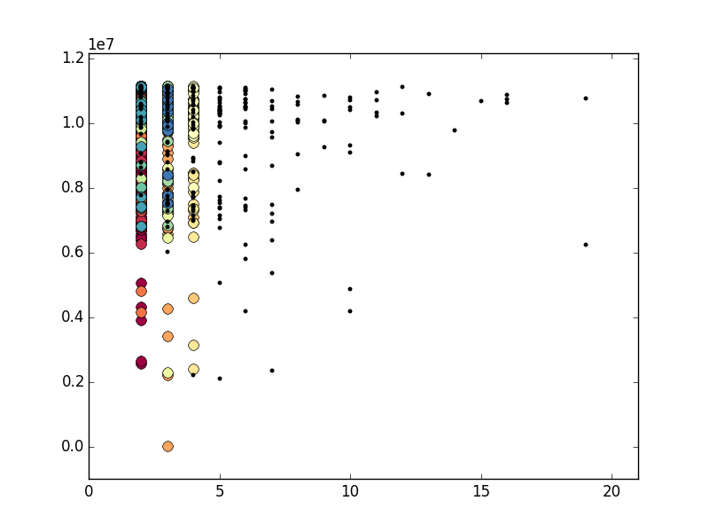
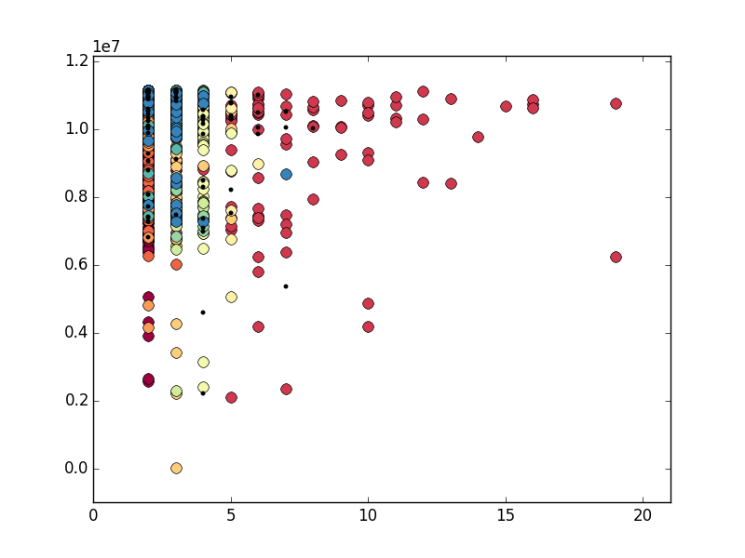
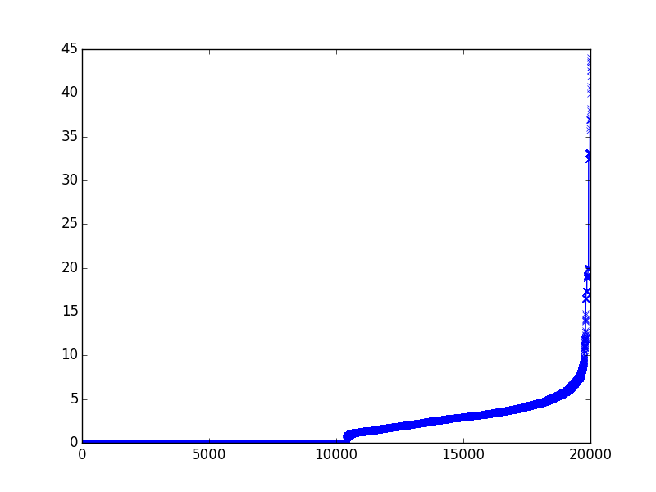
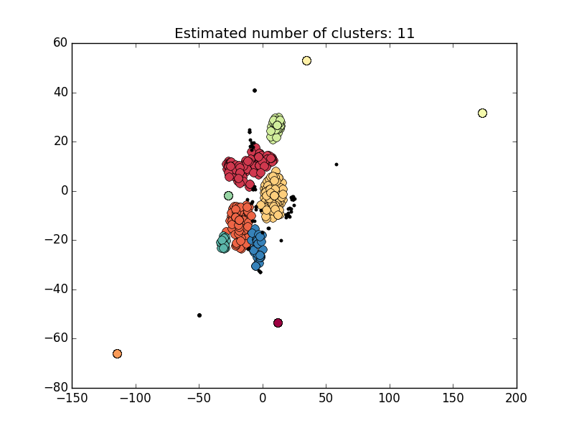
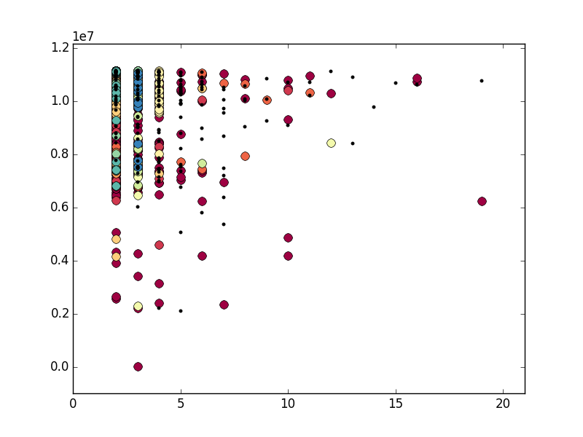
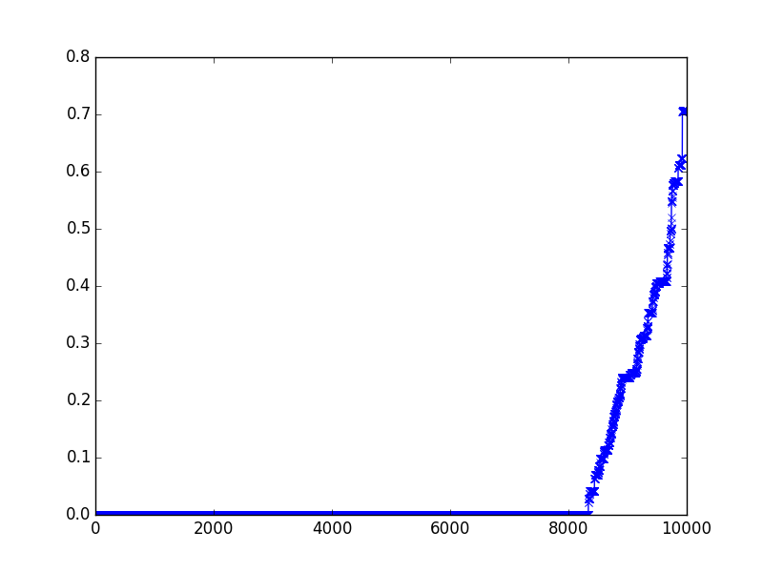
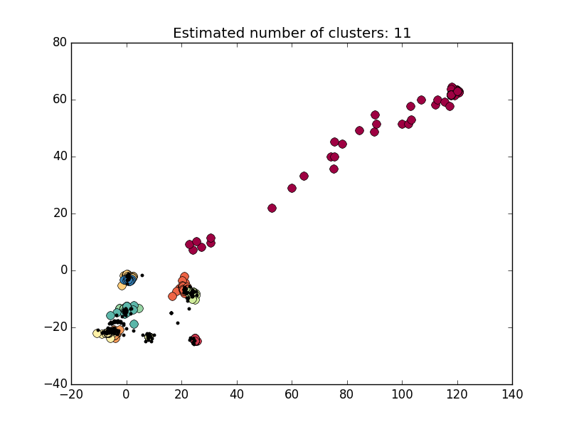
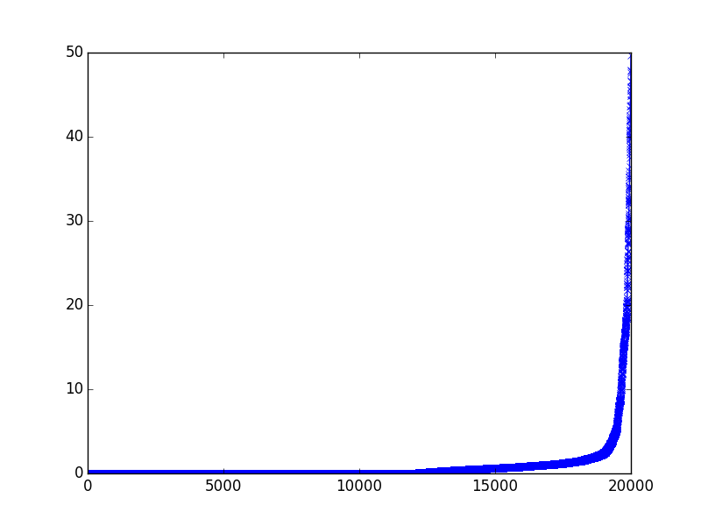
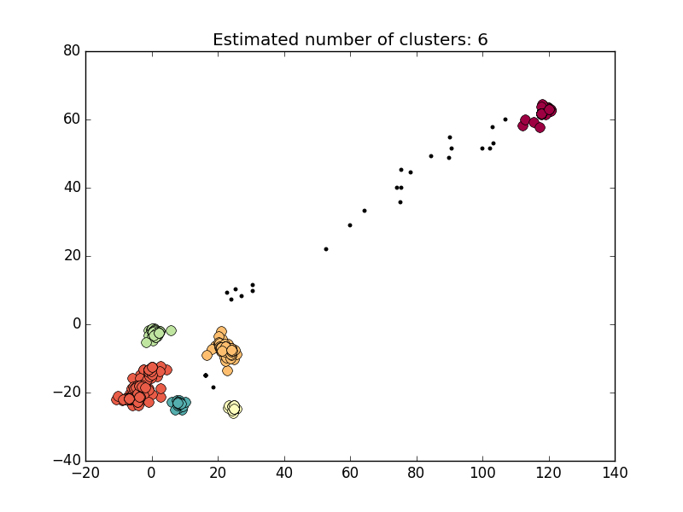
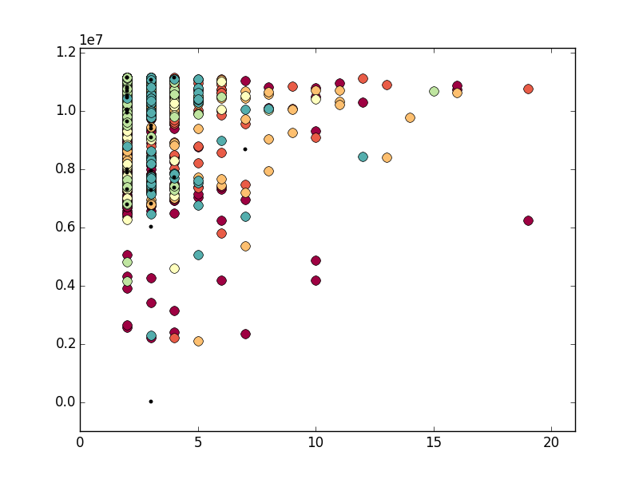
条件 | CaseSimCalculator | CaseAnalysis.py | UserAnalysis.py |  |  | #Cls
ORDER BY CNT_CASE LIMIT 1000 | match=1, mismatch=-1, gap=0 | max_d = 0.5 | 非归一化 | 高维 | eps = 0.90 min_samples = 10 | 14
 |  |  |  | 低维 | eps = 5 min_samples = 20 | 11
 |  |  | 归一化 | 高维 | eps = 0.01 min_samples = 10 | 11
 |  |  |  | 低维 | eps = 5 min_samples = 20 | 6

HIGH20+LOW100
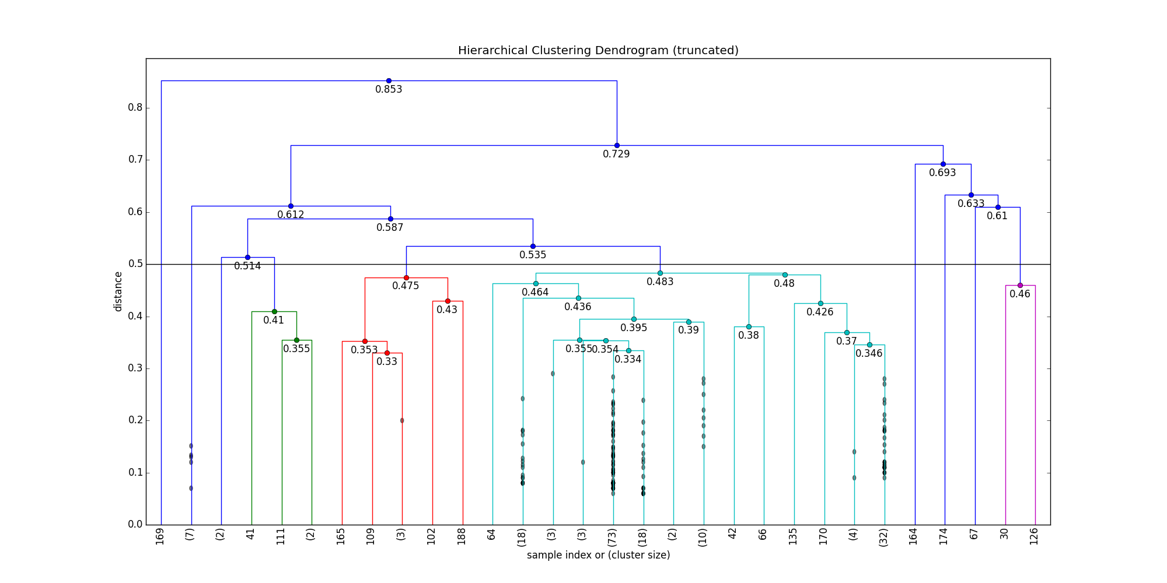
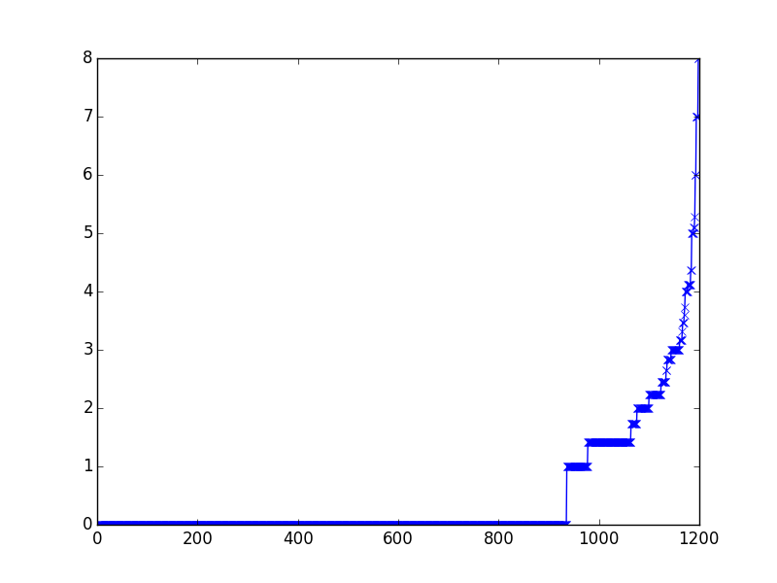
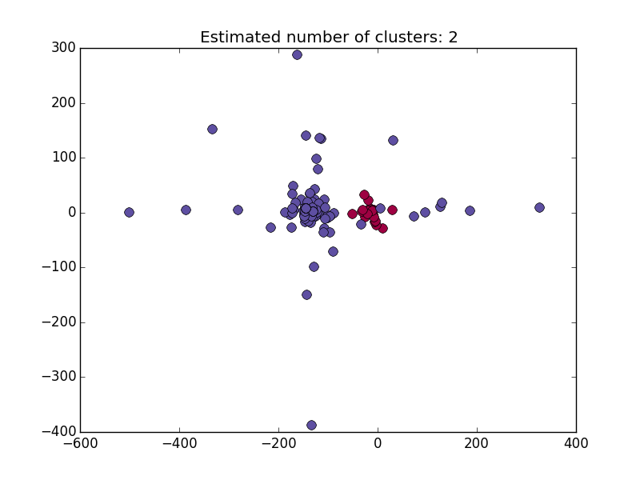
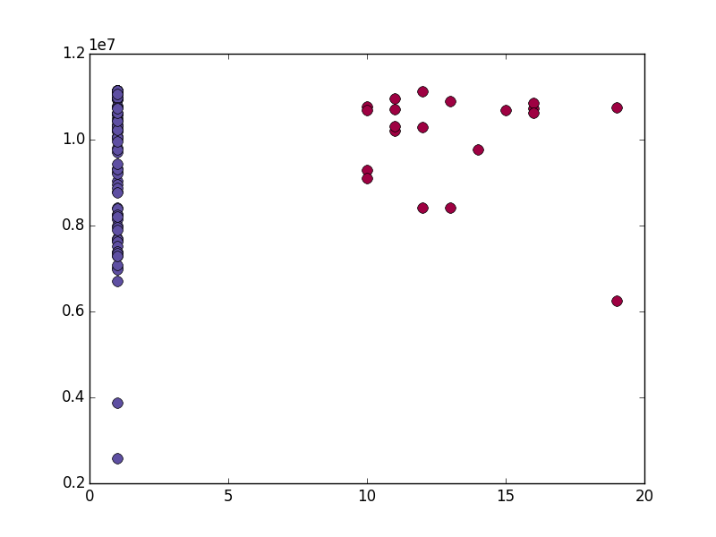
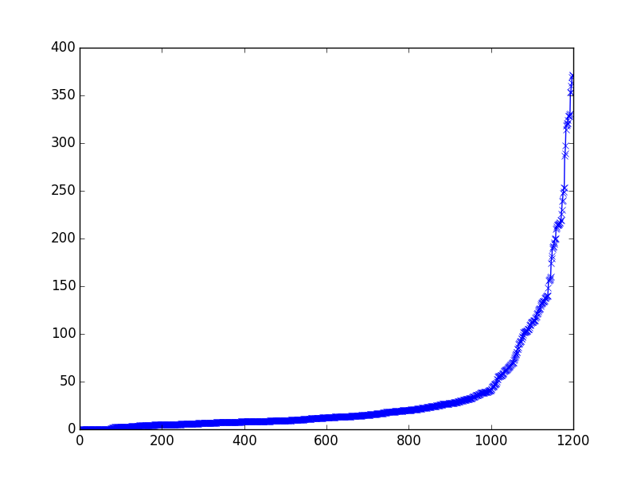
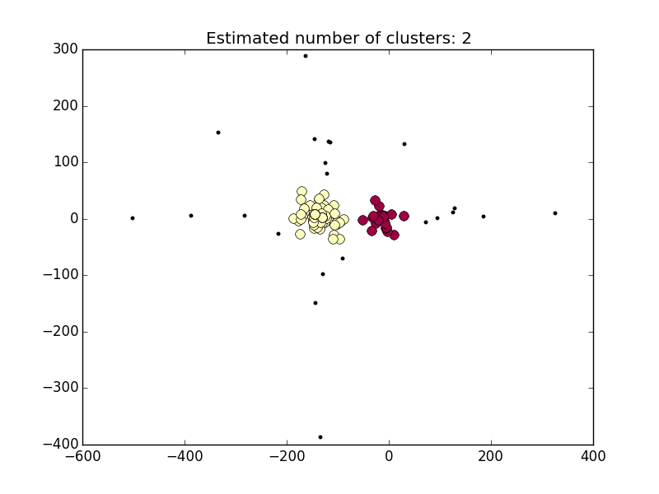
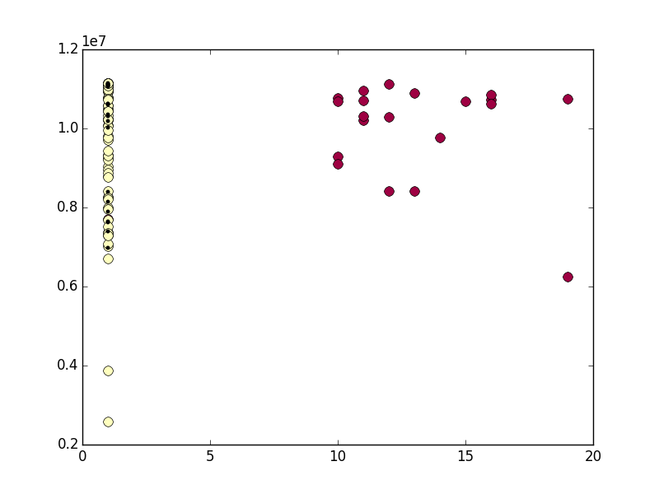
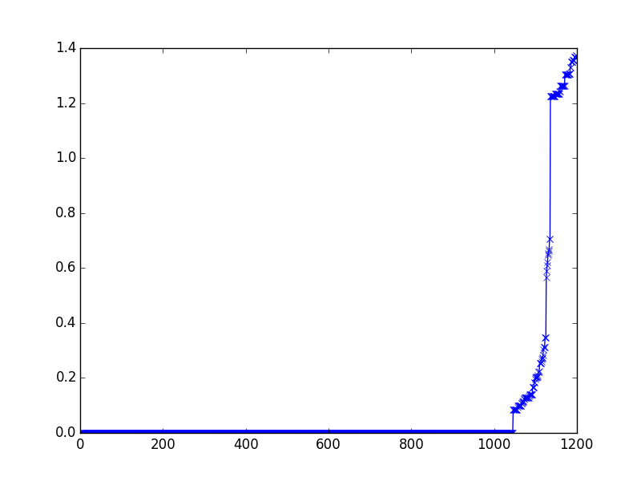
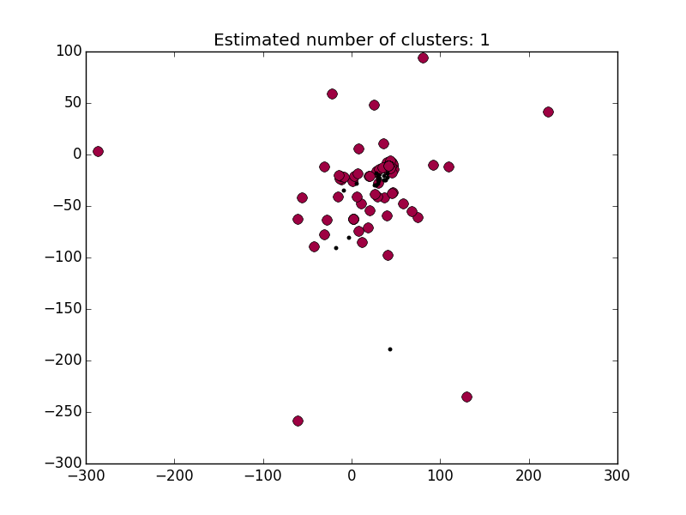
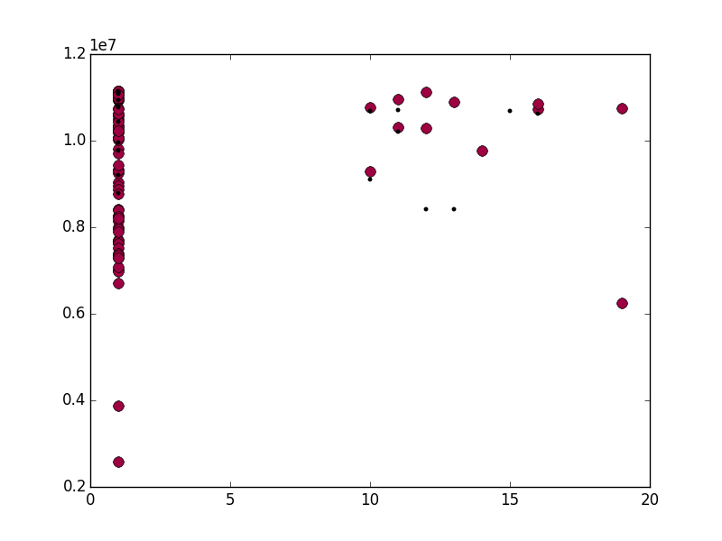
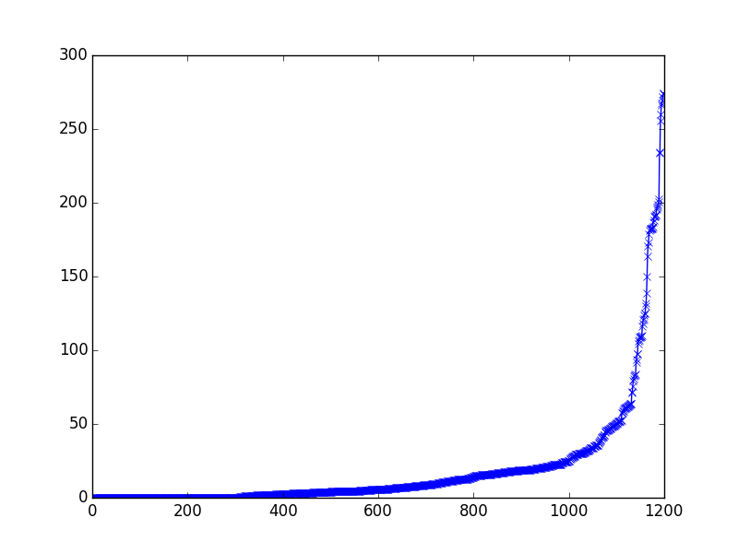
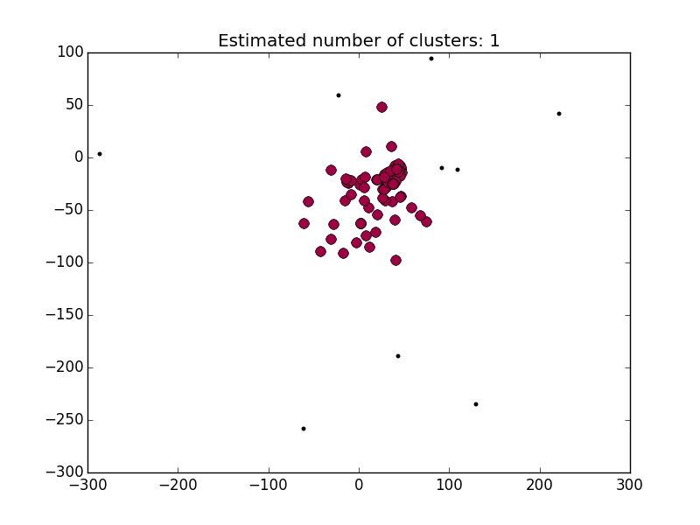
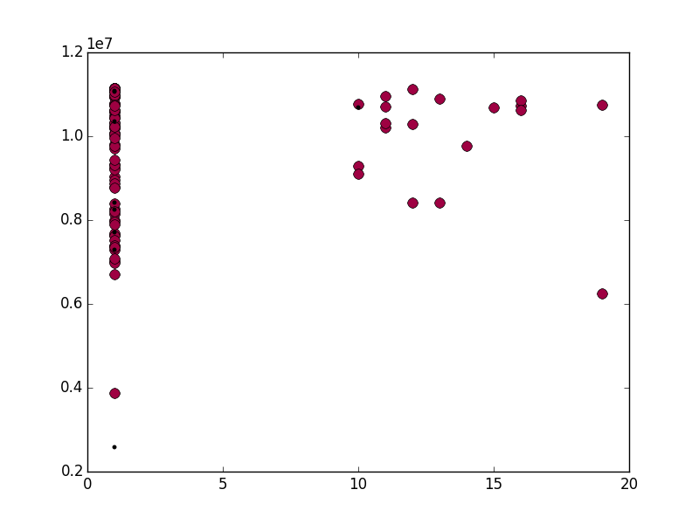
条件 | CaseSimCalculator | CaseAnalysis.py | UserAnalysis.py |  |  | #Cls
ORDER BY CNT_CASE (HIGH 20 + LOW 100) | match=1, mismatch=-1, gap=0 | max_d = 0.5 | 非归一化 | 高维 | eps = 4 min_samples = 10 | 2
 |  |  |  | 低维 | eps = 30 min_samples = 10 | 2
 |  |  | 归一化 | 高维 | eps = 0.08 min_samples = 10 | 1
 |  |  |  | 低维 | eps = 40 min_samples = 10 | 1

