LIMIT 1000
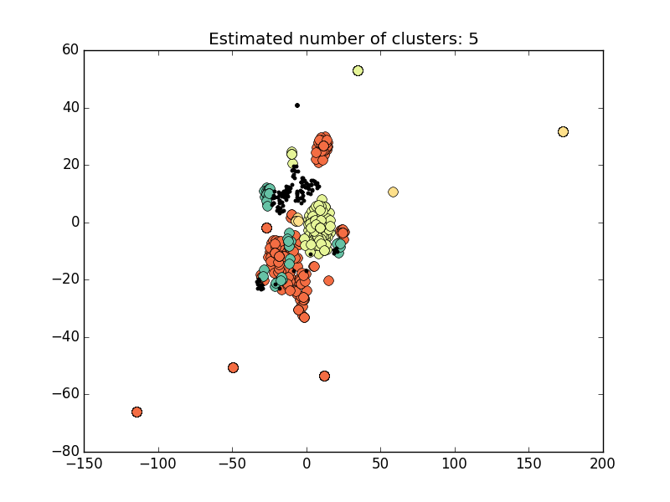
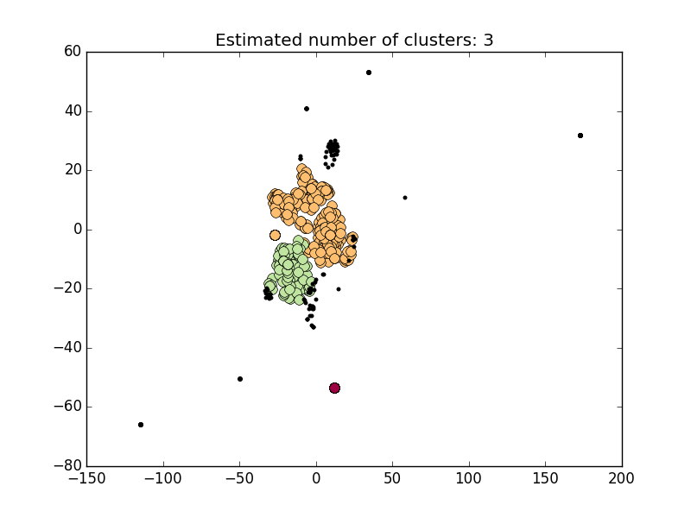
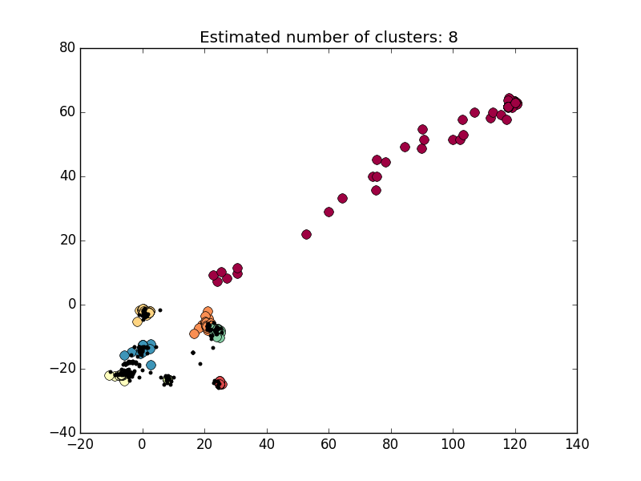
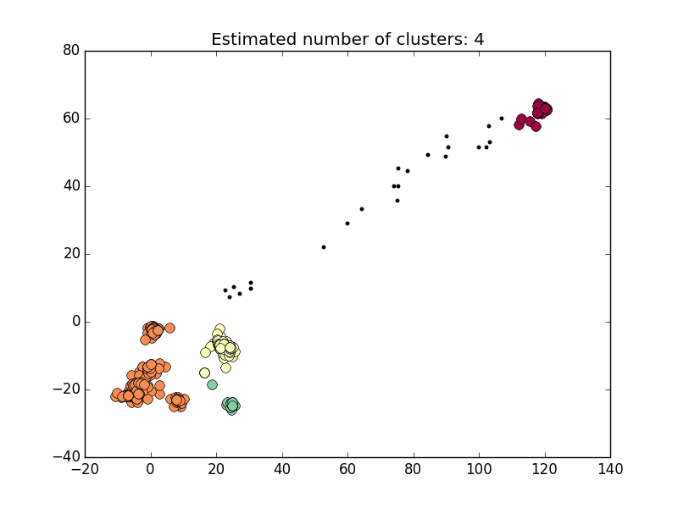
条件 | CaseSimCalculator | CaseAnalysis.py | UserAnalysis.py |  |  | #Cls
ORDER BY CNT_CASE LIMIT 1000 | match=1, mismatch=-1, gap=0 | max_d = 0.5 | 非归一化 | 高维 | eps_percent = 0.70 min_samples = 40 | 5
 |  |  |  | 低维 | eps_percent = 0.60 min_samples = 50 | 3
 |  |  | 归一化 | 高维 | eps_percent = 0.85 min_samples = 15 | 8
 |  |  |  | 低维 | eps_percent = 0.85 min_samples = 15 | 4

HIGH20+LOW100
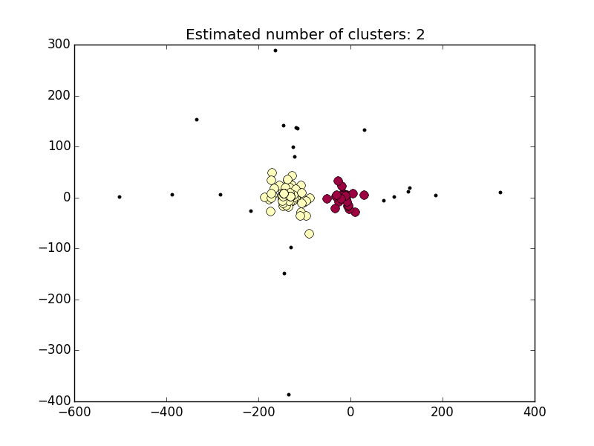
条件 | CaseSimCalculator | CaseAnalysis.py | UserAnalysis.py |  |  | #Cls
ORDER BY CNT_CASE (HIGH 20 + LOW 100) | match=1, mismatch=-1, gap=0 | max_d = 0.3 | 非归一化 | 高维 | eps_percent = min_samples =
 |  |  |  | 低维 | eps_percent = 0.40 min_samples = 10 | 2
 |  |  | 归一化 | 高维 | eps_percent = min_samples =
 |  |  |  | 低维 | eps_percent = min_samples =

