General Form Mapping
Rules for mapping info from Wizards to Forms for information that does not have matching /similar labels between Wizards and Forms
Information | Condition | Form Mapping Rule
Owner/Joint Owner/Annuitant/Joint Annuitant Residential Address | If Mailing Address is same as residential address | Map Mailing address info to Primary Residence info on the form | Not required as mailing address is hidden
Owner/Joint Owner/Annuitant/Joint Annuitant Residential Address | If Mailing Address is different from residential address | Map Residential address info to Primary Residence info on the form | Not required as mailing address is hidden
Beneficiary Address, Phone Numbers |  | NO MAPPING on Compact Form. Form doesn’t include fields for Bene address. Mapping required on state specific forms only
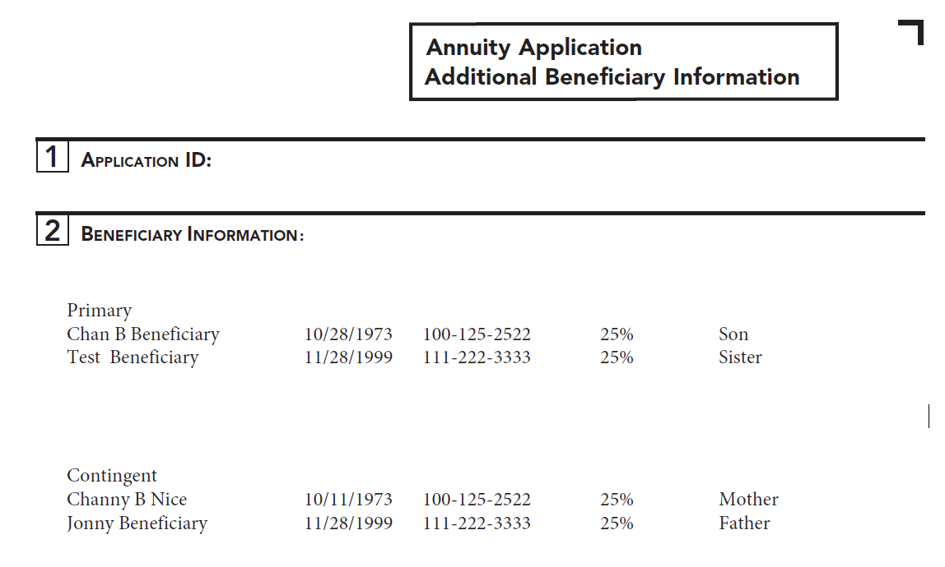
Owner/Joint Owner/Annuitant/Joint Annuitant Mobile Phone Number |  | Map to Home Phone
Owner/Joint Owner/Annuitant/Joint Annuitant Secondary Phone Number |  | Map to Business Phone
Custodian Information in case of UTMA/UGMA |  | Map to Joint Owner Info and set Relationship to "Custodian"
Agent NPN Number |  | Map to Representative Code
Agent License Number |  | Map next to Representative code with a space in between
FL Agent License Number |  | Map next to Representative code with a space in between
Agent Firm Name |  | Map to Branch code
Beneficiaries greater than 3 |  | Map to Bene Overflow Page as shown in sample.

 |  |  |  | Bene Overflow Sample
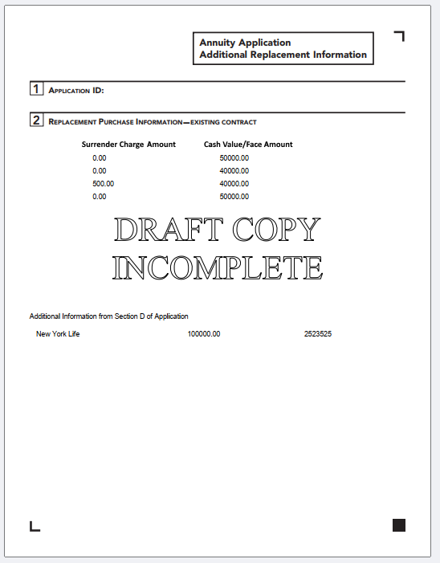

Replacements greater than 4 |  | Map to Replacement Overflow Page as shown in sample

Surrender Charge Amount of all replacement policies |  | Map to Replacement Overflow Page as shown in sample

 |  |  |  | Replacement Overflow Sample

Replacement Purchases only for replacements greater than 1 |  | Map to copies of the RPO page that is indexed from the suitability form. One RPO per page
Owner Info when Plan type in inherited Non qual |  | Map to Beneficial Owner section on the Inherited NQ disclosure form. Map residential address and leave mailing address as blank

Reg 60 Forms Triggering

 | Reg 60 =N/A | Reg 60 =No | Reg 60 =Yes
DOR | Yes | Yes | No
Imp Notice | Yes | No | Yes
Compensation Disclosure | Yes | No | Yes
Sales Material Checklist | Yes | No | Yes
Authorization to obtain info | No | Yes | No

