RenOnBill
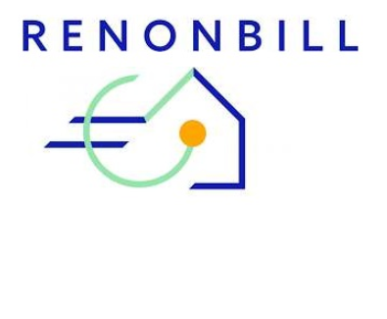

This project has received funding from the European Union’s Horizon 2020 research and innovation programme under grant agreement No 847056.

Legal Notice
The sole responsibility for the content of this publication lies with the authors. It does not necessarily reflect the opinion of the European Union. Neither EASME nor the European Commission is responsible for any use that may be made of the information contained therein.
All rights reserved; no part of this publication may be translated, reproduced, stored in a retrieval system, or transmitted in any form or by any means, electronic, mechanical, photocopying, recording or otherwise, without the written permission of the publisher. Many of the designations used by manufacturers and sellers to distinguish their products are claimed as trademarks. The quotation of those designations in whatever way does not imply the conclusion that the use of those designations is legal without the consent of the owner of the trademark.
This SOFTWARE PRODUCT is provided by the project consortium "as is" and "with all faults." The Project Consortium makes no representations or warranties of any kind concerning the safety, suitability, lack of viruses, inaccuracies, typographical errors, or other harmful components of this SOFTWARE PRODUCT. If there are inherent dangers in the use of any software, the user is solely responsible for determining whether this SOFTWARE PRODUCT is compatible with its equipment and other software installed on its equipment. User is also solely responsible for the protection of its equipment and backup of its data, and the Project Consortium will not be liable for any damages user may suffer in connection with using, modifying, or distributing this SOFTWARE PRODUCT.
Project Acronym | RenOnBIll
Project Name | Residential building energy rENovations with ON-BILL Financing
Project Coordinator | Paolo Michele Sonvilla
 | Senior Manager
 | Creara
 | pms@creara.es
 | Velázquez 157 - 5ª Planta
 | 28012 – Madrid (Spain)
Project Duration | 2019 - 2022
Website | www.renonbill.eu

Deliverable No. | D4.3
Title | Initial functional Excel™ based ERV-Tool
Dissemination Level | Confidential
Work Package | WP4
Lead beneficiary | University of Genova
Contributing beneficiaries | adelphi, Creara, Epta Prime
Author(s) | Vincenzo Bianco, Federico Scarpa – University of Genova
Co-author(s) | Annalisa Marchitto, Luca Tagliafico – University of Genova
Reviewed by | Sophia Stock, Svenja Hector, Leonie Ederli Fickinger – adelphi
 | Paolo Michele Sonvilla, Adriana Villoslada, Andrea Real - Creara
 | Gianpiero Poddighe - Epta Prime
Version and Date | V1.0 – 30th April 2020

