sf12pcs
Data of sf12pcs values |  |  |  |  |  |  |  |  | Pre
Participant | Group | Pre_sf12pcs | Post_sf12pcs | Difference Post-Pre | Difference Post-Pre Control | Difference Post-Pre Intervention | Pre_intervention | Pre_Control | Post_intervention | Post_Control
101 | Intervention | 60.6 | 52.4 | -8 |  | -8 | 60.6 |  | 52.4
102 | Intervention | 41.8 | 52.1 | 10 |  | 10 | 41.8 |  | 52.1
105 | Intervention | 27.5 | 52.3 | 25 |  | 25 | 27.5 |  | 52.3
106 | Intervention | 52.7 | 56.5 | 4 |  | 4 | 52.7 |  | 56.5
107 | Intervention | 57.2 | 64.6 | 7 |  | 7 | 57.2 |  | 64.6
108 | Intervention | 36.2 | 55.1 | 19 |  | 19 | 36.2 |  | 55.1
109 | Intervention | 44.2 | 52.3 | 8 |  | 8 | 44.2 |  | 52.3
111 | Intervention | 35.3 | 53.1 | 18 |  | 18 | 35.3 |  | 53.1
112 | Intervention | 57.5 | 57.2 | 0 |  | 0 | 57.5 |  | 57.2
113 | Intervention | 44.3 | 56.7 | 12 |  | 12 | 44.3 |  | 56.7
115 | Intervention | 47.8 | 49.3 | 2 |  | 2 | 47.8 |  | 49.3
118 | Intervention | 29.8 | 40.0 | 10 |  | 10 | 29.8 |  | 40.0
119 | Intervention | 60.7 | 55.1 | -6 |  | -6 | 60.7 |  | 55.1
210 | Control | 33.5 | 30.6 | -3 | -3 |  |  | 33.5 |  | 30.6
211 | Control | 30.6 | 18.2 | -12 | -12 |  |  | 30.6 |  | 18.2
212 | Control | 51.7 | 49.5 | -2 | -2 |  |  | 51.7 |  | 49.5
213 | Control | 37.7 | 30.4 | -7 | -7 |  |  | 37.7 |  | 30.4
214 | Control | 32.4 | 37.7 | 5 | 5 |  |  | 32.4 |  | 37.7
215 | Control | 32.3 | 44.5 | 12 | 12 |  |  | 32.3 |  | 44.5
216 | Control | 56.2 | 53.1 | -3 | -3 |  |  | 56.2 |  | 53.1
AVERAGES |  | 43.500 | 48.035 | 4.535 | -1.486 | 7.777 | 45.815 | 39.200 | 53.592 | 37.714
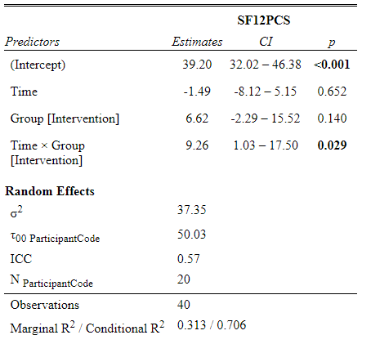
Check values
Intercept | 39.200
Time | -1.486
GroupIntervention | 6.615
Time:GroupIntervention | 9.263

sf12mcs
Data of sf12mcs values
Participant | Group | Pre_sf12mcs | Post_sf12mcs | Difference Post-Pre | Difference Post-Pre Control | Difference Post-Pre Intervention | Pre_intervention | Pre_Control | Post_intervention | Post_Control
101 | Intervention | 35.6 | 56.5 | 21 |  | 21 | 35.6 |  | 56.5
102 | Intervention | 40.6 | 56.7 | 16 |  | 16 | 40.6 |  | 56.7
105 | Intervention | 57.5 | 51.8 | -6 |  | -6 | 57.5 |  | 51.8
106 | Intervention | 45.6 | 55.1 | 10 |  | 10 | 45.6 |  | 55.1
107 | Intervention | 26.0 | 31.2 | 5 |  | 5 | 26.0 |  | 31.2
108 | Intervention | 50.1 | 55.1 | 5 |  | 5 | 50.1 |  | 55.1
109 | Intervention | 58.1 | 56.5 | -2 |  | -2 | 58.1 |  | 56.5
111 | Intervention | 41.8 | 55.6 | 14 |  | 14 | 41.8 |  | 55.6
112 | Intervention | 55.7 | 58.8 | 3 |  | 3 | 55.7 |  | 58.8
113 | Intervention | 49.2 | 45.6 | -4 |  | -4 | 49.2 |  | 45.6
115 | Intervention | 55.0 | 54.4 | -1 |  | -1 | 55.0 |  | 54.4
118 | Intervention | 47.5 | 60.3 | 13 |  | 13 | 47.5 |  | 60.3
119 | Intervention | 38.8 | 55.1 | 16 |  | 16 | 38.8 |  | 55.1
210 | Control | 54.0 | 57.8 | 4 | 4 |  |  | 54.0 |  | 57.8
211 | Control | 40.0 | 33.1 | -7 | -7 |  |  | 40.0 |  | 33.1
212 | Control | 47.4 | 51.7 | 4 | 4 |  |  | 47.4 |  | 51.7
213 | Control | 33.1 | 44.8 | 12 | 12 |  |  | 33.1 |  | 44.8
214 | Control | 35.4 | 40.0 | 5 | 5 |  |  | 35.4 |  | 40.0
215 | Control | 63.0 | 52.9 | -10 | -10 |  |  | 63.0 |  | 52.9
216 | Control | 21.8 | 48.1 | 26 | 26 |  |  | 21.8 |  | 48.1
AVERAGES |  | 44.810 | 51.055 | 6.245 | 4.814 | 7.015 | 46.269 | 42.100 | 53.285 | 46.914
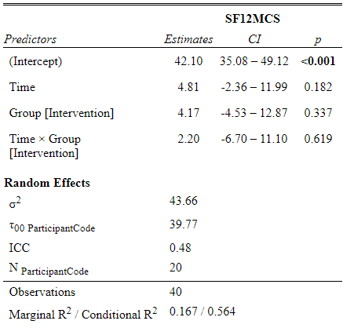
Check values
Intercept | 42.100
Time | 4.814
GroupIntervention | 4.169
Time:GroupIntervention | 2.201

sf12mcs_2
Data of sf12mcs values without cases 213 and 216
Participant | Group | Pre_sf12mcs | Post_sf12mcs | Difference Post-Pre | Difference Post-Pre Control | Difference Post-Pre Intervention | Pre_intervention | Pre_Control | Post_intervention | Post_Control
101 | Intervention | 35.6 | 56.5 | 21 |  | 21 | 35.6 |  | 56.5
102 | Intervention | 40.6 | 56.7 | 16 |  | 16 | 40.6 |  | 56.7
105 | Intervention | 57.5 | 51.8 | -6 |  | -6 | 57.5 |  | 51.8
106 | Intervention | 45.6 | 55.1 | 10 |  | 10 | 45.6 |  | 55.1
107 | Intervention | 26.0 | 31.2 | 5 |  | 5 | 26.0 |  | 31.2
108 | Intervention | 50.1 | 55.1 | 5 |  | 5 | 50.1 |  | 55.1
109 | Intervention | 58.1 | 56.5 | -2 |  | -2 | 58.1 |  | 56.5
111 | Intervention | 41.8 | 55.6 | 14 |  | 14 | 41.8 |  | 55.6
112 | Intervention | 55.7 | 58.8 | 3 |  | 3 | 55.7 |  | 58.8
113 | Intervention | 49.2 | 45.6 | -4 |  | -4 | 49.2 |  | 45.6
115 | Intervention | 55.0 | 54.4 | -1 |  | -1 | 55.0 |  | 54.4
118 | Intervention | 47.5 | 60.3 | 13 |  | 13 | 47.5 |  | 60.3
119 | Intervention | 38.8 | 55.1 | 16 |  | 16 | 38.8 |  | 55.1
210 | Control | 54.0 | 57.8 | 4 | 4 |  |  | 54.0 |  | 57.8
211 | Control | 40.0 | 33.1 | -7 | -7 |  |  | 40.0 |  | 33.1
212 | Control | 47.4 | 51.7 | 4 | 4 |  |  | 47.4 |  | 51.7
214 | Control | 35.4 | 40.0 | 5 | 5 |  |  | 35.4 |  | 40.0
215 | Control | 63.0 | 52.9 | -10 | -10 |  |  | 63.0 |  | 52.9
AVERAGES |  | 46.739 | 51.567 | 4.828 | -0.860 | 7.015 | 46.269 | 47.960 | 53.285 | 47.100
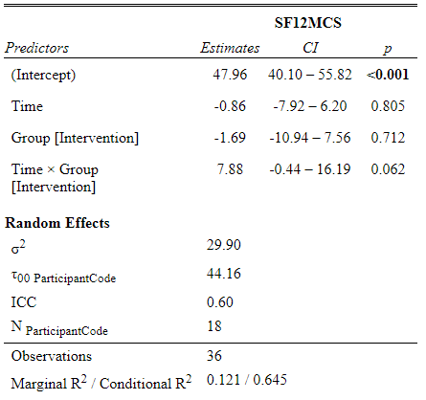
Check values
Intercept | 47.960
Time | -0.860
GroupIntervention | -1.691
Time:GroupIntervention | 7.875

BREF_PHYS
Data of BREF_PHYS values
Participant | Group | Pre_BREF_PHYS | Post_BREF_PHYS | Difference Post-Pre | Difference Post-Pre Control | Difference Post-Pre Intervention | Pre_intervention | Pre_Control | Post_intervention | Post_Control
101 | Intervention | 63 | 81 | 18 |  | 18 | 63 |  | 81
102 | Intervention | 63 | 81 | 18 |  | 18 | 63 |  | 81
105 | Intervention | 63 | 75 | 12 |  | 12 | 63 |  | 75
106 | Intervention | 63 | 81 | 18 |  | 18 | 63 |  | 81
107 | Intervention | 63 | 81 | 18 |  | 18 | 63 |  | 81
108 | Intervention | 81 | 81 | 0 |  | 0 | 81 |  | 81
109 | Intervention | 63 | 75 | 12 |  | 12 | 63 |  | 75
111 | Intervention | 63 | 81 | 18 |  | 18 | 63 |  | 81
112 | Intervention | 69 | 100 | 31 |  | 31 | 69 |  | 100
113 | Intervention | 75 | 88 | 13 |  | 13 | 75 |  | 88
115 | Intervention | 56 | 94 | 38 |  | 38 | 56 |  | 94
118 | Intervention | 56 | 69 | 13 |  | 13 | 56 |  | 69
119 | Intervention | 63 | 81 | 18 |  | 18 | 63 |  | 81
210 | Control | 56 | 63 | 7 | 7 |  |  | 56 |  | 63
211 | Control | 56 | 38 | -18 | -18 |  |  | 56 |  | 38
212 | Control | 63 | 63 | 0 | 0 |  |  | 63 |  | 63
213 | Control | 44 | 44 | 0 | 0 |  |  | 44 |  | 44
214 | Control | 19 | 56 | 37 | 37 |  |  | 19 |  | 56
215 | Control | 69 | 69 | 0 | 0 |  |  | 69 |  | 69
216 | Control | 69 | 94 | 25 | 25 |  |  | 69 |  | 94
AVERAGES |  | 60.85 | 74.75 | 13.90 | 7.29 | 17.46 | 64.69 | 53.71 | 82.15 | 61.00
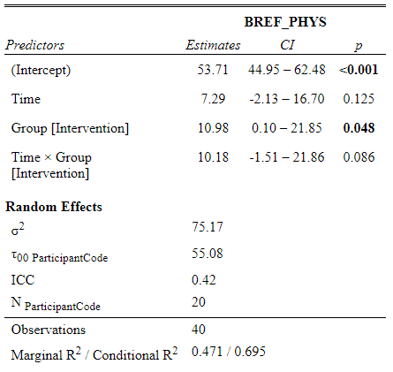
Check values
Intercept | 53.714
Time | 7.286
GroupIntervention | 10.978
Time:GroupIntervention | 10.176

BREF_PSYCHOL
Data of BREF_PSYCHOL values
Participant | Group | Pre_BREF_PSYCHOL | Post_BREF_PSYCHOL | Difference Post-Pre | Difference Post-Pre Control | Difference Post-Pre Intervention | Pre_intervention | Pre_Control | Post_intervention | Post_Control
101 | Intervention | 63 | 75 | 12 |  | 12 | 63 |  | 75
102 | Intervention | 50 | 69 | 19 |  | 19 | 50 |  | 69
105 | Intervention | 69 | 69 | 0 |  | 0 | 69 |  | 69
106 | Intervention | 50 | 81 | 31 |  | 31 | 50 |  | 81
107 | Intervention | 31 | 56 | 25 |  | 25 | 31 |  | 56
108 | Intervention | 75 | 75 | 0 |  | 0 | 75 |  | 75
109 | Intervention | 69 | 81 | 12 |  | 12 | 69 |  | 81
111 | Intervention | 69 | 81 | 12 |  | 12 | 69 |  | 81
112 | Intervention | 69 | 100 | 31 |  | 31 | 69 |  | 100
113 | Intervention | 94 | 94 | 0 |  | 0 | 94 |  | 94
115 | Intervention | 63 | 75 | 12 |  | 12 | 63 |  | 75
118 | Intervention | 69 | 81 | 12 |  | 12 | 69 |  | 81
119 | Intervention | 50 | 75 | 25 |  | 25 | 50 |  | 75
210 | Control | 69 | 69 | 0 | 0 |  |  | 69 |  | 69
211 | Control | 50 | 44 | -6 | -6 |  |  | 50 |  | 44
212 | Control | 44 | 56 | 12 | 12 |  |  | 44 |  | 56
213 | Control | 19 | 44 | 25 | 25 |  |  | 19 |  | 44
214 | Control | 31 | 44 | 13 | 13 |  |  | 31 |  | 44
215 | Control | 75 | 75 | 0 | 0 |  |  | 75 |  | 75
216 | Control | 31 | 44 | 13 | 13 |  |  | 31 |  | 44
AVERAGES |  | 57.000 | 69.400 | 12.400 | 8.143 | 14.692 | 63.154 | 45.571 | 77.846 | 53.714
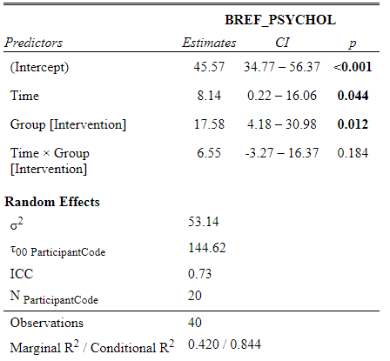
Check values
Intercept | 45.571
Time | 8.143
GroupIntervention | 17.582
Time:GroupIntervention | 6.549

BREF_SOCIAL
Data of BREF_SOCIAL values
Participant | Group | Pre_BREF_SOCIAL | Post_BREF_SOCIAL | Difference Post-Pre | Difference Post-Pre Control | Difference Post-Pre Intervention | Pre_intervention | Pre_Control | Post_intervention | Post_Control
101 | Intervention | 69 | 81 | 12 |  | 12 | 69 |  | 81
102 | Intervention | 31 | 56 | 25 |  | 25 | 31 |  | 56
105 | Intervention | 75 | 69 | -6 |  | -6 | 75 |  | 69
106 | Intervention | 56 | 81 | 25 |  | 25 | 56 |  | 81
107 | Intervention | 44 | 56 | 12 |  | 12 | 44 |  | 56
108 | Intervention | 100 | 56 | -44 |  | -44 | 100 |  | 56
109 | Intervention | 100 | 100 | 0 |  | 0 | 100 |  | 100
111 | Intervention | 44 | 56 | 12 |  | 12 | 44 |  | 56
112 | Intervention | 56 | 81 | 25 |  | 25 | 56 |  | 81
113 | Intervention | 69 | 100 | 31 |  | 31 | 69 |  | 100
115 | Intervention | 50 | 75 | 25 |  | 25 | 50 |  | 75
118 | Intervention | 69 | 69 | 0 |  | 0 | 69 |  | 69
119 | Intervention | 25 | 56 | 31 |  | 31 | 25 |  | 56
210 | Control | 75 | 75 | 0 | 0 |  |  | 75 |  | 75
211 | Control | 69 | 56 | -13 | -13 |  |  | 69 |  | 56
212 | Control | 75 | 75 | 0 | 0 |  |  | 75 |  | 75
213 | Control | 31 | 31 | 0 | 0 |  |  | 31 |  | 31
214 | Control | 31 | 31 | 0 | 0 |  |  | 31 |  | 31
215 | Control | 50 | 70 | 20 | 20 |  |  | 50 |  | 70
216 | Control | 31 | 69 | 38 | 38 |  |  | 31 |  | 69
AVERAGES |  | 57.500 | 67.150 | 9.650 | 6.429 | 11.385 | 60.615 | 51.714 | 72.000 | 58.143
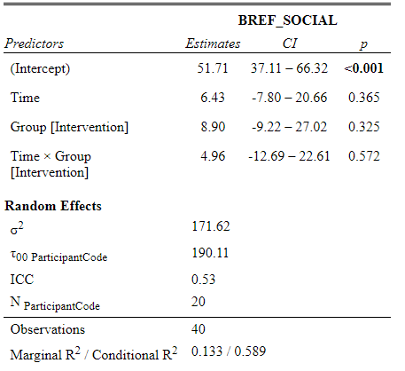
Check values
Intercept | 51.714
Time | 6.429
GroupIntervention | 8.901
Time:GroupIntervention | 4.956

BREF_ENVIR
Data of BREF_ENVIR values
Participant | Group | Pre_BREF_ENVIR | Post_BREF_ENVIR | Difference Post-Pre | Difference Post-Pre Control | Difference Post-Pre Intervention | Pre_intervention | Pre_Control | Post_intervention | Post_Control
101 | Intervention | 88 | 100 | 12 |  | 12 | 88 |  | 100
102 | Intervention | 88 | 94 | 6 |  | 6 | 88 |  | 94
105 | Intervention | 94 | 94 | 0 |  | 0 | 94 |  | 94
106 | Intervention | 75 | 88 | 13 |  | 13 | 75 |  | 88
107 | Intervention | 69 | 69 | 0 |  | 0 | 69 |  | 69
108 | Intervention | 94 | 81 | -13 |  | -13 | 94 |  | 81
109 | Intervention | 100 | 81 | -19 |  | -19 | 100 |  | 81
111 | Intervention | 75 | 81 | 6 |  | 6 | 75 |  | 81
112 | Intervention | 81 | 88 | 7 |  | 7 | 81 |  | 88
113 | Intervention | 94 | 100 | 6 |  | 6 | 94 |  | 100
115 | Intervention | 75 | 75 | 0 |  | 0 | 75 |  | 75
118 | Intervention | 81 | 81 | 0 |  | 0 | 81 |  | 81
119 | Intervention | 75 | 81 | 6 |  | 6 | 75 |  | 81
210 | Control | 94 | 88 | -6 | -6 |  |  | 94 |  | 88
211 | Control | 88 | 88 | 0 | 0 |  |  | 88 |  | 88
212 | Control | 75 | 75 | 0 | 0 |  |  | 75 |  | 75
213 | Control | 56 | 56 | 0 | 0 |  |  | 56 |  | 56
214 | Control | 56 | 56 | 0 | 0 |  |  | 56 |  | 56
215 | Control | 69 | 56 | -13 | -13 |  |  | 69 |  | 56
216 | Control | 75 | 88 | 13 | 13 |  |  | 75 |  | 88
AVERAGES |  | 80.100 | 81.000 | 0.900 | -0.857 | 1.846 | 83.769 | 73.286 | 85.615 | 72.429
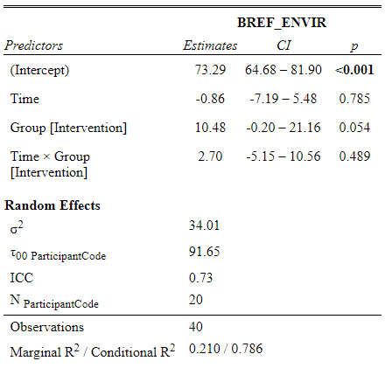
Check values
Intercept | 73.286
Time | -0.857
GroupIntervention | 10.484
Time:GroupIntervention | 2.703

GAD_Score
Data of GAD_Score values
Participant | Group | Pre_GAD_SCORE | Post_GAD_SCORE | Difference Post-Pre | Difference Post-Pre Control | Difference Post-Pre Intervention | Pre_intervention | Pre_Control | Post_intervention | Post_Control
101 | Intervention | 14 | 4 | -10 |  | -10 | 14 |  | 4
102 | Intervention | 9 | 3 | -6 |  | -6 | 9 |  | 3
105 | Intervention | 1 | 1 | 0 |  | 0 | 1 |  | 1
106 | Intervention | 7 | 1 | -6 |  | -6 | 7 |  | 1
107 | Intervention | 12 | 8 | -4 |  | -4 | 12 |  | 8
108 | Intervention | 3 | 0 | -3 |  | -3 | 3 |  | 0
109 | Intervention | 0 | 0 | 0 |  | 0 | 0 |  | 0
111 | Intervention | 4 | 2 | -2 |  | -2 | 4 |  | 2
112 | Intervention | 1 | 1 | 0 |  | 0 | 1 |  | 1
113 | Intervention | 0 | 0 | 0 |  | 0 | 0 |  | 0
115 | Intervention | 5 | 2 | -3 |  | -3 | 5 |  | 2
118 | Intervention | 1 | 2 | 1 |  | 1 | 1 |  | 2
119 | Intervention | 2 | 0 | -2 |  | -2 | 2 |  | 0
210 | Control | 1 | 1 | 0 | 0 |  |  | 1 |  | 1
211 | Control | 7 | 8 | 1 | 1 |  |  | 7 |  | 8
212 | Control | 10 | 8 | -2 | -2 |  |  | 10 |  | 8
213 | Control | 7 | 5 | -2 | -2 |  |  | 7 |  | 5
214 | Control | 7 | 7 | 0 | 0 |  |  | 7 |  | 7
215 | Control | 7 | 5 | -2 | -2 |  |  | 7 |  | 5
216 | Control | 16 | 3 | -13 | -13 |  |  | 16 |  | 3
AVERAGES |  | 5.700 | 3.050 | -2.650 | -2.571 | -2.692 | 4.538 | 7.857 | 1.846 | 5.286
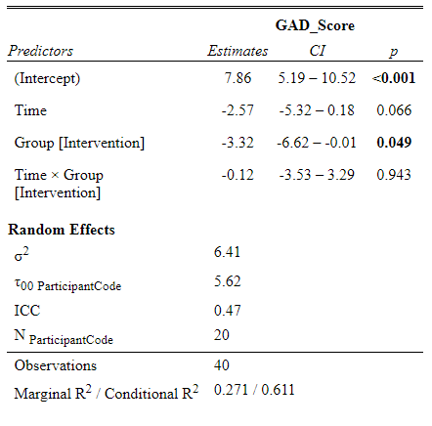
Check values
Intercept | 7.857
Time | -2.571
GroupIntervention | -3.319
Time:GroupIntervention | -0.121

Self_Efficacy_E_SEE
Self_Efficacy_Exercise_SEE |  |  | Obs! Participant 211 removed since no Pre value.
Participant | Group | Pre_Self_Efficacy_Exercise_SEE | Post_Self_Efficacy_Exercise_SEE | Difference Post-Pre | Difference Post-Pre Control | Difference Post-Pre Intervention | Pre_intervention | Pre_Control | Post_intervention | Post_Control
101 | Intervention | 43 | 37 | -6 |  | -6 | 43 |  | 37
102 | Intervention | 55 | 58 | 3 |  | 3 | 55 |  | 58
105 | Intervention | 86 | 51 | -35 |  | -35 | 86 |  | 51
106 | Intervention | 73 | 85 | 12 |  | 12 | 73 |  | 85
107 | Intervention | 58 | 57 | -1 |  | -1 | 58 |  | 57
108 | Intervention | 67 | 78 | 11 |  | 11 | 67 |  | 78
109 | Intervention | 61 | 74 | 13 |  | 13 | 61 |  | 74
111 | Intervention | 56 | 26 | -30 |  | -30 | 56 |  | 26
112 | Intervention | 66 | 74 | 8 |  | 8 | 66 |  | 74
113 | Intervention | 24 | 24 | 0 |  | 0 | 24 |  | 24
115 | Intervention | 60 | 78 | 18 |  | 18 | 60 |  | 78
118 | Intervention | 44 | 44 | 0 |  | 0 | 44 |  | 44
119 | Intervention | 77 | 78 | 1 |  | 1 | 77 |  | 78
210 | Control | 81 | 83 | 2 | 2 |  |  | 81 |  | 83
212 | Control | 35 | 45 | 10 | 10 |  |  | 35 |  | 45
213 | Control | 70 | 51 | -19 | -19 |  |  | 70 |  | 51
214 | Control | 48 | 52 | 4 | 4 |  |  | 48 |  | 52
215 | Control | 54 | 51 | -3 | -3 |  |  | 54 |  | 51
216 | Control | 60 | 9 | -51 | -51 |  |  | 60 |  | 9
AVERAGES |  | 58.842 | 55.526 | -3.316 | -9.500 | -0.462 | 59.231 | 58.000 | 58.769 | 48.500
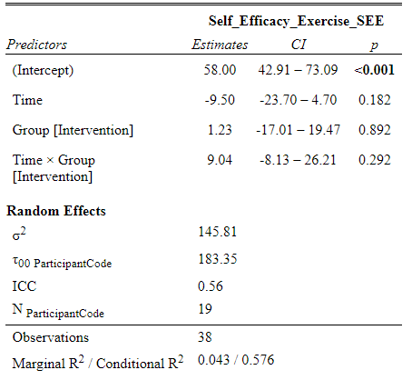
Check values
Intercept | 58.000
Time | -9.500
GroupIntervention | 1.231
Time:GroupIntervention | 9.038

PERMA_Emotion
Data of PERMA_Emotion values
Participant | Group | Pre_PERMA_Emotion | Post_PERMA_Emotion | Difference Post-Pre | Difference Post-Pre Control | Difference Post-Pre Intervention | Pre_intervention | Pre_Control | Post_intervention | Post_Control
101 | Intervention | 6.0 | 7.7 | 2 |  | 2 | 6.0 |  | 7.7
102 | Intervention | 4.7 | 7.3 | 3 |  | 3 | 4.7 |  | 7.3
105 | Intervention | 6.7 | 6.7 | 0 |  | 0 | 6.7 |  | 6.7
106 | Intervention | 7.3 | 8.7 | 1 |  | 1 | 7.3 |  | 8.7
107 | Intervention | 3.7 | 5.7 | 2 |  | 2 | 3.7 |  | 5.7
108 | Intervention | 7.7 | 7.3 | 0 |  | 0 | 7.7 |  | 7.3
109 | Intervention | 7.3 | 7.3 | 0 |  | 0 | 7.3 |  | 7.3
111 | Intervention | 8.7 | 9.0 | 0 |  | 0 | 8.7 |  | 9.0
112 | Intervention | 7.7 | 8.7 | 1 |  | 1 | 7.7 |  | 8.7
113 | Intervention | 9.3 | 10.0 | 1 |  | 1 | 9.3 |  | 10.0
115 | Intervention | 7.0 | 8.0 | 1 |  | 1 | 7.0 |  | 8.0
118 | Intervention | 7.3 | 8.7 | 1 |  | 1 | 7.3 |  | 8.7
119 | Intervention | 5.3 | 7.3 | 2 |  | 2 | 5.3 |  | 7.3
210 | Control | 6.3 | 7.7 | 1 | 1 |  |  | 6.3 |  | 7.7
211 | Control | 4.7 | 3.3 | -1 | -1 |  |  | 4.7 |  | 3.3
212 | Control | 5.7 | 6.7 | 1 | 1 |  |  | 5.7 |  | 6.7
213 | Control | 1.7 | 3.3 | 2 | 2 |  |  | 1.7 |  | 3.3
214 | Control | 5.0 | 4.7 | 0 | 0 |  |  | 5.0 |  | 4.7
215 | Control | 5.3 | 5.7 | 0 | 0 |  |  | 5.3 |  | 5.7
216 | Control | 4.7 | 5.0 | 0 | 0 |  |  | 4.7 |  | 5.0
AVERAGES |  | 6.105 | 6.940 | 0.835 | 0.429 | 1.054 | 6.823 | 4.771 | 7.877 | 5.200

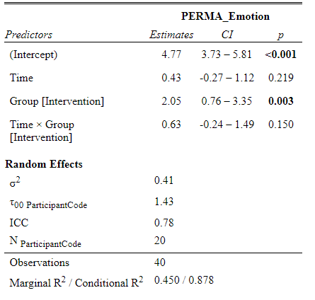
Check values
Intercept | 4.771
Time | 0.429
GroupIntervention | 2.052
Time:GroupIntervention | 0.625

PERMA_Engagement
Data of PERMA_Engagement values
Participant | Group | Pre_PERMA_Engagement | Post_PERMA_Engagement | Difference Post-Pre | Difference Post-Pre Control | Difference Post-Pre Intervention | Pre_intervention | Pre_Control | Post_intervention | Post_Control
101 | Intervention | 6.3 | 8.3 | 2 |  | 2 | 6.3 |  | 8.3
102 | Intervention | 7.0 | 9.7 | 3 |  | 3 | 7.0 |  | 9.7
105 | Intervention | 6.3 | 4.3 | -2 |  | -2 | 6.3 |  | 4.3
106 | Intervention | 6.7 | 7.7 | 1 |  | 1 | 6.7 |  | 7.7
107 | Intervention | 3.7 | 3.3 | 0 |  | 0 | 3.7 |  | 3.3
108 | Intervention | 8.0 | 8.3 | 0 |  | 0 | 8.0 |  | 8.3
109 | Intervention | 7.7 | 7.7 | 0 |  | 0 | 7.7 |  | 7.7
111 | Intervention | 7.7 | 9.3 | 2 |  | 2 | 7.7 |  | 9.3
112 | Intervention | 9.0 | 10.0 | 1 |  | 1 | 9.0 |  | 10.0
113 | Intervention | 6.7 | 6.7 | 0 |  | 0 | 6.7 |  | 6.7
115 | Intervention | 8.3 | 8.3 | 0 |  | 0 | 8.3 |  | 8.3
118 | Intervention | 9.0 | 8.7 | 0 |  | 0 | 9.0 |  | 8.7
119 | Intervention | 6.0 | 8.3 | 2 |  | 2 | 6.0 |  | 8.3
210 | Control | 7.7 | 7.0 | -1 | -1 |  |  | 7.7 |  | 7.0
211 | Control | 5.3 | 4.0 | -1 | -1 |  |  | 5.3 |  | 4.0
212 | Control | 6.7 | 7.0 | 0 | 0 |  |  | 6.7 |  | 7.0
213 | Control | 4.7 | 5.7 | 1 | 1 |  |  | 4.7 |  | 5.7
214 | Control | 5.3 | 4.7 | -1 | -1 |  |  | 5.3 |  | 4.7
215 | Control | 7.0 | 7.0 | 0 | 0 |  |  | 7.0 |  | 7.0
216 | Control | 6.0 | 7.0 | 1 | 1 |  |  | 6.0 |  | 7.0
AVERAGES |  | 6.755 | 7.150 | 0.395 | -0.043 | 0.631 | 7.108 | 6.100 | 7.738 | 6.057

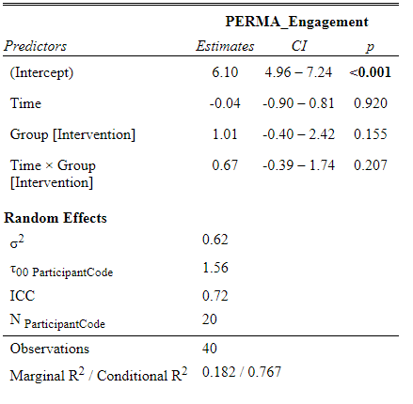
Check values
Intercept | 6.100
Time | -0.043
GroupIntervention | 1.008
Time:GroupIntervention | 0.674

PERMA_Relationships
Data of PERMA_Relationships values
Participant | Group | Pre_PERMA_Relationships | Post_PERMA_Relationships | Difference Post-Pre | Difference Post-Pre Control | Difference Post-Pre Intervention | Pre_intervention | Pre_Control | Post_intervention | Post_Control
101 | Intervention | 7.0 | 8.3 | 1 |  | 1 | 7.0 |  | 8.3
102 | Intervention | 2.7 | 4.3 | 2 |  | 2 | 2.7 |  | 4.3
105 | Intervention | 8.0 | 6.7 | -1 |  | -1 | 8.0 |  | 6.7
106 | Intervention | 5.7 | 8.0 | 2 |  | 2 | 5.7 |  | 8.0
107 | Intervention | 7.3 | 7.0 | 0 |  | 0 | 7.3 |  | 7.0
108 | Intervention | 9.3 | 6.3 | -3 |  | -3 | 9.3 |  | 6.3
109 | Intervention | 8.3 | 8.3 | 0 |  | 0 | 8.3 |  | 8.3
111 | Intervention | 9.3 | 10.0 | 1 |  | 1 | 9.3 |  | 10.0
112 | Intervention | 6.0 | 6.7 | 1 |  | 1 | 6.0 |  | 6.7
113 | Intervention | 10.0 | 10.0 | 0 |  | 0 | 10.0 |  | 10.0
115 | Intervention | 6.0 | 7.0 | 1 |  | 1 | 6.0 |  | 7.0
118 | Intervention | 10.0 | 10.0 | 0 |  | 0 | 10.0 |  | 10.0
119 | Intervention | 2.3 | 6.3 | 4 |  | 4 | 2.3 |  | 6.3
210 | Control | 9.0 | 9.0 | 0 | 0 |  |  | 9.0 |  | 9.0
211 | Control | 7.0 | 7.0 | 0 | 0 |  |  | 7.0 |  | 7.0
212 | Control | 8.7 | 8.3 | 0 | 0 |  |  | 8.7 |  | 8.3
213 | Control | 1.3 | 3.0 | 2 | 2 |  |  | 1.3 |  | 3.0
214 | Control | 5.3 | 6.0 | 1 | 1 |  |  | 5.3 |  | 6.0
215 | Control | 4.7 | 3.7 | -1 | -1 |  |  | 4.7 |  | 3.7
216 | Control | 2.0 | 2.0 | 0 | 0 |  |  | 2.0 |  | 2.0
AVERAGES |  | 6.495 | 6.895 | 0.400 | 0.143 | 0.538 | 7.069 | 5.429 | 7.608 | 5.571

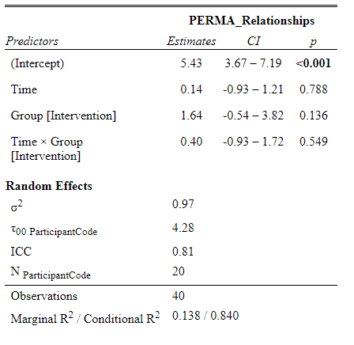
Check values
Intercept | 5.429
Time | 0.143
GroupIntervention | 1.641
Time:GroupIntervention | 0.396

PERMA_Meaning
Data of PERMA_Meaning values
Participant | Group | Pre_PERMA_Meaning | Post_PERMA_Meaning | Difference Post-Pre | Difference Post-Pre Control | Difference Post-Pre Intervention | Pre_intervention | Pre_Control | Post_intervention | Post_Control
101 | Intervention | 6.0 | 8.0 | 2 |  | 2 | 6.0 |  | 8.0
102 | Intervention | 3.3 | 7.3 | 4 |  | 4 | 3.3 |  | 7.3
105 | Intervention | 4.3 | 6.0 | 2 |  | 2 | 4.3 |  | 6.0
106 | Intervention | 6.3 | 7.7 | 1 |  | 1 | 6.3 |  | 7.7
107 | Intervention | 5.3 | 5.7 | 0 |  | 0 | 5.3 |  | 5.7
108 | Intervention | 6.3 | 7.7 | 1 |  | 1 | 6.3 |  | 7.7
109 | Intervention | 7.3 | 7.3 | 0 |  | 0 | 7.3 |  | 7.3
111 | Intervention | 7.3 | 10.0 | 3 |  | 3 | 7.3 |  | 10.0
112 | Intervention | 6.3 | 8.0 | 2 |  | 2 | 6.3 |  | 8.0
113 | Intervention | 10.0 | 10.0 | 0 |  | 0 | 10.0 |  | 10.0
115 | Intervention | 7.3 | 8.0 | 1 |  | 1 | 7.3 |  | 8.0
118 | Intervention | 9.3 | 10.0 | 1 |  | 1 | 9.3 |  | 10.0
119 | Intervention | 3.7 | 7.7 | 4 |  | 4 | 3.7 |  | 7.7
210 | Control | 6.7 | 7.3 | 1 | 1 |  |  | 6.7 |  | 7.3
211 | Control | 5.0 | 5.7 | 1 | 1 |  |  | 5.0 |  | 5.7
212 | Control | 6.0 | 6.0 | 0 | 0 |  |  | 6.0 |  | 6.0
213 | Control | 1.7 | 4.0 | 2 | 2 |  |  | 1.7 |  | 4.0
214 | Control | 5.0 | 5.3 | 0 | 0 |  |  | 5.0 |  | 5.3
215 | Control | 8.0 | 8.3 | 0 | 0 |  |  | 8.0 |  | 8.3
216 | Control | 4.3 | 4.3 | 0 | 0 |  |  | 4.3 |  | 4.3
AVERAGES |  | 5.970 | 7.215 | 1.245 | 0.600 | 1.592 | 6.362 | 5.243 | 7.954 | 5.843

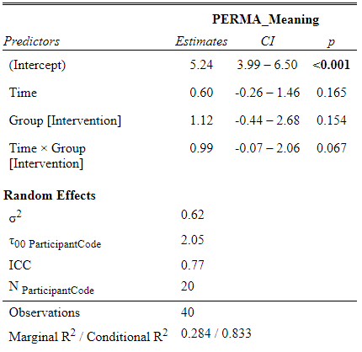
Check values
Intercept | 5.243
Time | 0.600
GroupIntervention | 1.119
Time:GroupIntervention | 0.992

PERMA_Accomplishment
Data of PERMA_Accomplisment values
Participant | Group | Pre_PERMA_Accomplisment | Post_PERMA_Accomplishment | Difference Post-Pre | Difference Post-Pre Control | Difference Post-Pre Intervention | Pre_intervention | Pre_Control | Post_intervention | Post_Control
101 | Intervention | 6.7 | 8.7 | 2 |  | 2 | 6.7 |  | 8.7
102 | Intervention | 4.3 | 9.0 | 5 |  | 5 | 4.3 |  | 9.0
105 | Intervention | 7.0 | 5.7 | -1 |  | -1 | 7.0 |  | 5.7
106 | Intervention | 5.7 | 8.3 | 3 |  | 3 | 5.7 |  | 8.3
107 | Intervention | 5.3 | 5.7 | 0 |  | 0 | 5.3 |  | 5.7
108 | Intervention | 8.3 | 7.7 | -1 |  | -1 | 8.3 |  | 7.7
109 | Intervention | 8.0 | 8.0 | 0 |  | 0 | 8.0 |  | 8.0
111 | Intervention | 7.0 | 9.3 | 2 |  | 2 | 7.0 |  | 9.3
112 | Intervention | 7.7 | 9.0 | 1 |  | 1 | 7.7 |  | 9.0
113 | Intervention | 10.0 | 10.0 | 0 |  | 0 | 10.0 |  | 10.0
115 | Intervention | 7.7 | 8.3 | 1 |  | 1 | 7.7 |  | 8.3
118 | Intervention | 8.0 | 8.3 | 0 |  | 0 | 8.0 |  | 8.3
119 | Intervention | 4.3 | 7.7 | 3 |  | 3 | 4.3 |  | 7.7
210 | Control | 7.3 | 7.0 | 0 | 0 |  |  | 7.3 |  | 7.0
211 | Control | 5.0 | 4.3 | -1 | -1 |  |  | 5.0 |  | 4.3
212 | Control | 5.7 | 7.0 | 1 | 1 |  |  | 5.7 |  | 7.0
213 | Control | 3.3 | 4.3 | 1 | 1 |  |  | 3.3 |  | 4.3
214 | Control | 5.0 | 5.3 | 0 | 0 |  |  | 5.0 |  | 5.3
215 | Control | 6.3 | 7.7 | 1 | 1 |  |  | 6.3 |  | 7.7
216 | Control | 8.3 | 9.3 | 1 | 1 |  |  | 8.3 |  | 9.3
AVERAGES |  | 6.545 | 7.530 | 0.985 | 0.571 | 1.208 | 6.923 | 5.843 | 8.131 | 6.414

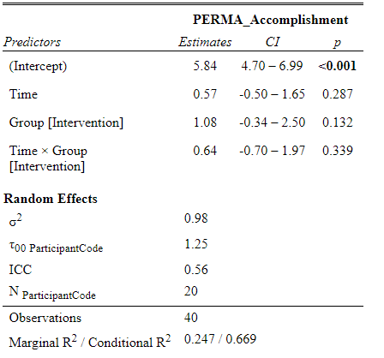
Check values
Intercept | 5.843
Time | 0.571
GroupIntervention | 1.080
Time:GroupIntervention | 0.636

PERMA_Health
Data of PERMA_Health values
Participant | Group | Pre_PERMA_Health | Post_PERMA_Health | Difference Post-Pre | Difference Post-Pre Control | Difference Post-Pre Intervention | Pre_intervention | Pre_Control | Post_intervention | Post_Control
101 | Intervention | 8.3 | 7.3 | -1 |  | -1 | 8.3 |  | 7.3
102 | Intervention | 5.7 | 8.7 | 3 |  | 3 | 5.7 |  | 8.7
105 | Intervention | 6.7 | 4.0 | -3 |  | -3 | 6.7 |  | 4.0
106 | Intervention | 8.3 | 8.7 | 0 |  | 0 | 8.3 |  | 8.7
107 | Intervention | 7.0 | 8.3 | 1 |  | 1 | 7.0 |  | 8.3
108 | Intervention | 6.7 | 9.3 | 3 |  | 3 | 6.7 |  | 9.3
109 | Intervention | 7.0 | 8.3 | 1 |  | 1 | 7.0 |  | 8.3
111 | Intervention | 6.7 | 8.3 | 2 |  | 2 | 6.7 |  | 8.3
112 | Intervention | 9.3 | 10.0 | 1 |  | 1 | 9.3 |  | 10.0
113 | Intervention | 9.3 | 10.0 | 1 |  | 1 | 9.3 |  | 10.0
115 | Intervention | 6.3 | 8.0 | 2 |  | 2 | 6.3 |  | 8.0
118 | Intervention | 5.7 | 5.7 | 0 |  | 0 | 5.7 |  | 5.7
119 | Intervention | 8.7 | 9.3 | 1 |  | 1 | 8.7 |  | 9.3
210 | Control | 3.3 | 5.3 | 2 | 2 |  |  | 3.3 |  | 5.3
211 | Control | 5.3 | 1.7 | -4 | -4 |  |  | 5.3 |  | 1.7
212 | Control | 6.0 | 8.0 | 2 | 2 |  |  | 6.0 |  | 8.0
213 | Control | 2.3 | 3.7 | 1 | 1 |  |  | 2.3 |  | 3.7
214 | Control | 1.3 | 2.0 | 1 | 1 |  |  | 1.3 |  | 2.0
215 | Control | 6.7 | 6.3 | 0 | 0 |  |  | 6.7 |  | 6.3
216 | Control | 6.7 | 7.7 | 1 | 1 |  |  | 6.7 |  | 7.7
AVERAGES |  | 6.365 | 7.030 | 0.665 | 0.443 | 0.785 | 7.362 | 4.514 | 8.146 | 4.957
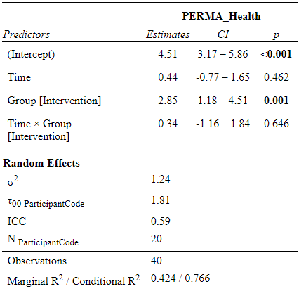
Check values
Intercept | 4.514
Time | 0.443
GroupIntervention | 2.847
Time:GroupIntervention | 0.342

PERMA_Neg_Emotion
Data of PERMA_Neg_Emotion values
Participant | Group | Pre_PERMA_Neg_Emotions | Post_PERMA_Neg_Emotions | Difference Post-Pre | Difference Post-Pre Control | Difference Post-Pre Intervention | Pre_intervention | Pre_Control | Post_intervention | Post_Control
101 | Intervention | 4.3 | 1.7 | -3 |  | -3 | 4.3 |  | 1.7
102 | Intervention | 4.7 | 5.7 | 1 |  | 1 | 4.7 |  | 5.7
105 | Intervention | 2.3 | 4.3 | 2 |  | 2 | 2.3 |  | 4.3
106 | Intervention | 4.3 | 2.0 | -2 |  | -2 | 4.3 |  | 2.0
107 | Intervention | 4.7 | 3.3 | -1 |  | -1 | 4.7 |  | 3.3
108 | Intervention | 4.0 | 2.0 | -2 |  | -2 | 4.0 |  | 2.0
109 | Intervention | 1.7 | 2.0 | 0 |  | 0 | 1.7 |  | 2.0
111 | Intervention | 6.3 | 1.7 | -5 |  | -5 | 6.3 |  | 1.7
112 | Intervention | 2.0 | 2.0 | 0 |  | 0 | 2.0 |  | 2.0
113 | Intervention | 6.3 | 0.3 | -6 |  | -6 | 6.3 |  | 0.3
115 | Intervention | 3.3 | 5.0 | 2 |  | 2 | 3.3 |  | 5.0
118 | Intervention | 2.0 | 1.3 | -1 |  | -1 | 2.0 |  | 1.3
119 | Intervention | 2.7 | 2.0 | -1 |  | -1 | 2.7 |  | 2.0
210 | Control | 4.7 | 4.7 | 0 | 0 |  |  | 4.7 |  | 4.7
211 | Control | 4.7 | 4.0 | -1 | -1 |  |  | 4.7 |  | 4.0
212 | Control | 2.7 | 2.7 | 0 | 0 |  |  | 2.7 |  | 2.7
213 | Control | 3.7 | 4.7 | 1 | 1 |  |  | 3.7 |  | 4.7
214 | Control | 4.3 | 5.3 | 1 | 1 |  |  | 4.3 |  | 5.3
215 | Control | 3.0 | 2.0 | -1 | -1 |  |  | 3.0 |  | 2.0
216 | Control | 1.3 | 1.3 | 0 | 0 |  |  | 1.3 |  | 1.3
AVERAGES |  | 3.650 | 2.900 | -0.750 | 0.043 | -1.177 | 3.738 | 3.486 | 2.562 | 3.529

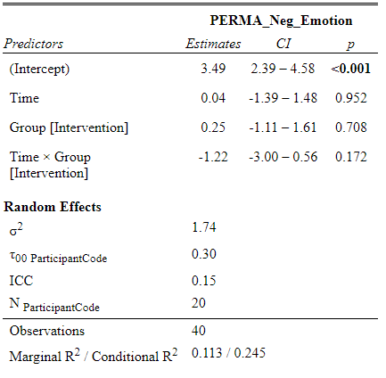
Check values
Intercept | 3.486
Time | 0.043
GroupIntervention | 0.253
Time:GroupIntervention | -1.220

PERMA_WellBeing
Data of PERMA_WellBeing values
Participant | Group | Pre_PERMA_WellBeing | Post_PERMA_WellBeing | Difference Post-Pre | Difference Post-Pre Control | Difference Post-Pre Intervention | Pre_intervention | Pre_Control | Post_intervention | Post_Control
101 | Intervention | 6.4 | 8.2 | 2 |  | 2 | 6.4 |  | 8.2
102 | Intervention | 4.4 | 7.6 | 3 |  | 3 | 4.4 |  | 7.6
105 | Intervention | 6.5 | 6.0 | -1 |  | -1 | 6.5 |  | 6.0
106 | Intervention | 6.4 | 8.1 | 2 |  | 2 | 6.4 |  | 8.1
107 | Intervention | 5.0 | 5.4 | 0 |  | 0 | 5.0 |  | 5.4
108 | Intervention | 7.9 | 7.5 | 0 |  | 0 | 7.9 |  | 7.5
109 | Intervention | 7.8 | 8.1 | 0 |  | 0 | 7.8 |  | 8.1
111 | Intervention | 8.1 | 9.4 | 1 |  | 1 | 8.1 |  | 9.4
112 | Intervention | 7.4 | 8.5 | 1 |  | 1 | 7.4 |  | 8.5
113 | Intervention | 9.3 | 9.4 | 0 |  | 0 | 9.3 |  | 9.4
115 | Intervention | 7.3 | 7.9 | 1 |  | 1 | 7.3 |  | 7.9
118 | Intervention | 8.8 | 9.1 | 0 |  | 0 | 8.8 |  | 9.1
119 | Intervention | 4.3 | 7.5 | 3 |  | 3 | 4.3 |  | 7.5
210 | Control | 7.4 | 7.6 | 0 | 0 |  |  | 7.4 |  | 7.6
211 | Control | 6.5 | 4.9 | -2 | -2 |  |  | 6.5 |  | 4.9
212 | Control | 6.4 | 7.1 | 1 | 1 |  |  | 6.4 |  | 7.1
213 | Control | 2.4 | 4.1 | 2 | 2 |  |  | 2.4 |  | 4.1
214 | Control | 5.1 | 5.3 | 0 | 0 |  |  | 5.1 |  | 5.3
215 | Control | 6.3 | 6.5 | 0 | 0 |  |  | 6.3 |  | 6.5
216 | Control | 5.0 | 5.5 | 1 | 1 |  |  | 5.0 |  | 5.5
AVERAGES |  | 6.435 | 7.185 | 0.750 | 0.271 | 1.008 | 6.892 | 5.586 | 7.900 | 5.857
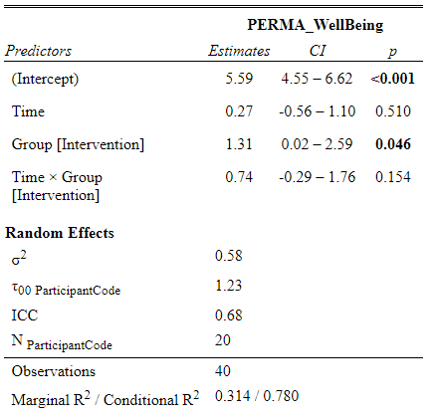
Check values
Intercept | 5.586
Time | 0.271
GroupIntervention | 1.307
Time:GroupIntervention | 0.736

