sf12pcs
Data of sf12pcs values
Participant | Group | Pre_sf12pcs | Post_sf12pcs | Difference Post-Pre |  | Normality test for differences (has to be non-significant):
101 | Intervention | 60.6 | 52.4 | -8.2 |  | normtest.p = 0.991 | OK
102 | Intervention | 41.8 | 52.1 | 10.3
105 | Intervention | 27.5 | 52.3 | 24.8 |  | Descreptive statistics:
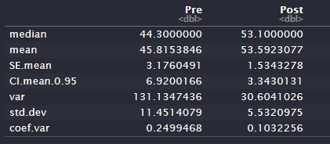
106 | Intervention | 52.7 | 56.5 | 3.8
107 | Intervention | 57.2 | 64.6 | 7.4
108 | Intervention | 36.2 | 55.1 | 18.9
109 | Intervention | 44.2 | 52.3 | 8.1
111 | Intervention | 35.3 | 53.1 | 17.8
112 | Intervention | 57.5 | 57.2 | -0.3
113 | Intervention | 44.3 | 56.7 | 12.4
115 | Intervention | 47.8 | 49.3 | 1.5
118 | Intervention | 29.8 | 40.0 | 10.2
119 | Intervention | 60.7 | 55.1 | -5.6
AVERAGES |  | 45.815 | 53.592 | 7.777

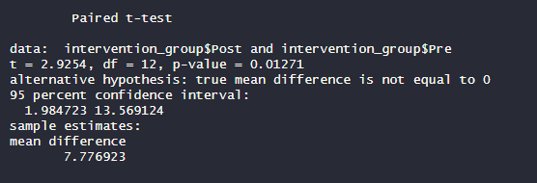
t-test result: |  |  |  |  | Effect size:
 |  |  |  |  | 0.645 (Large effect)

sf12mcs
Data of sf12mcs values
Participant | Group | Pre_sf12mcs | Post_sf12mcs | Difference Post-Pre |  | Normality test for differences (has to be non-significant):
101 | Intervention | 35.6 | 56.5 | 20.90 |  | normtest.p = 0.651 | OK
102 | Intervention | 40.6 | 56.7 | 16.10
105 | Intervention | 57.5 | 51.8 | -5.70 |  | Descreptive statistics:
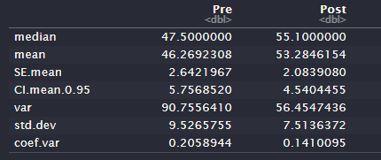
106 | Intervention | 45.6 | 55.1 | 9.50
107 | Intervention | 26.0 | 31.2 | 5.20
108 | Intervention | 50.1 | 55.1 | 5.00
109 | Intervention | 58.1 | 56.5 | -1.60
111 | Intervention | 41.8 | 55.6 | 13.80
112 | Intervention | 55.7 | 58.8 | 3.10
113 | Intervention | 49.2 | 45.6 | -3.60
115 | Intervention | 55.0 | 54.4 | -0.60
118 | Intervention | 47.5 | 60.3 | 12.80
119 | Intervention | 38.8 | 55.1 | 16.30
AVERAGES |  | 46.269 | 53.285 | 7.015

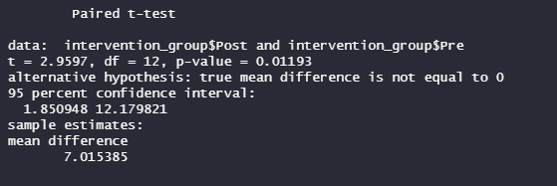
t-test result: |  |  |  |  | Effect size:
 |  |  |  |  | 0.65 (Large effect)

BREF_PHYS
Data of BREF_PHYS values
Participant | Group | Pre_BREF_PHYS | Post_BREF_PHYS | Difference Post-Pre |  | Normality test for differences (has to be non-significant):
101 | Intervention | 63 | 81 | 18 |  | normtest.p = 0.041 | NOT OK
102 | Intervention | 63 | 81 | 18
105 | Intervention | 63 | 75 | 12 |  | Descreptive statistics:
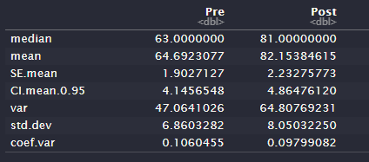
106 | Intervention | 63 | 81 | 18
107 | Intervention | 63 | 81 | 18
108 | Intervention | 81 | 81 | 0
109 | Intervention | 63 | 75 | 12
111 | Intervention | 63 | 81 | 18
112 | Intervention | 69 | 100 | 31
113 | Intervention | 75 | 88 | 13
115 | Intervention | 56 | 94 | 38
118 | Intervention | 56 | 69 | 13
119 | Intervention | 63 | 81 | 18
AVERAGES |  | 64.69 | 82.15 | 17.46

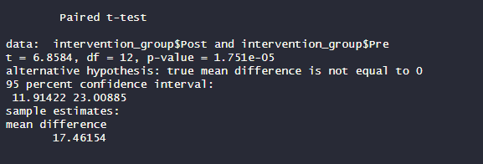
t-test result: |  |  |  |  | Effect size:
 |  |  |  |  | 0.893 (Large Effect)

BREF_PSYCHOL
Data of BREF_PSYCHOL values
Participant | Group | Pre_BREF_PSYCHOL | Post_BREF_PSYCHOL | Difference Post-Pre |  | Normality test for differences (has to be non-significant):
101 | Intervention | 63 | 75 | 12 |  | normtest.p = 0.106 | OK
102 | Intervention | 50 | 69 | 19
105 | Intervention | 69 | 69 | 0 |  | Descreptive statistics:
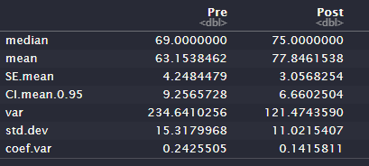
106 | Intervention | 50 | 81 | 31
107 | Intervention | 31 | 56 | 25
108 | Intervention | 75 | 75 | 0
109 | Intervention | 69 | 81 | 12
111 | Intervention | 69 | 81 | 12
112 | Intervention | 69 | 100 | 31
113 | Intervention | 94 | 94 | 0
115 | Intervention | 63 | 75 | 12
118 | Intervention | 69 | 81 | 12
119 | Intervention | 50 | 75 | 25
AVERAGES |  | 63.154 | 77.846 | 14.692

t-test result: |  |  |  |  | Effect size:
 |  |  |  |  | 0.812 (Large effect)

BREF_SOCIAL
Data of BREF_SOCIAL values
Participant | Group | Pre_BREF_SOCIAL | Post_BREF_SOCIAL | Difference Post-Pre |  | Normality test for differences (has to be non-significant):
101 | Intervention | 69 | 81 | 12 |  | normtest.p = 0.012 | NOT OK
102 | Intervention | 31 | 56 | 25
105 | Intervention | 75 | 69 | -6 |  | Descreptive statistics:
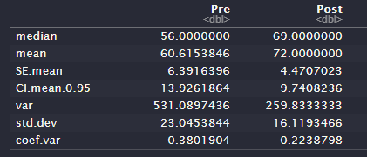
106 | Intervention | 56 | 81 | 25
107 | Intervention | 44 | 56 | 12
108 | Intervention | 100 | 56 | -44
109 | Intervention | 100 | 100 | 0
111 | Intervention | 44 | 56 | 12
112 | Intervention | 56 | 81 | 25
113 | Intervention | 69 | 100 | 31
115 | Intervention | 50 | 75 | 25
118 | Intervention | 69 | 69 | 0
119 | Intervention | 25 | 56 | 31
AVERAGES |  | 60.615 | 72.000 | 11.385

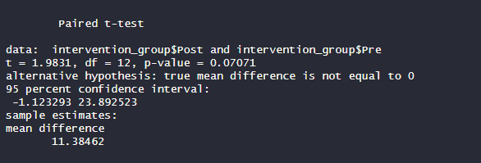
t-test result: |  |  |  |  | Effect size:
 |  |  |  |  | 0.497 (Medium Effect)

BREF_ENVIR
Data of BREF_ENVIR values
Participant | Group | Pre_BREF_ENVIR | Post_BREF_ENVIR | Difference Post-Pre |  | Normality test for differences (has to be non-significant):
101 | Intervention | 88 | 100 | 12 |  | normtest.p = 0.036 | NOT OK
102 | Intervention | 88 | 94 | 6
105 | Intervention | 94 | 94 | 0 |  | Descreptive statistics:
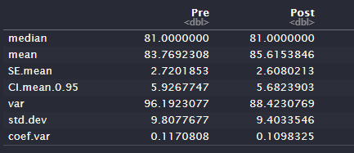
106 | Intervention | 75 | 88 | 13
107 | Intervention | 69 | 69 | 0
108 | Intervention | 94 | 81 | -13
109 | Intervention | 100 | 81 | -19
111 | Intervention | 75 | 81 | 6
112 | Intervention | 81 | 88 | 7
113 | Intervention | 94 | 100 | 6
115 | Intervention | 75 | 75 | 0
118 | Intervention | 81 | 81 | 0
119 | Intervention | 75 | 81 | 6
AVERAGES |  | 83.769 | 85.615 | 1.846

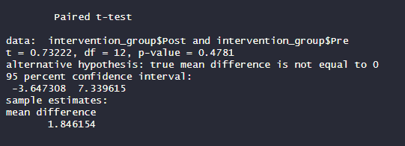
t-test result: |  |  |  |  | Effect size:
 |  |  |  |  | 0.207 (Small effect)

GAD_Score
Data of GAD_Score values
Participant | Group | Pre_GAD_SCORE | Post_GAD_SCORE | Difference Post-Pre |  | Normality test for differences (has to be non-significant):
101 | Intervention | 14 | 4 | -10 |  | normtest.p = 0.118 | OK
102 | Intervention | 9 | 3 | -6
105 | Intervention | 1 | 1 | 0 |  | Descreptive statistics:
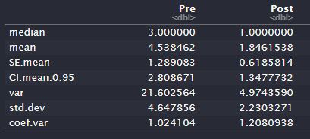
106 | Intervention | 7 | 1 | -6
107 | Intervention | 12 | 8 | -4
108 | Intervention | 3 | 0 | -3
109 | Intervention | 0 | 0 | 0
111 | Intervention | 4 | 2 | -2
112 | Intervention | 1 | 1 | 0
113 | Intervention | 0 | 0 | 0
115 | Intervention | 5 | 2 | -3
118 | Intervention | 1 | 2 | 1
119 | Intervention | 2 | 0 | -2
AVERAGES |  | 4.538 | 1.846 | -2.692

t-test result: |  |  |  |  | Effect size:
 |  |  |  |  | 0.662 (Large effect)

Self_Efficacy_E_SEE
Self_Efficacy_Exercise_SEE
Participant | Group | Pre_Self_Efficacy_Exercise_SEE | Post_Self_Efficacy_Exercise_SEE | Difference Post-Pre |  | Normality test for differences (has to be non-significant):
101 | Intervention | 43 | 37 | -6 |  | normtest.p = 0.021 | NOT OK
102 | Intervention | 55 | 58 | 3
105 | Intervention | 86 | 51 | -35 |  | Descreptive statistics:
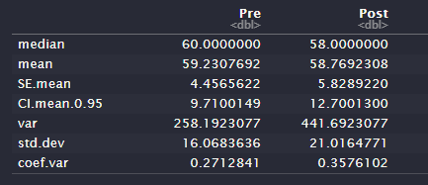
106 | Intervention | 73 | 85 | 12
107 | Intervention | 58 | 57 | -1
108 | Intervention | 67 | 78 | 11
109 | Intervention | 61 | 74 | 13
111 | Intervention | 56 | 26 | -30
112 | Intervention | 66 | 74 | 8
113 | Intervention | 24 | 24 | 0
115 | Intervention | 60 | 78 | 18
118 | Intervention | 44 | 44 | 0
119 | Intervention | 77 | 78 | 1
AVERAGES |  | 59.231 | 58.769 | -0.462

t-test result: |  |  |  |  | Effect size:
 |  |  |  |  | 0.03 (No effect)

PERMA_Emotion
Data of PERMA_Emotion values
Participant | Group | Pre_PERMA_Emotion | Post_PERMA_Emotion | Difference Post-Pre |  | Normality test for differences (has to be non-significant):
101 | Intervention | 6.0 | 7.7 | 1.7 |  | normtest.p = 0.877 | OK
102 | Intervention | 4.7 | 7.3 | 2.6
105 | Intervention | 6.7 | 6.7 | 0.0 |  | Descreptive statistics:
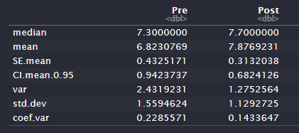
106 | Intervention | 7.3 | 8.7 | 1.4
107 | Intervention | 3.7 | 5.7 | 2.0
108 | Intervention | 7.7 | 7.3 | -0.4
109 | Intervention | 7.3 | 7.3 | 0.0
111 | Intervention | 8.7 | 9.0 | 0.3
112 | Intervention | 7.7 | 8.7 | 1.0
113 | Intervention | 9.3 | 10.0 | 0.7
115 | Intervention | 7.0 | 8.0 | 1.0
118 | Intervention | 7.3 | 8.7 | 1.4
119 | Intervention | 5.3 | 7.3 | 2.0
AVERAGES |  | 6.823 | 7.877 | 1.054

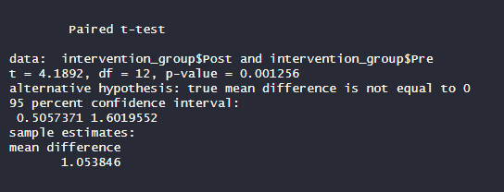
t-test result: |  |  |  |  | Effect size:
 |  |  |  |  | 0.771 (Large effect)

PERMA_Engagement
Data of PERMA_Engagement values
Participant | Group | Pre_PERMA_Engagement | Post_PERMA_Engagement | Difference Post-Pre |  | Normality test for differences (has to be non-significant):
101 | Intervention | 6.3 | 8.3 | 2.0 |  | normtest.p = 0.704 | OK
102 | Intervention | 7.0 | 9.7 | 2.7
105 | Intervention | 6.3 | 4.3 | -2.0 |  | Descreptive statistics:
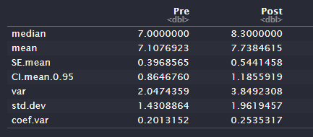
106 | Intervention | 6.7 | 7.7 | 1.0
107 | Intervention | 3.7 | 3.3 | -0.4
108 | Intervention | 8.0 | 8.3 | 0.3
109 | Intervention | 7.7 | 7.7 | 0.0
111 | Intervention | 7.7 | 9.3 | 1.6
112 | Intervention | 9.0 | 10.0 | 1.0
113 | Intervention | 6.7 | 6.7 | 0.0
115 | Intervention | 8.3 | 8.3 | 0.0
118 | Intervention | 9.0 | 8.7 | -0.3
119 | Intervention | 6.0 | 8.3 | 2.3
AVERAGES |  | 7.108 | 7.738 | 0.631

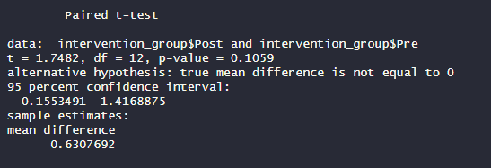
t-test result: |  |  |  |  | Effect size:
 |  |  |  |  | 0.451 (Medium effect)

PERMA_Relationships
Data of PERMA_Relationships values
Participant | Group | Pre_PERMA_Relationships | Post_PERMA_Relationships | Difference Post-Pre |  | Normality test for differences (has to be non-significant):
101 | Intervention | 7.0 | 8.3 | 1.3 |  | normtest.p = 0.884 | OK
102 | Intervention | 2.7 | 4.3 | 1.6
105 | Intervention | 8.0 | 6.7 | -1.3 |  | Descreptive statistics:
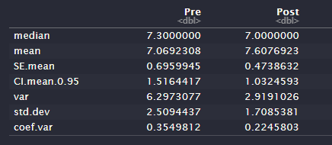
106 | Intervention | 5.7 | 8.0 | 2.3
107 | Intervention | 7.3 | 7.0 | -0.3
108 | Intervention | 9.3 | 6.3 | -3.0
109 | Intervention | 8.3 | 8.3 | 0.0
111 | Intervention | 9.3 | 10.0 | 0.7
112 | Intervention | 6.0 | 6.7 | 0.7
113 | Intervention | 10.0 | 10.0 | 0.0
115 | Intervention | 6.0 | 7.0 | 1.0
118 | Intervention | 10.0 | 10.0 | 0.0
119 | Intervention | 2.3 | 6.3 | 4.0
AVERAGES |  | 7.069 | 7.608 | 0.538

t-test result: |  |  |  |  | Effect size:
 |  |  |  |  | 0.314 (Medium effect)

PERMA_Meaning
Data of PERMA_Meaning values
Participant | Group | Pre_PERMA_Meaning | Post_PERMA_Meaning | Difference Post-Pre |  | Normality test for differences (has to be non-significant):
101 | Intervention | 6.0 | 8.0 | 2.0 |  | normtest.p = 0.115 | OK
102 | Intervention | 3.3 | 7.3 | 4.0
105 | Intervention | 4.3 | 6.0 | 1.7 |  | Descreptive statistics:
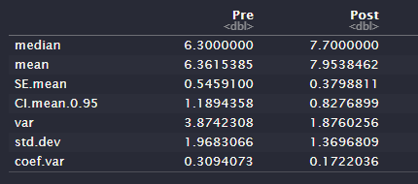
106 | Intervention | 6.3 | 7.7 | 1.4
107 | Intervention | 5.3 | 5.7 | 0.4
108 | Intervention | 6.3 | 7.7 | 1.4
109 | Intervention | 7.3 | 7.3 | 0.0
111 | Intervention | 7.3 | 10.0 | 2.7
112 | Intervention | 6.3 | 8.0 | 1.7
113 | Intervention | 10.0 | 10.0 | 0.0
115 | Intervention | 7.3 | 8.0 | 0.7
118 | Intervention | 9.3 | 10.0 | 0.7
119 | Intervention | 3.7 | 7.7 | 4.0
AVERAGES |  | 6.362 | 7.954 | 1.592

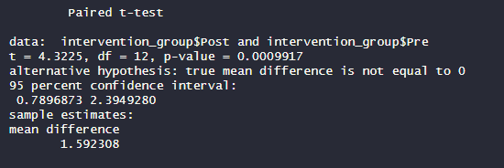
t-test result: |  |  |  |  | Effect size:
 |  |  |  |  | 0.78 (Large effect)

PERMA_Accomplishment
Data of PERMA_Accomplishment values
Participant | Group | Pre_PERMA_Accomplisment | Post_PERMA_Accomplishment | Difference Post-Pre |  | Normality test for differences (has to be non-significant):
101 | Intervention | 6.7 | 8.7 | 2.0 |  | normtest.p = 0.736 | OK
102 | Intervention | 4.3 | 9.0 | 4.7
105 | Intervention | 7.0 | 5.7 | -1.3 |  | Descreptive statistics:
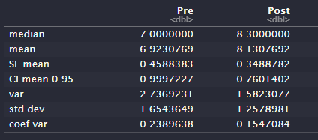
106 | Intervention | 5.7 | 8.3 | 2.6
107 | Intervention | 5.3 | 5.7 | 0.4
108 | Intervention | 8.3 | 7.7 | -0.6
109 | Intervention | 8.0 | 8.0 | 0.0
111 | Intervention | 7.0 | 9.3 | 2.3
112 | Intervention | 7.7 | 9.0 | 1.3
113 | Intervention | 10.0 | 10.0 | 0.0
115 | Intervention | 7.7 | 8.3 | 0.6
118 | Intervention | 8.0 | 8.3 | 0.3
119 | Intervention | 4.3 | 7.7 | 3.4
AVERAGES |  | 6.923 | 8.131 | 1.208

t-test result: |  |  |  |  | Effect size:
 |  |  |  |  | 0.592 (Large effect)

PERMA_Health
Data of PERMA_Health values
Participant | Group | Pre_PERMA_Health | Post_PERMA_Health | Difference Post-Pre |  | Normality test for differences (has to be non-significant):
101 | Intervention | 8.3 | 7.3 | -1.0 |  | normtest.p = 0.439 | OK
102 | Intervention | 5.7 | 8.7 | 3.0
105 | Intervention | 6.7 | 4.0 | -2.7 |  | Descreptive statistics:
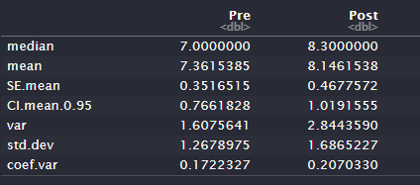
106 | Intervention | 8.3 | 8.7 | 0.4
107 | Intervention | 7.0 | 8.3 | 1.3
108 | Intervention | 6.7 | 9.3 | 2.6
109 | Intervention | 7.0 | 8.3 | 1.3
111 | Intervention | 6.7 | 8.3 | 1.6
112 | Intervention | 9.3 | 10.0 | 0.7
113 | Intervention | 9.3 | 10.0 | 0.7
115 | Intervention | 6.3 | 8.0 | 1.7
118 | Intervention | 5.7 | 5.7 | 0.0
119 | Intervention | 8.7 | 9.3 | 0.6
AVERAGES |  | 7.362 | 8.146 | 0.785

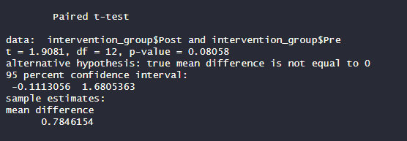
t-test result: |  |  |  |  | Effect size:
 |  |  |  |  | 0.482 (Medium size)

PERMA_Neg_Emotion
Data of PERMA_Neg_Emotion values
Participant | Group | Pre_PERMA_Neg_Emotions | Post_PERMA_Neg_Emotions | Difference Post-Pre |  | Normality test for differences (has to be non-significant):
101 | Intervention | 4.3 | 1.7 | -2.6 |  | normtest.p = 0.695 | OK
102 | Intervention | 4.7 | 5.7 | 1.0
105 | Intervention | 2.3 | 4.3 | 2.0 |  | Descreptive statistics:
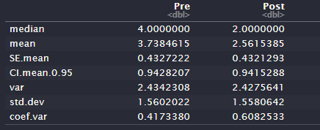
106 | Intervention | 4.3 | 2.0 | -2.3
107 | Intervention | 4.7 | 3.3 | -1.4
108 | Intervention | 4.0 | 2.0 | -2.0
109 | Intervention | 1.7 | 2.0 | 0.3
111 | Intervention | 6.3 | 1.7 | -4.6
112 | Intervention | 2.0 | 2.0 | 0.0
113 | Intervention | 6.3 | 0.3 | -6.0
115 | Intervention | 3.3 | 5.0 | 1.7
118 | Intervention | 2.0 | 1.3 | -0.7
119 | Intervention | 2.7 | 2.0 | -0.7
AVERAGES |  | 3.738 | 2.562 | -1.177

t-test result: |  |  |  |  | Effect size:
 |  |  |  |  | 0.463 (Medium size)

PERMA_WellBeing
Data of PERMA_WellBeing values
Participant | Group | Pre_PERMA_WellBeing | Post_PERMA_WellBeing | Difference Post-Pre |  | Normality test for differences (has to be non-significant):
101 | Intervention | 6.4 | 8.2 | 1.8 |  | normtest.p = 0.168 | OK
102 | Intervention | 4.4 | 7.6 | 3.2
105 | Intervention | 6.5 | 6.0 | -0.5 |  | Descreptive statistics:
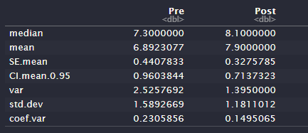
106 | Intervention | 6.4 | 8.1 | 1.7
107 | Intervention | 5.0 | 5.4 | 0.4
108 | Intervention | 7.9 | 7.5 | -0.4
109 | Intervention | 7.8 | 8.1 | 0.3
111 | Intervention | 8.1 | 9.4 | 1.3
112 | Intervention | 7.4 | 8.5 | 1.1
113 | Intervention | 9.3 | 9.4 | 0.1
115 | Intervention | 7.3 | 7.9 | 0.6
118 | Intervention | 8.8 | 9.1 | 0.3
119 | Intervention | 4.3 | 7.5 | 3.2
AVERAGES |  | 6.892 | 7.900 | 1.008

t-test result: |  |  |  |  | Effect size:
 |  |  |  |  | 0.656 (Large effect)

