Configuration_template
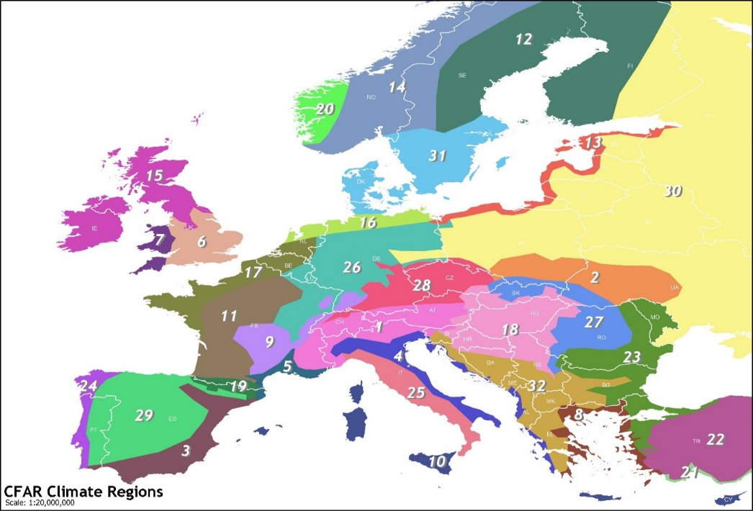
Header_YourData | Header_CFARS_Python | Site Metadata | Selection | If Option Selection is Other, Note Here | Key Cleaning Flags/Filters Applied | Selection | Notes

Time | Timestamp | CFARS Region: |  |  | Tower Distortion using Conservative Method?
PM2_Ane_A1_Avg | Ane2_WS | Terrain: |  |  | Anemometer Icing?
PM2_Ane_A1_Min |  | Comparison Height (m): | 30 |  | Wind Speed Outliers?
PM2_Ane_A1_Max |  | Season: |  |  | Sensor Degradation?
PM2_Ane_A1_Std | Ane2_SD | Distance between RSD and Mast: |  |  | RSD Low Data Availability Filter?
TI | Ane2_TI | RSD Type: | ZX |  | RSD Low CNR Filter?
PM2_Ane_B1_Avg | Ref_WS | Reference Anemometer Type: |  |  | Application of site-specific transfer function (slope/offset)
PM2_Ane_B1_Min |  | Anemometer 2 Type:
PM2_Ane_B1_Max |  | Reference Anemometer Class:
PM2_Ane_B1_Std | Ref_SD | Anemometer 2 Class:
TI_cup | Ref_TI | Does anemometer mounting meet Measnet/IEC Standards?
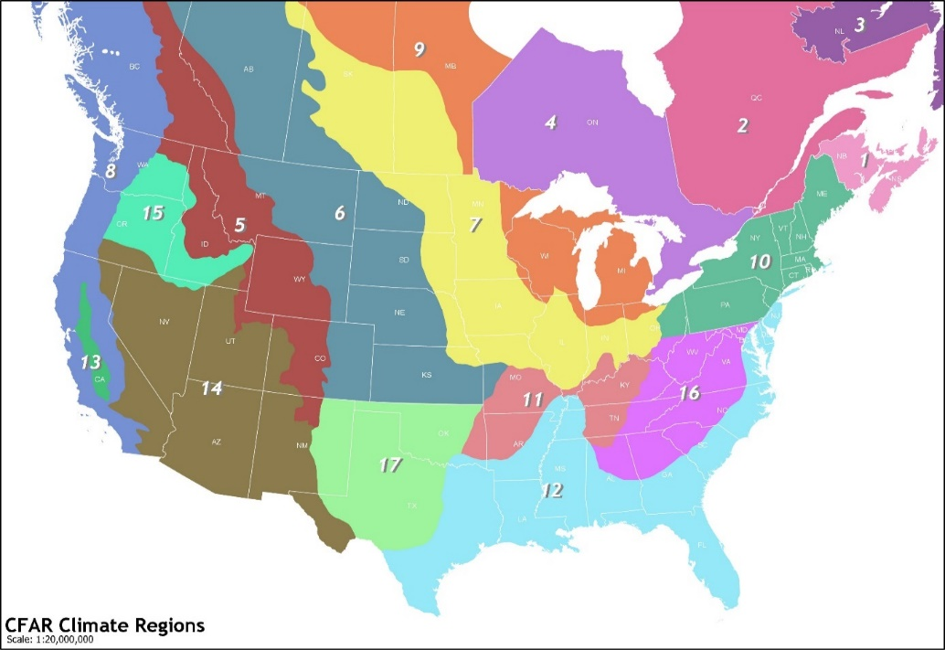
TI_Lidar | RSD_TI
WS93_Avg | RSD_WS
tiE_35
tiE_55
40m Wind Direction
40m Wind Speed
WS93_Std | RSD_SD
Quality (Station Height 40m)
60m Wind Direction
60m Wind Speed
60m Wind Vert
Quality (Station Height 60m)
40m Wind Turbulence
60m Wind Turbulence

