1.Build
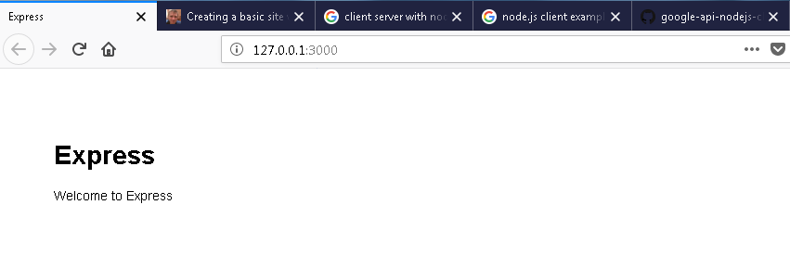
https://shapeshed.com/creating-a-basic-site-with-node-and-express/

#1 | Check version NPM and NODEJS
 |  | node -v
 |  | npm -v
#2 | Set up global eviroment for nodeJs
 |  | npm install -g express-generator |  | Tạo biến môi trương common
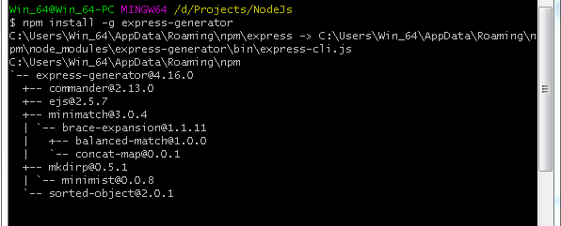

#3 | Create project name
 |  | express -c stylus express_example1 |  | projetcName = "express_example1"
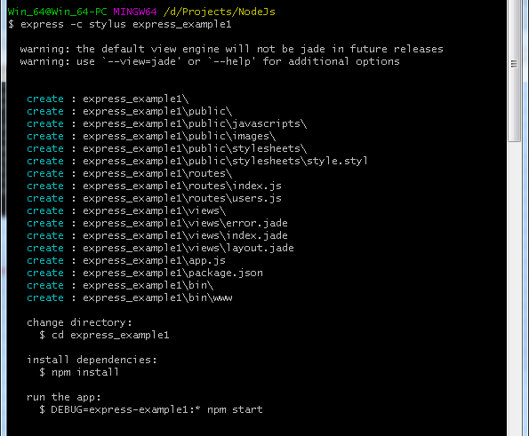

#4 | install dependencies
 |  | cd express_example1 && npm install

#5 | boot app
 |  | set DEBUG=express_example:* & npm start
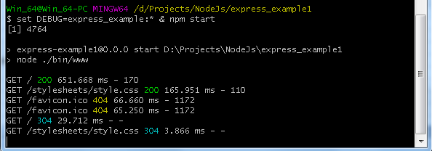

 |  |  | http://127.0.0.1:3000/

#6 | Confirm result

2.Analyst
Required finish sheet [1.Build]
 | D:\Projects\NodeJs\express_example1

#1 | Start
 | Ngay từ ban đầu, APP dc build tự động hoàn toàn, chỉ việc RUN vài câu lệnh là BUILD xong 1 project simple
 | Có các thành phần cơ bản sau :
 |  | package.json
 |  |  | config chung cho project
 |  |  |  | Tên project là gì ?
 |  |  |  | Sử dụng loại VIEW nào để hiển thị : JADE / PUB / HTML …

 |  | app.js
 |  |  | Chứa toàn bộ các ROUTER thông qua các URI mà CLIENT gửi lên.
 |  |  |  | Có 2 router dc GEN sẵn, có thể access thử để vào
 |  |  |  | Có thể add Router theo mong muốn
 |  |  |  |  | var indexRouter = require('./routes/index');
 |  |  |  |  | var usersRouter = require('./routes/users');
 |  |  |  |  | app.use('/', indexRouter);
 |  |  |  |  | app.use('/users', usersRouter);

 |  |  | Chỉ ra VIEW nào sẽ dc sử dụng
 |  |  |  | view engine : jade
 |  |  |  |  | // view engine setup
 |  |  |  |  | app.set('views', path.join(__dirname, 'views'));
 |  |  |  |  | app.set('view engine', 'jade');

 |  | Others
 |  |  | Các thư mực sau cài đặt success

#2 | Add a router demo
 |  | var listRouter = require('./routes/list');
 |  | app.use('/list', listRouter);
 |  | -> Cần phải add 1 views tương ứng : "./views/list.jade"

 | Add 2 list datatest
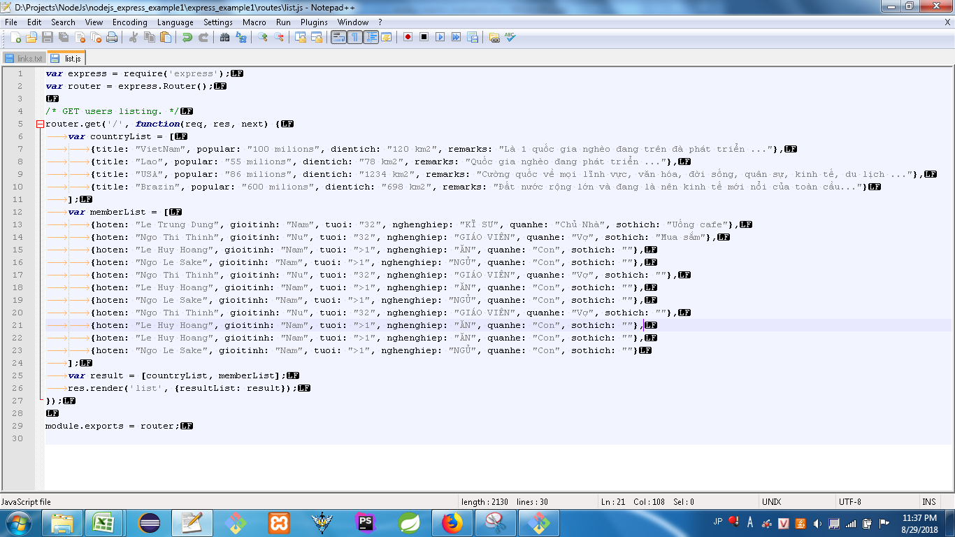

 |  |  |  |  |  | var express = require('express');
 |  |  |  |  |  | var router = express.Router();

 |  |  |  |  |  | /* GET users listing. */
 |  |  |  |  |  | router.get('/', function(req, res, next) {
 |  |  |  |  |  |  | var countryList = [
 |  |  |  |  |  |  |  | {title: "VietNam", popular: "100 milions", dientich: "120 km2", remarks: "Là 1 quốc gia nghèo đang trên đà phát triển ..."},
 |  |  |  |  |  |  |  | {title: "Lao", popular: "55 milions", dientich: "78 km2", remarks: "Quốc gia nghèo đang phát triển ..."},
 |  |  |  |  |  |  |  | {title: "USA", popular: "86 milions", dientich: "1234 km2", remarks: "Cường quốc về mọi lĩnh vực, văn hóa, đời sống, quân sự, kinh tế, du lịch ..."},
 |  |  |  |  |  |  |  | {title: "Brazin", popular: "600 milions", dientich: "698 km2", remarks: "Đất nước rộng lớn và đang là nên kinh tế mới nổi của toàn cầu..."}
 |  |  |  |  |  |  | ];
 |  |  |  |  |  |  | var memberList = [
 |  |  |  |  |  |  |  | {hoten: "Le Trung Dung", gioitinh: "Nam", tuoi: "32", nghenghiep: "KĨ SƯ", quanhe: "Chủ Nhà", sothich: "Uống cafe"},
 |  |  |  |  |  |  |  | {hoten: "Ngo Thi Thinh", gioitinh: "Nu", tuoi: "32", nghenghiep: "GIÁO VIÊN", quanhe: "Vợ", sothich: "Mua sắm"},
 |  |  |  |  |  |  |  | {hoten: "Le Huy Hoang", gioitinh: "Nam", tuoi: ">1", nghenghiep: "ĂN", quanhe: "Con", sothich: ""},
 |  |  |  |  |  |  |  | {hoten: "Ngo Le Sake", gioitinh: "Nam", tuoi: ">1", nghenghiep: "NGỦ", quanhe: "Con", sothich: ""},
 |  |  |  |  |  |  |  | {hoten: "Ngo Thi Thinh", gioitinh: "Nu", tuoi: "32", nghenghiep: "GIÁO VIÊN", quanhe: "Vợ", sothich: ""},
 |  |  |  |  |  |  |  | {hoten: "Le Huy Hoang", gioitinh: "Nam", tuoi: ">1", nghenghiep: "ĂN", quanhe: "Con", sothich: ""},
 |  |  |  |  |  |  |  | {hoten: "Ngo Le Sake", gioitinh: "Nam", tuoi: ">1", nghenghiep: "NGỦ", quanhe: "Con", sothich: ""},
 |  |  |  |  |  |  |  | {hoten: "Ngo Thi Thinh", gioitinh: "Nu", tuoi: "32", nghenghiep: "GIÁO VIÊN", quanhe: "Vợ", sothich: ""},
 |  |  |  |  |  |  |  | {hoten: "Le Huy Hoang", gioitinh: "Nam", tuoi: ">1", nghenghiep: "ĂN", quanhe: "Con", sothich: ""},
 |  |  |  |  |  |  |  | {hoten: "Le Huy Hoang", gioitinh: "Nam", tuoi: ">1", nghenghiep: "ĂN", quanhe: "Con", sothich: ""},
 |  |  |  |  |  |  |  | {hoten: "Ngo Le Sake", gioitinh: "Nam", tuoi: ">1", nghenghiep: "NGỦ", quanhe: "Con", sothich: ""}
 |  |  |  |  |  |  | ];
 |  |  |  |  |  |  | var result = [countryList, memberList];
 |  |  |  |  |  |  | res.render('list', {resultList: result});
 |  |  |  |  |  | });

 |  |  |  |  |  | module.exports = router;

 | Add 2 list table
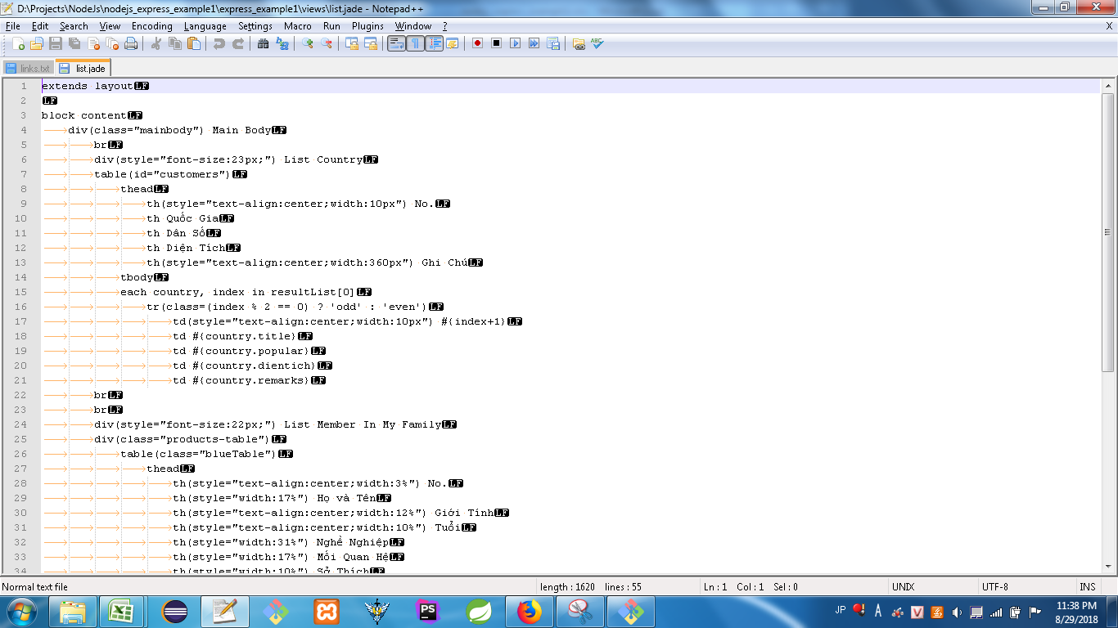
 |  |  |  |  |  | extends layout

 |  |  |  |  |  | block content
 |  |  |  |  |  |  | div(class="mainbody") Main Body
 |  |  |  |  |  |  |  | br
 |  |  |  |  |  |  |  | div(style="font-size:23px;") List Country
 |  |  |  |  |  |  |  | table(id="customers")
 |  |  |  |  |  |  |  |  | thead
 |  |  |  |  |  |  |  |  |  | th(style="text-align:center;width:10px") No.
 |  |  |  |  |  |  |  |  |  | th Quốc Gia
 |  |  |  |  |  |  |  |  |  | th Dân Số
 |  |  |  |  |  |  |  |  |  | th Diện Tích
 |  |  |  |  |  |  |  |  |  | th(style="text-align:center;width:360px") Ghi Chú
 |  |  |  |  |  |  |  |  | tbody
 |  |  |  |  |  |  |  |  | each country, index in resultList[0]
 |  |  |  |  |  |  |  |  |  | tr(class=(index % 2 == 0) ? 'odd' : 'even')
 |  |  |  |  |  |  |  |  |  |  | td(style="text-align:center;width:10px") #{index+1}
 |  |  |  |  |  |  |  |  |  |  | td #{country.title}
 |  |  |  |  |  |  |  |  |  |  | td #{country.popular}
 |  |  |  |  |  |  |  |  |  |  | td #{country.dientich}
 |  |  |  |  |  |  |  |  |  |  | td #{country.remarks}
 |  |  |  |  |  |  |  | br
 |  |  |  |  |  |  |  | br
 |  |  |  |  |  |  |  | div(style="font-size:22px;") List Member In My Family
 |  |  |  |  |  |  |  | div(class="products-table")
 |  |  |  |  |  |  |  |  | table(class="blueTable")
 |  |  |  |  |  |  |  |  |  | thead
 |  |  |  |  |  |  |  |  |  |  | th(style="text-align:center;width:3%") No.
 |  |  |  |  |  |  |  |  |  |  | th(style="width:17%") Họ và Tên
 |  |  |  |  |  |  |  |  |  |  | th(style="text-align:center;width:12%") Giới Tính
 |  |  |  |  |  |  |  |  |  |  | th(style="text-align:center;width:10%") Tuổi
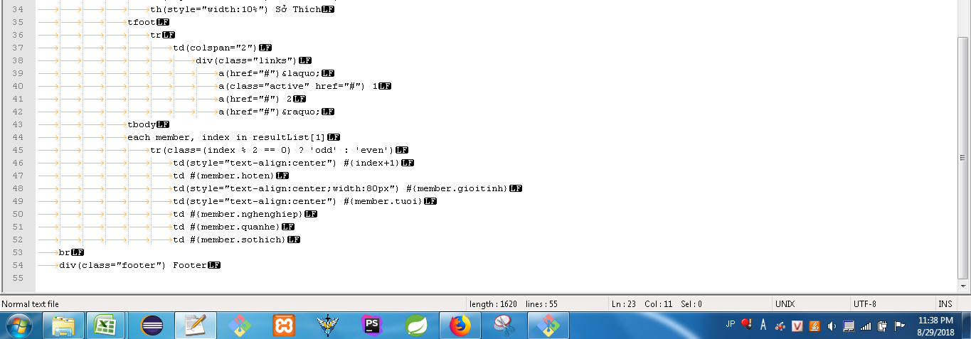
 |  |  |  |  |  |  |  |  |  |  | th(style="width:31%") Nghề Nghiệp
 |  |  |  |  |  |  |  |  |  |  | th(style="width:17%") Mối Quan Hệ
 |  |  |  |  |  |  |  |  |  |  | th(style="width:10%") Sở Thích
 |  |  |  |  |  |  |  |  |  | tfoot
 |  |  |  |  |  |  |  |  |  |  | tr
 |  |  |  |  |  |  |  |  |  |  |  | td(colspan="2")
 |  |  |  |  |  |  |  |  |  |  |  |  | div(class="links")
 |  |  |  |  |  |  |  |  |  |  |  |  |  | a(href="#")&laquo;
 |  |  |  |  |  |  |  |  |  |  |  |  |  | a(class="active" href="#") 1
 |  |  |  |  |  |  |  |  |  |  |  |  |  | a(href="#") 2
 |  |  |  |  |  |  |  |  |  |  |  |  |  | a(href="#")&raquo;
 |  |  |  |  |  |  |  |  |  | tbody
 |  |  |  |  |  |  |  |  |  | each member, index in resultList[1]
 |  |  |  |  |  |  |  |  |  |  | tr(class=(index % 2 == 0) ? 'odd' : 'even')
 |  |  |  |  |  |  |  |  |  |  |  | td(style="text-align:center") #{index+1}
 |  |  |  |  |  |  |  |  |  |  |  | td #{member.hoten}
 |  |  |  |  |  |  |  |  |  |  |  | td(style="text-align:center;width:80px") #{member.gioitinh}
 |  |  |  |  |  |  |  |  |  |  |  | td(style="text-align:center") #{member.tuoi}
 |  |  |  |  |  |  |  |  |  |  |  | td #{member.nghenghiep}
 |  |  |  |  |  |  |  |  |  |  |  | td #{member.quanhe}
 |  |  |  |  |  |  |  |  |  |  |  | td #{member.sothich}
 |  |  |  |  |  |  | br
 |  |  |  |  |  |  | div(class="footer") Footer

 | http://localhost:3000/api/list
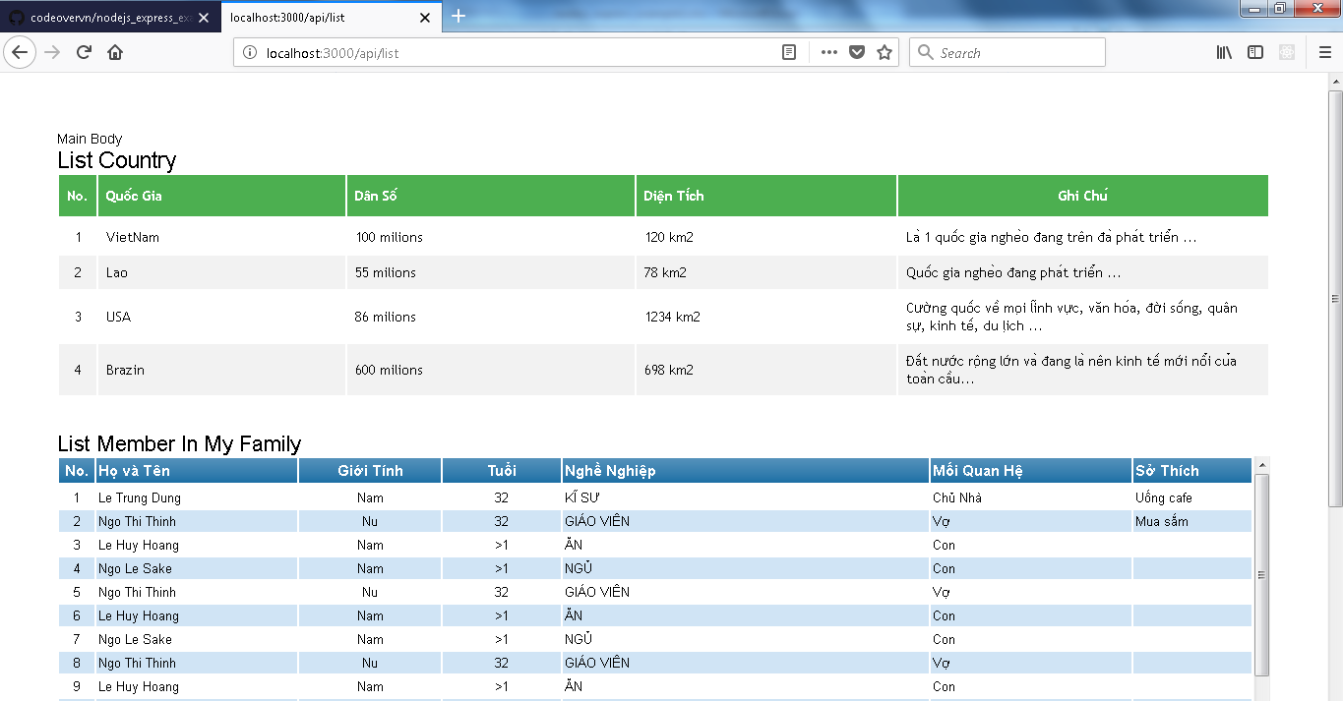

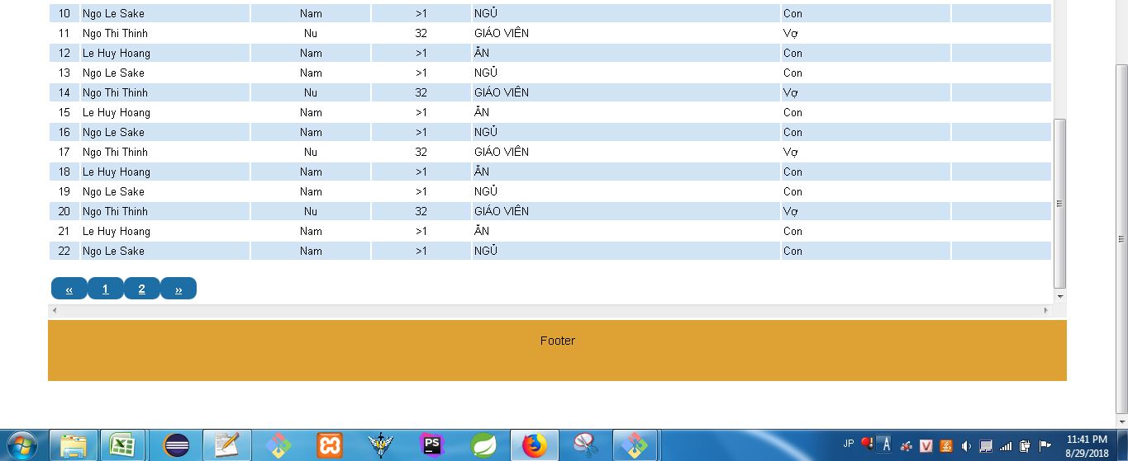

 | Add thêm CSS cho VIEW mới
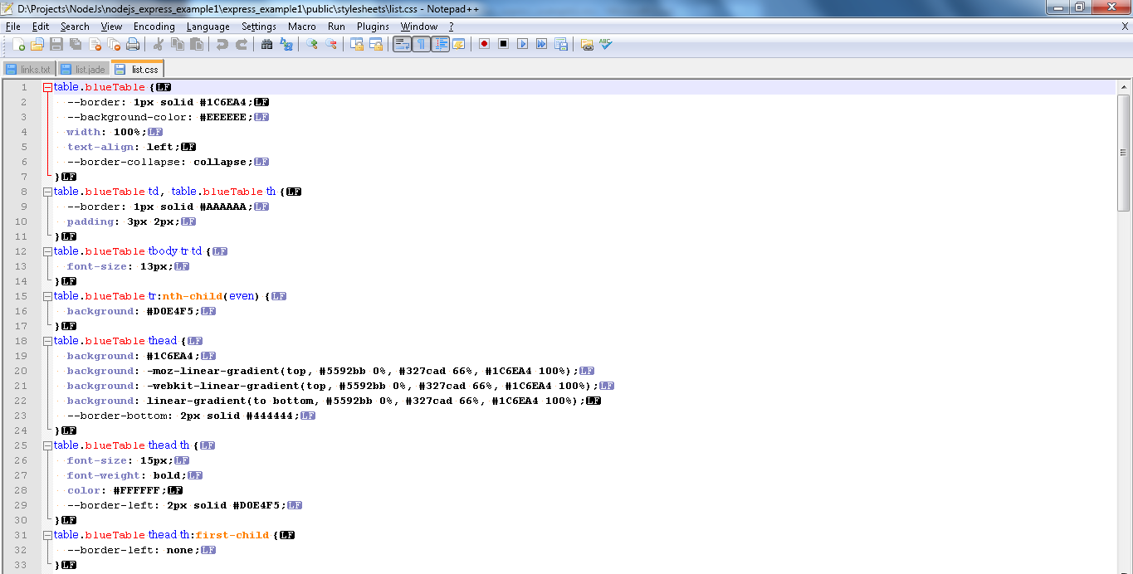
 |  |  |  |  |  | table.blueTable {
 |  |  |  |  |  | --border: 1px solid #1C6EA4;
 |  |  |  |  |  | --background-color: #EEEEEE;
 |  |  |  |  |  | width: 100%;
 |  |  |  |  |  | text-align: left;
 |  |  |  |  |  | --border-collapse: collapse;
 |  |  |  |  |  | }
 |  |  |  |  |  | table.blueTable td, table.blueTable th {
 |  |  |  |  |  | --border: 1px solid #AAAAAA;
 |  |  |  |  |  | padding: 3px 2px;
 |  |  |  |  |  | }
 |  |  |  |  |  | table.blueTable tbody tr td {
 |  |  |  |  |  | font-size: 13px;
 |  |  |  |  |  | }
 |  |  |  |  |  | table.blueTable tr:nth-child(even) {
 |  |  |  |  |  | background: #D0E4F5;
 |  |  |  |  |  | }
 |  |  |  |  |  | table.blueTable thead {
 |  |  |  |  |  | background: #1C6EA4;
 |  |  |  |  |  | background: -moz-linear-gradient(top, #5592bb 0%, #327cad 66%, #1C6EA4 100%);
 |  |  |  |  |  | background: -webkit-linear-gradient(top, #5592bb 0%, #327cad 66%, #1C6EA4 100%);
 |  |  |  |  |  | background: linear-gradient(to bottom, #5592bb 0%, #327cad 66%, #1C6EA4 100%);
 |  |  |  |  |  | --border-bottom: 2px solid #444444;
 |  |  |  |  |  | }
 |  |  |  |  |  | table.blueTable thead th {
 |  |  |  |  |  | font-size: 15px;
 |  |  |  |  |  | font-weight: bold;
 |  |  |  |  |  | color: #FFFFFF;
 |  |  |  |  |  | --border-left: 2px solid #D0E4F5;
 |  |  |  |  |  | }
 |  |  |  |  |  | table.blueTable thead th:first-child {
 |  |  |  |  |  | --border-left: none;

 |  |  |  |  |  | }

 |  |  |  |  |  | table.blueTable tfoot {
 |  |  |  |  |  | font-size: 14px;
 |  |  |  |  |  | font-weight: bold;
 |  |  |  |  |  | --color: #FFFFFF;
 |  |  |  |  |  | --background: #D0E4F5;
 |  |  |  |  |  | --background: -moz-linear-gradient(top, #dcebf7 0%, #d4e6f6 66%, #D0E4F5 100%);
 |  |  |  |  |  | --background: -webkit-linear-gradient(top, #dcebf7 0%, #d4e6f6 66%, #D0E4F5 100%);
 |  |  |  |  |  | --background: linear-gradient(to bottom, #dcebf7 0%, #d4e6f6 66%, #D0E4F5 100%);
 |  |  |  |  |  | border-top: 2px solid #444444;
 |  |  |  |  |  | }
 |  |  |  |  |  | table.blueTable tfoot td {
 |  |  |  |  |  | font-size: 14px;
 |  |  |  |  |  | }
 |  |  |  |  |  | table.blueTable tfoot .links {
 |  |  |  |  |  | text-align: left;
 |  |  |  |  |  | margin-top: 16px;
 |  |  |  |  |  | }
 |  |  |  |  |  | table.blueTable tfoot .links a{
 |  |  |  |  |  | display: inline-block;
 |  |  |  |  |  | background: #1C6EA4;
 |  |  |  |  |  | color: #FFFFFF;
 |  |  |  |  |  | padding: 5px 18px;
 |  |  |  |  |  | border-radius: 9px;
 |  |  |  |  |  | }


 |  |  |  |  |  | .products-table
 |  |  |  |  |  | {
 |  |  |  |  |  | width: 100%;
 |  |  |  |  |  | height: 400px;
 |  |  |  |  |  | overflow: scroll;
 |  |  |  |  |  | }

 |  |  |  |  |  | #customers {
 |  |  |  |  |  | font-family: "Trebuchet MS", Arial, Helvetica, sans-serif;
 |  |  |  |  |  | --border-collapse: collapse;
 |  |  |  |  |  | width: 100%;
 |  |  |  |  |  | }

 |  |  |  |  |  | #customers td, #customers th {
 |  |  |  |  |  | --border: 1px solid #ddd;
 |  |  |  |  |  | padding: 8px;
 |  |  |  |  |  | }

 |  |  |  |  |  | #customers tr:nth-child(even) {
 |  |  |  |  |  | background-color: #f2f2f2;
 |  |  |  |  |  | }

 |  |  |  |  |  | #customers tr:hover {
 |  |  |  |  |  | background-color: #ADE;
 |  |  |  |  |  | }


 |  |  |  |  |  | #customers th {
 |  |  |  |  |  | padding-top: 12px;
 |  |  |  |  |  | padding-bottom: 12px;
 |  |  |  |  |  | text-align: left;
 |  |  |  |  |  | background-color: #4CAF50;
 |  |  |  |  |  | color: white;
 |  |  |  |  |  | }

 |  |  |  |  |  | .header {
 |  |  |  |  |  | --position: fixed;
 |  |  |  |  |  | --background-color: #DEA234;
 |  |  |  |  |  | --color: white;
 |  |  |  |  |  | --text-align: center;
 |  |  |  |  |  | --padding-top: 10px;
 |  |  |  |  |  | --height: 30px;
 |  |  |  |  |  | --width: 100%
 |  |  |  |  |  | }
 |  |  |  |  |  | .footer {
 |  |  |  |  |  | --position: fixed;
 |  |  |  |  |  | --left: 0;
 |  |  |  |  |  | --bottom: 0;
 |  |  |  |  |  | --background-color: #DEA234;
 |  |  |  |  |  | --color: white;
 |  |  |  |  |  | --text-align: center;
 |  |  |  |  |  | --padding-top: 10px;
 |  |  |  |  |  | --height: 30px;
 |  |  |  |  |  | --width: 100%;

 |  |  |  |  |  | --position: absolute;
 |  |  |  |  |  | --right: 0;
 |  |  |  |  |  | --bottom: 0;
 |  |  |  |  |  | --left: 0;
 |  |  |  |  |  | --padding: 1rem;
 |  |  |  |  |  | --background-color: #efefef;
 |  |  |  |  |  | --text-align: center;

 |  |  |  |  |  | clear: both;
 |  |  |  |  |  | position: relative;
 |  |  |  |  |  | padding: 1rem;
 |  |  |  |  |  | background-color: #DEA234;
 |  |  |  |  |  | z-index: 10;
 |  |  |  |  |  | height: 3em;
 |  |  |  |  |  | margin-top: -1em;
 |  |  |  |  |  | text-align: center;
 |  |  |  |  |  | }

push2Git
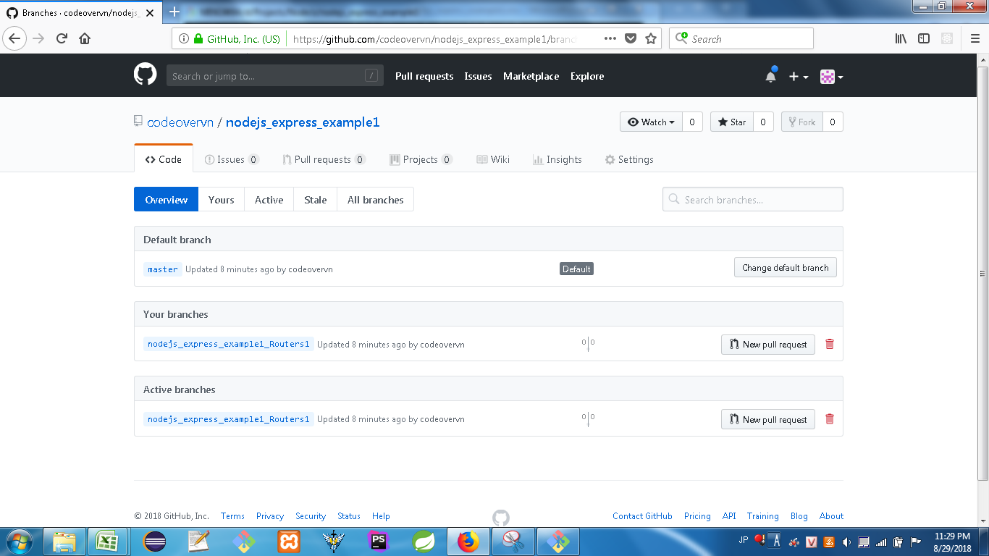
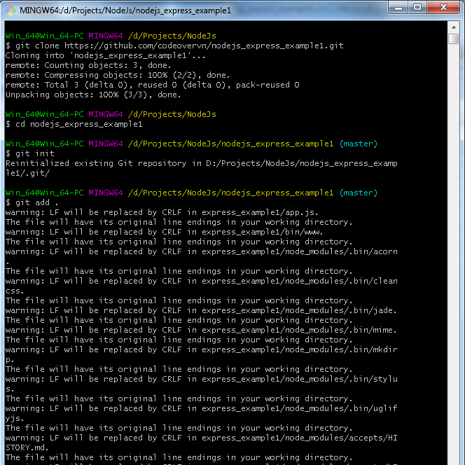
 | At GitHub -> create new branch : nodejs_express_example1
0 | git clone https://github.com/codeovervn/%nodejs_express_example1.git%
 | Get branch về local (có thể là master branch hoặc other branch).

1 | git init
 | Khởi động branch

2 | git add .
 | Add toàn bộ files/folder có trong folder lên Git branch

3 | git commit -m "comment anything at here"
 | Commit toàn bộ vào branch ở Local

4 | git push origin master
 | git push origin %other branch%
 | PUSH toàn bộ nội dung lên branch mới dc tạo trên GITHUB "master"

hết

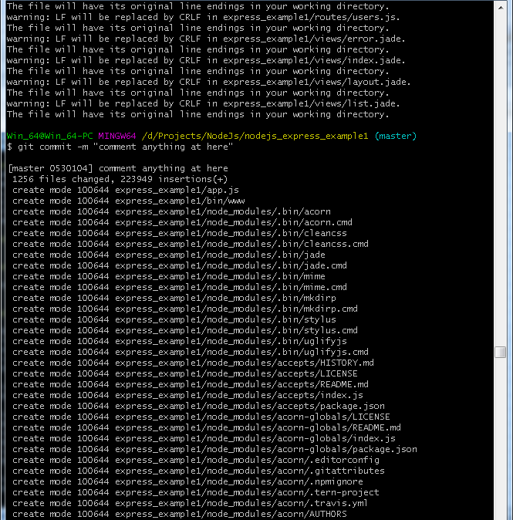

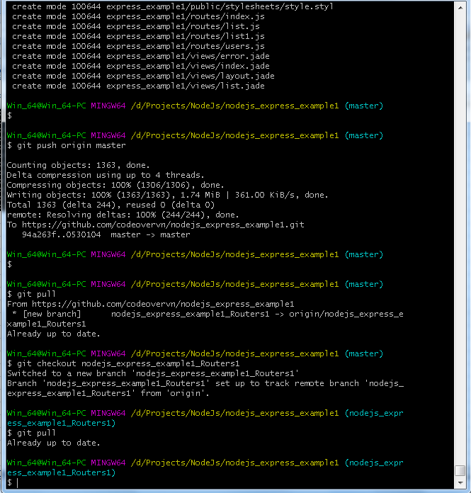

after create new branch on GIT finished -> checkout to local.

