Tabelle1
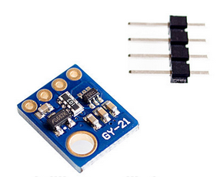
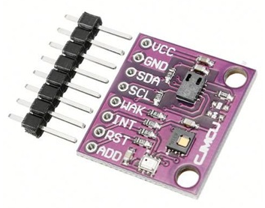
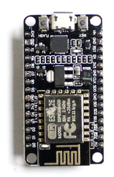
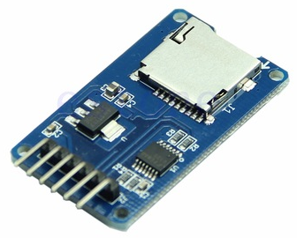
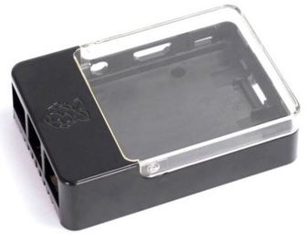
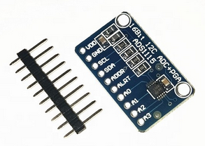
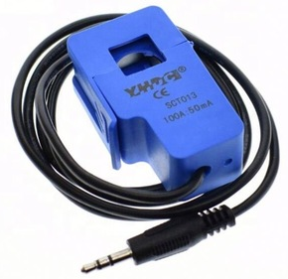
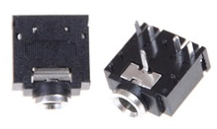
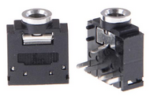
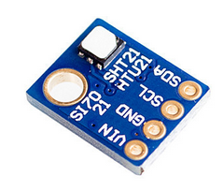
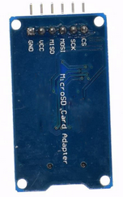
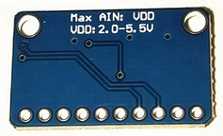
Stocklist
SuperNanny V2
2019 Oktober
Simon, Ismail, Ibish, Anna

There aren’t that reliable suppliers in China. So, try to by the same thing we bought, we looked for components on Alibaba because it was the only thing we know.

BOM | Environmental conditions

Typ | Cost / piec | supplyer | supplyer link | min order | Amount

si7021 | 0,3571 | Alibaba | https://german.alibaba.com/product-detail/Humidity-Sensor-with-I2C-Interface-Si7021-60756946240.html?spm=a2700.galleryofferlist.normalList.68.56bcc957oKZAwy | 1 | 1
ccs811 | 0,0715 - 25 | Alibaba | https://german.alibaba.com/product-detail/NEW-CCS811-SI7021-BMP280-Carbon-Dioxide-62101063980.html?spm=a2700.galleryofferlist.normalList.166.c5fa73f8CobOi3 | 1 | 1
ESP8266 NodeMCU v1.0 | 1,4 - 14 | Alibaba | https://german.alibaba.com/product-detail/YIKESHU-Best-quality-New-and-original-62010089121.html?spm=a2700.7724838.2017115.11.5c863eb5N9bTYp&s=p | 10 | 1
Micro SD Card Module | 2.86-5.72 | Alibaba | https://www.alibaba.com/product-detail/Micro-SD-Card-Module-TF-Card_60673442175.html?spm=a2700.7724857.normalList.17.42e2475 | 10 | 1
Raspberry Pi 3 Case | 29.91-32.05 | Alibaba | https://www.alibaba.com/product-detail/Raspberry-Pi-3-Case-Can-Work_60762114166.html?spm=a2700.7724838.2017115.179.3905220c3XkZce | 1 | 1

Total Cost: | 80 | CNY

BOM | Power Measurement

Typ | Cost / piec | supplyer | supplyer link | min order

Audio jack | 0.0715-70.44 | Alibaba | https://german.alibaba.com/product-detail/5-pin-3-5mm-audio-jack-socket-pcb-panel-mount-for-headphone-pcb-mount-stereo-jack-62094653298.html?spm=a2700.8699010.normalList.76.61068f47kEX95r | 1 | 3
ESP8266 NodeMCU v1.0 | 1,4 - 14 | Alibaba | https://german.alibaba.com/product-detail/YIKESHU-Best-quality-New-and-original-62010089121.html?spm=a2700.7724838.2017115.11.5c863eb5N9bTYp&s=p | 10 | 1
ADS1115 | 10,36 | Alibaba | https://german.alibaba.com/product-detail/16-Bit-I2C-4-channel-ADC-62249733834.html?spm=a2700.7724838.2017115.23.c37b68c6ZlHlpo | 10 | 3
100A SCT-013-000 | 7 | Alibaba | https://german.alibaba.com/product-detail/Hot-selling-Non-invasive-Split-Core-62126798652.html?spm=a2700.7724838.2017115.150.73c73f4fXALrX5 | 1 | 3
Resistor | 1 | Alibaba |  | 10
Micro SD Card Module | 2.86-5.72 | Alibaba | https://www.alibaba.com/product-detail/Micro-SD-Card-Module-TF-Card_60673442175.html?spm=a2700.7724857.normalList.17.42e2475 | 10 | 1

Total Cost: | 110 | CNY

si7021 | ccs811 |  |  | ESP8266 NodeMCU v1.0 |  | Micro SD Card Module | Raspberry Pi 3 Case | ADS1115 | 100A SCT-013-000 | Audio jack

