Invoice
 |  |  |  |  |  | Invoice Status | Pending | Current Database | c5052
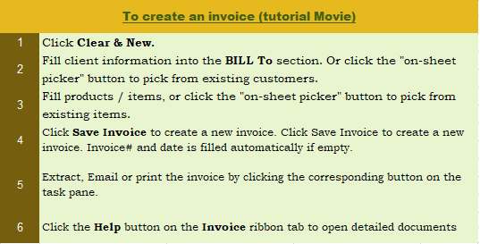
This template is the lite version of c5052. It might contain elements that are suitable for Invoice Manager only.
The template integrates Invoice Manager (Lite) , so the "Auto open" option on the Invoice Manager (Lite) taskpane will not work -- i.e. the template always opens Invoice Manager (Lite).
Your Business Name
Company address, city, state ZIP
Contact, telephone, fax
Slogan, Web site, email
 |  |  |  |  | VOUCHER

Name : |  | Date:
Address : |  | Voucher No :

Item # | Description |  | Quantity | Unit Price | Amount
 |  |  | 0 | 0 | 0
 |  |  | 0 | 0 | 0
 |  |  | 0 | 0 | 0
 |  |  | 0 | 0 | 0
 |  |  | 0 | 0 | 0
 |  |  | 0 | 0 | 0
 |  |  | 0 | 0 | 0
 |  |  | 0 | 0 | 0
 |  |  | 0 | 0 | 0
 |  |  | 0 | 0 | 0
 |  |  | 0 | 0 | 0
 |  |  | 0 | 0 | 0
 |  |  |  | DISCOUNT | 0
NOTES: |  |  |  | TOTAL | 0
 |  |  |  | ADVANCE | 0
 |  |  |  | BALANCE | 0 |  |  |  |  | Customer# |  | A
 |  |  |  |  |  |  |  |  |  | Please don't delete the following
 |  |  |  |  |  |  |  |  |  | TOTAL | 0
 |  |  |  |  |  |  |  |  |  | PAID | 0
 |  |  |  | Cashier |  |  |  |  |  | BALANCE DUE | 0
 |  |  |  |  |  |  |  |  |  | Tax1Name
 |  |  |  |  |  |  |  |  |  | Tax2Name
THANK YOU FOR YOUR BUSINESS!

UniformSoftware.com
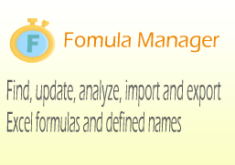
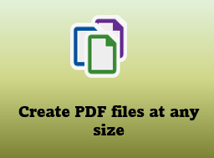


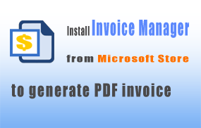



Create mind map from a node list in Excel

