Analysis_Results
Analysis Summary

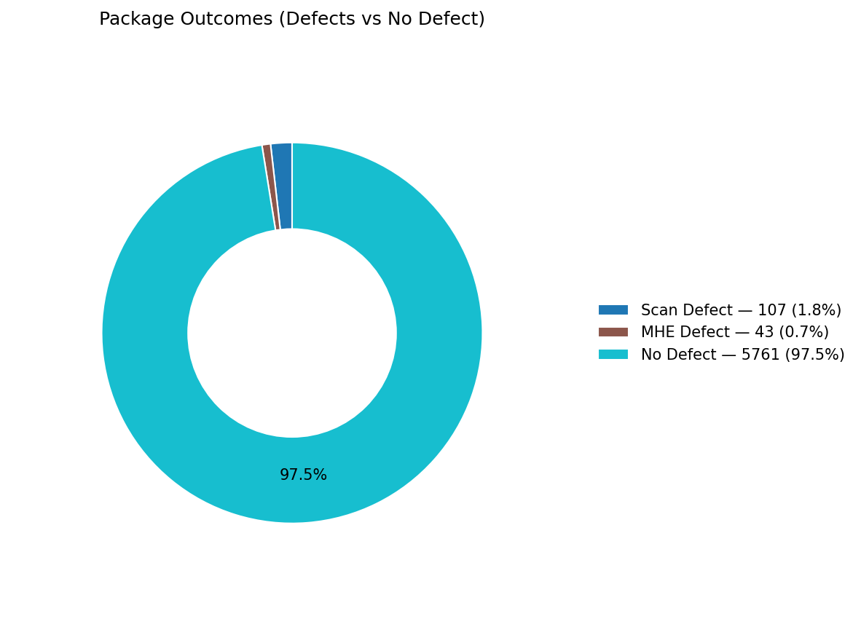
Total records (clean dataset): | 5911

Defect Category Breakdown (percent over ALL processed)

defectCategory | count | percentage
Scan Defect | 107 | 1.81
MHE Defect | 43 | 0.73

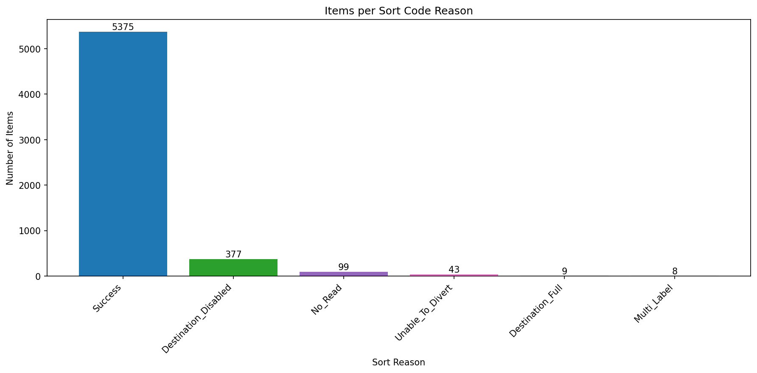
Sort Code Reason Counts
sortReason | count
Success | 5375
Destination_Disabled | 377
No_Read | 99
Unable_To_Divert | 43
Destination_Full | 9
Multi_Label | 8

