Analysis_Results
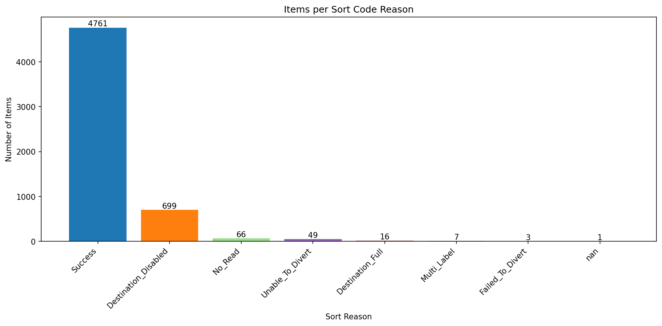
Analysis Summary

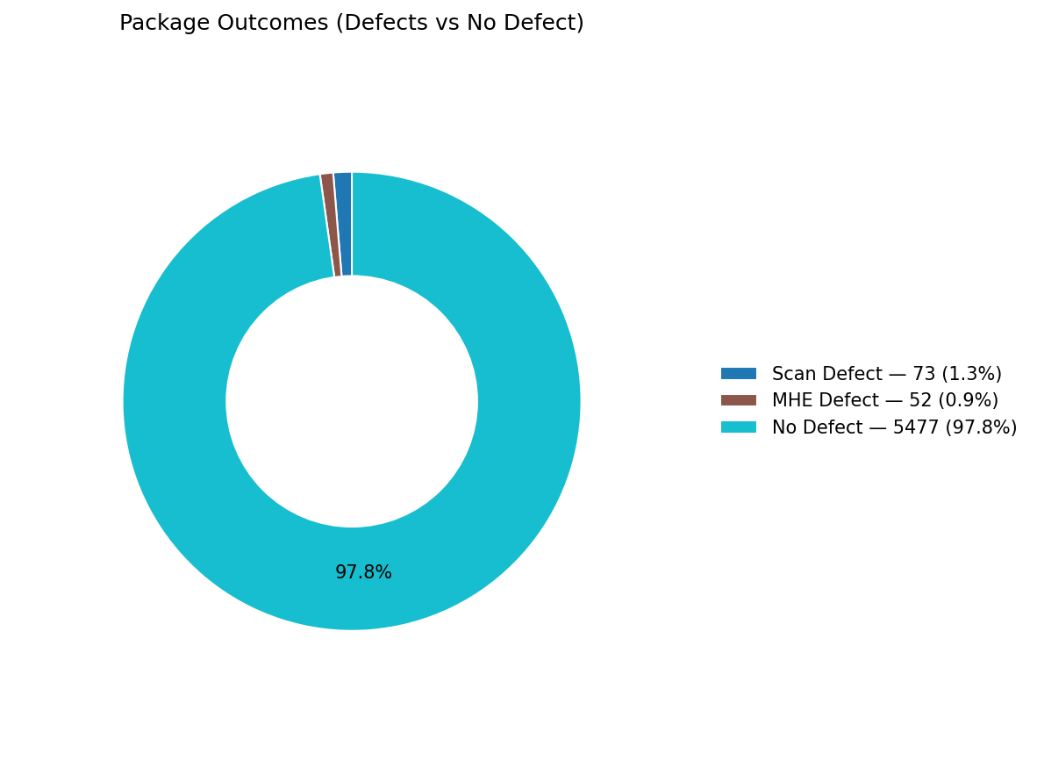
Total records (clean dataset): | 5602

Defect Category Breakdown (percent over ALL processed)

defectCategory | count | percentage
Scan Defect | 73 | 1.3
MHE Defect | 52 | 0.93

Sort Code Reason Counts
sortReason | count
Success | 4761
Destination_Disabled | 699
No_Read | 66
Unable_To_Divert | 49
Destination_Full | 16
Multi_Label | 7
Failed_To_Divert | 3
 | 1

