Analysis_Results
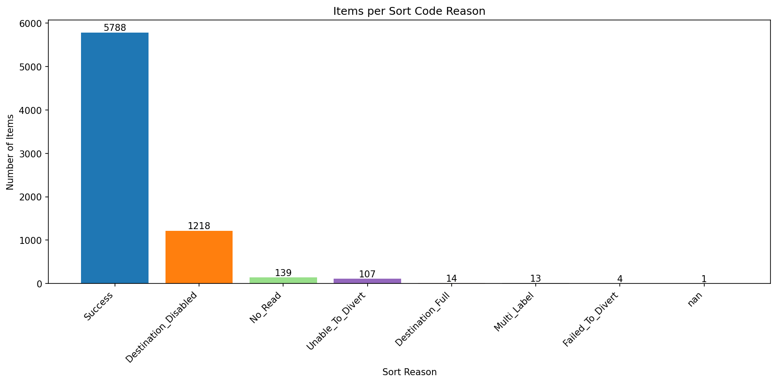
Analysis Summary

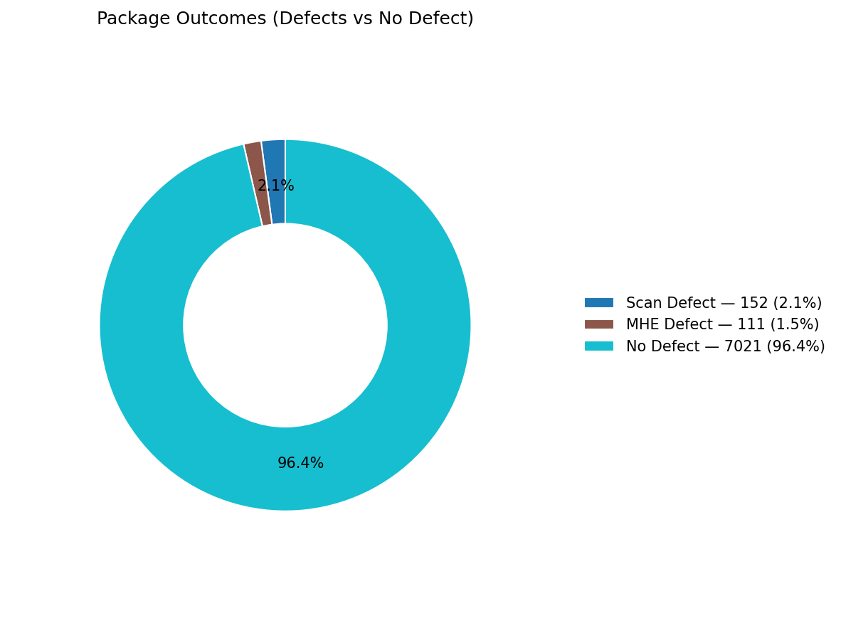
Total records (clean dataset): | 7284

Defect Category Breakdown (percent over ALL processed)

defectCategory | count | percentage
Scan Defect | 152 | 2.09
MHE Defect | 111 | 1.52

Sort Code Reason Counts
sortReason | count
Success | 5788
Destination_Disabled | 1218
No_Read | 139
Unable_To_Divert | 107
Destination_Full | 14
Multi_Label | 13
Failed_To_Divert | 4
 | 1

