Analysis_Results
Analysis Summary

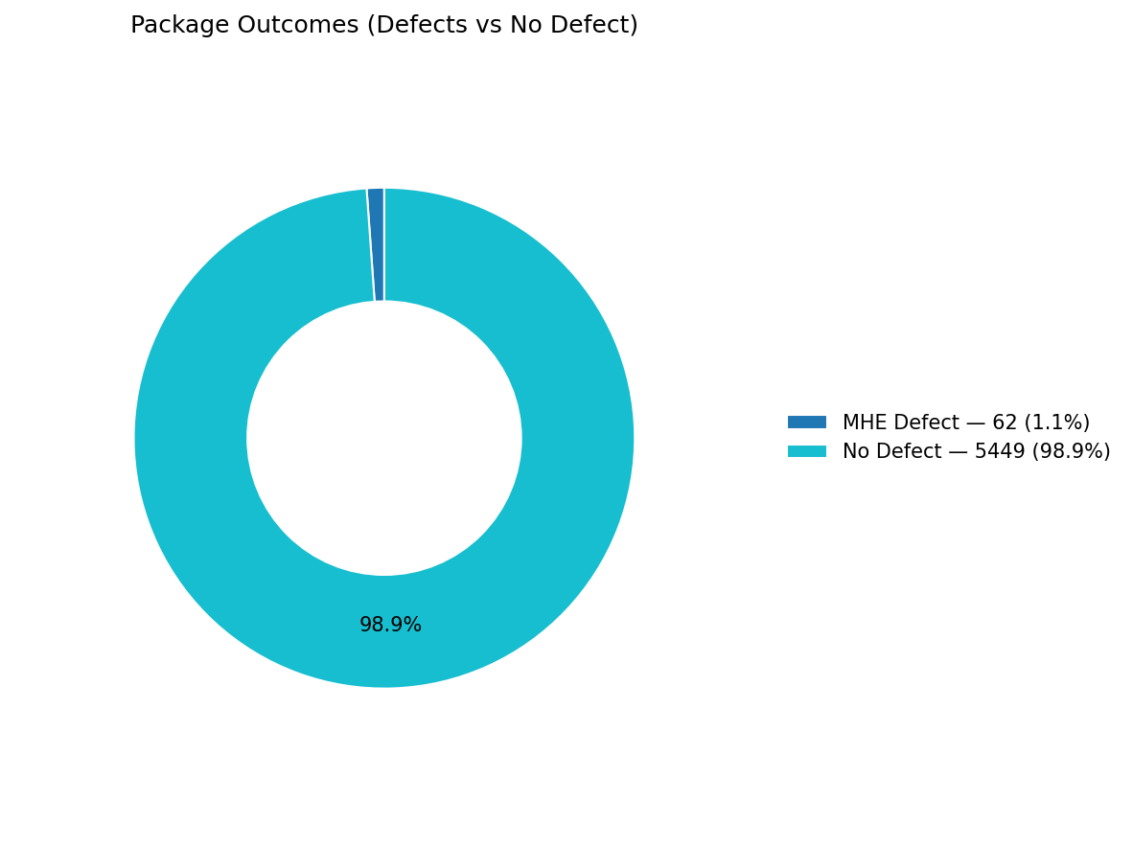
Total records (window dataset): | 5511

Defect Category Breakdown (percent over ALL processed)

defectCategory | count | percentage
MHE Defect | 62 | 1.13

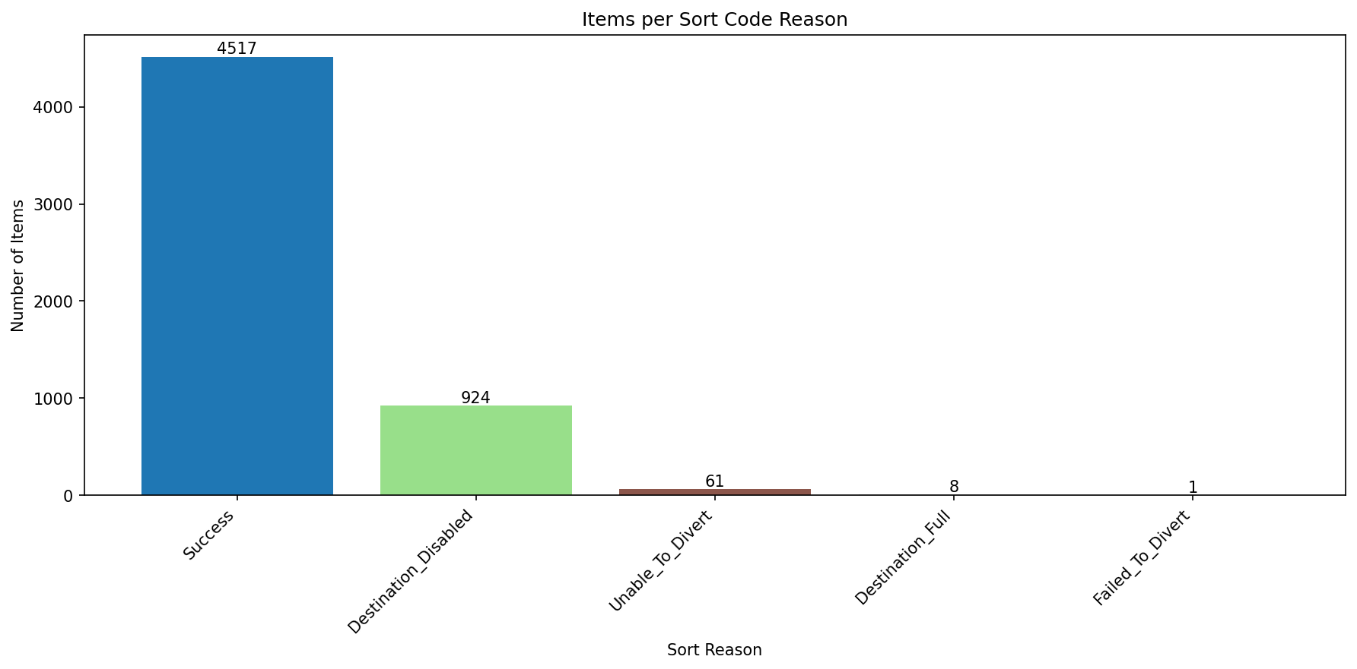
Sort Code Reason Counts
sortReason | count
Success | 4517
Destination_Disabled | 924
Unable_To_Divert | 61
Destination_Full | 8
Failed_To_Divert | 1

