Analysis_Results
Analysis Summary

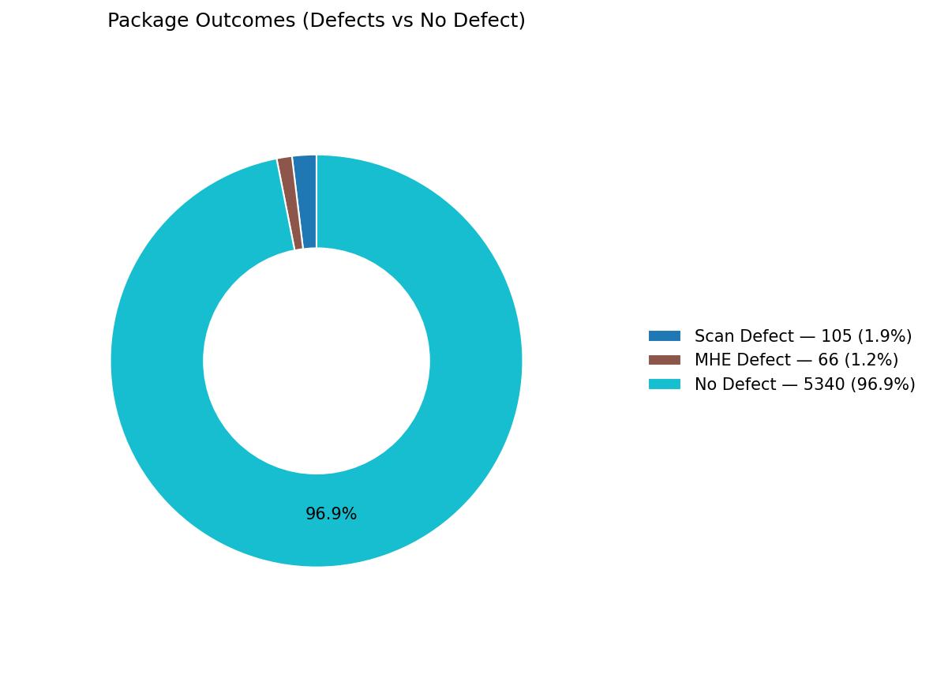
Total records (window dataset): | 5511

Defect Category Breakdown (percent over ALL processed)

defectCategory | count | percentage | 1.905%
Scan Defect | 105 | 1.91 | 1.198%
MHE Defect | 66 | 1.2

Sort Code Reason Counts
sortReason | count
Success | 4356 | 79.042%
Destination_Disabled | 974 | 17.674%
No_Read | 97 | 1.760%
Unable_To_Divert | 65 | 1.179%
Destination_Full | 10 | 0.181%
Multi_Label | 8 | 0.145%
Failed_To_Divert | 1 | 0.018%

Sort Code Reason Counts Adjusted
sortReason | count
Success | 5330
Destination_Disabled | 0
No_Read | 97
Unable_To_Divert | 65
Destination_Full | 10
Multi_Label | 8
Failed_To_Divert | 1

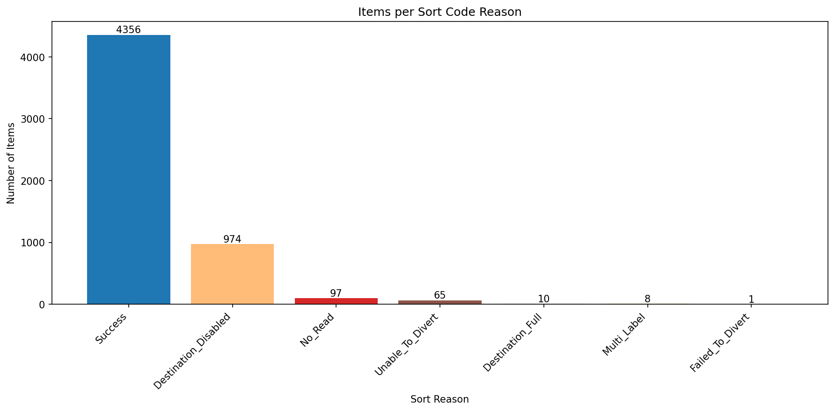

count Adjusted

