Analysis_Results
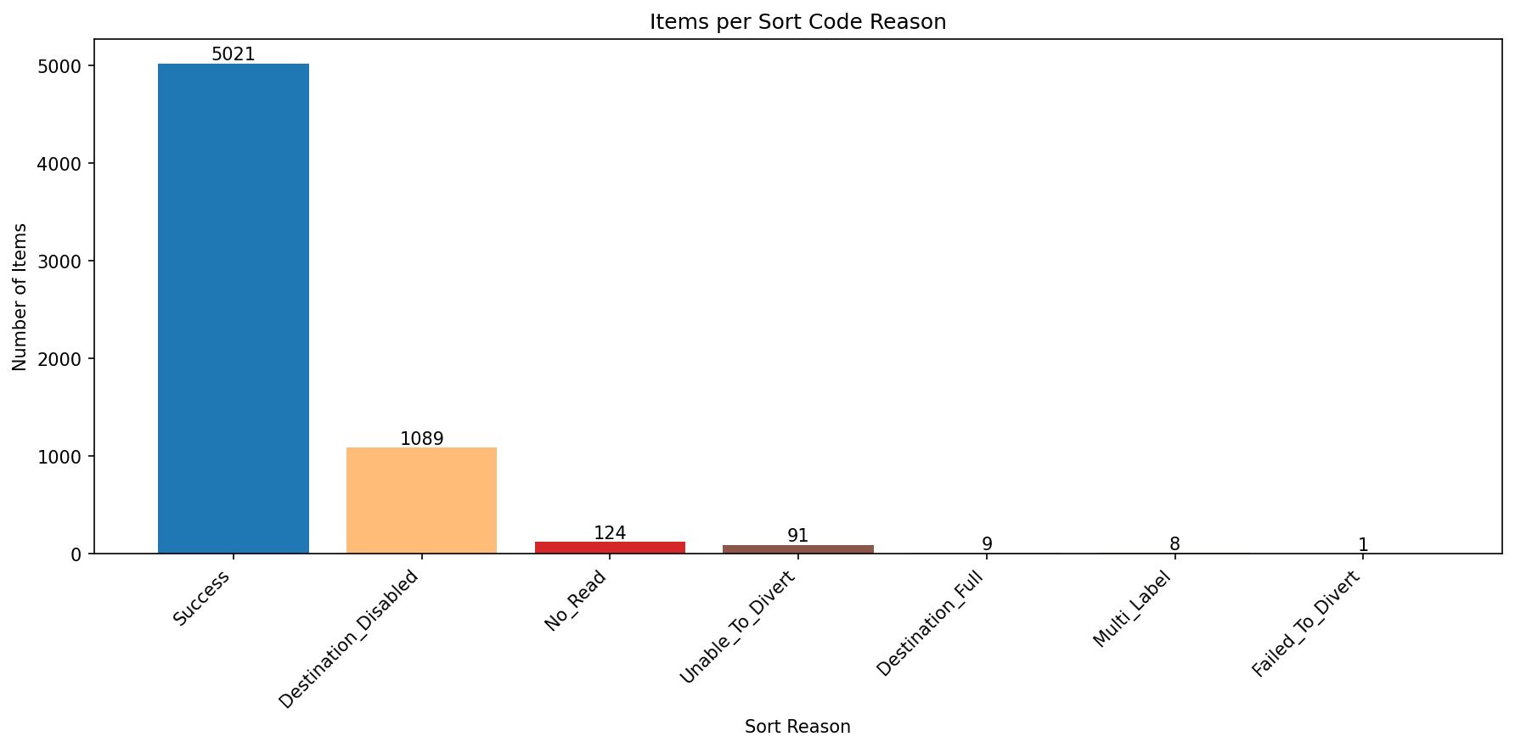
Analysis Summary

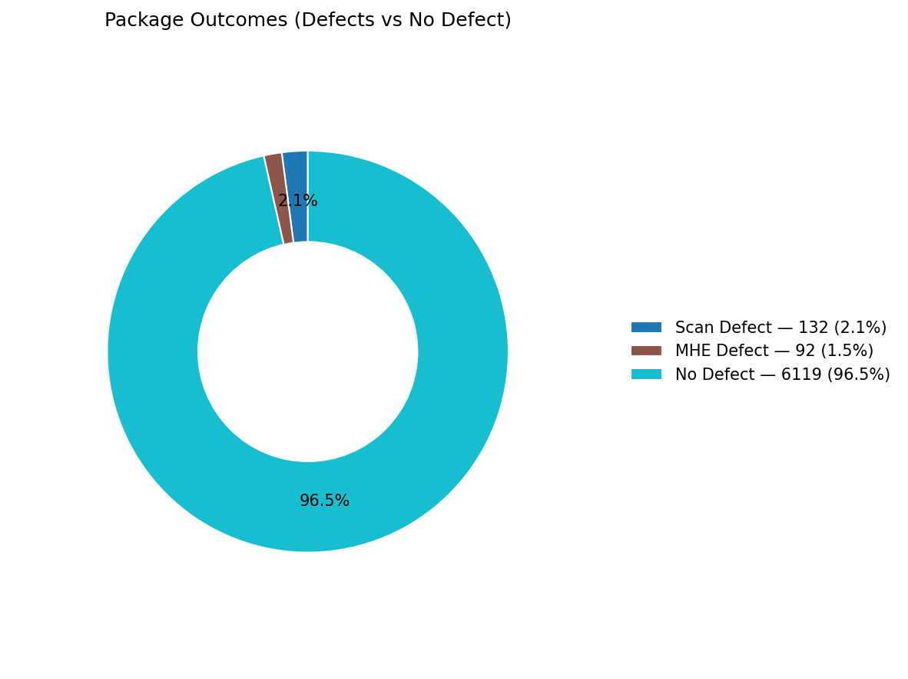
Total records (window dataset): | 6343

Defect Category Breakdown (percent over ALL processed)

defectCategory | count | percentage
Scan Defect | 132 | 2.08
MHE Defect | 92 | 1.45

Sort Code Reason Counts
sortReason | count
Success | 5021
Destination_Disabled | 1089 | 22%
No_Read | 124
Unable_To_Divert | 91
Destination_Full | 9
Multi_Label | 8
Failed_To_Divert | 1

