Analysis_Results
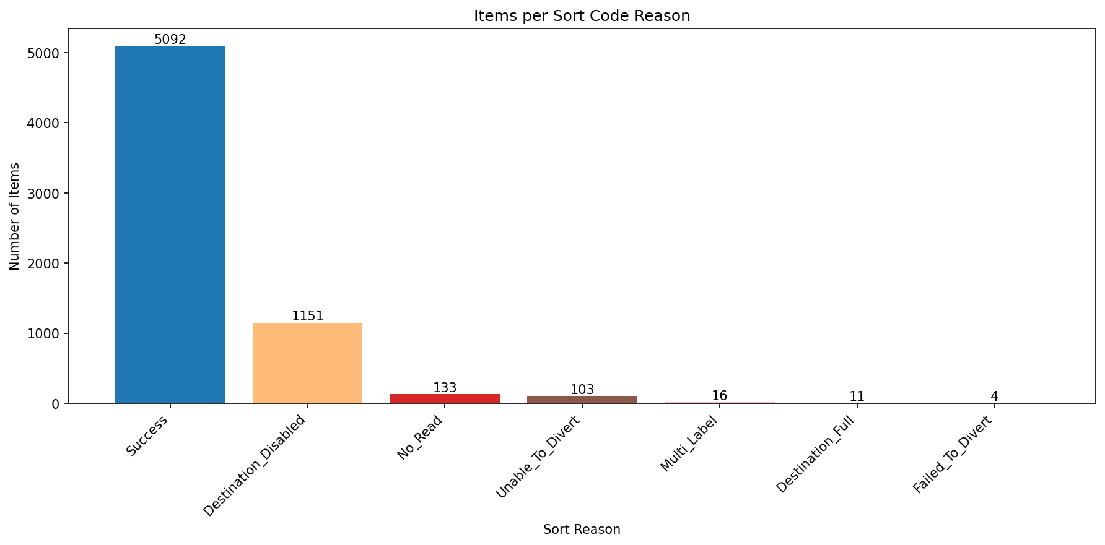
Analysis Summary

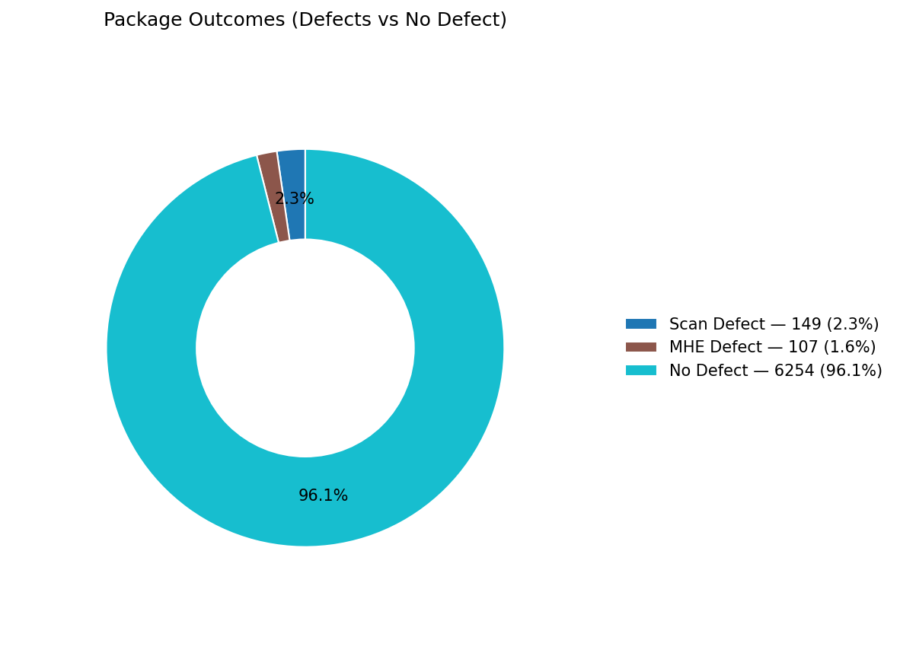
Total records (window dataset): | 6510

Defect Category Breakdown (percent over ALL processed)

defectCategory | count | percentage
Scan Defect | 149 | 2.29
MHE Defect | 107 | 1.64

Sort Code Reason Counts
sortReason | count
Success | 5092
Destination_Disabled | 1151
No_Read | 133
Unable_To_Divert | 103
Multi_Label | 16
Destination_Full | 11
Failed_To_Divert | 4

