Analysis_Results
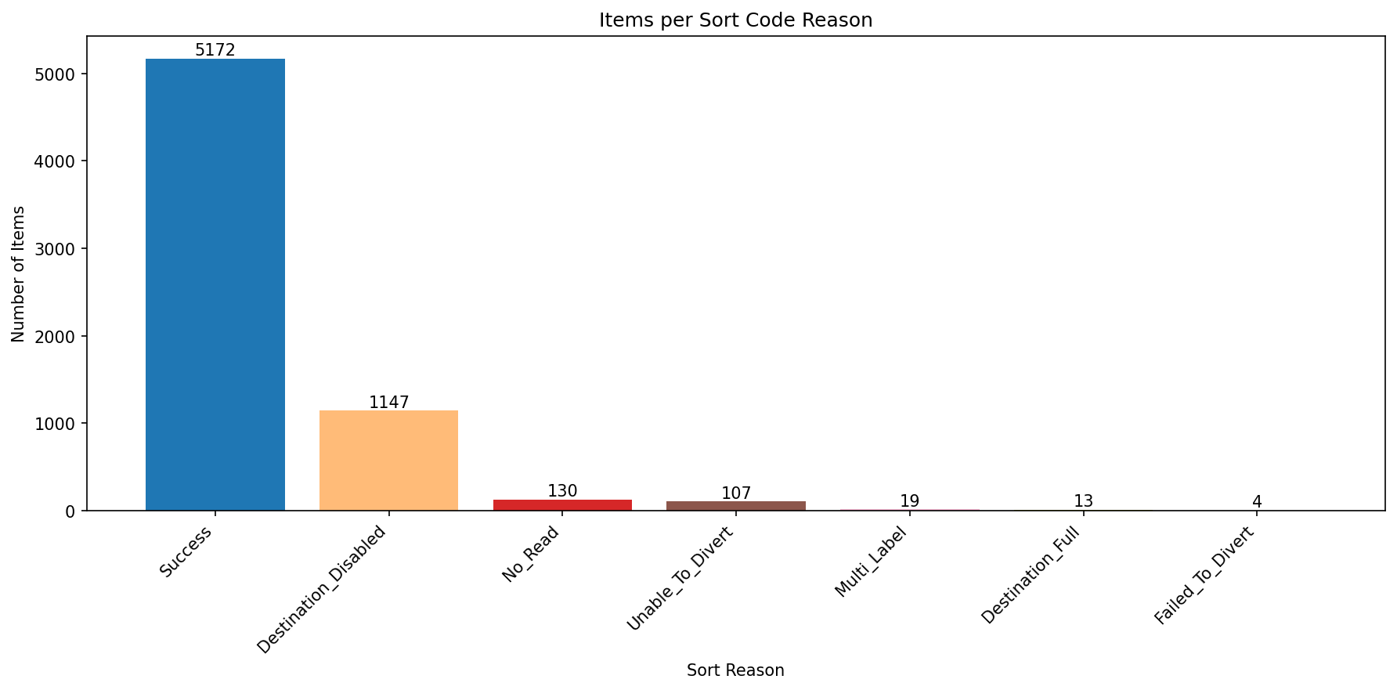
Analysis Summary

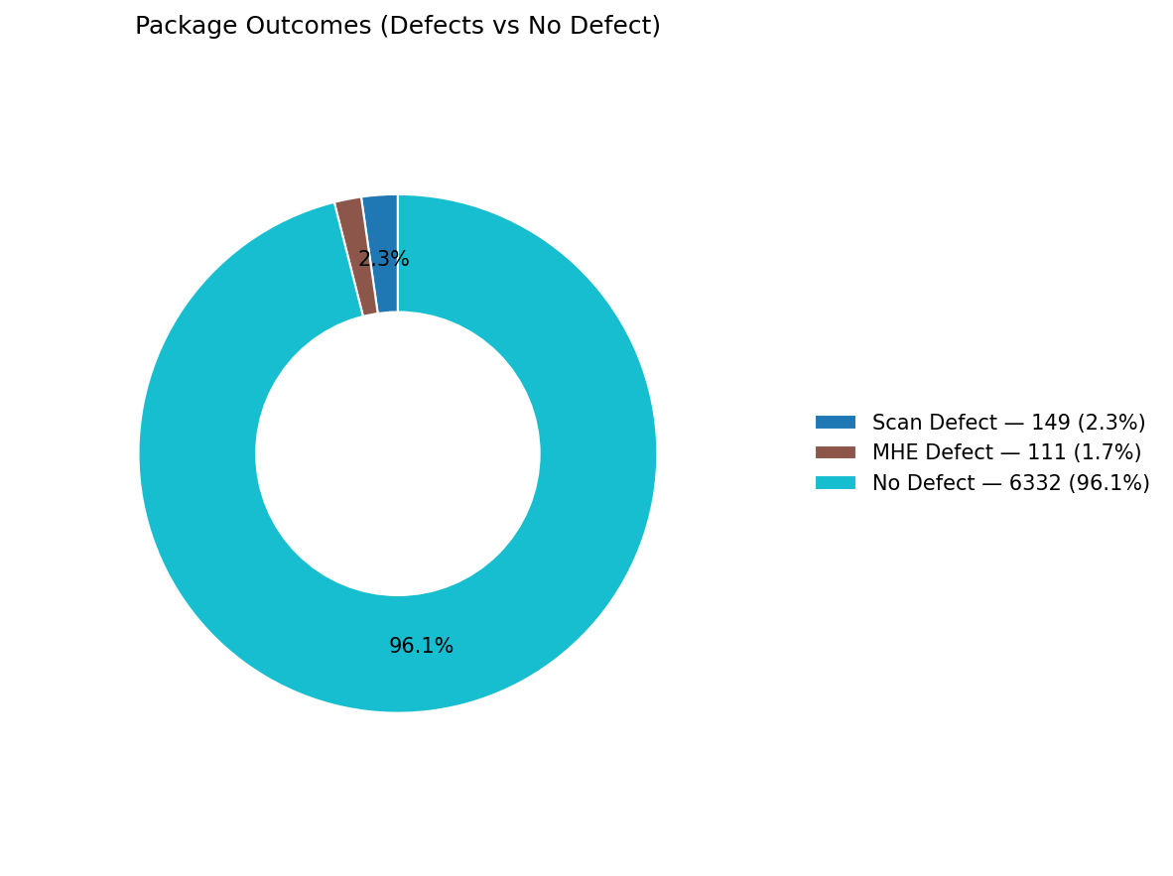
Total records (window dataset): | 6592

Defect Category Breakdown (percent over ALL processed)

defectCategory | count | percentage
Scan Defect | 149 | 2.26
MHE Defect | 111 | 1.68

Sort Code Reason Counts
sortReason | count
Success | 5172
Destination_Disabled | 1147
No_Read | 130
Unable_To_Divert | 107
Multi_Label | 19
Destination_Full | 13
Failed_To_Divert | 4

