Analysis_Results
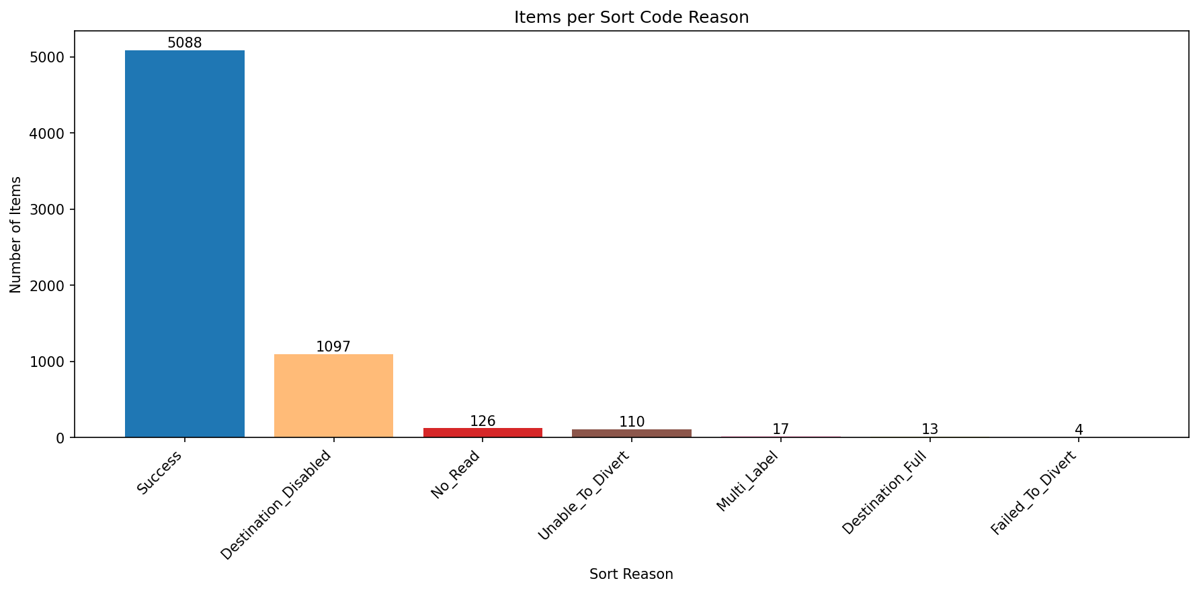
Analysis Summary

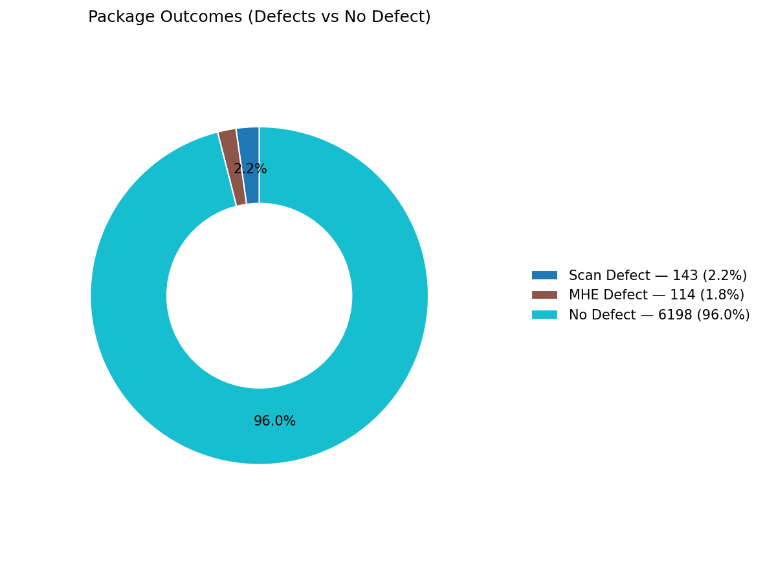
Total records (window dataset): | 6455

Defect Category Breakdown (percent over ALL processed)

defectCategory | count | percentage
Scan Defect | 143 | 2.22
MHE Defect | 114 | 1.77

Sort Code Reason Counts
sortReason | count
Success | 5088
Destination_Disabled | 1097
No_Read | 126
Unable_To_Divert | 110
Multi_Label | 17
Destination_Full | 13
Failed_To_Divert | 4

