Analysis_Results
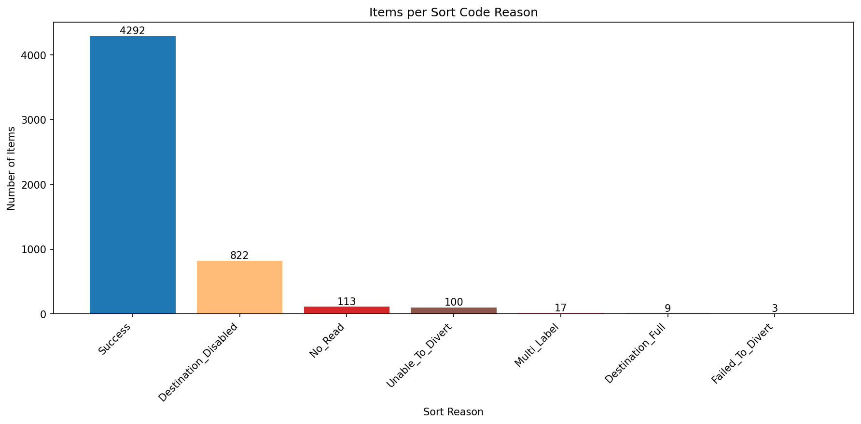
Analysis Summary

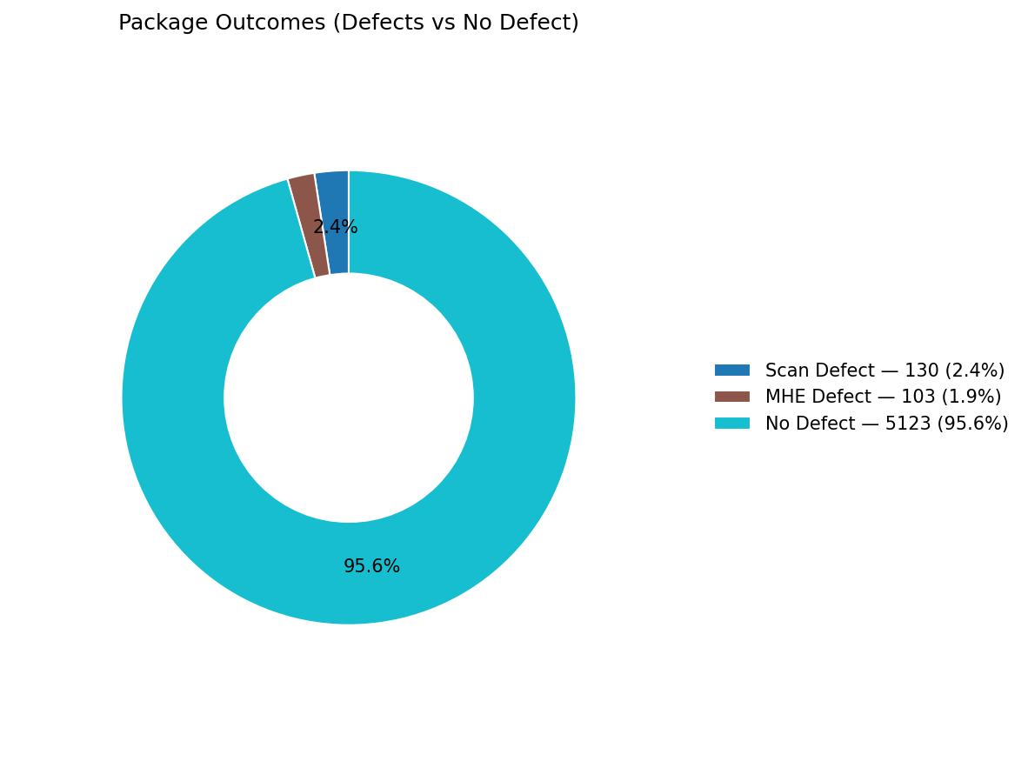
Total records (window dataset): | 5356

Defect Category Breakdown (percent over ALL processed)

defectCategory | count | percentage
Scan Defect | 130 | 2.43
MHE Defect | 103 | 1.92

Sort Code Reason Counts
sortReason | count
Success | 4292
Destination_Disabled | 822
No_Read | 113
Unable_To_Divert | 100
Multi_Label | 17
Destination_Full | 9
Failed_To_Divert | 3

