Analysis_Results
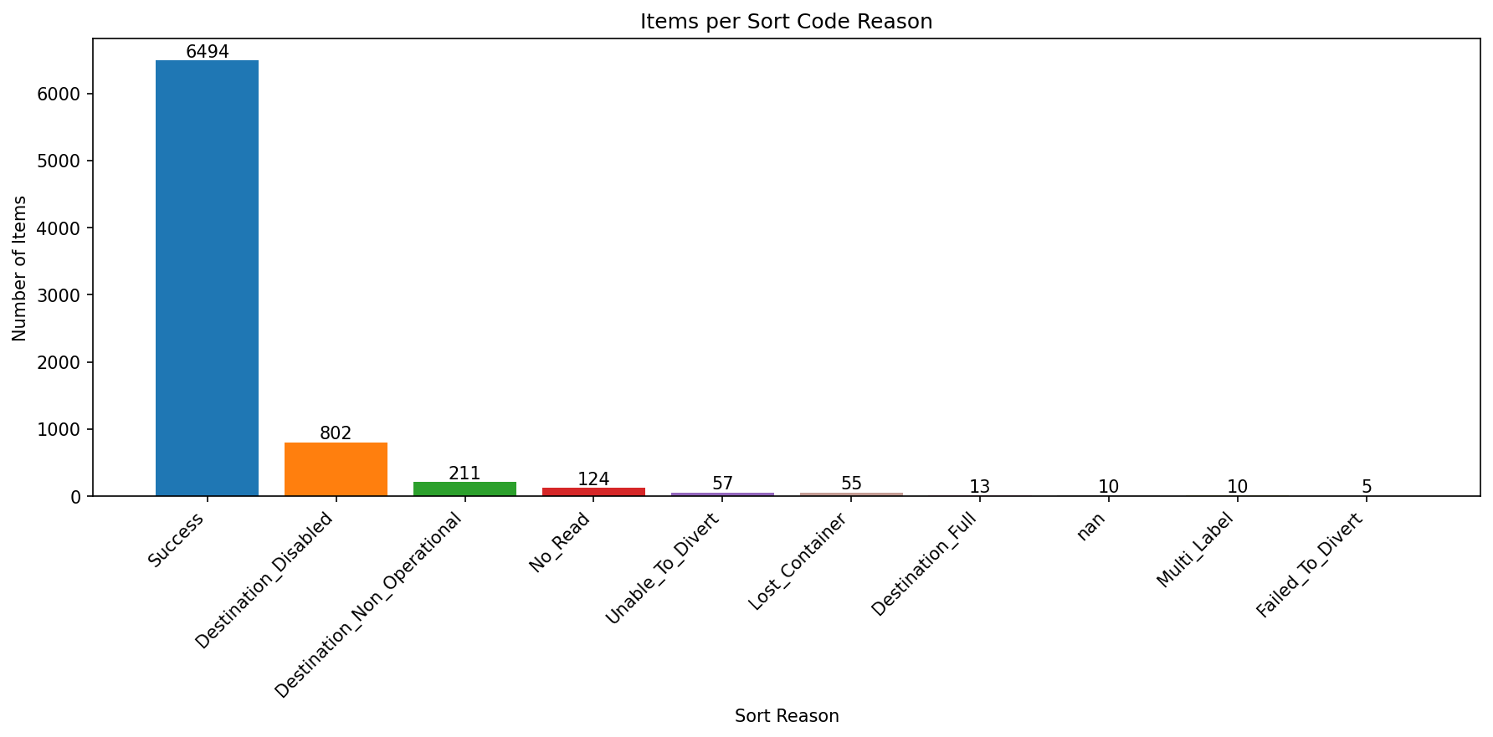
Analysis Summary

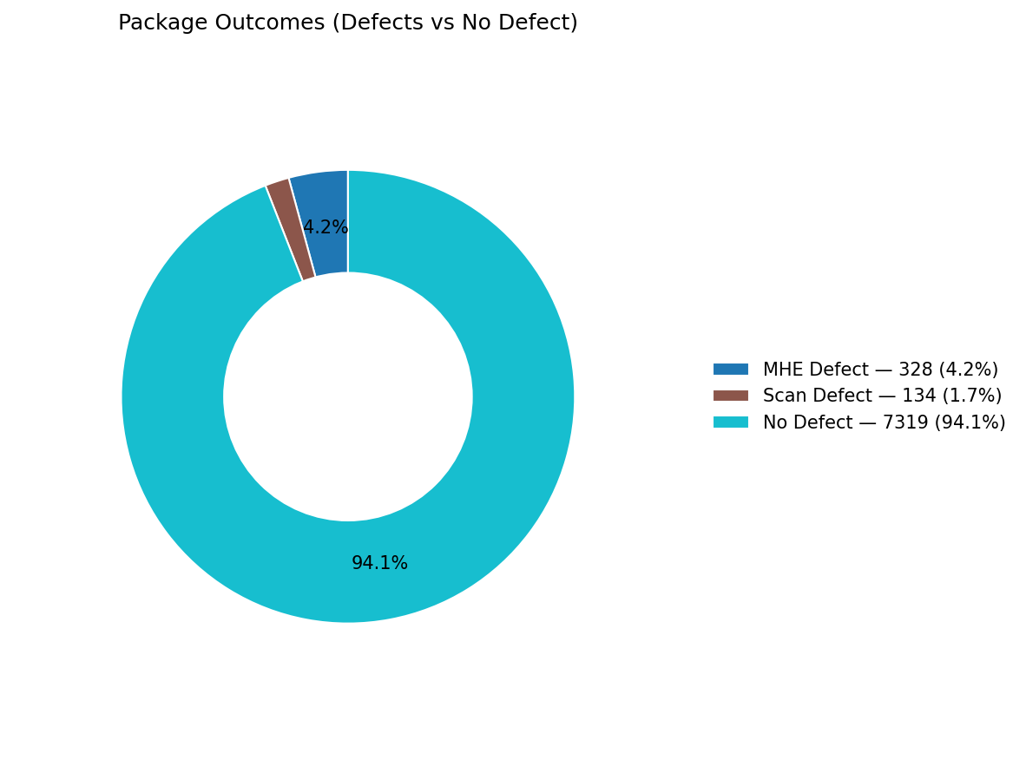
Total records (clean dataset): | 7781

Defect Category Breakdown (percent over ALL processed)

defectCategory | count | percentage
MHE Defect | 328 | 4.22
Scan Defect | 134 | 1.72

Sort Code Reason Counts
sortReason | count
Success | 6494
Destination_Disabled | 802
Destination_Non_Operational | 211
No_Read | 124
Unable_To_Divert | 57
Lost_Container | 55
Destination_Full | 13
 | 10
Multi_Label | 10
Failed_To_Divert | 5

