FFT - Random
Links | S.Link1to10 | S.Link2to4 | S.Link2to10 | S.Link2to17 | S.Link3to4 | S.Link3to5 | S.Link3to11 | S.Link3to13 | S.Link3to31 | S.Link5to24 | S.Link9to17 | S.Link9to32 | S.Link10to11 | S.Link10to54 | S.Link13to19 | S.Link15to31 | S.Link15to47 | S.Link19to26 | S.Link20to21 | S.Link20to27 | S.Link21to48 | S.Link22to24 | S.Link25to26 | S.Link27to31 | S.Link30to31 | S.Link32to47 | S.Link37to46 | S.Link37to49 | S.Link45to46 | S.Link45to50 | S.Link46to47 | S.Link48to53 | S.Link50to58 | S.Link53to55
Powers(W) | 0.001024 | 0.0043885714286 | 7.31E-04 | 0.0014628571429 | 0.0014628571429 | 0.0014628571429 | 7.31E-04 | 0.0043885714286 | 0.0073142857143 | 0.0026331428571 | 7.31E-04 | 0.0052662857143 | 7.31E-04 | 0.0046811428571 | 0.0014628571429 | 0.0014628571429 | 0.0029257142857 | 0.001024 | 7.31E-04 | 0.001024 | 0.0029257142857 | 0.0014628571429 | 7.31E-04 | 0.0029257142857 | 7.31E-04 | 0.0014628571429 | 0.001024 | 0.0032182857143 | 0.0021942857143 | 0.0065828571429 | 0.0029257142857 | 0.0021942857143 | 7.31E-04 | 0.0014628571429

Switches | Switch1 | Switch2 | Switch3 | Switch4 | Switch5 | Switch6 | Switch7 | Switch8 | Switch9 | Switch10 | Switch11 | Switch12 | Switch13 | Switch14 | Switch15 | Switch16 | Switch17 | Switch18 | Switch19 | Switch20 | Switch21 | Switch22 | Switch23 | Switch24 | Switch25 | Switch26 | Switch27 | Switch28 | Switch29 | Switch30 | Switch31 | Switch32 | Switch33 | Switch34 | Switch35 | Switch36 | Switch37 | Switch38 | Switch39 | Switch40 | Switch41 | Switch42 | Switch43 | Switch44 | Switch45 | Switch46 | Switch47 | Switch48 | Switch49 | Switch50 | Switch51 | Switch52 | Switch53 | Switch54 | Switch55 | Switch56 | Switch57 | Switch58 | Switch59 | Switch60 | Switch61 | Switch62 | Switch63 | Switch64
Powers(W) | 0.0054401785714 | 0.0074008928571 | 0.011049107143 | 0.0060910714286 | 0.0056089285714 | 0.0010767857143 | 0.00057857142857 | 0.00063482142857 | 0.0058660714286 | 0.0043392857143 | 0.0023223214286 | 0.00081160714286 | 0.0076821428571 | 0.00026517857143 | 0.0032866071429 | 0.0025392857143 | 0.0023946428571 | 0.00075535714286 | 0.0043875 | 0.0031821428571 | 0.00444375 | 0.0012696428571 | 0.0011491071429 | 0.0019044642857 | 0.0025392857143 | 0.0040580357143 | 0.0034232142857 | 0.00065089285714 | 0.00082767857143 | 0.0018241071429 | 0.0057375 | 0.0058419642857 | 0.0021776785714 | 0.00036160714286 | 0.0022660714286 | 0.00058660714286 | 0.0019205357143 | 0.00077946428571 | 0.0012857142857 | 0.00135 | 0.0011491071429 | 0.0029973214286 | 0.0018321428571 | 0.00016071428571 | 0.0038330357143 | 0.0055446428571 | 0.0081723214286 | 0.0064526785714 | 0.0019526785714 | 0.0042991071429 | 0.0010607142857 | 0.0016553571429 | 0.00140625 | 0.0012455357143 | 0.0011491071429 | 0.00055446428571 | 0.00066696428571 | 0.0018964285714 | 0.00036160714286 | 0.0013660714286 | 0.00085178571429 | 0.00083571428571 | 0.0012455357143 | 0.00062678571429

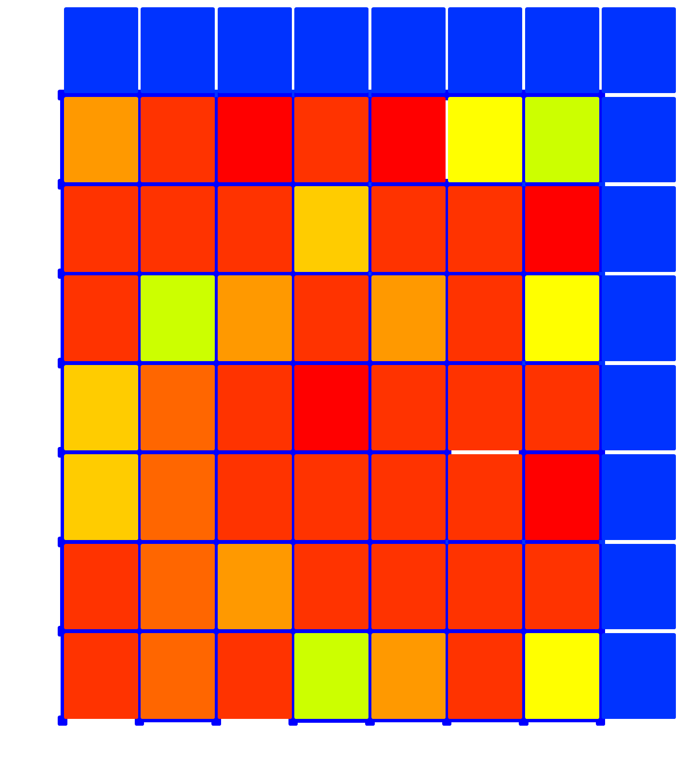
TotalEnergyPerMessage | 5.51E+04
TotalEnergyPerMessageForTokenRecoveryScheme | 5.51E+04
avghop | 3.5035
Input | 0.0224
Throughput | 0.0138
ThroughputAfterBlockingToken | 0.0132
Latency | 1.56E+03

