Test excution details
Test Case Number | ScreenShort
TC_01 | 
TC_02
TC_03 | 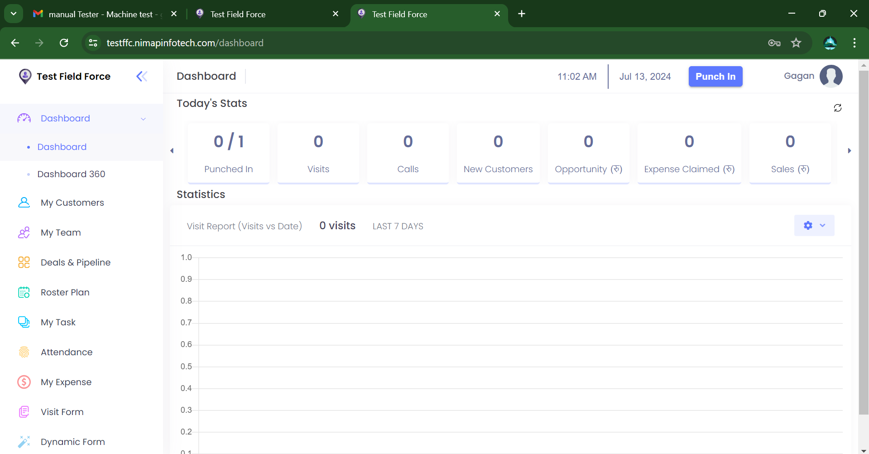
TC_04 | 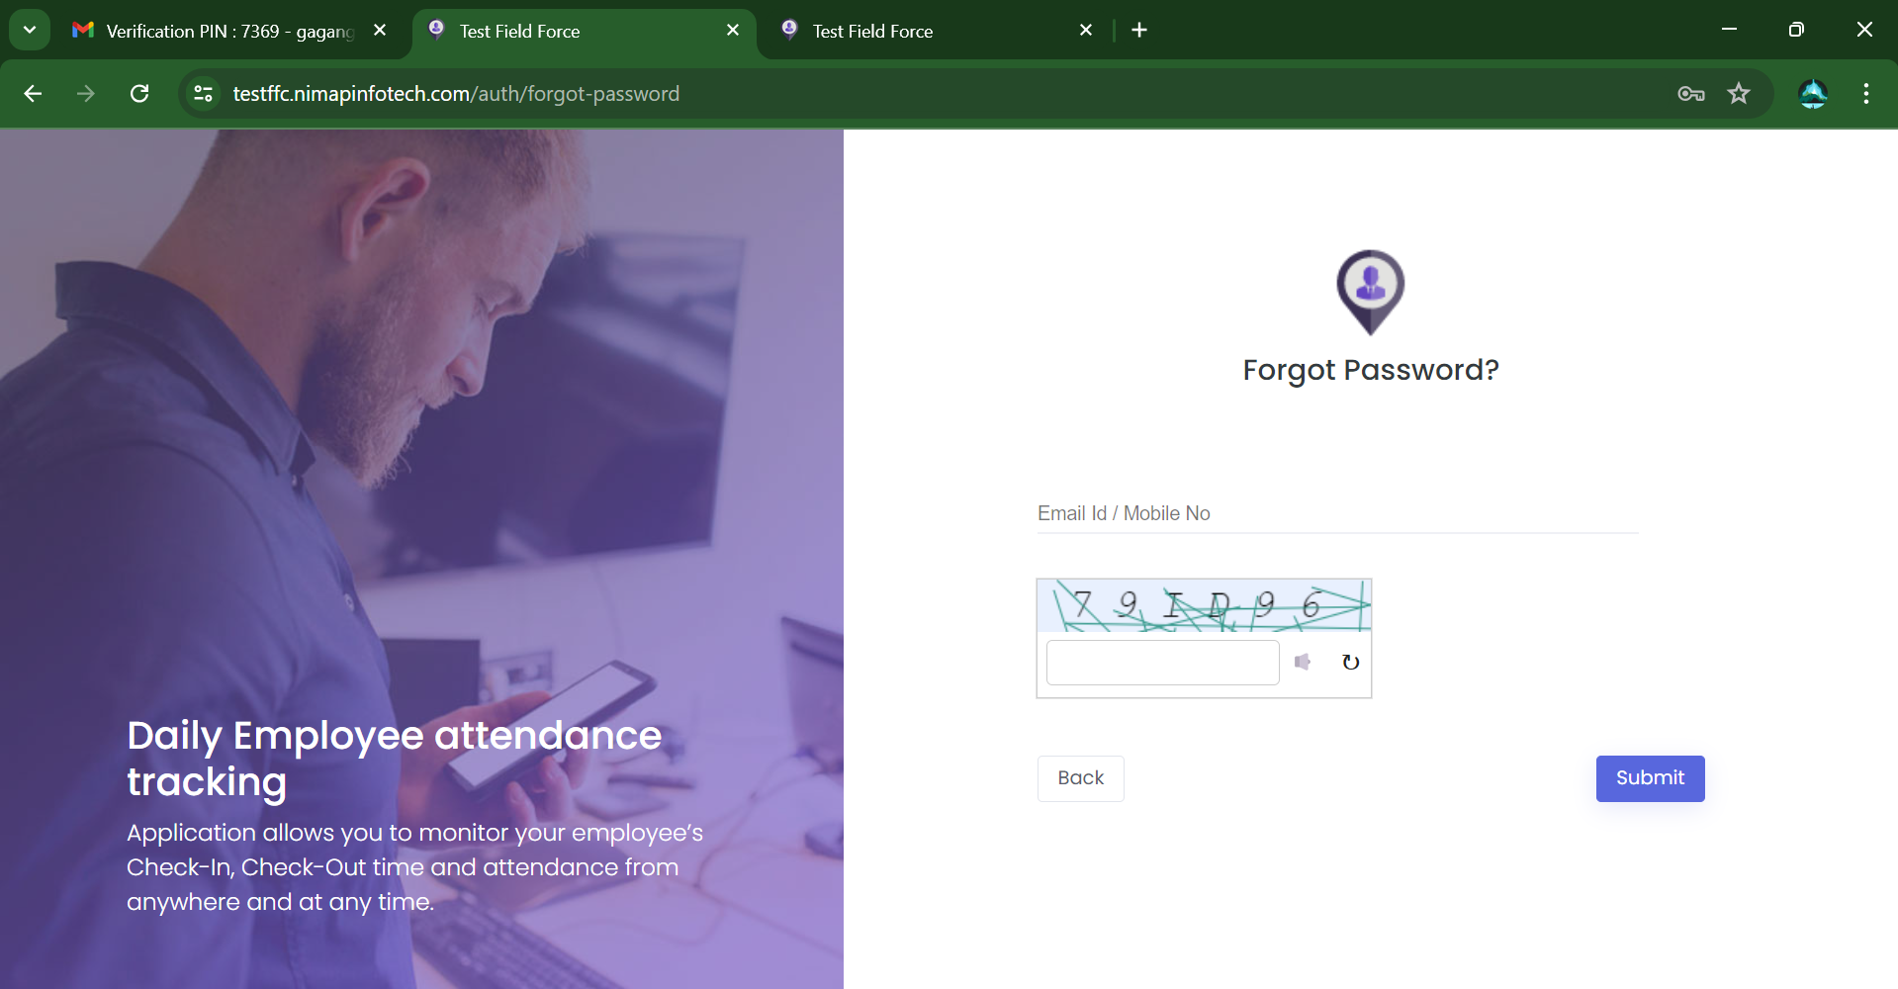
TC_05 | 
TC_06 | 
TC_07
TC_08
TC_09 | 
TC_10

