Sheet1
Weekly Wages Sheet For Worker
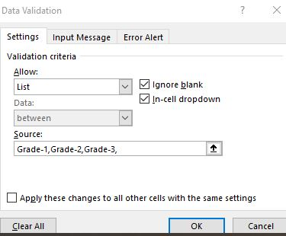
Sl. NO | Emp_ID | Name | Designation | Houre/ Week | Basic Wages | Overtime Wsges | Medical Allowance | Gross Amount | IT | Net Amount
01 | E101001 | A | Grade-1 | 40 | 6000 | 0 | 500 | 6000 | 600 | 5900
02 | E101002 | B | Grade-3 | 55 | 5500 | 11000 | 500 | 16500 | 1650 | 15350
03 | E101003 | C | Grade-2 | 43 | 5375 | 8600 | 500 | 13975 | 1397.5 | 13077.5
04 | E101004 | D | Grade-3 | 44 | 4400 | 8800 | 500 | 13200 | 1320 | 12380
05 | E101005 | E | Grade-1 | 48 | 7200 | 9600 | 500 | 16800 | 1680 | 15620
06 | E101006 | F | Grade-3 | 54 | 5400 | 10800 | 500 | 16200 | 1620 | 15080
07 | E101007 | G | Grade-2 | 45 | 5625 | 9000 | 500 | 14625 | 1462.5 | 13662.5
08 | E101008 | H | Grade-3 | 35 | 3500 | 0 | 500 | 3500 | 350 | 3650
09 | E101009 | i | Grade-2 | 47 | 5875 | 9400 | 500 | 15275 | 1527.5 | 14247.5
10 | E101010 | j | Grade-3 | 49 | 4900 | 9800 | 500 | 14700 | 1470 | 13730
 |  |  |  | TRUE | 53775 | 77000 | 5000 | 130775 | 13077.5 | 122697.5

 | Emp_ID |  | `=AND(LEFT(B4,1)="E",LEN(B4)=7,COUNTIF($B$4:$B$11,B4)=1,ISNUMBER(VALUE(RIGHT(B4,6))))`
 | Designation
 | Basic Wages |  | `=IF(D4="Grade-1",E4*150,IF(D4="Grade-2",E4*125,IF(D4="Grade-3",E4*100)))`
Overtime Wsges |  |  | `=IF(E4>40,(E5-40),E4*200,0)`

