home
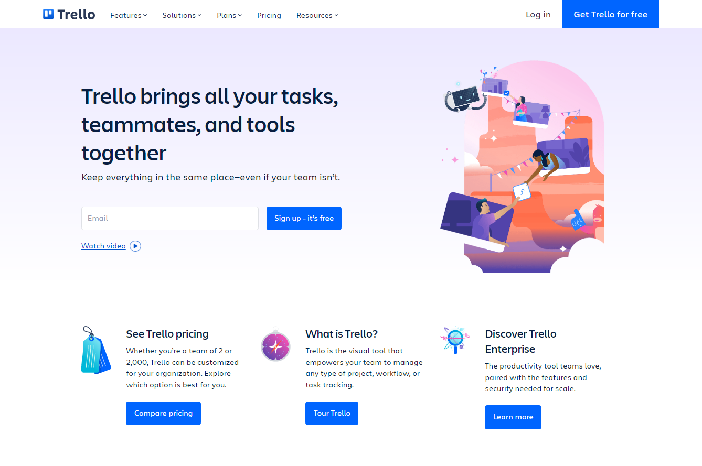
Element | Locator Value
login button | [class='Buttonsstyles__Button-sc-1jwidxo-0 kTwZBr']
feature tab | (//button[text()='Features'])[1]
solutions tab | (//button[text()='Solutions'])[1]
plans tab | (//button[text()='Plans'])[1]
pricing tab | (//a[text()='Pricing'])[1]
resource tab | .Tabsstyles__TabGroup-sc-1grh34k-2.hniXih > button:nth-of-type(1231)

