home
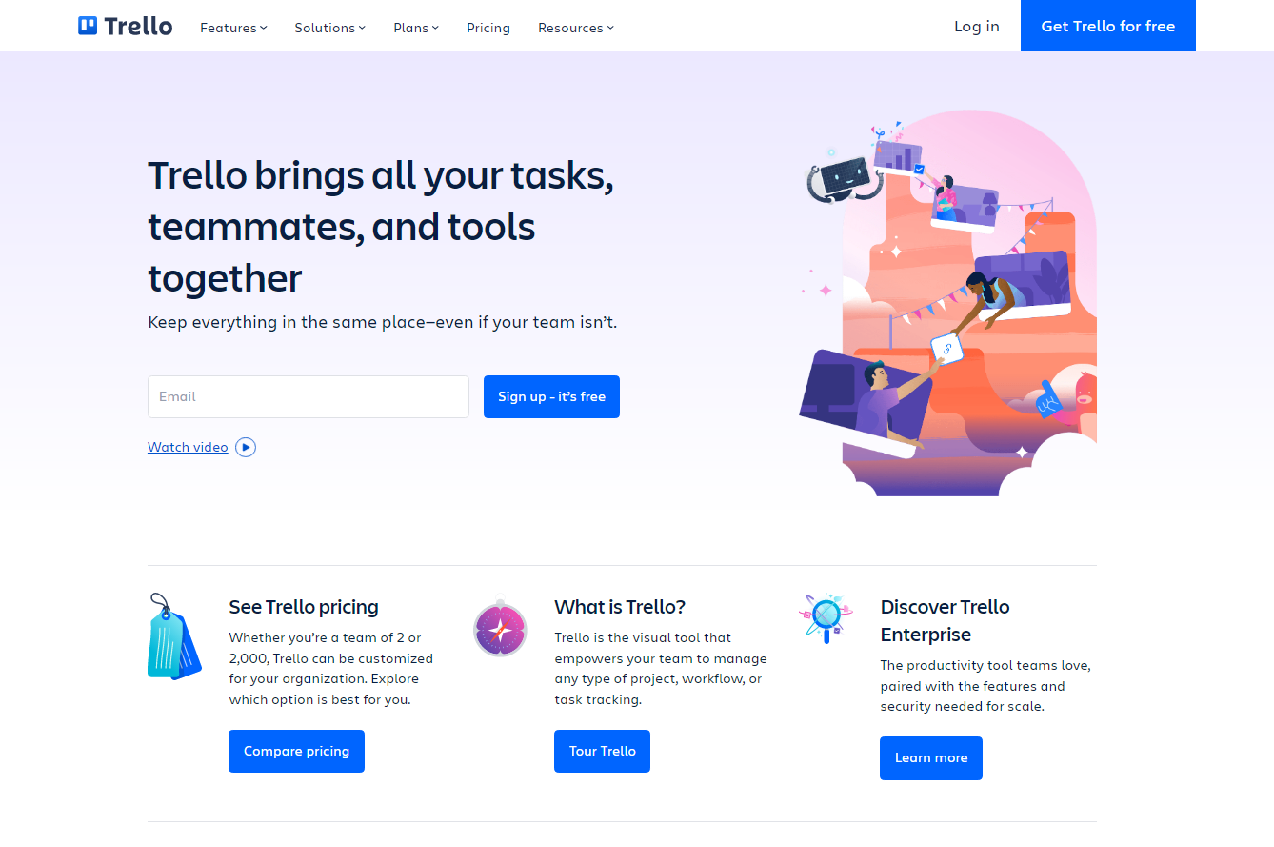
Element | Locator Value
login button | (//a[text()='Log in'])[1]
feature tab | (//button[text()='Features'])[1]
solutions tab | (//button[text()='Solutions'])[1]
plans tab | (//button[text()='Plans'])[1]
pricing tab | (//a[text()='Pricing'])[1]
resource tab | (//button[text()='Resources'])[1]

