Sheet1
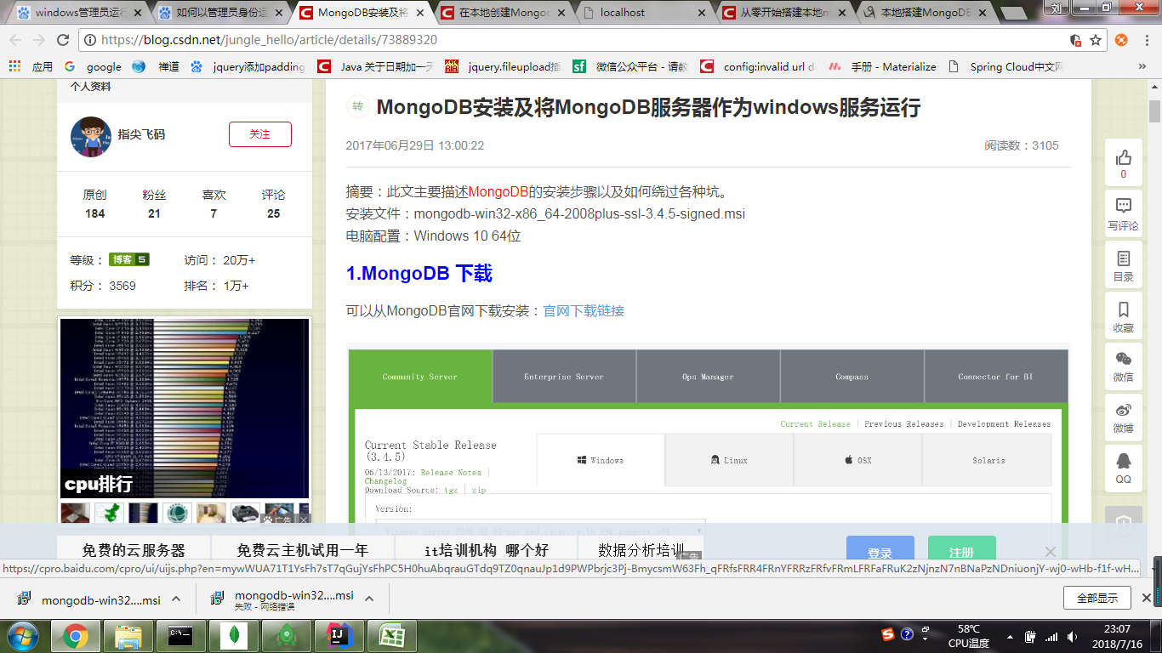

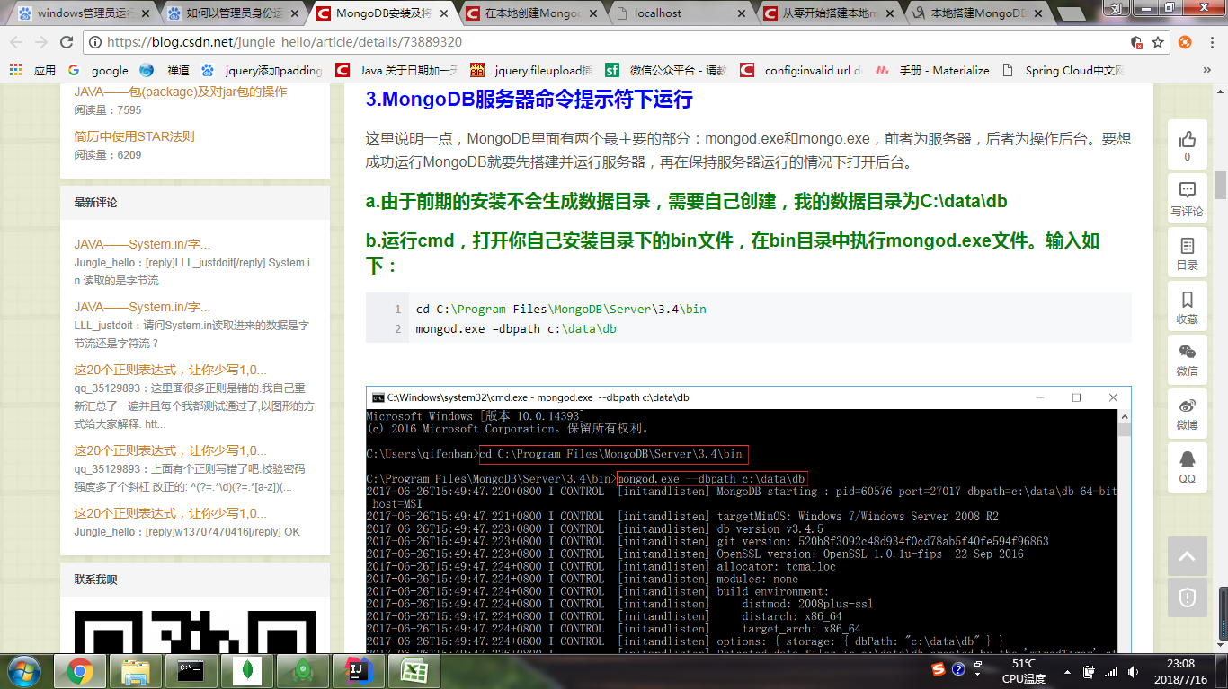

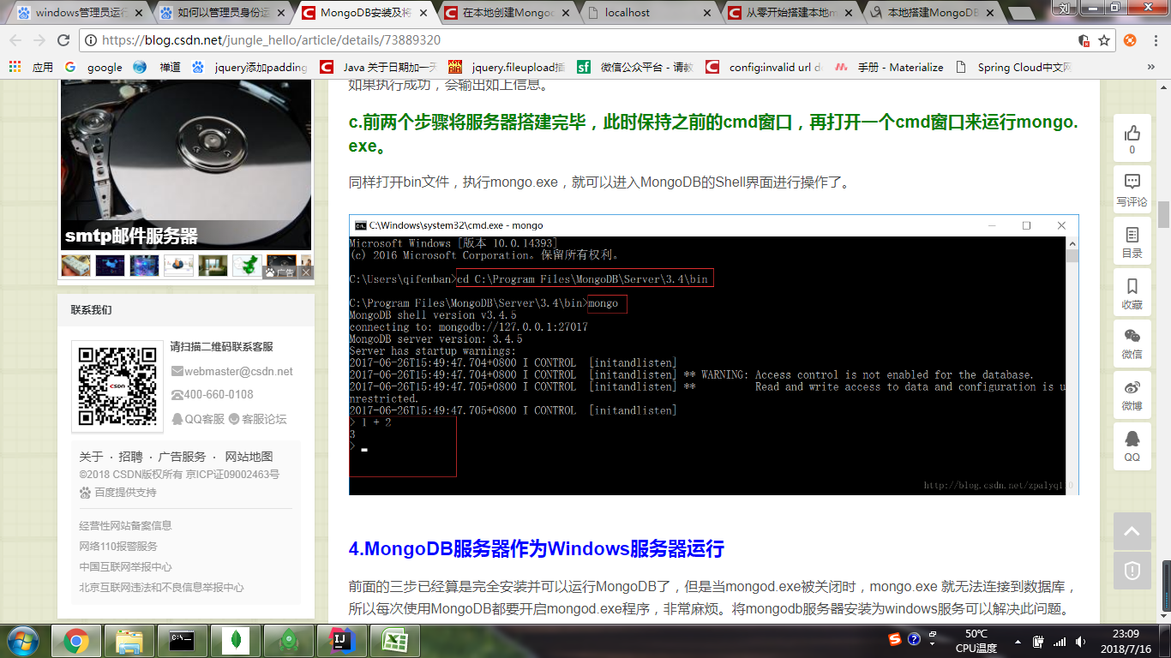

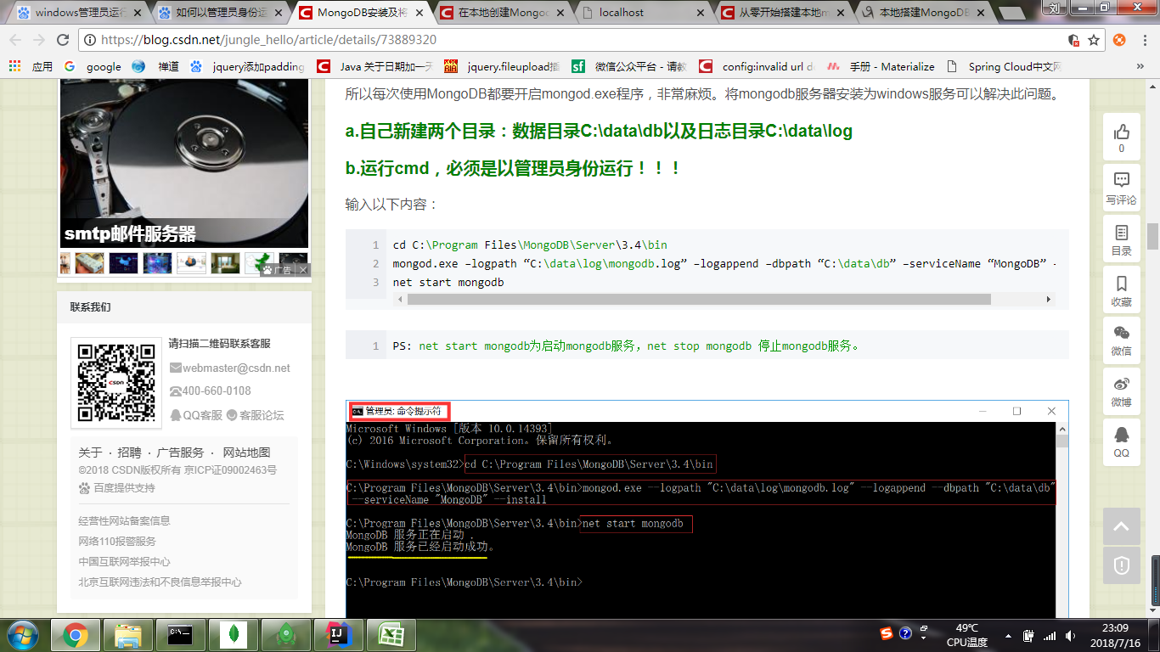

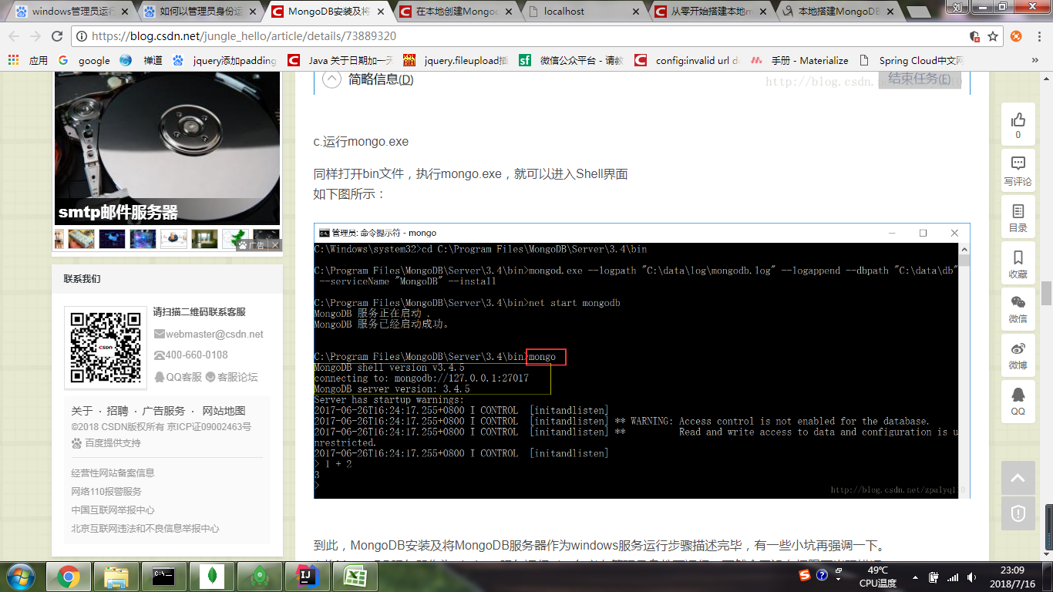

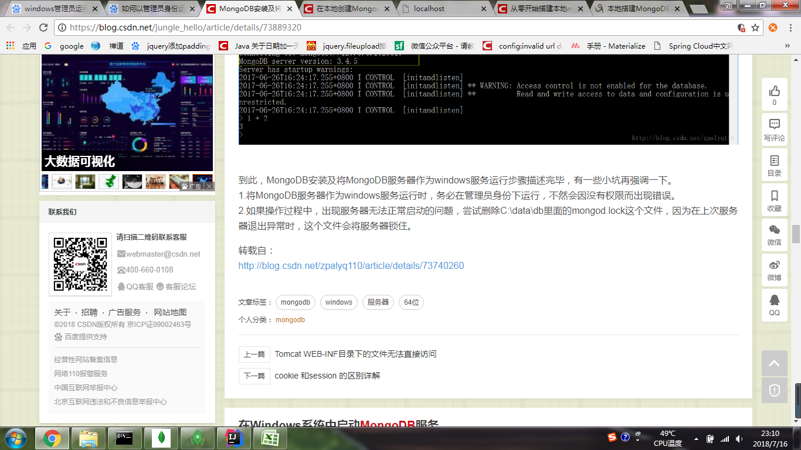

cd C:\Program Files\MongoDB\Server\3.4\bin mongod.exe –logpath “C:\data\log\mongodb.log” –logappend –dbpath “C:\data\db” –serviceName “MongoDB” –install net start mongodb

